整體統計
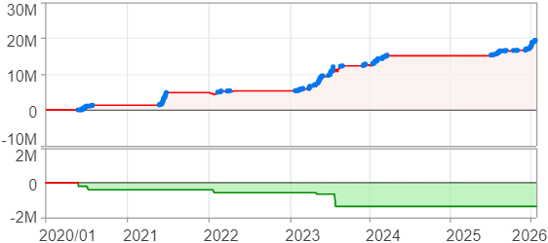
回測整體統計

回測資料範圍 | 2020/01/01 - 2026/01/23 (日資料) (逐筆洗價)
執行商品個數 | 100(成功)0(失敗)
回測執行時間 | 2026/01/23 15:11 (總時間: 46秒, 準備時間: 1秒, 回測時間: 45秒)
交易腳本 | 260123_強勢股+碼優化_v2
初始資金 | 100萬元
交易費用 | 股票0.2%(成交金額)、期貨100元(口)

項目 | 全部 |  | 做多 |  | 做空
淨利 | 19,219,172 | 1921.92% | 19,219,172 | 1921.92% | 0 | 0.00%
毛利 | 20,383,615 | 2038.36% | 20,383,615 | 2038.36% | 0 | 0.00%
獲利因子 | 17.50 |  | 17.50 |  | n/a
毛損 | -1,164,447 | -116.44% | -1,164,447 | -116.44% | 0 | 0.00%
總交易成本 | 344,996 | 34.50% | 344,996 | 34.50% | 0 | 0.00%
最大投入金額 | 7,418,738 |  | 7,418,738 |  | 9,707,000
總交易次數 | 131 |  | 131 |  | 0
獲利交易次數 | 96 |  | 96 |  | 0
勝率 | 73.28% |  | 73.28% |  | 0.00%
虧損交易次數 | 35 |  | 35 |  | 0
平均交易 | 146,711 | 14.67% | 146,711 | 14.67% | 0 | 0.00%
平均獲利交易 | 212,329 | 21.23% | 212,329 | 21.23% | 0 | 0.00%
平均獲利虧損比 | 6.38 |  | 6.38 |  | 0.00
平均虧損交易 | -33,270 | -3.33% | -33,270 | -3.33% | 0 | 0.00%
最大獲利交易 | 857,083 | 85.71% | 857,083 | 85.71% | 0 | 0.00%
最大虧損交易 | -157,668 | -15.77% | -157,668 | -15.77% | 0 | 0.00%
最大區間獲利 | 19,607,756 | 1960.78% | 19,607,756 | 1960.78% | 19,607,756 | 1960.78%
最大區間虧損 | -1,364,625 | -136.46% | -1,364,625 | -136.46% | -1,364,625 | -136.46%
全部交易的平均持倉K線根數 | 26.31 |  | 26.31 |  | 0.00
獲利交易的平均持倉K線根數 | 27.83 |  | 27.83 |  | 0.00
回測K線根數 | 1475 |  | 1475 |  | 1475
虧損交易的平均持倉K線根數 | 22.11 |  | 22.11 |  | 0.00
時間加權報酬 | 21,264,887 | 2126.49% | 21,264,887 | 2126.49% | 0 | 0.00%
最大投入報酬率 | 19,219,172 | 259.06% | 19,219,172 | 259.06% | 0 | 0.00%
買進持有報酬 | 4,639,439 | 463.94% | 4,639,439 | 463.94% | 4,639,439 | 463.94%
大盤指數報酬 | 2,252,215 | 225.22% | 2,252,215 | 225.22% | 2,252,215 | 225.22%

執行失敗商品
商品名稱 | 狀態 | 說明

最大持倉報酬率圖
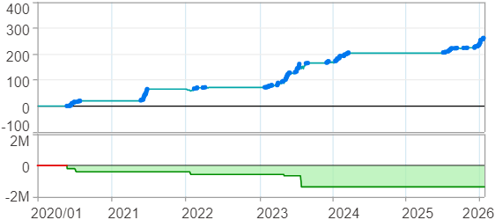

時間加權報酬率圖
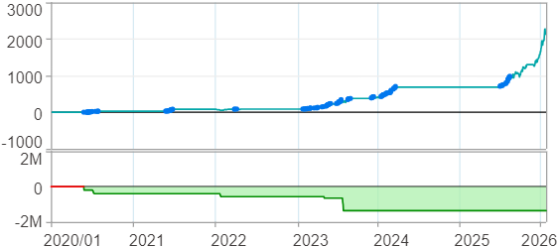

淨利曲線圖

週期分析(日)
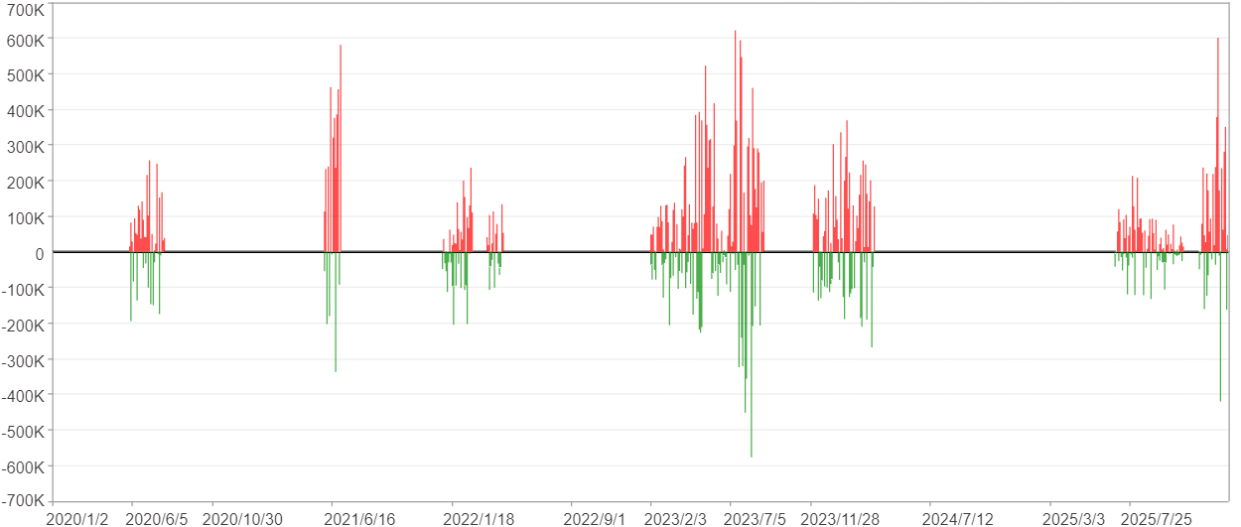
週期分析(日)

項目 | $ | %
淨利/最大投入報酬率 | 19,218,342 | 259.05%
勝率 | 18.98% | 18.98%
最大區間獲利 | 2,583,571 | 18.56%
最大區間虧損 | -930,061 | -4.89%
獲利因子 | 2.19 | 2.19
總交易日數 | 1475 | 1475
獲利交易日數 | 280 | 280
虧損交易日數 | 189 | 189
毛利 | 35,388,156 | 477.01%
毛損 | -16,169,814 | -217.96%
最大單日獲利 | 621,900 | 5.1%
最大單日虧損 | -577,023 | -3.12%
平均單日金額變動 | 13,029 | 0.09%
平均單日獲利金額變動 | 126,386 | 0.84%
平均單日虧損金額變動 | -85,555 | -0.56%
平均單日獲利虧損比 | 1.48 | 1.48
1日 - 31日(總計)(%)
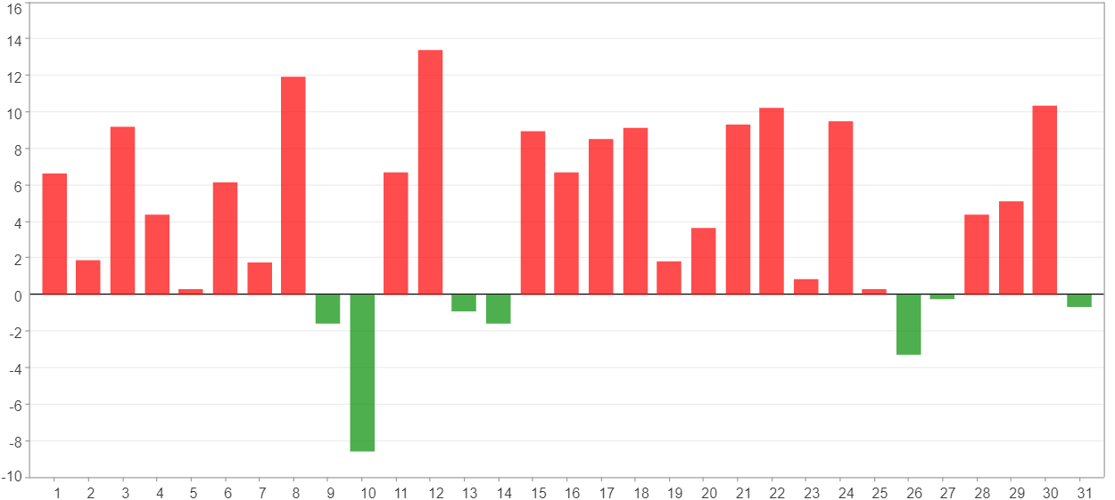

1日 - 31日(平均)(%)
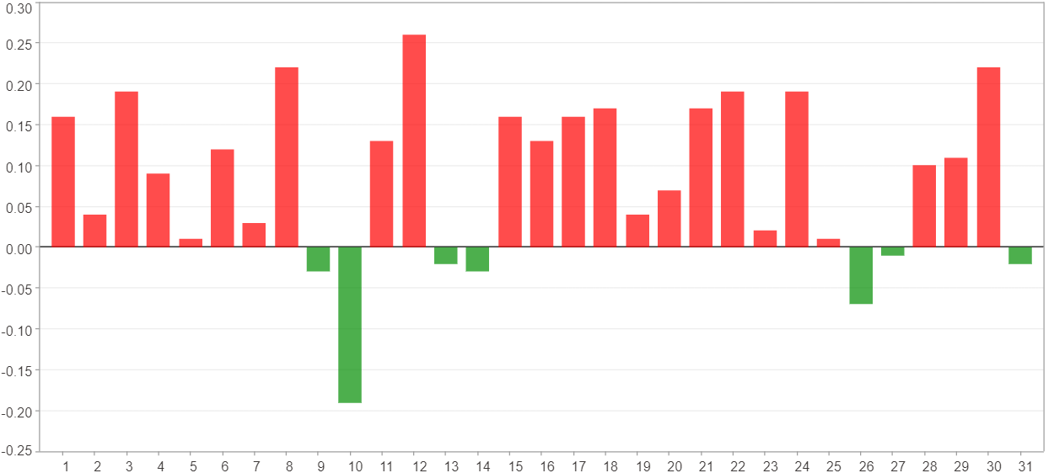

1日 - 31日(總計)($)
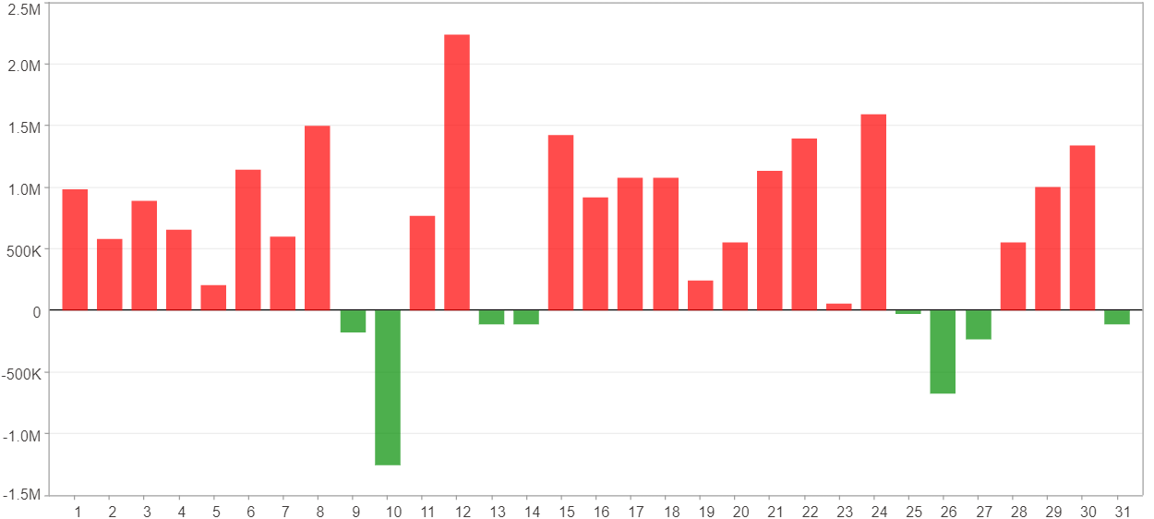

1日 - 31日(平均)($)
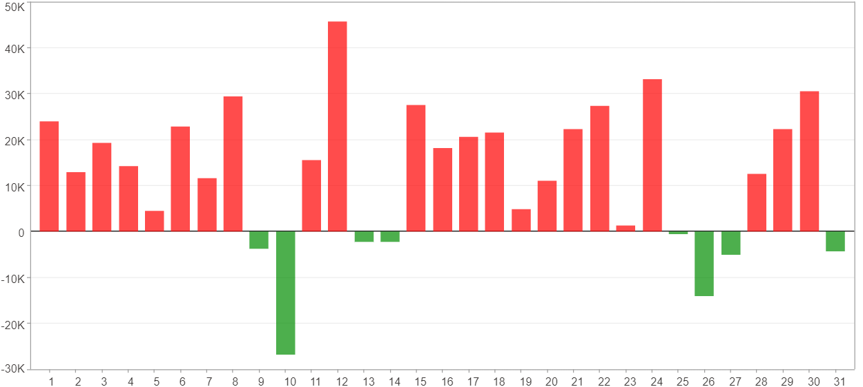

星期一 ~ 星期五(總計)(%)
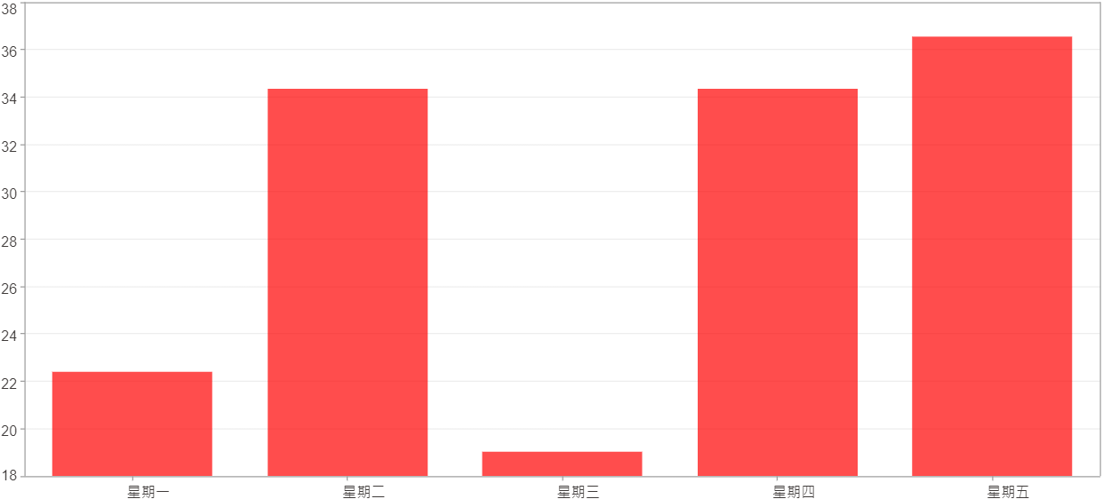

星期一 ~ 星期五(平均)(%)
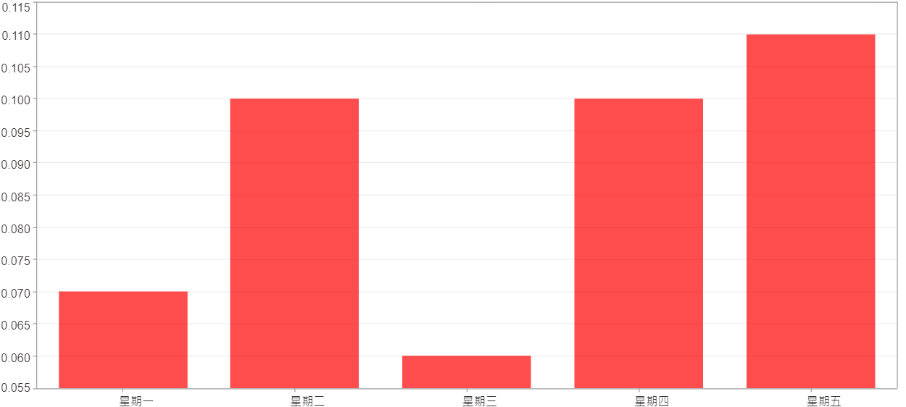

星期一 ~ 星期五(總計)($)
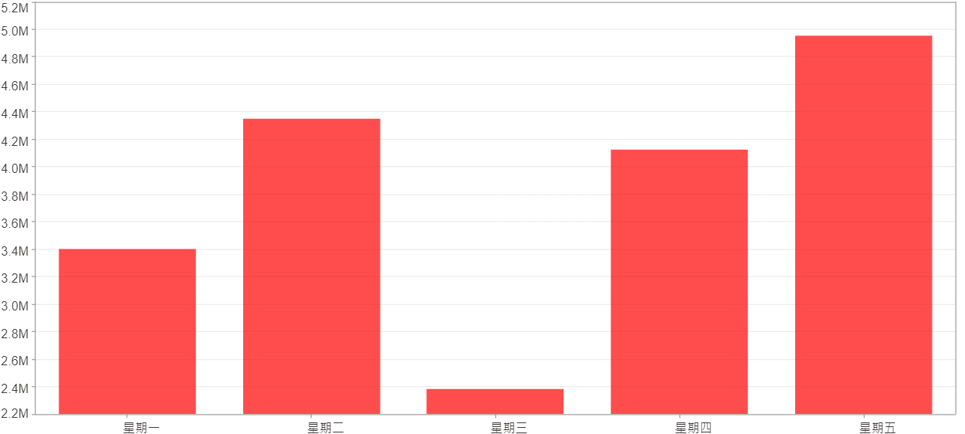

星期一 ~ 星期五(平均)($)
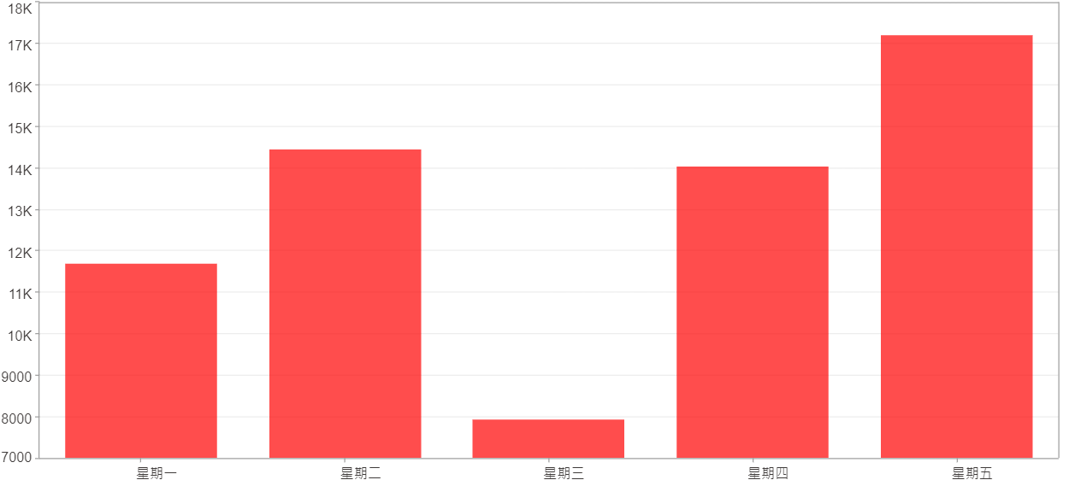

每一日(%)
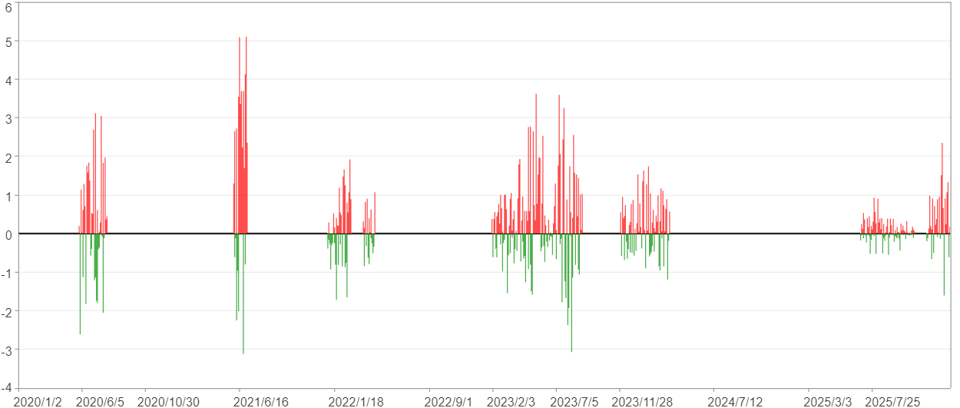

每一日($)

週期分析(月)
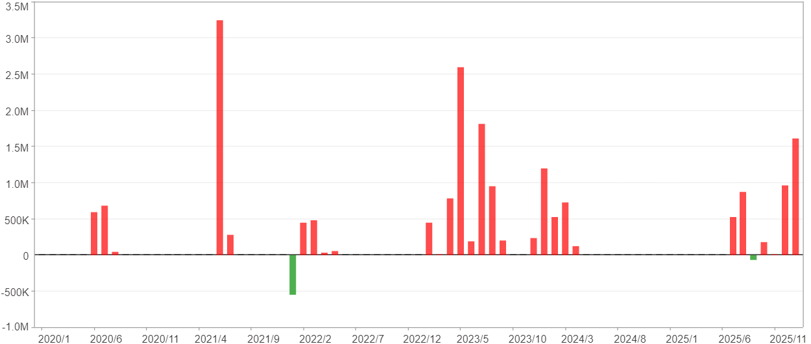
週期分析(月)

項目 | $ | %
淨利/最大投入報酬率 | 19,218,342 | 259.05%
勝率 | 38.36% | 38.36%
最大區間獲利 | 6,979,157 | 54.81%
最大區間虧損 | -547,907 | -4.47%
獲利因子 | 32.46 | 32.46
總交易月數 | 73 | 73
獲利交易月數 | 28 | 28
虧損交易月數 | 2 | 2
毛利 | 19,829,259 | 267.29%
毛損 | -610,917 | -8.23%
最大單月獲利 | 3,244,474 | 37.15%
最大單月虧損 | -547,907 | -4.47%
平均單月金額變動 | 263,265 | 1.77%
平均單月獲利金額變動 | 708,188 | 4.85%
平均單月虧損金額變動 | -305,458 | -2.39%
平均單月獲利虧損比 | 2.32 | 2.32
1月 - 12月(總計)(%)
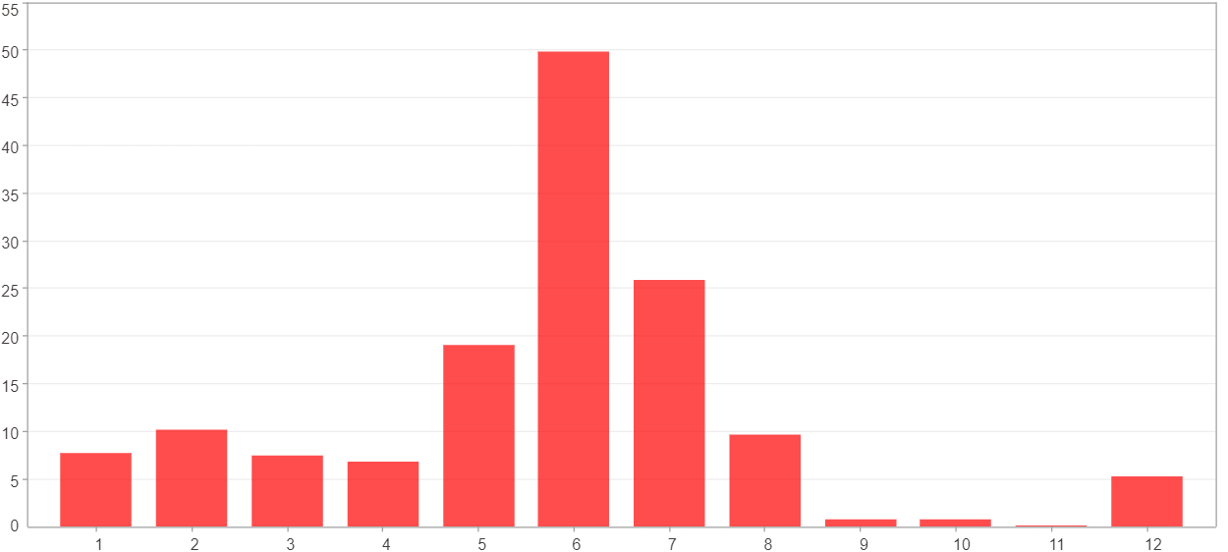

1月 - 12月(總計)($)
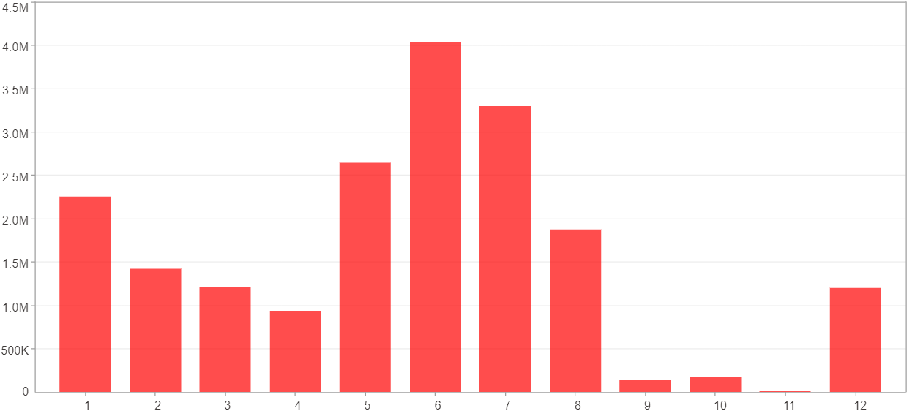

1月 - 12月(平均)(%)
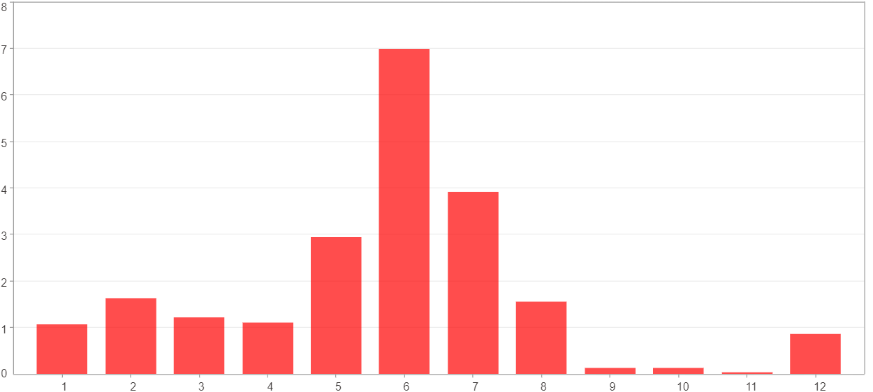

1月 - 12月(平均)($)
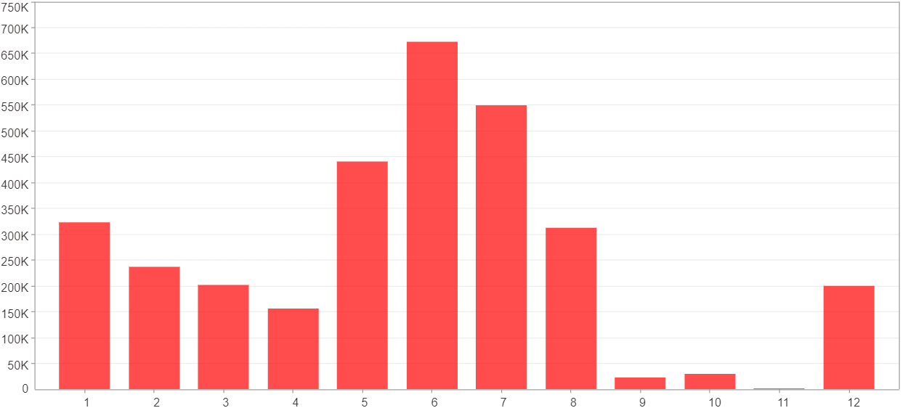

每一月(%)
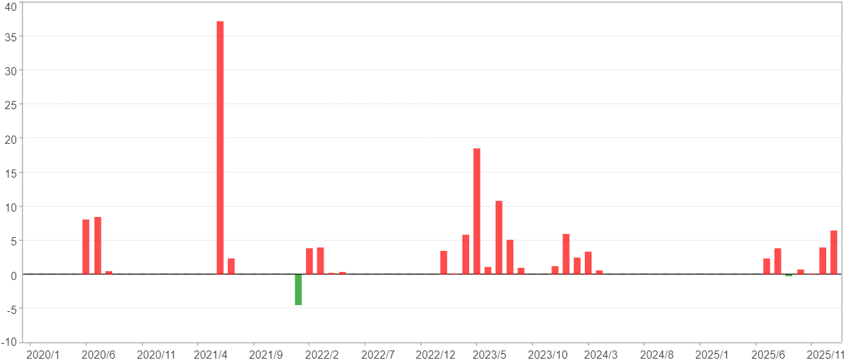

每一月($)

週期分析(季)
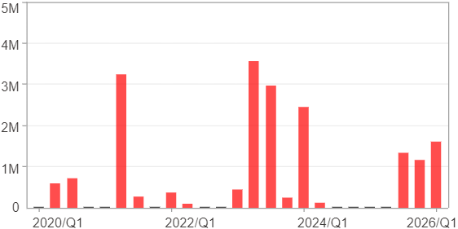
週期分析(季)

項目 | $ | %
淨利/最大投入報酬率 | 19,218,342 | 259.05%
勝率 | 60% | 60%
最大區間獲利 | 9,792,682 | 76.9%
最大區間虧損 | 0 | 0%
獲利因子 | 0 | 0
總交易季數 | 25 | 25
獲利交易季數 | 15 | 15
虧損交易季數 | 0 | 0
毛利 | 19,218,342 | 259.05%
毛損 | 0 | 0%
最大單季獲利 | 3,563,719 | 37.15%
最大單季虧損 | 0 | 0%
平均單季金額變動 | 768,734 | 5.25%
平均單季獲利金額變動 | 1,281,223 | 8.9%
平均單季虧損金額變動 | 0 | 0%
平均單季獲利虧損比 | 0 | 0
第一季 ~ 第四季(總計)(%)
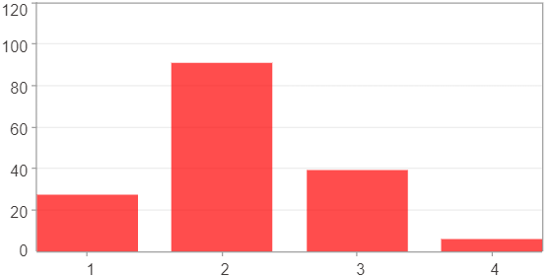

第一季 ~ 第四季(總計)($)
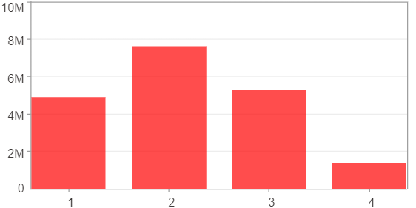

第一季 ~ 第四季(平均)(%)
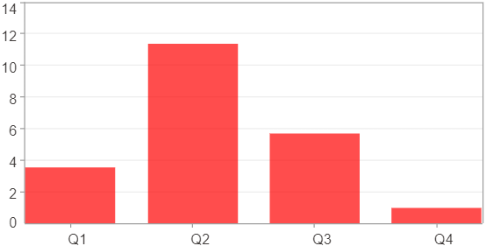

第一季 ~ 第四季(平均)($)
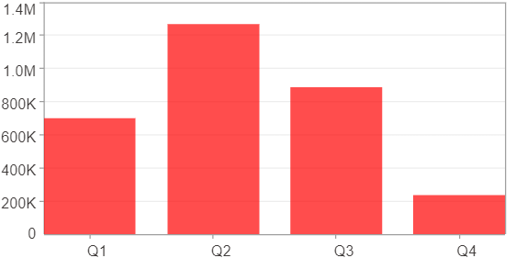

每一季(%)
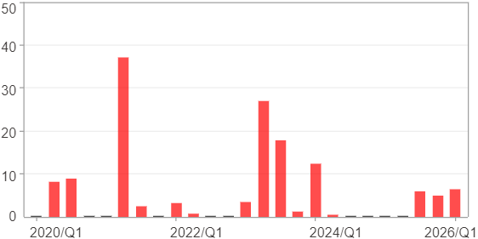

每一季($)

週期分析(年)
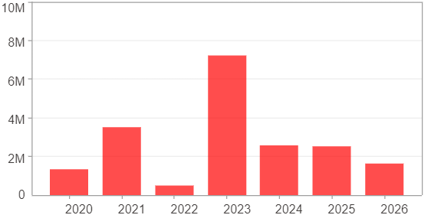
週期分析(年)

項目 | $ | %
淨利/最大投入報酬率 | 19,218,342 | 259.05%
勝率 | 100% | 100%
最大區間獲利 | 19,218,342 | 259.05%
最大區間虧損 | 0 | 0%
獲利因子 | 0 | 0
總交易年數 | 7 | 7
獲利交易年數 | 7 | 7
虧損交易年數 | 0 | 0
毛利 | 19,218,342 | 259.05%
毛損 | 0 | 0%
最大單年獲利 | 7,215,944 | 56.67%
最大單年虧損 | 472,422 | 3.85%
平均單年金額變動 | 2,745,477 | 20.04%
平均單年獲利金額變動 | 2,745,477 | 20.04%
平均單年虧損金額變動 | 0 | 0%
平均單年獲利虧損比 | 0 | 0
每一年(%)
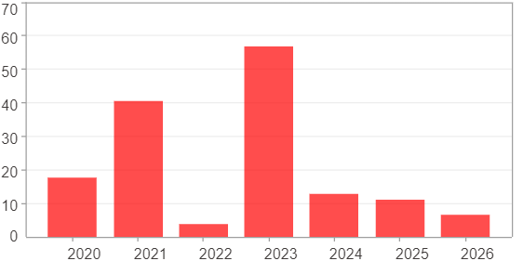

每一年($)

