整體統計
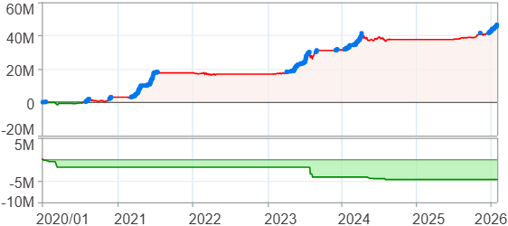
回測整體統計

回測資料範圍 | 2020/01/01 - 2026/01/29 (日資料) (逐筆洗價)
執行商品個數 | 100(成功)0(失敗)
回測執行時間 | 2026/01/29 17:51 (總時間: 21秒, 準備時間 0秒, 回測時間: 21秒)
交易腳本 | 260129_強勢股加碼-歸因分析
初始資金 | 1000萬元
交易費用 | 股票0.2%(成交金額)、期貨 100 元(口)

項目 | 全部 |  | 做多 |  | 做空
淨利 | 46,229,055 | 462.29% | 46,229,055 | 462.29% | 0 | 0.00%
毛利 | 49,651,963 | 496.52% | 49,651,963 | 496.52% | 0 | 0.00%
獲利因子 | 14.51 |  | 14.51 |  | n/a
毛損 | -3,422,912 | -34.23% | -3,422,912 | -34.23% | 0 | 0.00%
總交易成本 | 529,735 | 5.30% | 529,735 | 5.30% | 0 | 0.00%
最大投入金額 | 8,571,606 |  | 8,571,606 |  | 12,359,150
總交易次數 | 166 |  | 166 |  | 0
獲利交易次數 | 118 |  | 118 |  | 0
勝率 | 71.08% |  | 71.08% |  | 0.00%
虧損交易次數 | 48 |  | 48 |  | 0
平均交易 | 278,488 | 2.78% | 278,488 | 2.78% | 0 | 0.00%
平均獲利交易 | 420,779 | 4.21% | 420,779 | 4.21% | 0 | 0.00%
平均獲利虧損比 | 5.90 |  | 5.90 |  | 0.00
平均虧損交易 | -71,311 | -0.71% | -71,311 | -0.71% | 0 | 0.00%
最大獲利交易 | 4,559,008 | 45.59% | 4,559,008 | 45.59% | 0 | 0.00%
最大虧損交易 | -316,225 | -3.16% | -316,225 | -3.16% | 0 | 0.00%
最大區間獲利 | 48,107,517 | 481.08% | 48,107,517 | 481.08% | 48,107,517 | 481.08%
最大區間虧損 | -4,697,653 | -46.98% | -4,697,653 | -46.98% | -4,697,653 | -46.98%
全部交易的平均持倉K線根數 | 49.46 |  | 49.46 |  | 0.00
獲利交易的平均持倉K線根數 | 55.28 |  | 55.28 |  | 0.00
回測K線根數 | 1479 |  | 1479 |  | 1479
虧損交易的平均持倉K線根數 | 35.15 |  | 35.15 |  | 0.00
時間加權報酬 | 555,029,326 | 5550.29% | 555,029,326 | 5550.29% | 0 | 0.00%
最大投入報酬率 | 46,229,055 | 539.33% | 46,229,055 | 539.33% | 0 | 0.00%
買進持有報酬 | 52,711,948 | 527.12% | 52,711,948 | 527.12% | 52,711,948 | 527.12%
大盤指數報酬 | 23,106,999 | 231.07% | 23,106,999 | 231.07% | 23,106,999 | 231.07%

執行失敗商品
商品名稱 | 狀態 | 說明

最大持倉報酬率圖
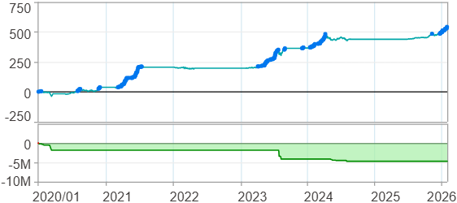

時間加權報酬率圖
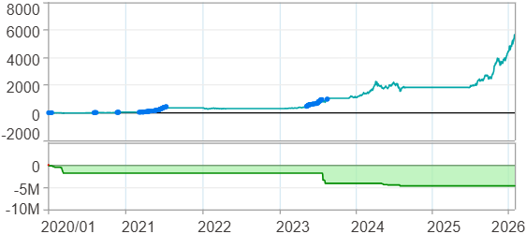

淨利曲線圖

週期分析(日)
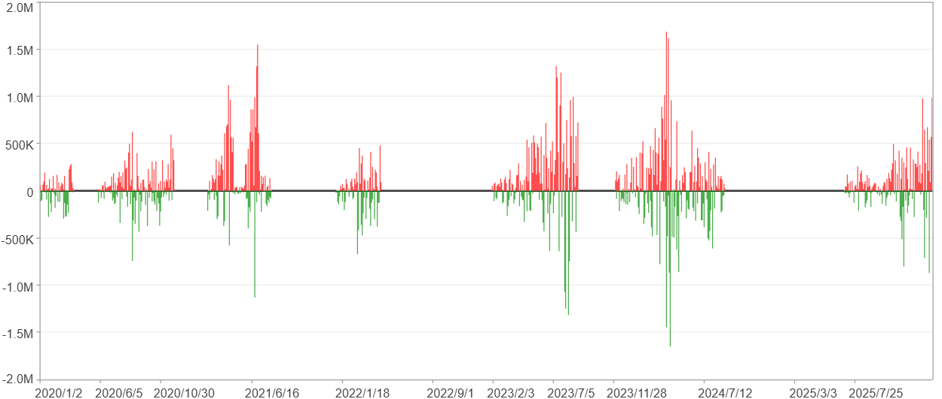
週期分析(日)

項目 | $ | %
淨利/最大投入報酬率 | 46,227,481 | 539.31%
勝率 | 34.08% | 34.08%
最大區間獲利 | 4,220,838 | 22.77%
最大區間虧損 | -3,387,482 | -16.68%
獲利因子 | 1.73 | 1.73
總交易日數 | 1479 | 1479
獲利交易日數 | 504 | 504
虧損交易日數 | 335 | 335
毛利 | 109,648,385 | 1279.2%
毛損 | -63,420,904 | -739.9%
最大單日獲利 | 1,683,351 | 7.37%
最大單日虧損 | -1,649,376 | -7.14%
平均單日金額變動 | 31,256 | 0.13%
平均單日獲利金額變動 | 217,556 | 0.92%
平均單日虧損金額變動 | -189,316 | -0.82%
平均單日獲利虧損比 | 1.15 | 1.15
1日 - 31日(總計)(%)
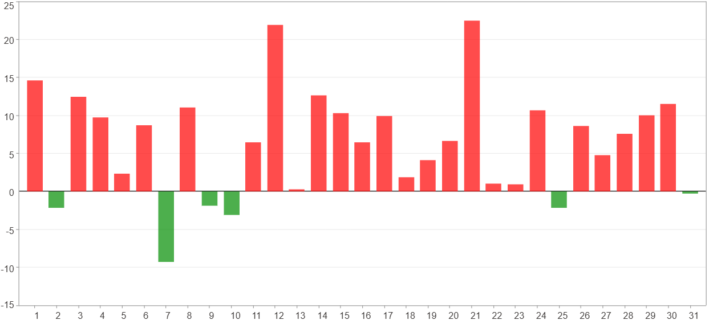

1日 - 31日(平均)(%)
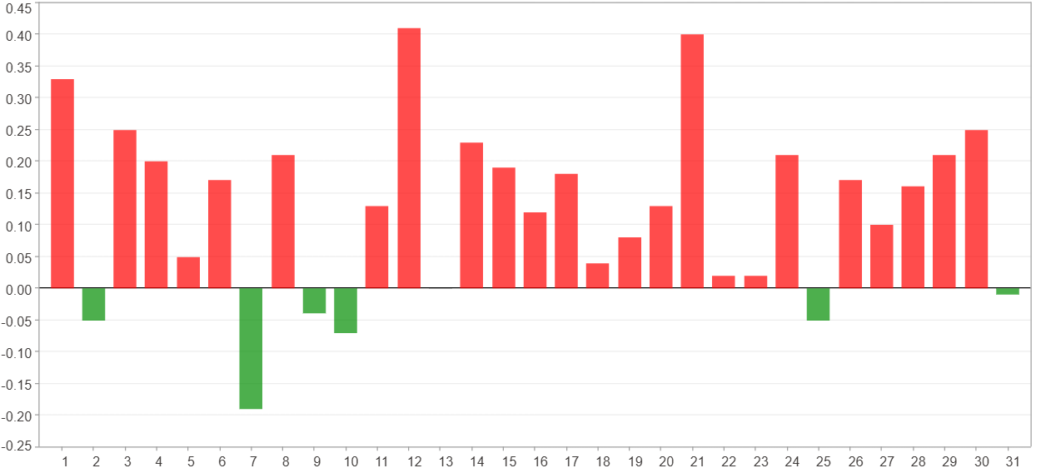

1日 - 31日(總計)($)
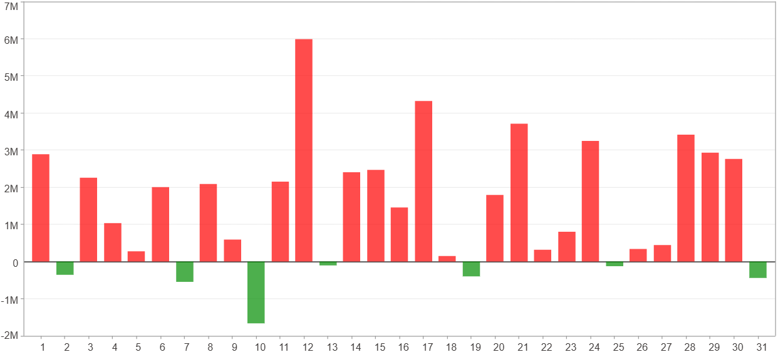

1日 - 31日(平均)($)
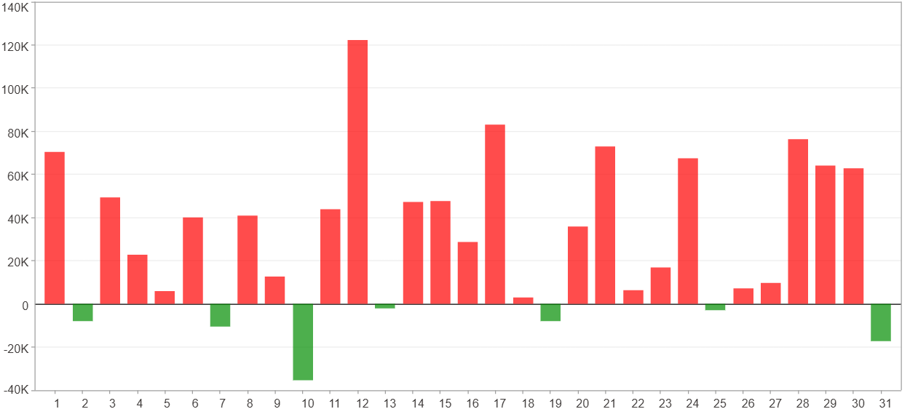

星期一 ~ 星期五(總計)(%)
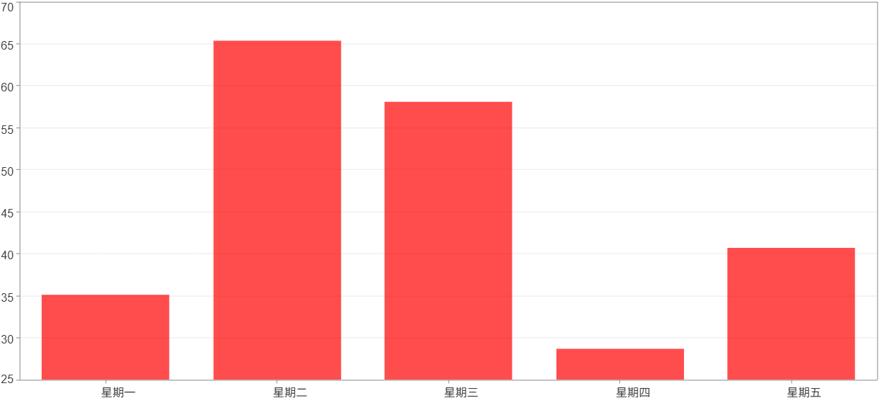

星期一 ~ 星期五(平均)(%)
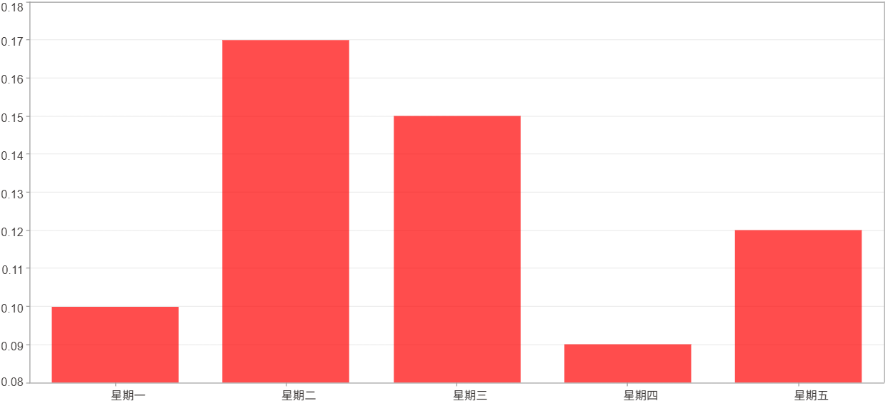

星期一 ~ 星期五(總計)($)
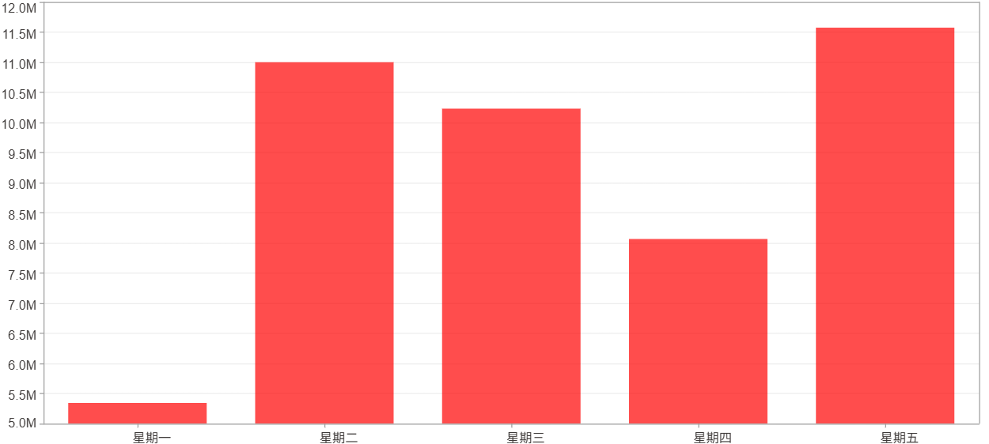

星期一 ~ 星期五(平均)($)
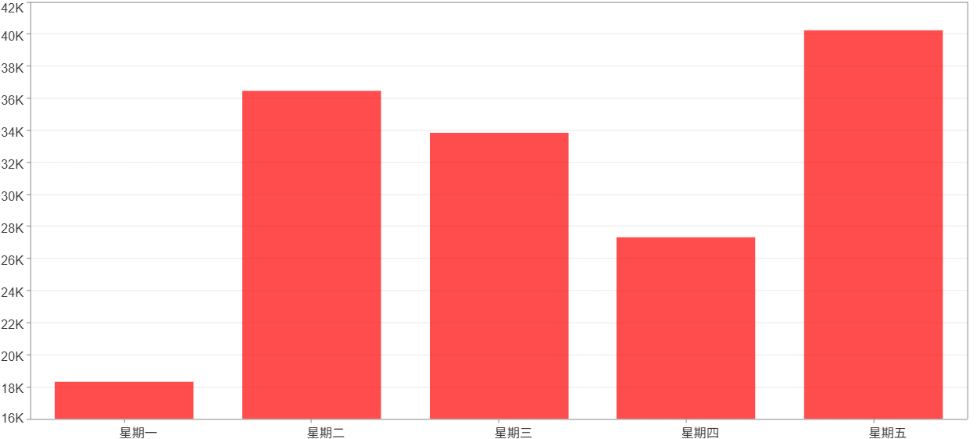

每一日(%)
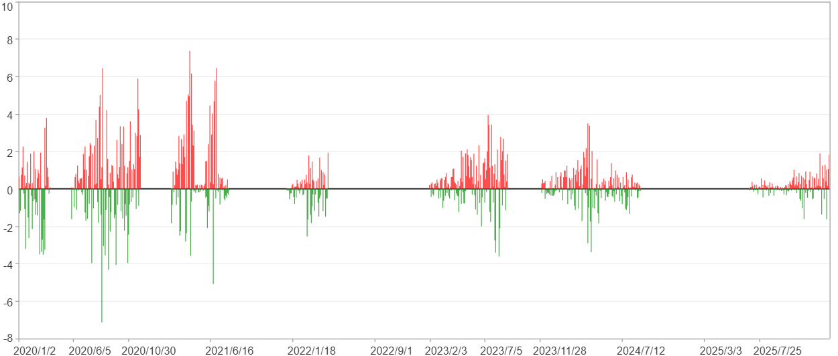

每一日($)

週期分析(月)
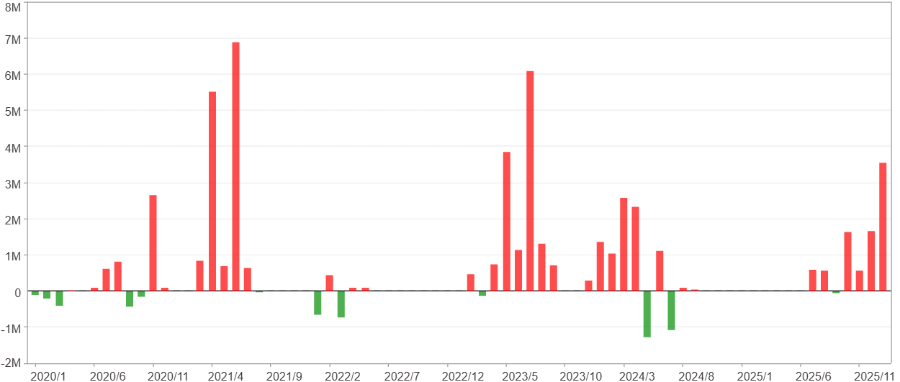
週期分析(月)

項目 | $ | %
淨利/最大投入報酬率 | 46,227,481 | 539.31%
勝率 | 47.95% | 47.95%
最大區間獲利 | 14,604,543 | 125.73%
最大區間虧損 | -1,278,608 | -8.01%
獲利因子 | 9.96 | 9.96
總交易月數 | 73 | 73
獲利交易月數 | 35 | 35
虧損交易月數 | 12 | 12
毛利 | 51,386,371 | 599.5%
毛損 | -5,158,890 | -60.19%
最大單月獲利 | 6,894,629 | 44.37%
最大單月虧損 | -1,278,608 | -4.7%
平均單月金額變動 | 633,253 | 2.57%
平均單月獲利金額變動 | 1,468,182 | 6.22%
平均單月虧損金額變動 | -429,907 | -2.11%
平均單月獲利虧損比 | 3.42 | 3.42
1月 - 12月(總計)(%)
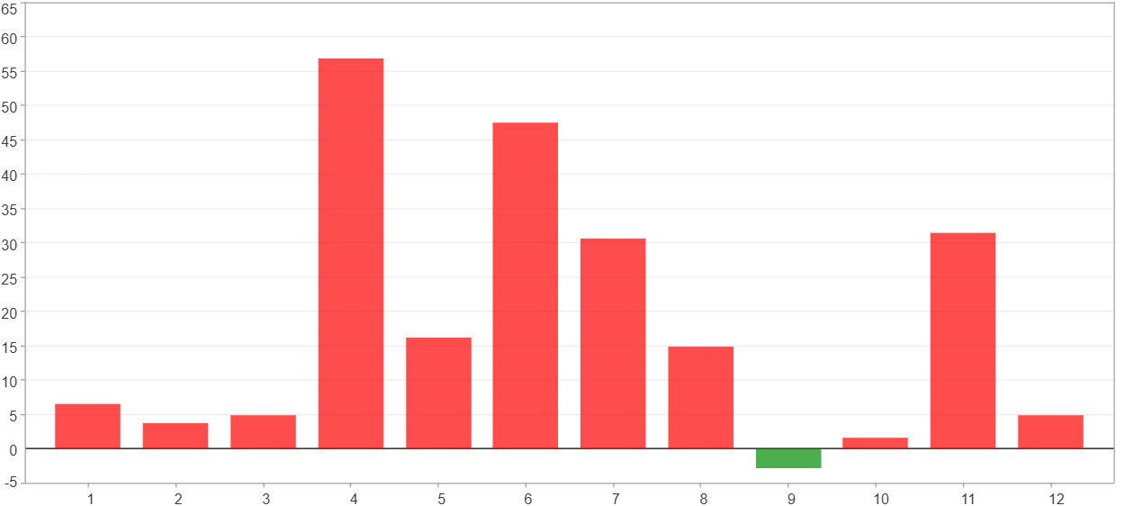

1月 - 12月(總計)($)
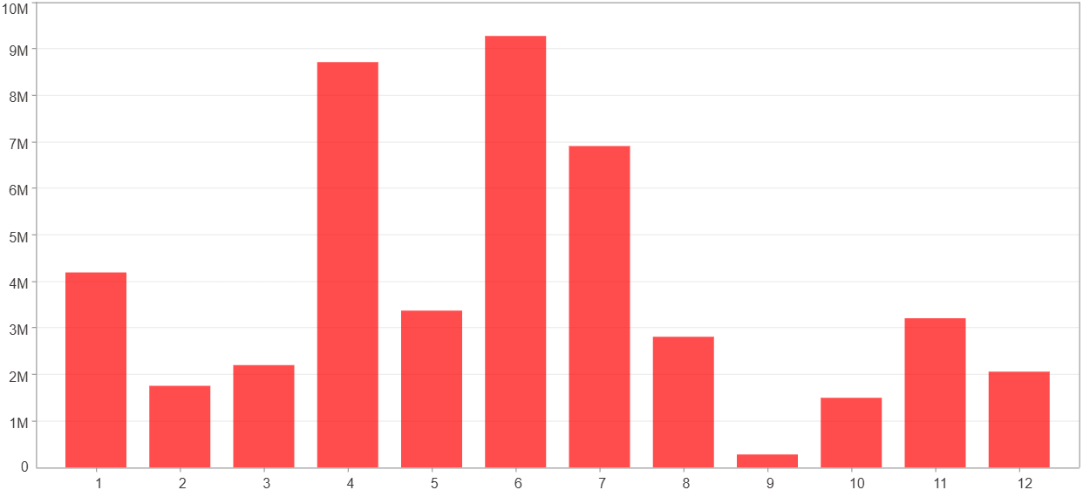

1月 - 12月(平均)(%)
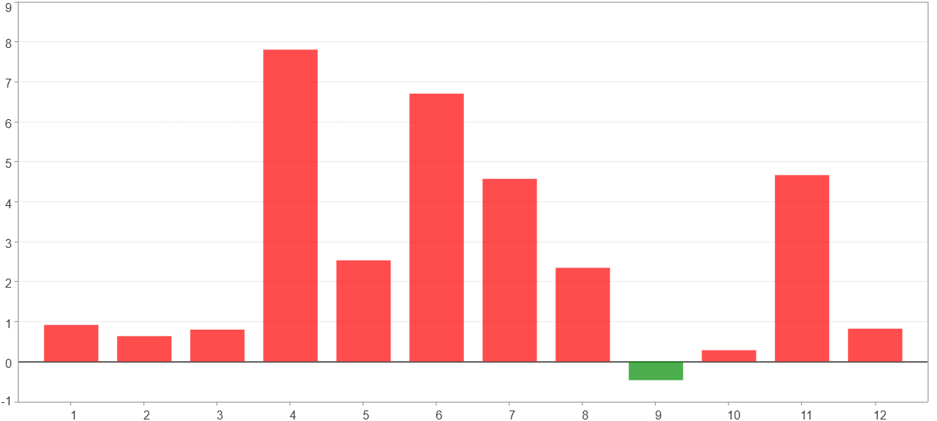

1月 - 12月(平均)($)
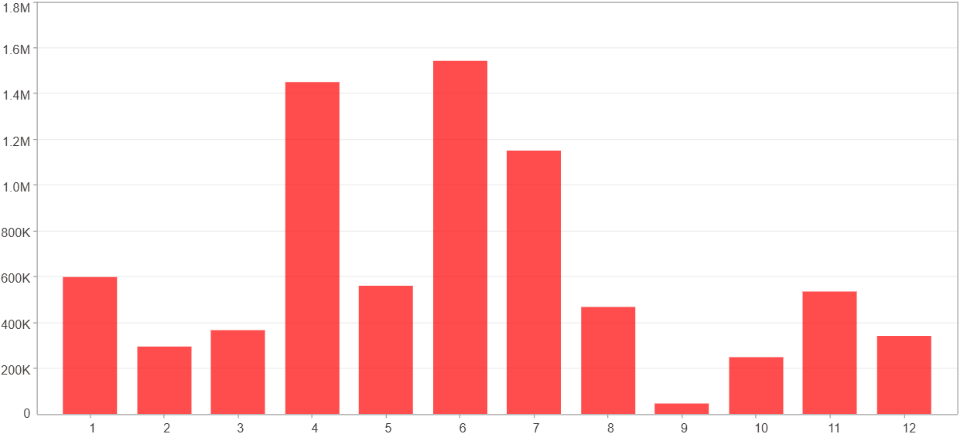

每一月(%)
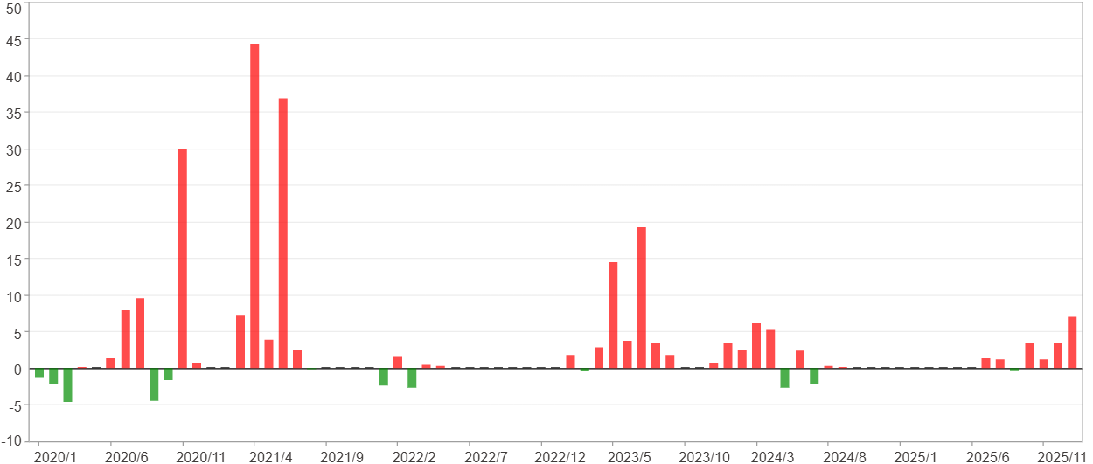

每一月($)

週期分析(季)
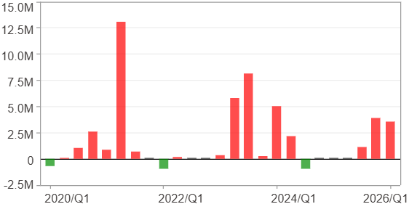
週期分析(季)

項目 | $ | %
淨利/最大投入報酬率 | 46,227,481 | 539.31%
勝率 | 64% | 64%
最大區間獲利 | 21,688,304 | 232.46%
最大區間虧損 | -945,088 | -8.01%
獲利因子 | 19.08 | 19.08
總交易季數 | 25 | 25
獲利交易季數 | 16 | 16
虧損交易季數 | 3 | 3
毛利 | 48,783,872 | 569.13%
毛損 | -2,556,391 | -29.82%
最大單季獲利 | 13,112,862 | 105.32%
最大單季虧損 | -945,088 | -8.01%
平均單季金額變動 | 1,849,099 | 7.7%
平均單季獲利金額變動 | 3,048,992 | 13.28%
平均單季虧損金額變動 | -852,130 | -4.55%
平均單季獲利虧損比 | 3.58 | 3.58
第一季 ~ 第四季(總計)(%)
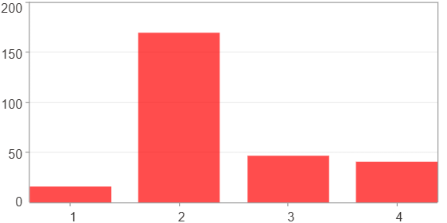

第一季 ~ 第四季(總計)($)
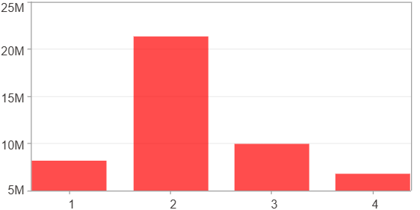

第一季 ~ 第四季(平均)(%)
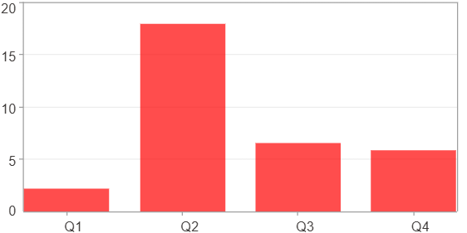

第一季 ~ 第四季(平均)($)
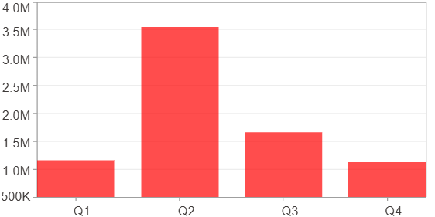

每一季(%)
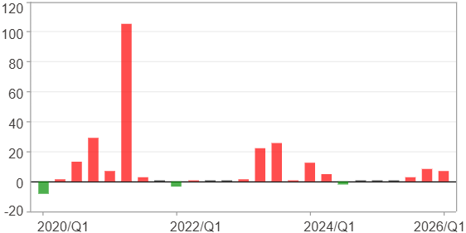

每一季($)

週期分析(年)
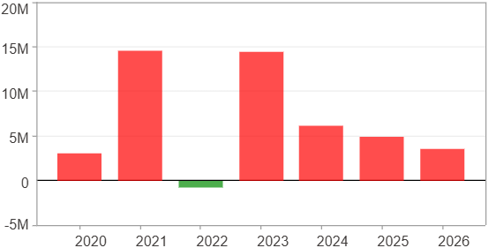
週期分析(年)

項目 | $ | %
淨利/最大投入報酬率 | 46,227,481 | 539.31%
勝率 | 85.71% | 85.71%
最大區間獲利 | 29,316,786 | 205.84%
最大區間虧損 | -733,482 | -2.8%
獲利因子 | 64.02 | 64.02
總交易年數 | 7 | 7
獲利交易年數 | 6 | 6
虧損交易年數 | 1 | 1
毛利 | 46,960,963 | 547.87%
毛損 | -733,482 | -8.56%
最大單年獲利 | 14,600,151 | 125.69%
最大單年虧損 | -733,482 | -2.8%
平均單年金額變動 | 6,603,926 | 30.35%
平均單年獲利金額變動 | 7,826,827 | 36.88%
平均單年虧損金額變動 | -733,482 | -2.8%
平均單年獲利虧損比 | 10.67 | 10.67
每一年(%)
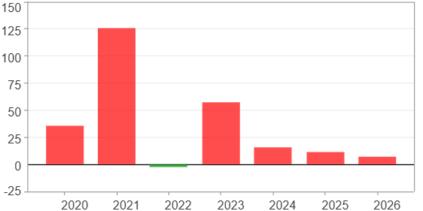

每一年($)

