整體統計
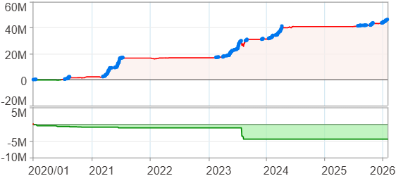
回測整體統計

回測資料範圍 | 2020/01/01 - 2026/01/29 (日資料) (逐筆洗價)
執行商品個數 | 100(成功)0(失敗)
回測執行時間 | 2026/01/29 17:53 (總時間: 1分10秒, 準備時間 1秒, 回測時間: 1分9秒)
交易腳本 | 260129_強勢股加碼-歸因分析
初始資金 | 1000萬元
交易費用 | 股票0.2%(成交金額)、期貨 100 元(口)

項目 | 全部 |  | 做多 |  | 做空
淨利 | 46,256,919 | 462.57% | 46,256,919 | 462.57% | 0 | 0.00%
毛利 | 48,960,012 | 489.60% | 48,960,012 | 489.60% | 0 | 0.00%
獲利因子 | 18.11 |  | 18.11 |  | n/a
毛損 | -2,703,098 | -27.03% | -2,703,098 | -27.03% | 0 | 0.00%
總交易成本 | 545,863 | 5.46% | 545,863 | 5.46% | 0 | 0.00%
最大投入金額 | 9,479,218 |  | 9,479,218 |  | 12,359,150
總交易次數 | 169 |  | 169 |  | 0
獲利交易次數 | 124 |  | 124 |  | 0
勝率 | 73.37% |  | 73.37% |  | 0.00%
虧損交易次數 | 45 |  | 45 |  | 0
平均交易 | 273,710 | 2.74% | 273,710 | 2.74% | 0 | 0.00%
平均獲利交易 | 394,839 | 3.95% | 394,839 | 3.95% | 0 | 0.00%
平均獲利虧損比 | 6.57 |  | 6.57 |  | 0.00
平均虧損交易 | -60,069 | -0.60% | -60,069 | -0.60% | 0 | 0.00%
最大獲利交易 | 4,559,008 | 45.59% | 4,559,008 | 45.59% | 0 | 0.00%
最大虧損交易 | -433,291 | -4.33% | -433,291 | -4.33% | 0 | 0.00%
最大區間獲利 | 46,867,897 | 468.68% | 46,867,897 | 468.68% | 46,867,897 | 468.68%
最大區間虧損 | -4,506,248 | -45.06% | -4,506,248 | -45.06% | -4,506,248 | -45.06%
全部交易的平均持倉K線根數 | 32.34 |  | 32.34 |  | 0.00
獲利交易的平均持倉K線根數 | 36.63 |  | 36.63 |  | 0.00
回測K線根數 | 1479 |  | 1479 |  | 1479
虧損交易的平均持倉K線根數 | 20.53 |  | 20.53 |  | 0.00
時間加權報酬 | 702,035,509 | 7020.36% | 702,035,509 | 7020.36% | 0 | 0.00%
最大投入報酬率 | 46,256,919 | 487.98% | 46,256,919 | 487.98% | 0 | 0.00%
買進持有報酬 | 52,711,948 | 527.12% | 52,711,948 | 527.12% | 52,711,948 | 527.12%
大盤指數報酬 | 23,106,999 | 231.07% | 23,106,999 | 231.07% | 23,106,999 | 231.07%

執行失敗商品
商品名稱 | 狀態 | 說明

最大持倉報酬率圖
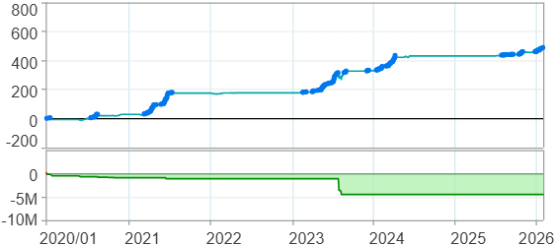

時間加權報酬率圖
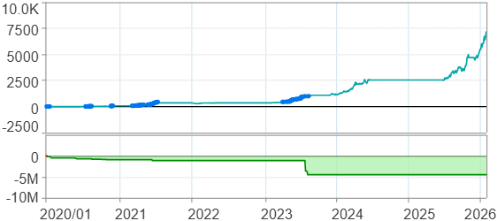

淨利曲線圖

週期分析(日)
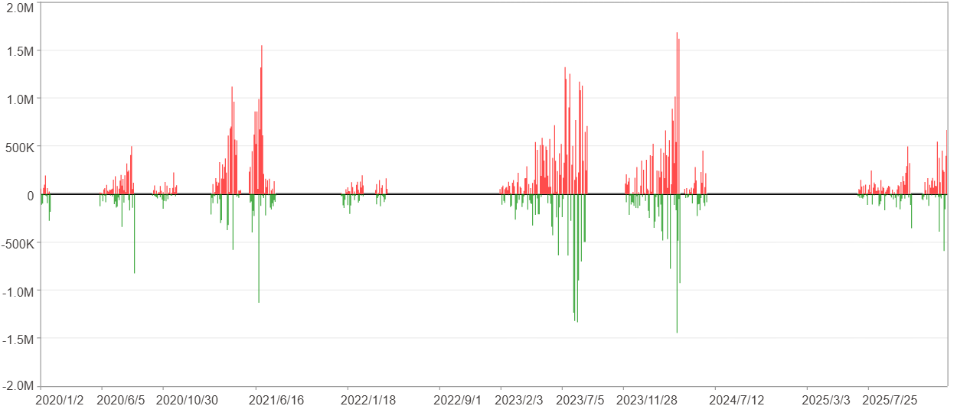
週期分析(日)

項目 | $ | %
淨利/最大投入報酬率 | 46,255,700 | 487.97%
勝率 | 26.84% | 26.84%
最大區間獲利 | 4,220,838 | 22.77%
最大區間虧損 | -3,616,450 | -9.15%
獲利因子 | 2.15 | 2.15
總交易日數 | 1479 | 1479
獲利交易日數 | 397 | 397
虧損交易日數 | 268 | 268
毛利 | 86,529,182 | 912.83%
毛損 | -40,273,482 | -424.86%
最大單日獲利 | 1,683,351 | 7.37%
最大單日虧損 | -1,447,328 | -7.05%
平均單日金額變動 | 31,275 | 0.12%
平均單日獲利金額變動 | 217,958 | 0.84%
平均單日虧損金額變動 | -150,274 | -0.57%
平均單日獲利虧損比 | 1.45 | 1.45
1日 - 31日(總計)(%)
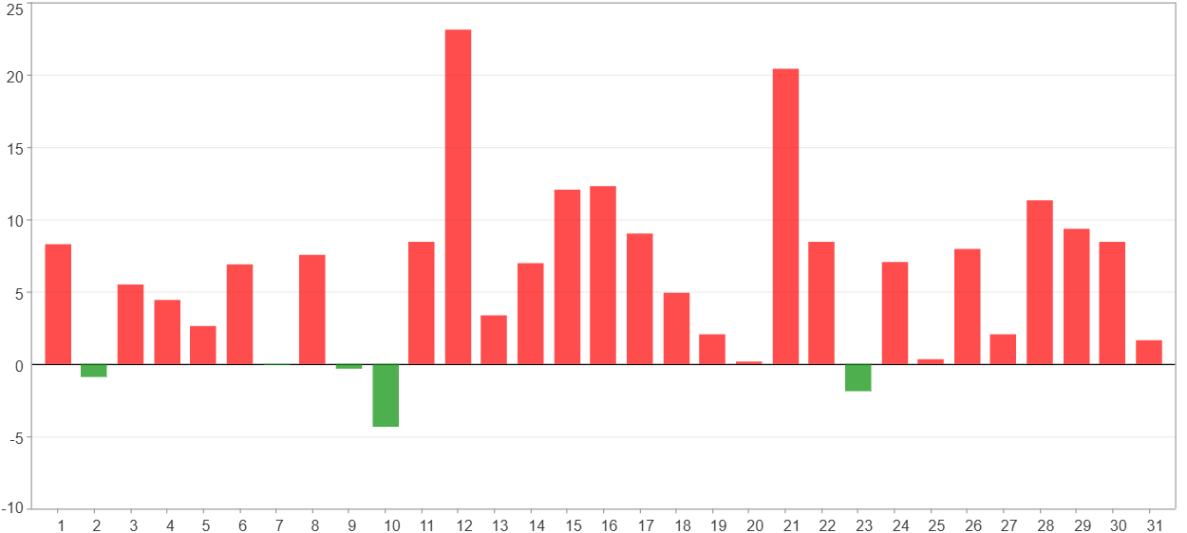

1日 - 31日(平均)(%)
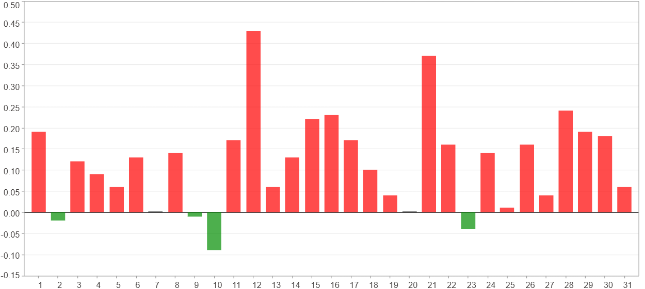

1日 - 31日(總計)($)
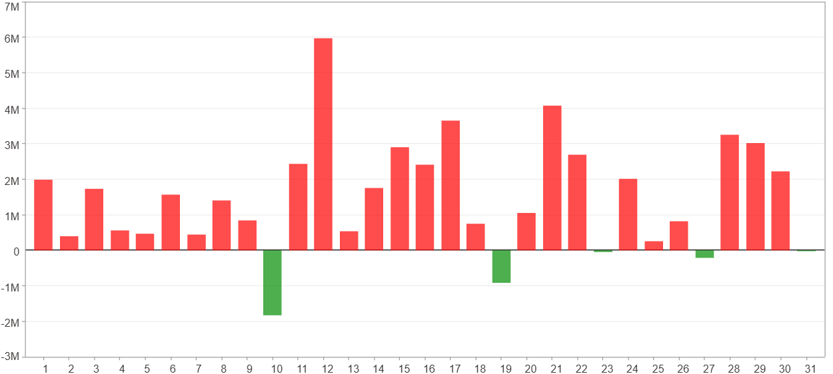

1日 - 31日(平均)($)
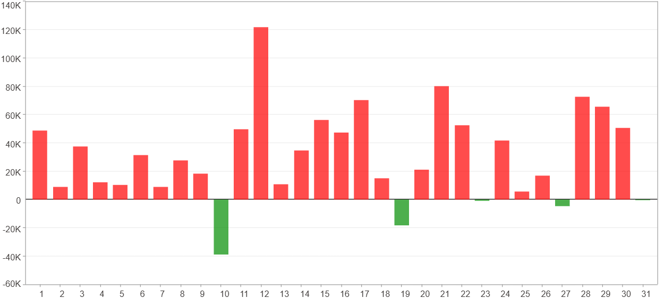

星期一 ~ 星期五(總計)(%)
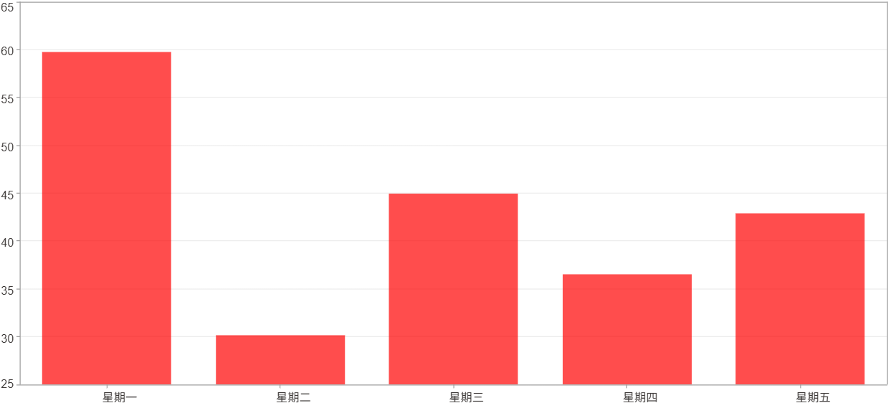

星期一 ~ 星期五(平均)(%)
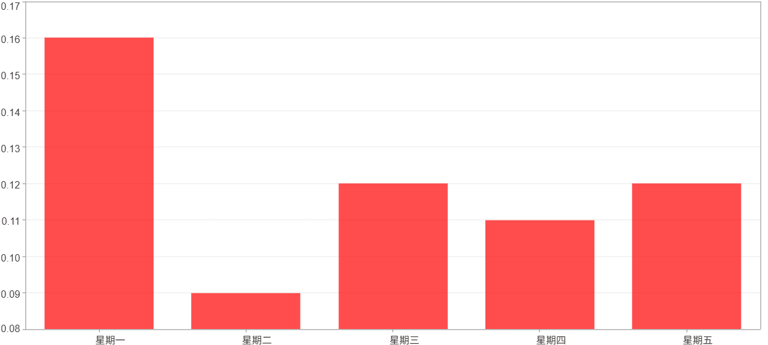

星期一 ~ 星期五(總計)($)
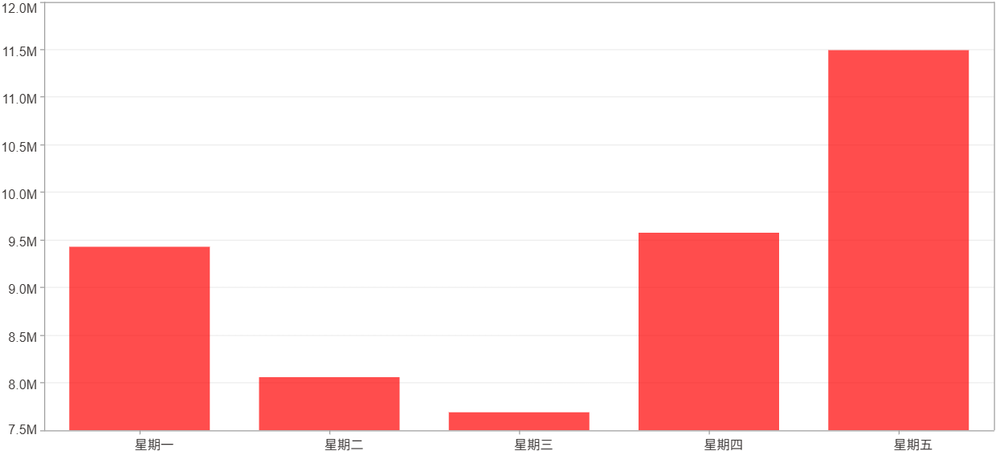

星期一 ~ 星期五(平均)($)
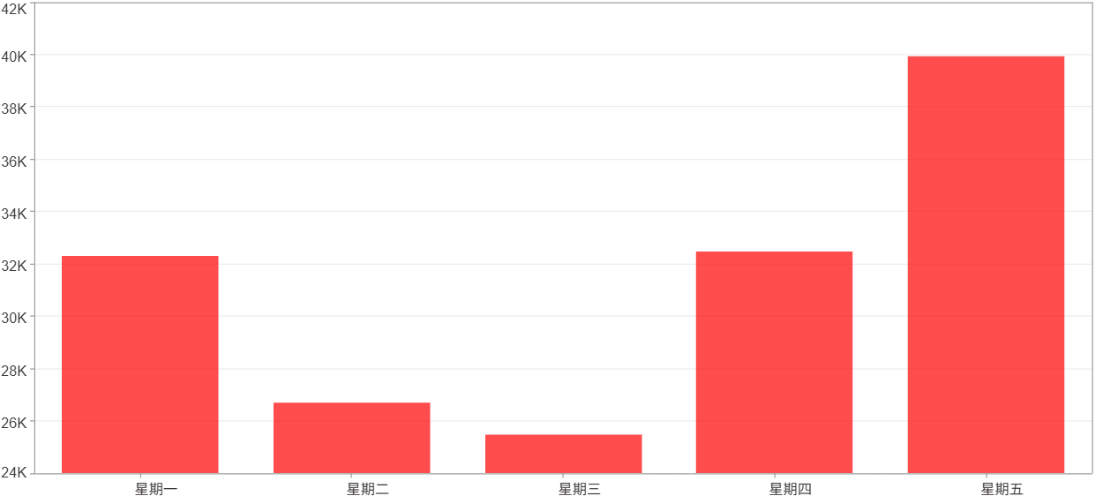

每一日(%)
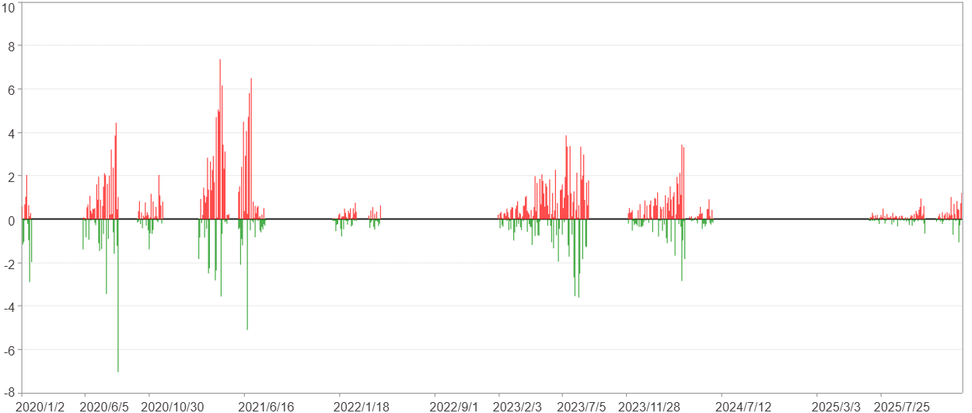

每一日($)

週期分析(月)
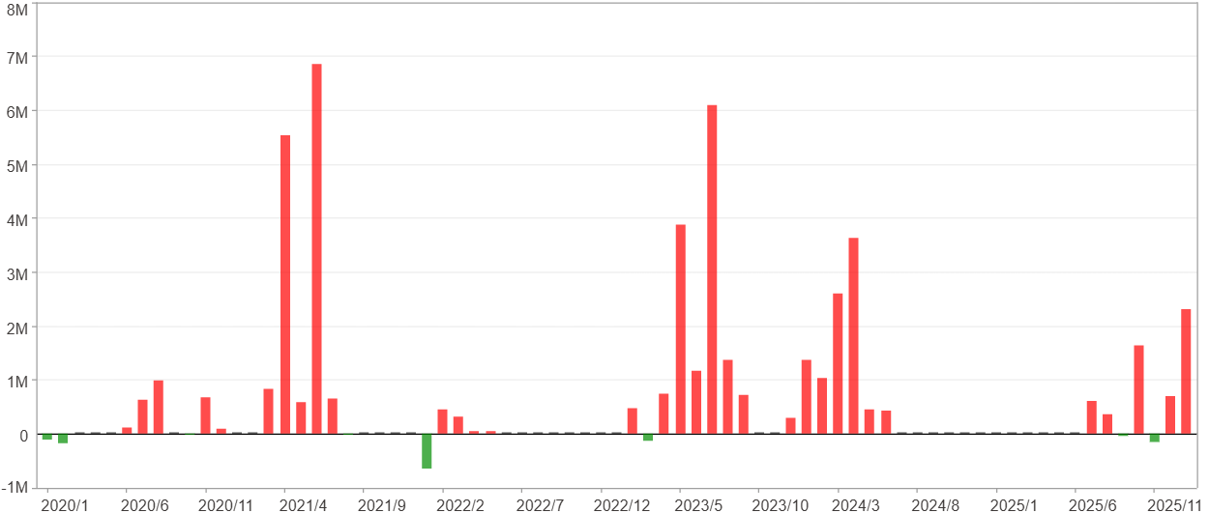
週期分析(月)

項目 | $ | %
淨利/最大投入報酬率 | 46,255,700 | 487.97%
勝率 | 45.21% | 45.21%
最大區間獲利 | 14,462,330 | 124.51%
最大區間虧損 | -646,062 | -3.11%
獲利因子 | 36.52 | 36.52
總交易月數 | 73 | 73
獲利交易月數 | 33 | 33
虧損交易月數 | 8 | 8
毛利 | 47,558,064 | 501.71%
毛損 | -1,302,364 | -13.74%
最大單月獲利 | 6,853,879 | 44.37%
最大單月虧損 | -646,062 | -2.48%
平均單月金額變動 | 633,640 | 2.46%
平均單月獲利金額變動 | 1,441,153 | 5.73%
平均單月虧損金額變動 | -162,795 | -0.85%
平均單月獲利虧損比 | 8.85 | 8.85
1月 - 12月(總計)(%)
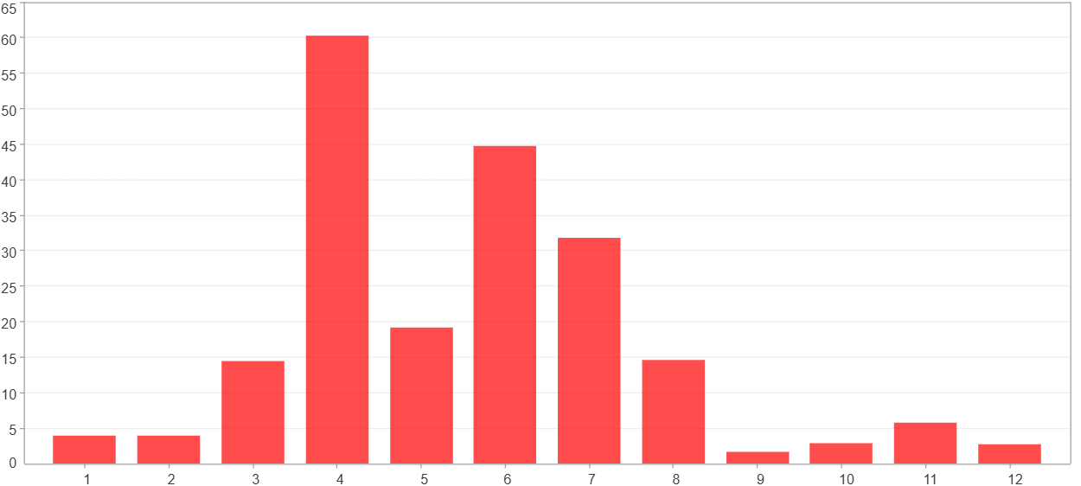

1月 - 12月(總計)($)
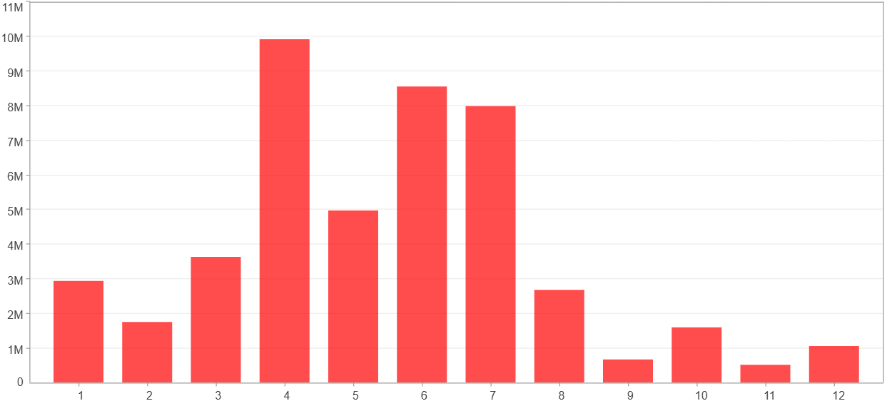

1月 - 12月(平均)(%)
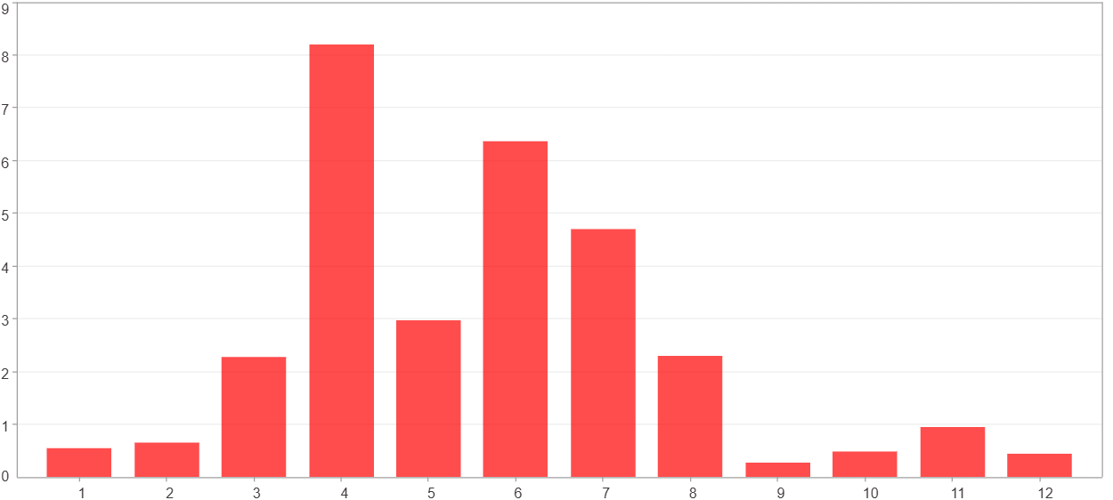

1月 - 12月(平均)($)
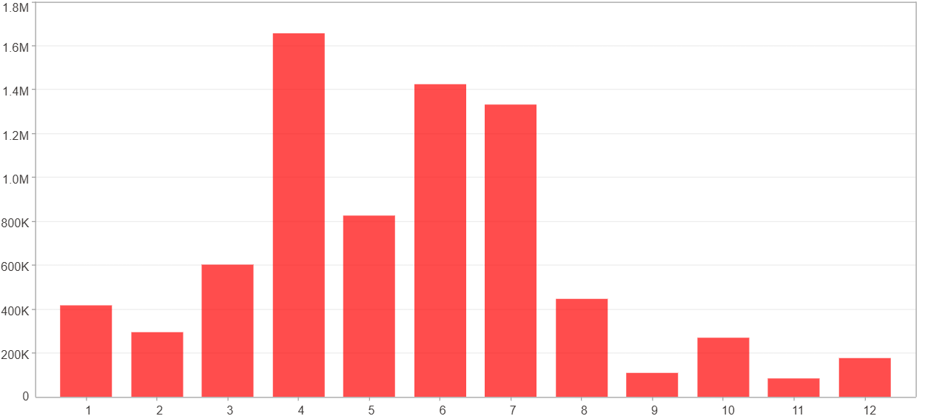

每一月(%)
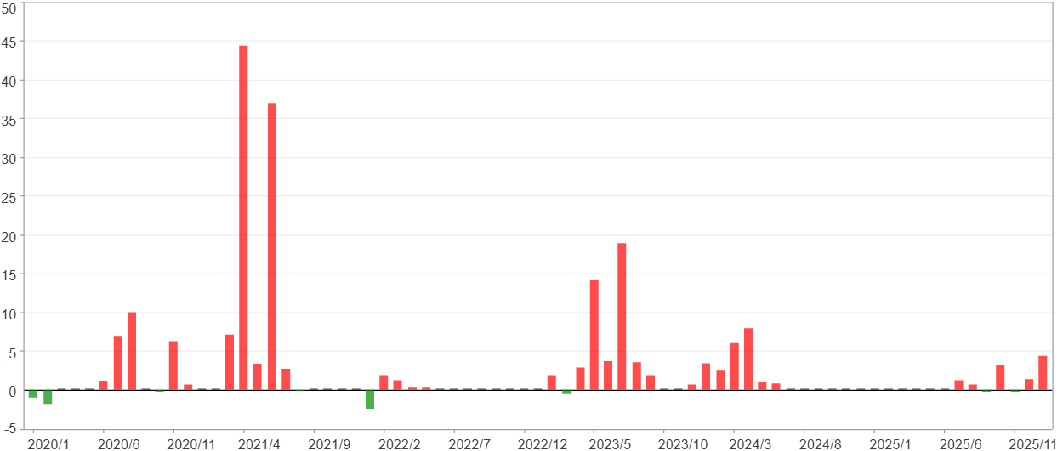

每一月($)

週期分析(季)
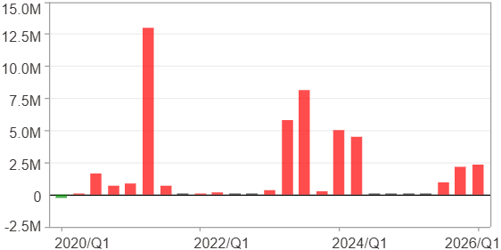
週期分析(季)

項目 | $ | %
淨利/最大投入報酬率 | 46,255,700 | 487.97%
勝率 | 68% | 68%
最大區間獲利 | 24,069,795 | 185.95%
最大區間虧損 | -294,936 | -3.11%
獲利因子 | 157.83 | 157.83
總交易季數 | 25 | 25
獲利交易季數 | 17 | 17
虧損交易季數 | 1 | 1
毛利 | 46,550,636 | 491.08%
毛損 | -294,936 | -3.11%
最大單季獲利 | 12,970,649 | 104.18%
最大單季虧損 | -294,936 | -3.11%
平均單季金額變動 | 1,850,228 | 7.34%
平均單季獲利金額變動 | 2,738,273 | 11.19%
平均單季虧損金額變動 | -294,936 | -3.11%
平均單季獲利虧損比 | 9.28 | 9.28
第一季 ~ 第四季(總計)(%)
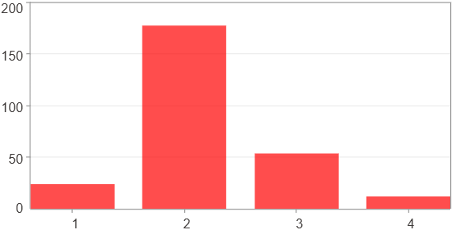

第一季 ~ 第四季(總計)($)
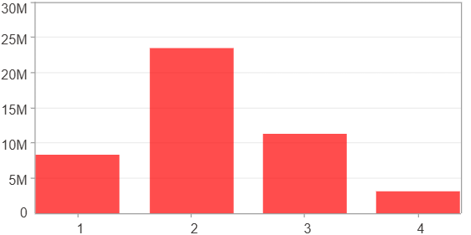

第一季 ~ 第四季(平均)(%)
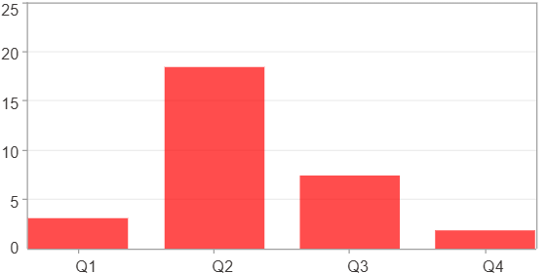

第一季 ~ 第四季(平均)($)
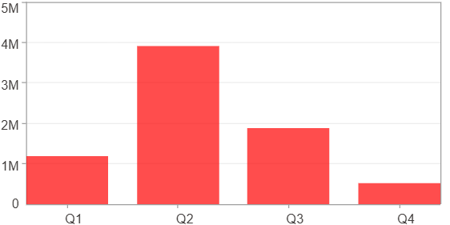

每一季(%)
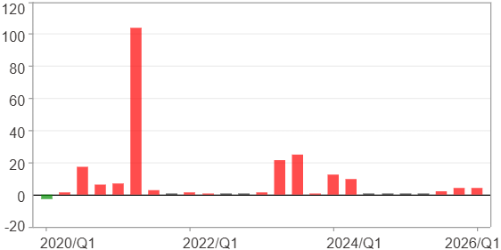

每一季($)

週期分析(年)
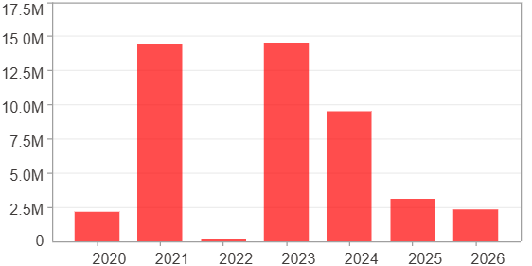
週期分析(年)

項目 | $ | %
淨利/最大投入報酬率 | 46,255,700 | 487.97%
勝率 | 100% | 100%
最大區間獲利 | 46,255,700 | 487.97%
最大區間虧損 | 0 | 0%
獲利因子 | 0 | 0
總交易年數 | 7 | 7
獲利交易年數 | 7 | 7
虧損交易年數 | 0 | 0
毛利 | 46,255,700 | 487.97%
毛損 | 0 | 0%
最大單年獲利 | 14,547,983 | 124.47%
最大單年虧損 | 189,027 | 0.72%
平均單年金額變動 | 6,607,957 | 28.8%
平均單年獲利金額變動 | 6,607,957 | 28.8%
平均單年虧損金額變動 | 0 | 0%
平均單年獲利虧損比 | 0 | 0
每一年(%)
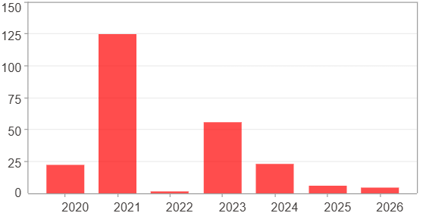

每一年($)

