整體統計
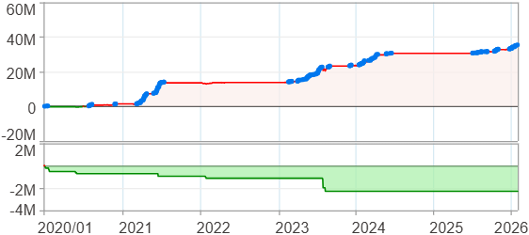
回測整體統計

回測資料範圍 | 2020/01/01 - 2026/01/29 (日資料) (逐筆洗價)
執行商品個數 | 100(成功)0(失敗)
回測執行時間 | 2026/01/29 14:10 (總時間: 55秒, 準備時間 0秒, 回測時間: 55秒)
交易腳本 | 260129_強勢股加碼-歸因分析
初始資金 | 1000萬元
交易費用 | 股票0.2%(成交金額)、期貨 100 元(口)

項目 | 全部 |  | 做多 |  | 做空
淨利 | 35,443,164 | 354.43% | 35,443,164 | 354.43% | 0 | 0.00%
毛利 | 37,755,442 | 377.55% | 37,755,442 | 377.55% | 0 | 0.00%
獲利因子 | 16.33 |  | 16.33 |  | n/a
毛損 | -2,312,283 | -23.12% | -2,312,283 | -23.12% | 0 | 0.00%
總交易成本 | 510,726 | 5.11% | 510,726 | 5.11% | 0 | 0.00%
最大投入金額 | 8,457,582 |  | 8,457,582 |  | 12,356,500
總交易次數 | 187 |  | 187 |  | 0
獲利交易次數 | 141 |  | 141 |  | 0
勝率 | 75.40% |  | 75.40% |  | 0.00%
虧損交易次數 | 46 |  | 46 |  | 0
平均交易 | 189,536 | 1.90% | 189,536 | 1.90% | 0 | 0.00%
平均獲利交易 | 267,769 | 2.68% | 267,769 | 2.68% | 0 | 0.00%
平均獲利虧損比 | 5.33 |  | 5.33 |  | 0.00
平均虧損交易 | -50,267 | -0.50% | -50,267 | -0.50% | 0 | 0.00%
最大獲利交易 | 2,092,510 | 20.93% | 2,092,510 | 20.93% | 0 | 0.00%
最大虧損交易 | -236,502 | -2.37% | -236,502 | -2.37% | 0 | 0.00%
最大區間獲利 | 35,936,670 | 359.37% | 35,936,670 | 359.37% | 35,936,670 | 359.37%
最大區間虧損 | -2,292,126 | -22.92% | -2,292,126 | -22.92% | -2,292,126 | -22.92%
全部交易的平均持倉K線根數 | 28.44 |  | 28.44 |  | 0.00
獲利交易的平均持倉K線根數 | 31.35 |  | 31.35 |  | 0.00
回測K線根數 | 1478 |  | 1478 |  | 1478
虧損交易的平均持倉K線根數 | 19.52 |  | 19.52 |  | 0.00
時間加權報酬 | 771,815,605 | 7718.16% | 771,815,605 | 7718.16% | 0 | 0.00%
最大投入報酬率 | 35,443,164 | 419.07% | 35,443,164 | 419.07% | 0 | 0.00%
買進持有報酬 | 52,925,160 | 529.25% | 52,925,160 | 529.25% | 52,925,160 | 529.25%
大盤指數報酬 | 23,379,242 | 233.79% | 23,379,242 | 233.79% | 23,379,242 | 233.79%

執行失敗商品
商品名稱 | 狀態 | 說明

最大持倉報酬率圖
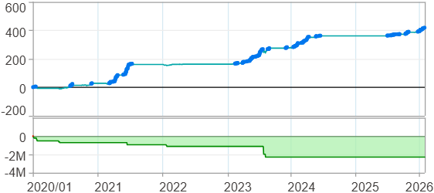

時間加權報酬率圖
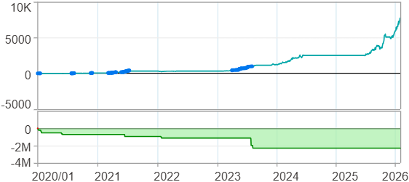

淨利曲線圖

週期分析(日)
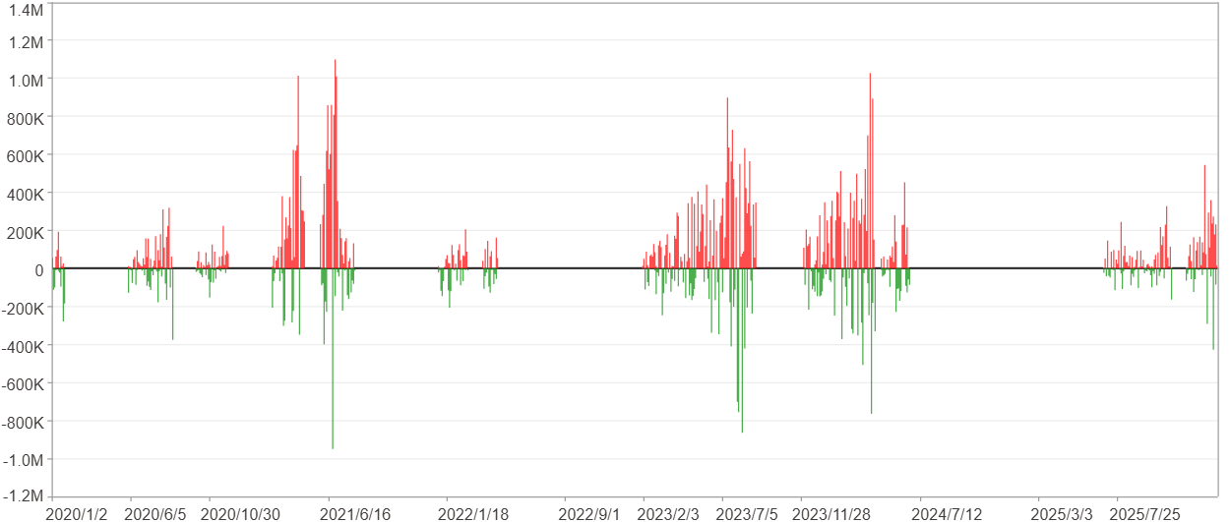
週期分析(日)

項目 | $ | %
淨利/最大投入報酬率 | 35,442,080 | 419.06%
勝率 | 26.73% | 26.73%
最大區間獲利 | 3,626,548 | 24.16%
最大區間虧損 | -1,980,885 | -6.36%
獲利因子 | 2.22 | 2.22
總交易日數 | 1478 | 1478
獲利交易日數 | 395 | 395
虧損交易日數 | 261 | 261
毛利 | 64,527,531 | 762.95%
毛損 | -29,085,451 | -343.9%
最大單日獲利 | 1,100,449 | 7.5%
最大單日虧損 | -950,426 | -4.91%
平均單日金額變動 | 23,980 | 0.11%
平均單日獲利金額變動 | 163,361 | 0.77%
平均單日虧損金額變動 | -111,439 | -0.53%
平均單日獲利虧損比 | 1.47 | 1.47
1日 - 31日(總計)(%)
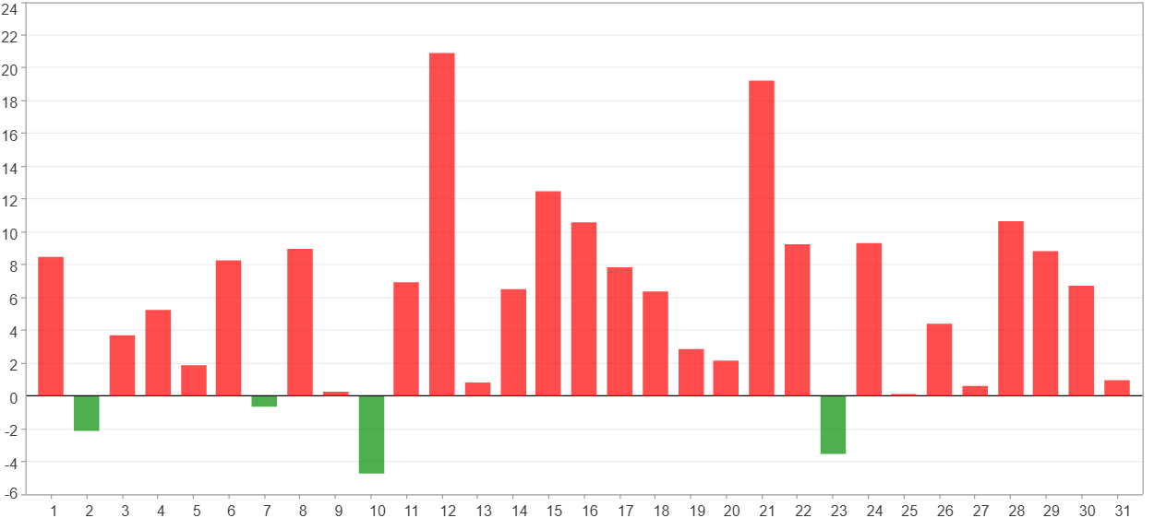

1日 - 31日(平均)(%)
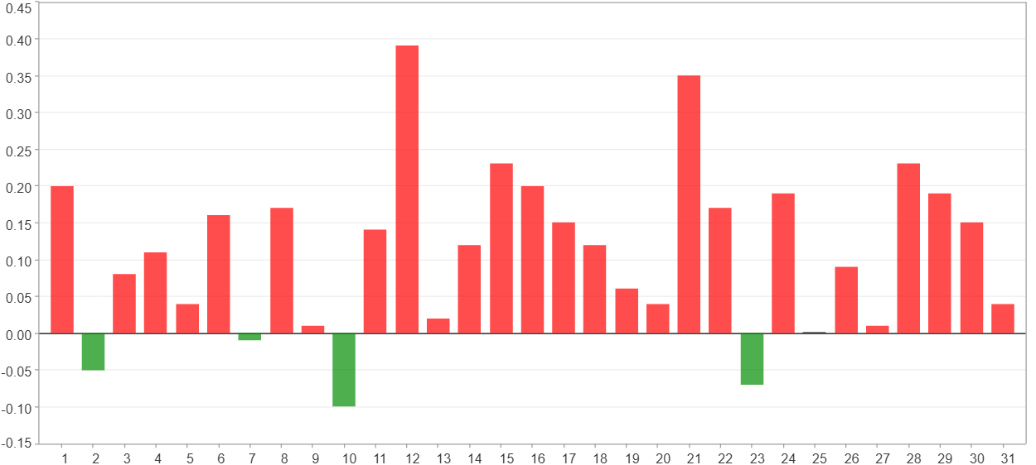

1日 - 31日(總計)($)
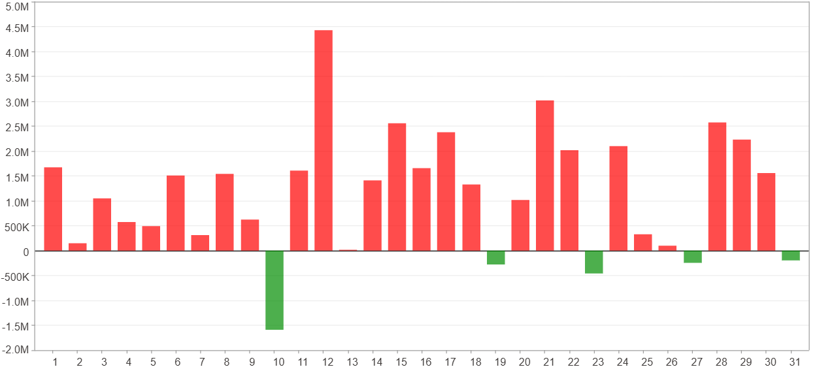

1日 - 31日(平均)($)
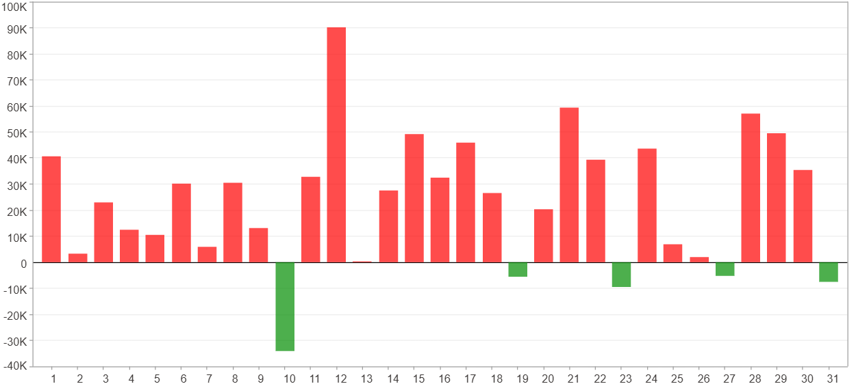

星期一 ~ 星期五(總計)(%)
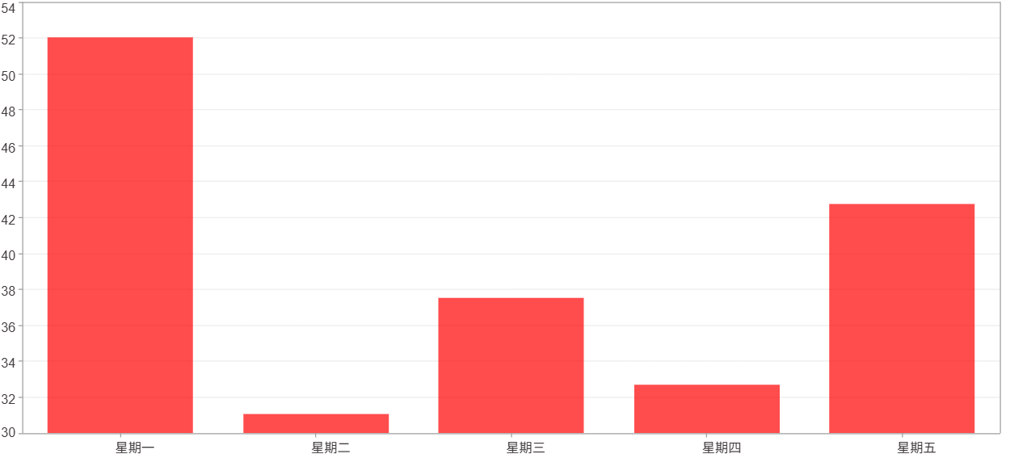

星期一 ~ 星期五(平均)(%)
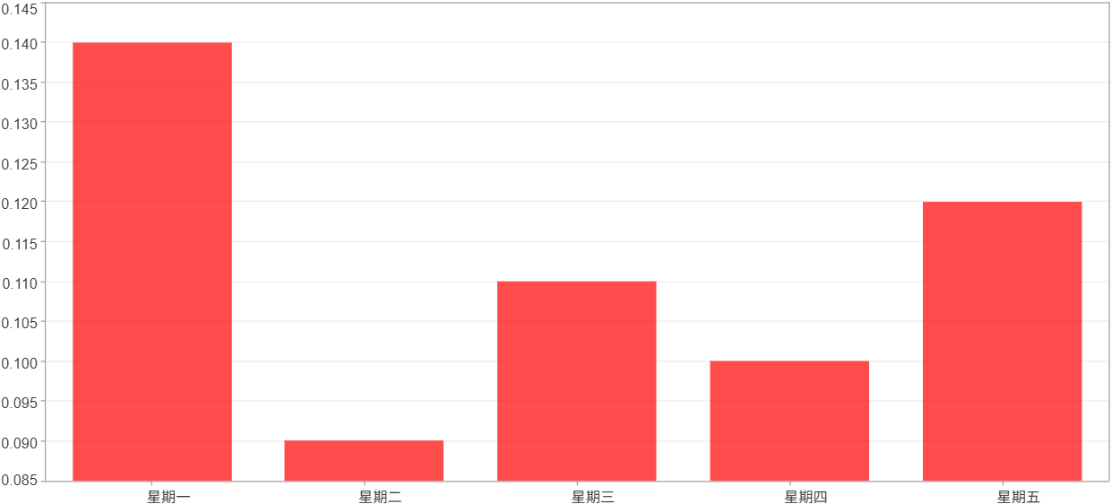

星期一 ~ 星期五(總計)($)
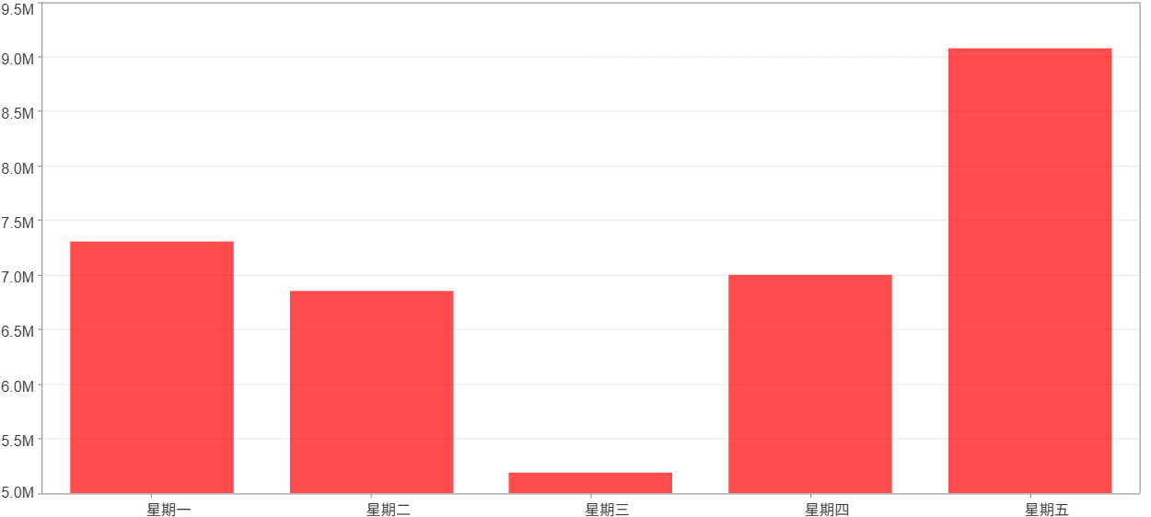

星期一 ~ 星期五(平均)($)
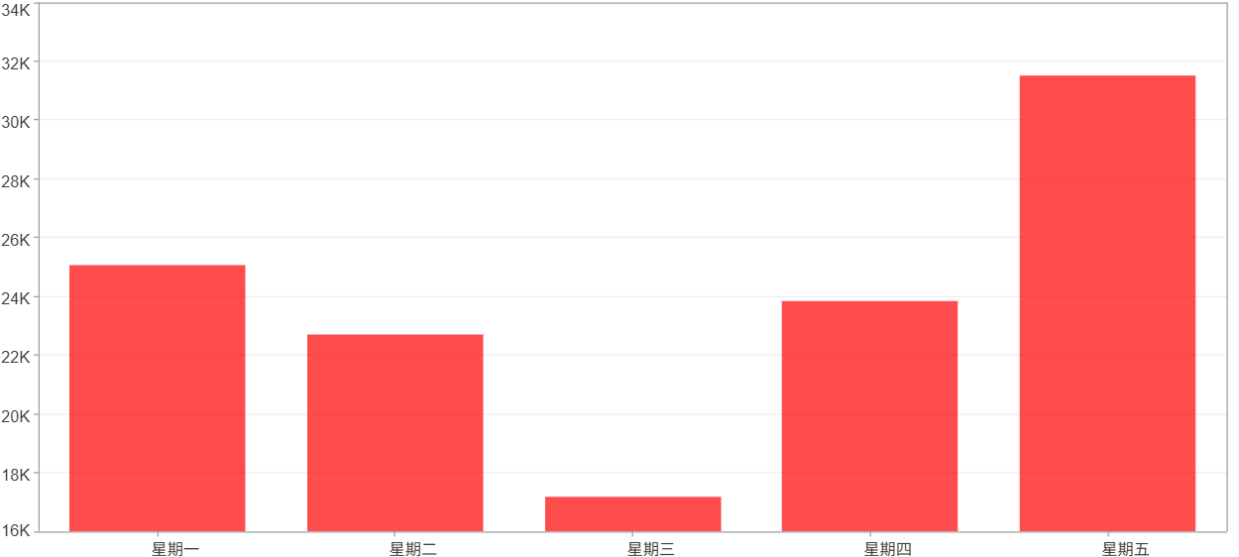

每一日(%)
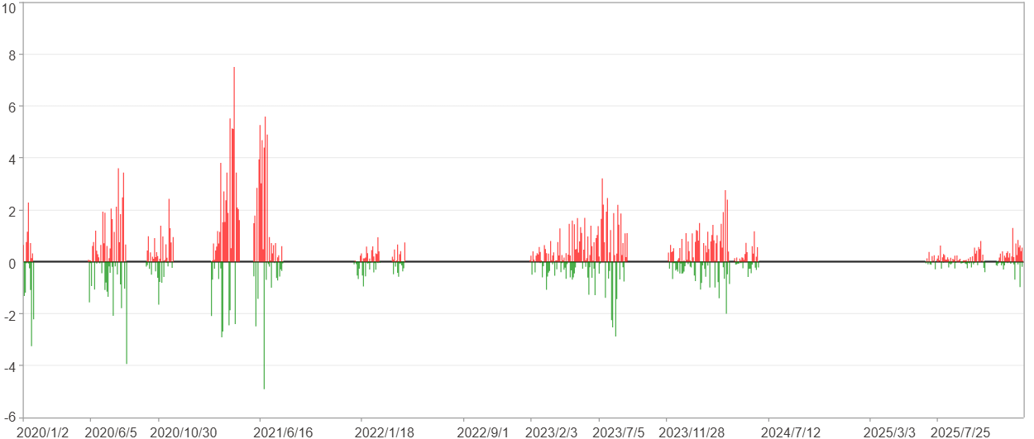

每一日($)

週期分析(月)
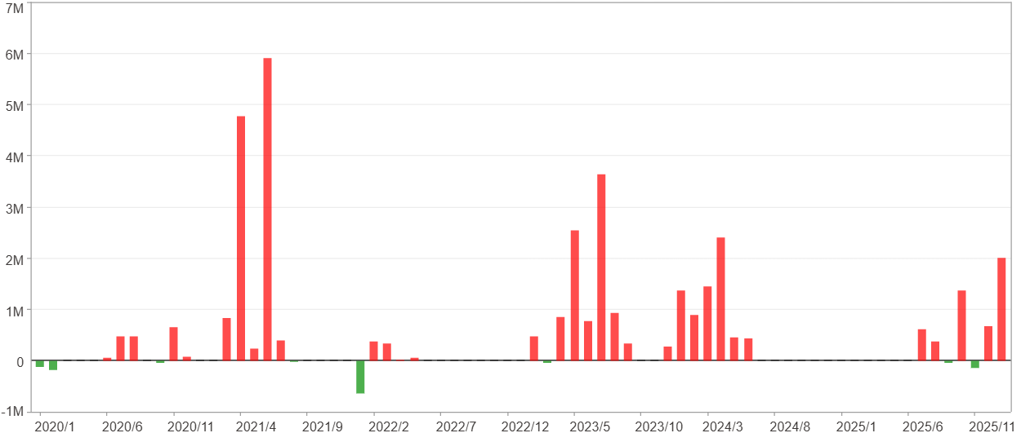
週期分析(月)

項目 | $ | %
淨利/最大投入報酬率 | 35,442,080 | 419.06%
勝率 | 45.21% | 45.21%
最大區間獲利 | 12,169,368 | 123.22%
最大區間虧損 | -646,062 | -3.49%
獲利因子 | 30.68 | 30.68
總交易月數 | 73 | 73
獲利交易月數 | 33 | 33
虧損交易月數 | 8 | 8
毛利 | 36,636,148 | 433.18%
毛損 | -1,194,068 | -14.12%
最大單月獲利 | 5,920,257 | 44.53%
最大單月虧損 | -646,062 | -2.93%
平均單月金額變動 | 485,508 | 2.28%
平均單月獲利金額變動 | 1,110,186 | 5.36%
平均單月虧損金額變動 | -149,258 | -0.93%
平均單月獲利虧損比 | 7.44 | 7.44
1月 - 12月(總計)(%)
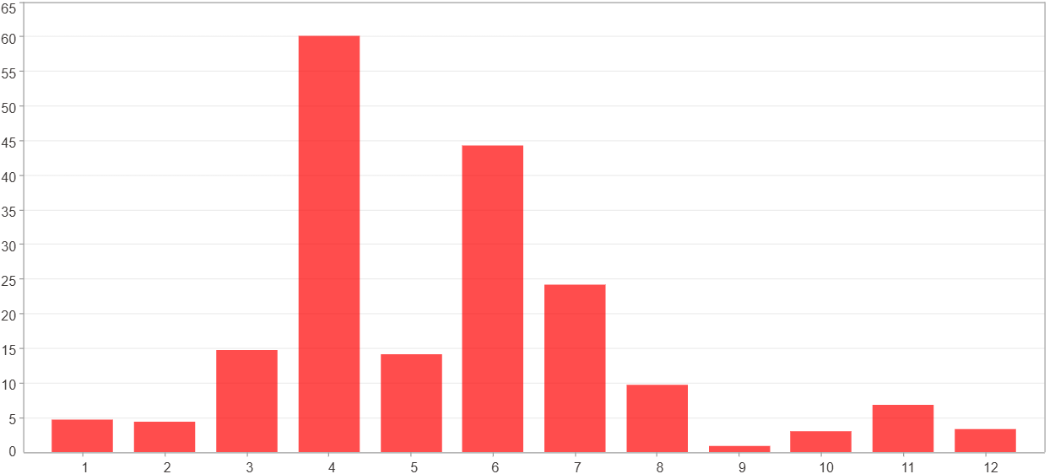

1月 - 12月(總計)($)
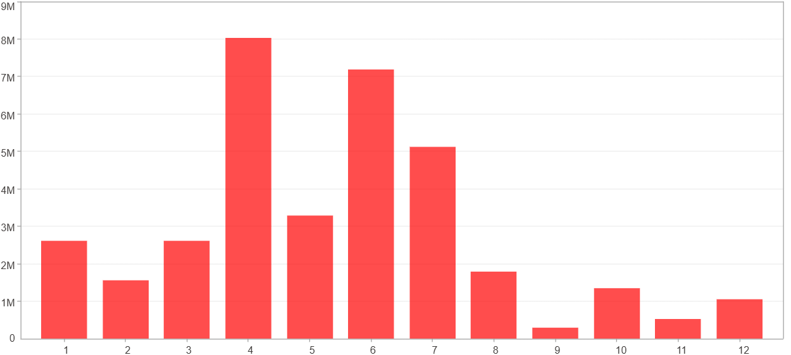

1月 - 12月(平均)(%)
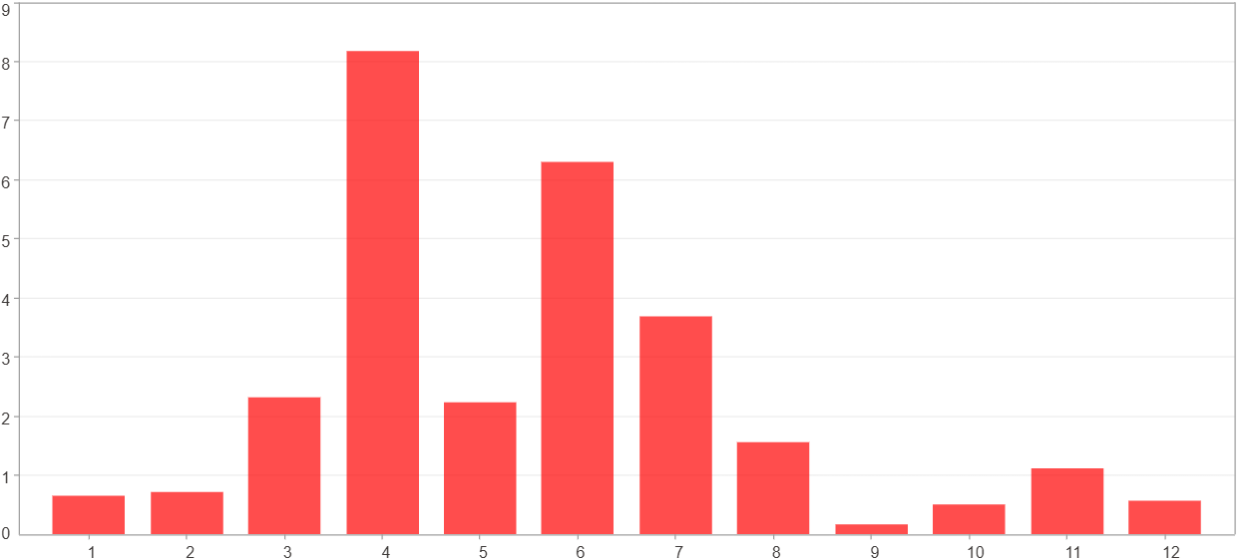

1月 - 12月(平均)($)


每一月(%)
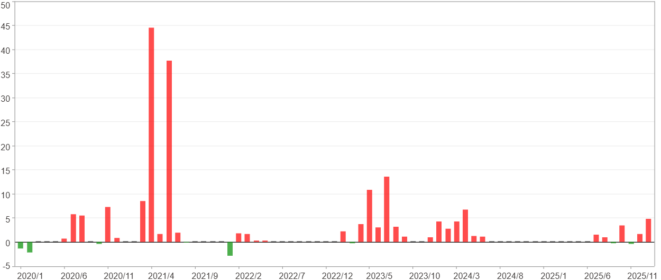

每一月($)

週期分析(季)
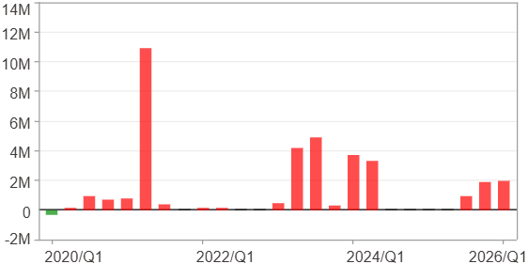
週期分析(季)

項目 | $ | %
淨利/最大投入報酬率 | 35,442,080 | 419.06%
勝率 | 68% | 68%
最大區間獲利 | 16,832,481 | 171.91%
最大區間虧損 | -294,936 | -3.49%
獲利因子 | 121.17 | 121.17
總交易季數 | 25 | 25
獲利交易季數 | 17 | 17
虧損交易季數 | 1 | 1
毛利 | 35,737,016 | 422.54%
毛損 | -294,936 | -3.49%
最大單季獲利 | 10,936,671 | 102.14%
最大單季虧損 | -294,936 | -3.49%
平均單季金額變動 | 1,417,683 | 6.81%
平均單季獲利金額變動 | 2,102,177 | 10.4%
平均單季虧損金額變動 | -294,936 | -3.49%
平均單季獲利虧損比 | 7.13 | 7.13
第一季 ~ 第四季(總計)(%)
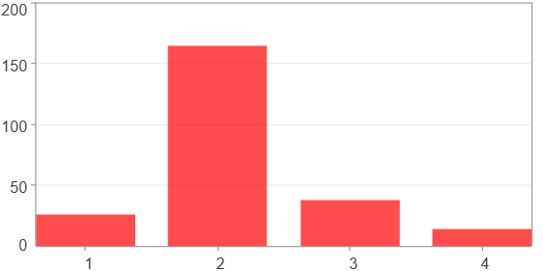

第一季 ~ 第四季(總計)($)
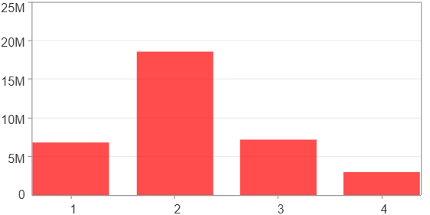

第一季 ~ 第四季(平均)(%)
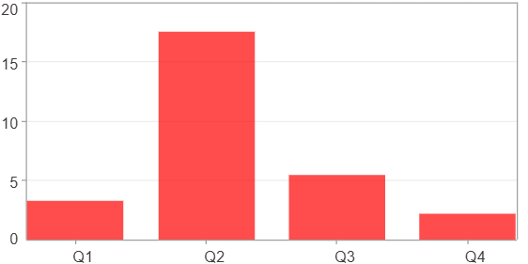

第一季 ~ 第四季(平均)($)
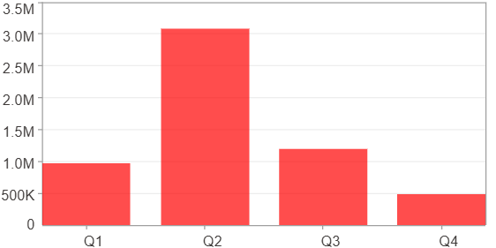

每一季(%)
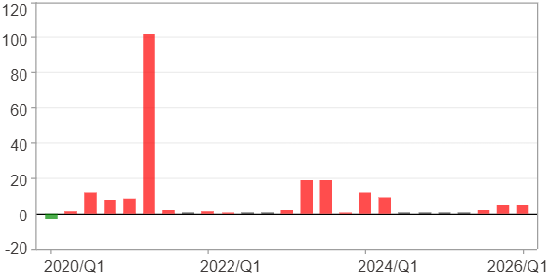

每一季($)

週期分析(年)
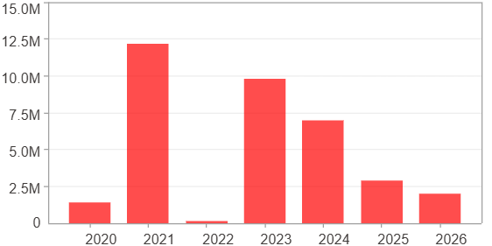
週期分析(年)

項目 | $ | %
淨利/最大投入報酬率 | 35,442,080 | 419.06%
勝率 | 100% | 100%
最大區間獲利 | 35,442,080 | 419.06%
最大區間虧損 | 0 | 0%
獲利因子 | 0 | 0
總交易年數 | 7 | 7
獲利交易年數 | 7 | 7
虧損交易年數 | 0 | 0
毛利 | 35,442,080 | 419.06%
毛損 | 0 | 0%
最大單年獲利 | 12,164,976 | 123.18%
最大單年虧損 | 154,246 | 0.7%
平均單年金額變動 | 5,063,154 | 26.52%
平均單年獲利金額變動 | 5,063,154 | 26.52%
平均單年虧損金額變動 | 0 | 0%
平均單年獲利虧損比 | 0 | 0
每一年(%)
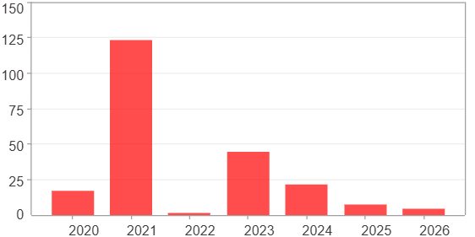

每一年($)

