整體統計
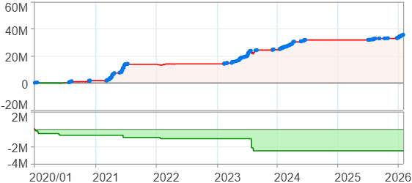
回測整體統計

回測資料範圍 | 2020/01/01 - 2026/01/29 (日資料) (逐筆洗價)
執行商品個數 | 100(成功)0(失敗)
回測執行時間 | 2026/01/29 14:42 (總時間: 50秒, 準備時間 0秒, 回測時間: 50秒)
交易腳本 | 260129_強勢股加碼-歸因分析
初始資金 | 1000萬元
交易費用 | 股票0.2%(成交金額)、期貨 100 元(口)

項目 | 全部 |  | 做多 |  | 做空
淨利 | 35,687,851 | 356.88% | 35,687,851 | 356.88% | 0 | 0.00%
毛利 | 37,944,703 | 379.45% | 37,944,703 | 379.45% | 0 | 0.00%
獲利因子 | 16.81 |  | 16.81 |  | n/a
毛損 | -2,256,859 | -22.57% | -2,256,859 | -22.57% | 0 | 0.00%
總交易成本 | 515,210 | 5.15% | 515,210 | 5.15% | 0 | 0.00%
最大投入金額 | 7,687,167 |  | 7,687,167 |  | 11,822,500
總交易次數 | 198 |  | 198 |  | 0
獲利交易次數 | 137 |  | 137 |  | 0
勝率 | 69.19% |  | 69.19% |  | 0.00%
虧損交易次數 | 61 |  | 61 |  | 0
平均交易 | 180,242 | 1.80% | 180,242 | 1.80% | 0 | 0.00%
平均獲利交易 | 276,969 | 2.77% | 276,969 | 2.77% | 0 | 0.00%
平均獲利虧損比 | 7.49 |  | 7.49 |  | 0.00
平均虧損交易 | -36,998 | -0.37% | -36,998 | -0.37% | 0 | 0.00%
最大獲利交易 | 2,092,510 | 20.93% | 2,092,510 | 20.93% | 0 | 0.00%
最大虧損交易 | -181,571 | -1.82% | -181,571 | -1.82% | 0 | 0.00%
最大區間獲利 | 36,181,354 | 361.81% | 36,181,354 | 361.81% | 36,181,354 | 361.81%
最大區間虧損 | -2,501,977 | -25.02% | -2,501,977 | -25.02% | -2,501,977 | -25.02%
全部交易的平均持倉K線根數 | 29.39 |  | 29.39 |  | 0.00
獲利交易的平均持倉K線根數 | 33.68 |  | 33.68 |  | 0.00
回測K線根數 | 1479 |  | 1479 |  | 1479
虧損交易的平均持倉K線根數 | 19.77 |  | 19.77 |  | 0.00
時間加權報酬 | 696,218,278 | 6962.18% | 696,218,278 | 6962.18% | 0 | 0.00%
最大投入報酬率 | 35,687,851 | 464.25% | 35,687,851 | 464.25% | 0 | 0.00%
買進持有報酬 | 52,711,948 | 527.12% | 52,711,948 | 527.12% | 52,711,948 | 527.12%
大盤指數報酬 | 23,106,999 | 231.07% | 23,106,999 | 231.07% | 23,106,999 | 231.07%

執行失敗商品
商品名稱 | 狀態 | 說明

最大持倉報酬率圖
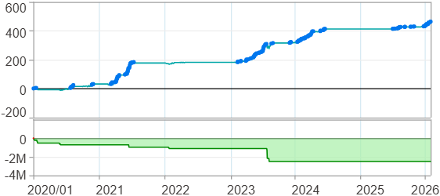

時間加權報酬率圖
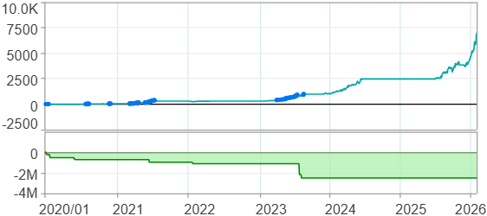

淨利曲線圖

週期分析(日)
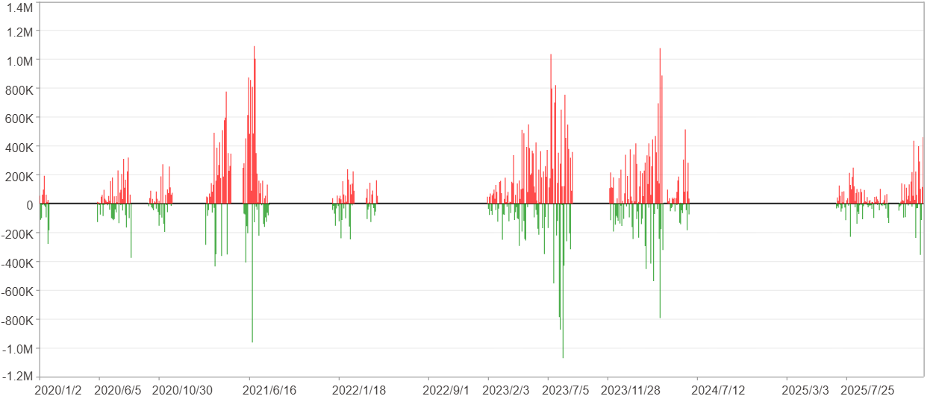
週期分析(日)

項目 | $ | %
淨利/最大投入報酬率 | 35,686,764 | 464.24%
勝率 | 26.91% | 26.91%
最大區間獲利 | 3,632,548 | 28.94%
最大區間虧損 | -2,168,385 | -6.89%
獲利因子 | 2.16 | 2.16
總交易日數 | 1479 | 1479
獲利交易日數 | 398 | 398
虧損交易日數 | 260 | 260
毛利 | 66,452,573 | 864.46%
毛損 | -30,765,809 | -400.22%
最大單日獲利 | 1,093,449 | 5.9%
最大單日虧損 | -1,071,588 | -5.17%
平均單日金額變動 | 24,129 | 0.12%
平均單日獲利金額變動 | 166,966 | 0.83%
平均單日虧損金額變動 | -118,330 | -0.6%
平均單日獲利虧損比 | 1.41 | 1.41
1日 - 31日(總計)(%)
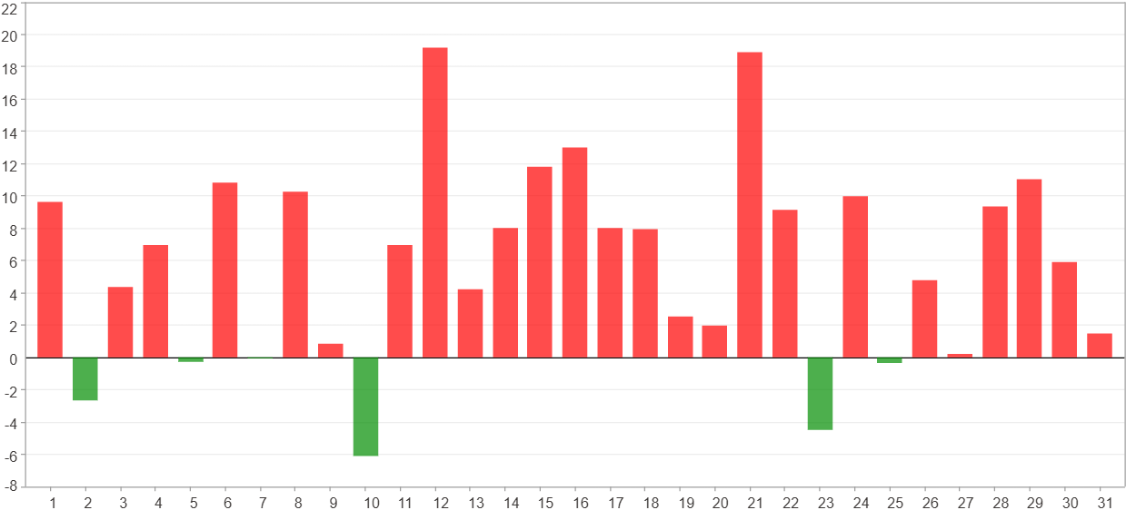

1日 - 31日(平均)(%)
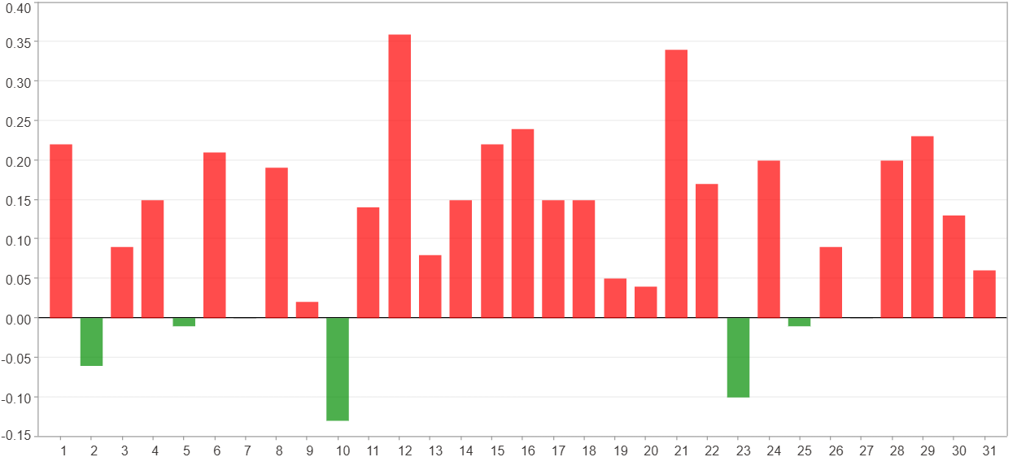

1日 - 31日(總計)($)
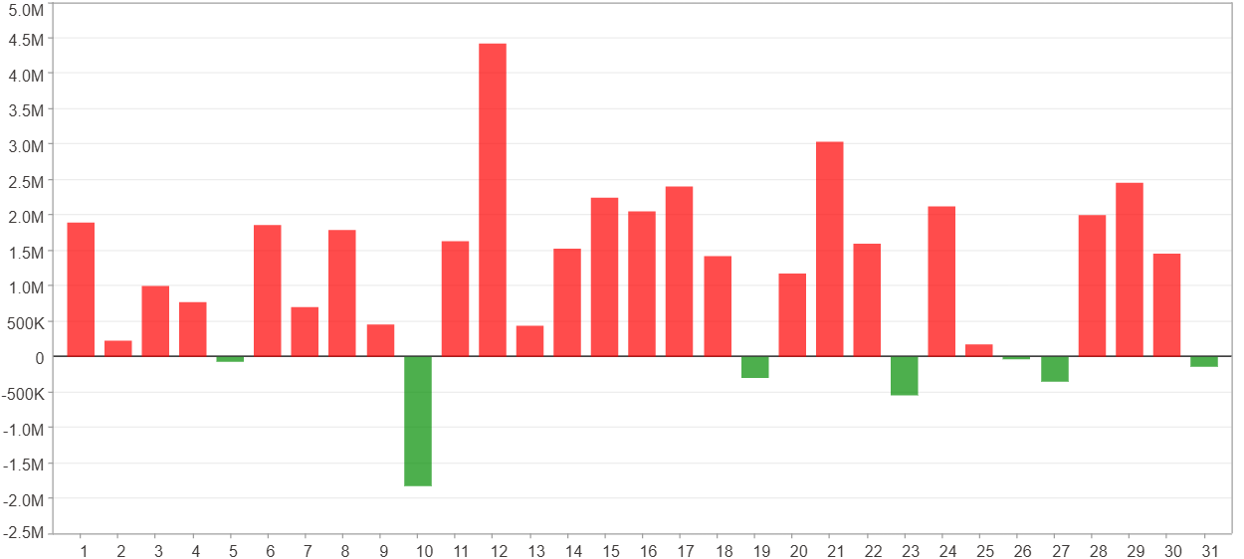

1日 - 31日(平均)($)
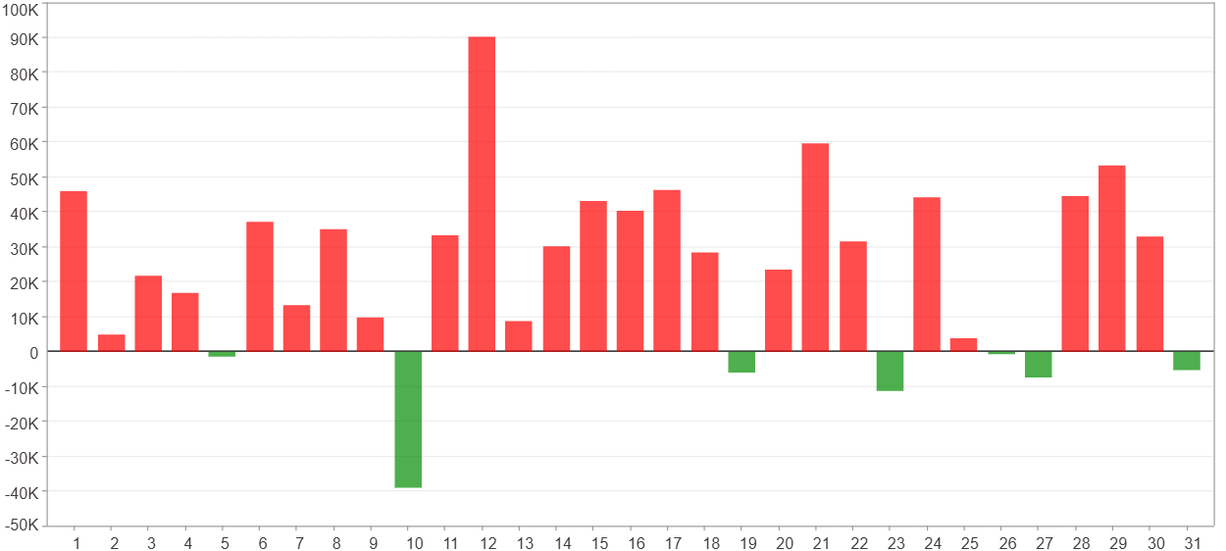

星期一 ~ 星期五(總計)(%)
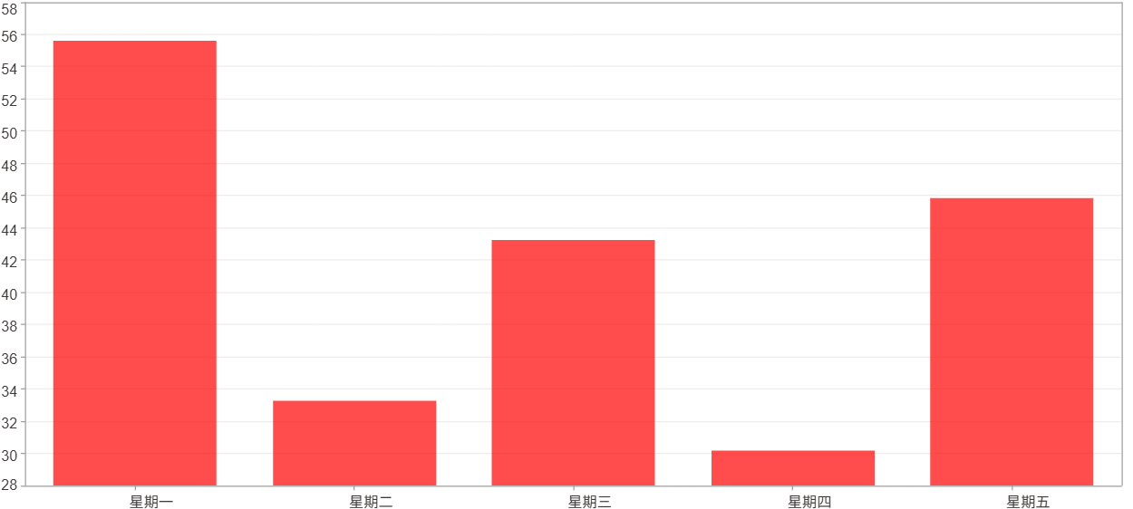

星期一 ~ 星期五(平均)(%)
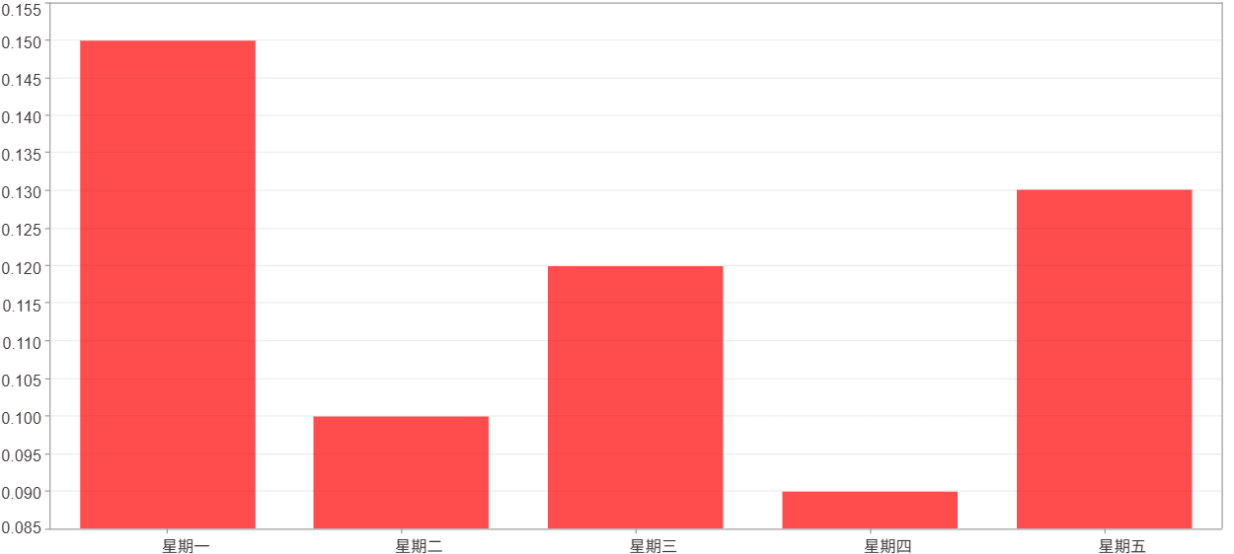

星期一 ~ 星期五(總計)($)
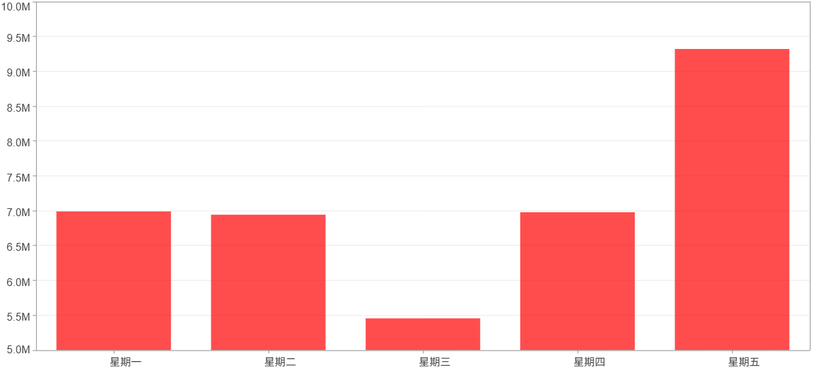

星期一 ~ 星期五(平均)($)
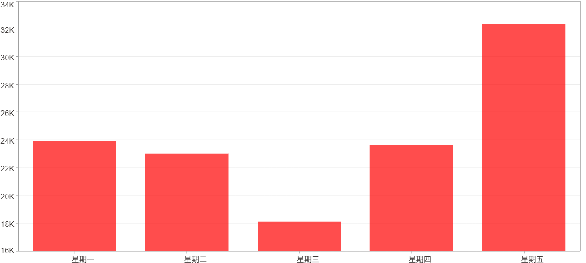

每一日(%)
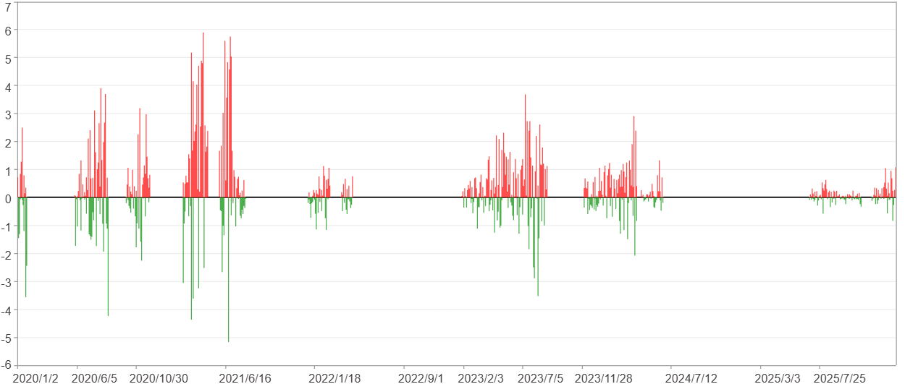

每一日($)

週期分析(月)
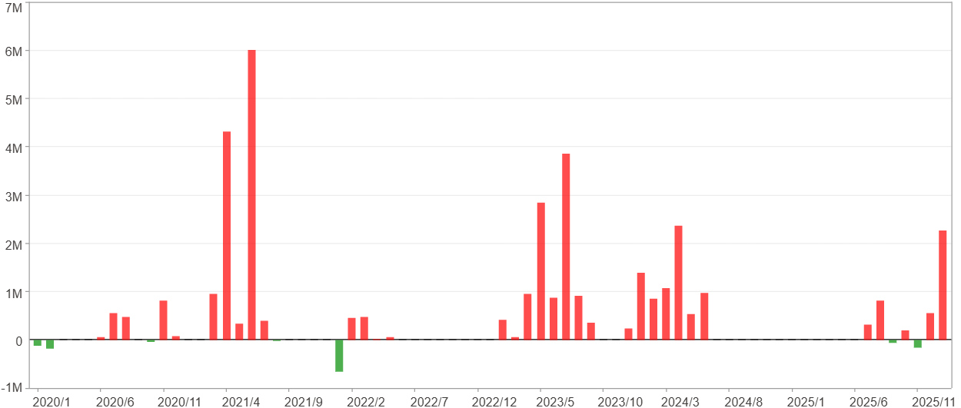
週期分析(月)

項目 | $ | %
淨利/最大投入報酬率 | 35,686,764 | 464.24%
勝率 | 46.58% | 46.58%
最大區間獲利 | 12,019,526 | 128.8%
最大區間虧損 | -654,061 | -3.84%
獲利因子 | 30.62 | 30.62
總交易月數 | 73 | 73
獲利交易月數 | 34 | 34
虧損交易月數 | 7 | 7
毛利 | 36,891,692 | 479.91%
毛損 | -1,204,928 | -15.67%
最大單月獲利 | 6,003,253 | 41.96%
最大單月虧損 | -654,061 | -3.06%
平均單月金額變動 | 488,860 | 2.4%
平均單月獲利金額變動 | 1,085,050 | 5.47%
平均單月虧損金額變動 | -172,133 | -1.13%
平均單月獲利虧損比 | 6.3 | 6.3
1月 - 12月(總計)(%)
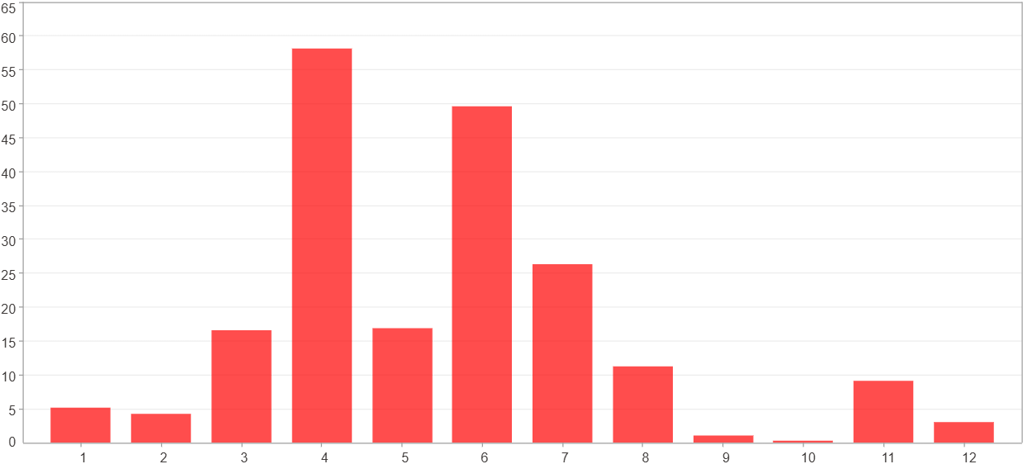

1月 - 12月(總計)($)
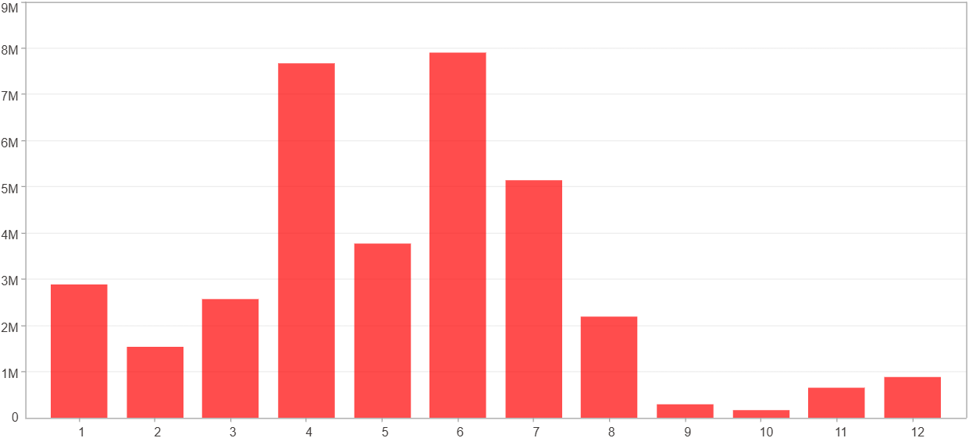

1月 - 12月(平均)(%)
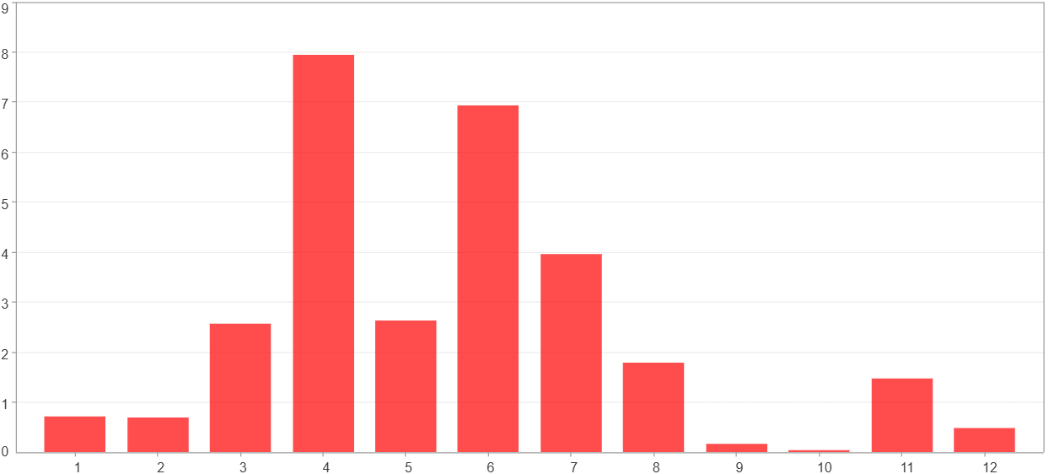

1月 - 12月(平均)($)
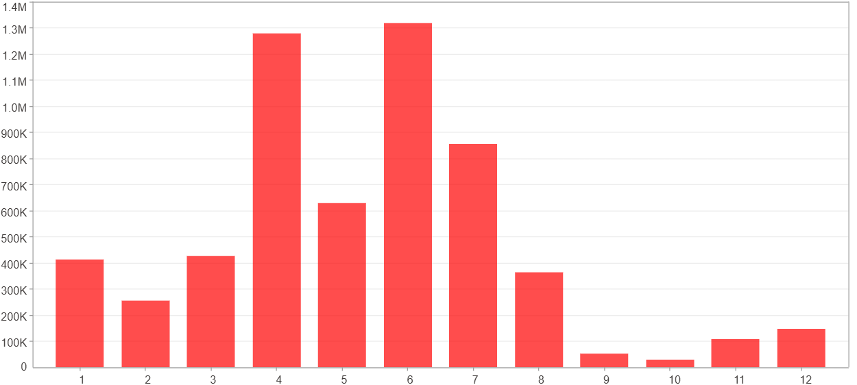

每一月(%)
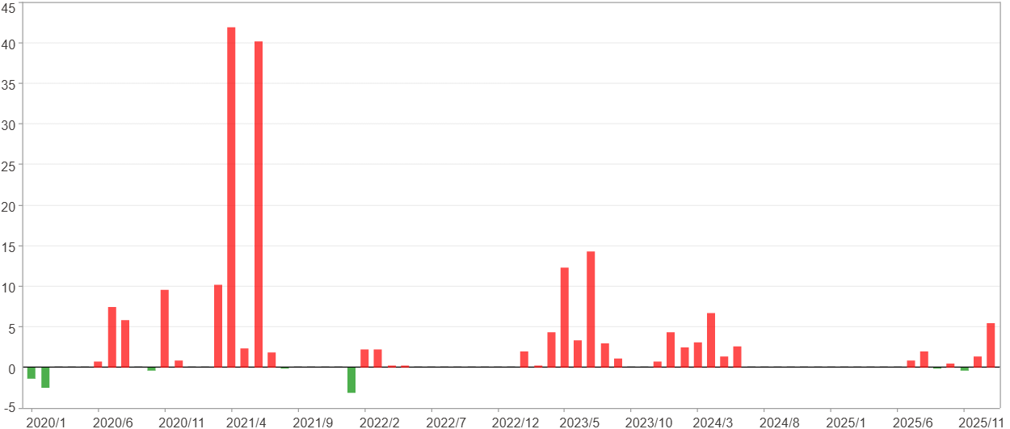

每一月($)

週期分析(季)
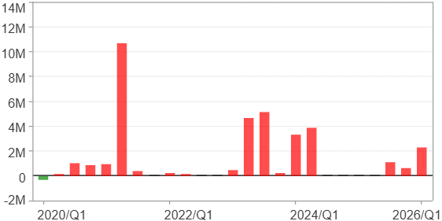
週期分析(季)

項目 | $ | %
淨利/最大投入報酬率 | 35,686,764 | 464.24%
勝率 | 68% | 68%
最大區間獲利 | 17,724,753 | 193.52%
最大區間虧損 | -294,936 | -3.84%
獲利因子 | 122 | 122
總交易季數 | 25 | 25
獲利交易季數 | 17 | 17
虧損交易季數 | 1 | 1
毛利 | 35,981,700 | 468.07%
毛損 | -294,936 | -3.84%
最大單季獲利 | 10,667,031 | 103.69%
最大單季虧損 | -294,936 | -3.84%
平均單季金額變動 | 1,427,471 | 7.17%
平均單季獲利金額變動 | 2,116,571 | 10.97%
平均單季虧損金額變動 | -294,936 | -3.84%
平均單季獲利虧損比 | 7.18 | 7.18
第一季 ~ 第四季(總計)(%)
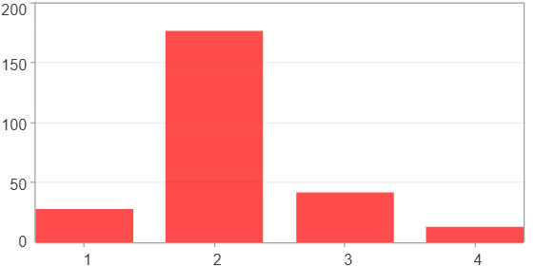

第一季 ~ 第四季(總計)($)
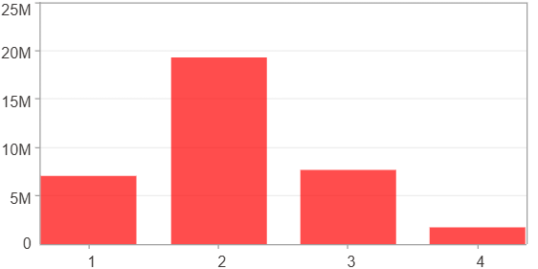

第一季 ~ 第四季(平均)(%)
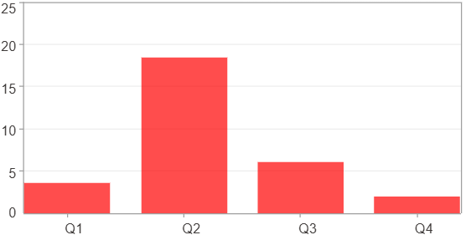

第一季 ~ 第四季(平均)($)
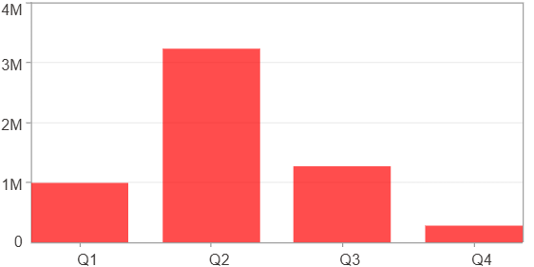

每一季(%)
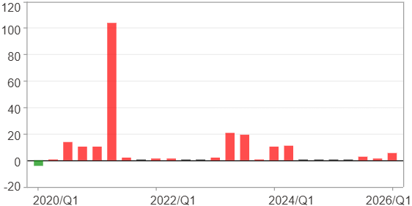

每一季($)

週期分析(年)
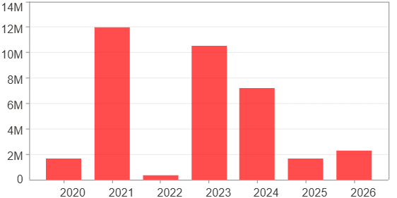
週期分析(年)

項目 | $ | %
淨利/最大投入報酬率 | 35,686,764 | 464.24%
勝率 | 100% | 100%
最大區間獲利 | 35,686,764 | 464.24%
最大區間虧損 | 0 | 0%
獲利因子 | 0 | 0
總交易年數 | 7 | 7
獲利交易年數 | 7 | 7
虧損交易年數 | 0 | 0
毛利 | 35,686,764 | 464.24%
毛損 | 0 | 0%
最大單年獲利 | 12,015,134 | 128.75%
最大單年虧損 | 350,627 | 1.64%
平均單年金額變動 | 5,098,109 | 28.04%
平均單年獲利金額變動 | 5,098,109 | 28.04%
平均單年虧損金額變動 | 0 | 0%
平均單年獲利虧損比 | 0 | 0
每一年(%)
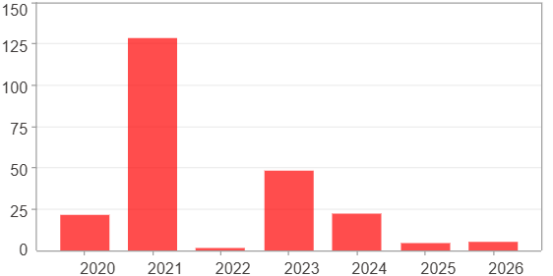

每一年($)

