整體統計
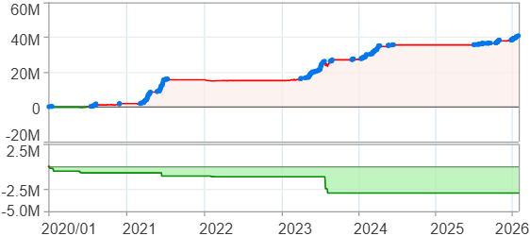
回測整體統計

回測資料範圍 | 2020/01/01 - 2026/01/29 (日資料) (逐筆洗價)
執行商品個數 | 100(成功)0(失敗)
回測執行時間 | 2026/01/29 15:03 (總時間: 46秒, 準備時間 1秒, 回測時間: 45秒)
交易腳本 | 260129_強勢股加碼-歸因分析
初始資金 | 1000萬元
交易費用 | 股票0.2%(成交金額)、期貨 100 元(口)

項目 | 全部 |  | 做多 |  | 做空
淨利 | 40,671,267 | 406.71% | 40,671,267 | 406.71% | 0 | 0.00%
毛利 | 43,477,644 | 434.78% | 43,477,644 | 434.78% | 0 | 0.00%
獲利因子 | 15.49 |  | 15.49 |  | n/a
毛損 | -2,806,382 | -28.06% | -2,806,382 | -28.06% | 0 | 0.00%
總交易成本 | 525,786 | 5.26% | 525,786 | 5.26% | 0 | 0.00%
最大投入金額 | 8,897,864 |  | 8,897,864 |  | 12,356,500
總交易次數 | 180 |  | 180 |  | 0
獲利交易次數 | 130 |  | 130 |  | 0
勝率 | 72.22% |  | 72.22% |  | 0.00%
虧損交易次數 | 50 |  | 50 |  | 0
平均交易 | 225,951 | 2.26% | 225,951 | 2.26% | 0 | 0.00%
平均獲利交易 | 334,443 | 3.34% | 334,443 | 3.34% | 0 | 0.00%
平均獲利虧損比 | 5.96 |  | 5.96 |  | 0.00
平均虧損交易 | -56,128 | -0.56% | -56,128 | -0.56% | 0 | 0.00%
最大獲利交易 | 3,250,265 | 32.50% | 3,250,265 | 32.50% | 0 | 0.00%
最大虧損交易 | -230,514 | -2.31% | -230,514 | -2.31% | 0 | 0.00%
最大區間獲利 | 41,298,851 | 412.99% | 41,298,851 | 412.99% | 41,298,851 | 412.99%
最大區間虧損 | -2,967,619 | -29.68% | -2,967,619 | -29.68% | -2,967,619 | -29.68%
全部交易的平均持倉K線根數 | 30.11 |  | 30.11 |  | 0.00
獲利交易的平均持倉K線根數 | 35.03 |  | 35.03 |  | 0.00
回測K線根數 | 1479 |  | 1479 |  | 1479
虧損交易的平均持倉K線根數 | 17.32 |  | 17.32 |  | 0.00
時間加權報酬 | 554,409,627 | 5544.10% | 554,409,627 | 5544.10% | 0 | 0.00%
最大投入報酬率 | 40,671,267 | 457.09% | 40,671,267 | 457.09% | 0 | 0.00%
買進持有報酬 | 52,711,948 | 527.12% | 52,711,948 | 527.12% | 52,711,948 | 527.12%
大盤指數報酬 | 23,106,999 | 231.07% | 23,106,999 | 231.07% | 23,106,999 | 231.07%

執行失敗商品
商品名稱 | 狀態 | 說明

最大持倉報酬率圖
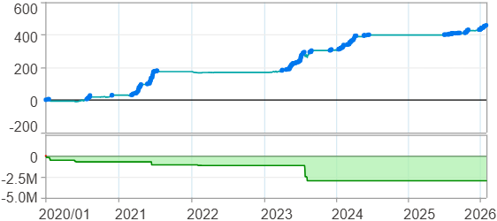

時間加權報酬率圖
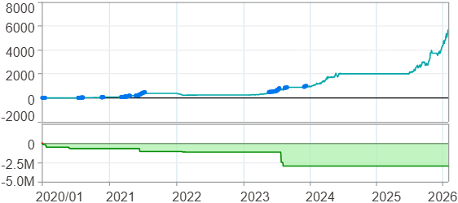

淨利曲線圖

週期分析(日)
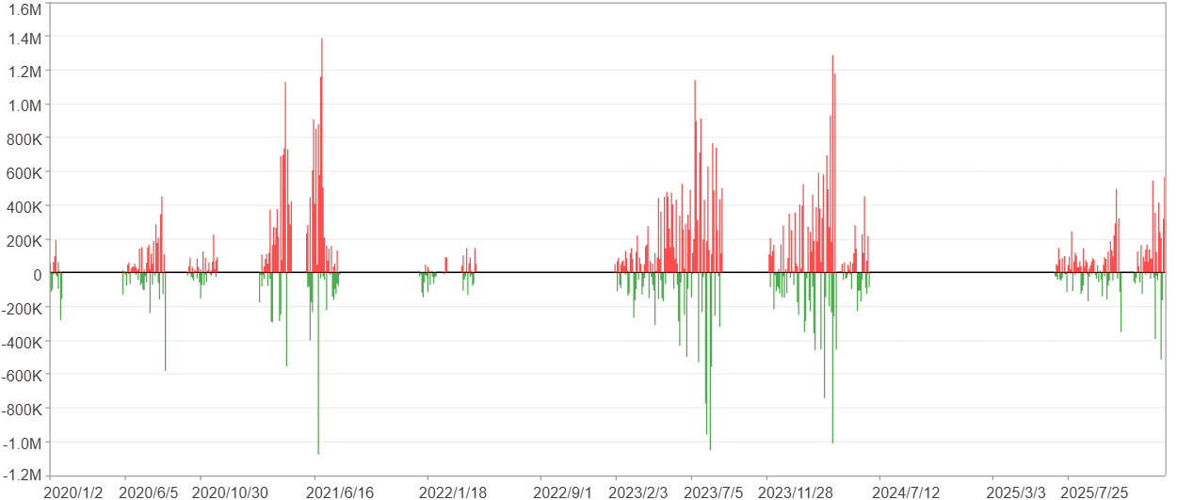
週期分析(日)

項目 | $ | %
淨利/最大投入報酬率 | 40,670,150 | 457.08%
勝率 | 25.63% | 25.63%
最大區間獲利 | 3,607,140 | 25.28%
最大區間虧損 | -2,481,725 | -7.08%
獲利因子 | 2.2 | 2.2
總交易日數 | 1479 | 1479
獲利交易日數 | 379 | 379
虧損交易日數 | 267 | 267
毛利 | 74,677,257 | 839.27%
毛損 | -34,007,107 | -382.19%
最大單日獲利 | 1,388,697 | 7.7%
最大單日虧損 | -1,076,407 | -5.49%
平均單日金額變動 | 27,498 | 0.12%
平均單日獲利金額變動 | 197,038 | 0.83%
平均單日虧損金額變動 | -127,367 | -0.53%
平均單日獲利虧損比 | 1.55 | 1.55
1日 - 31日(總計)(%)
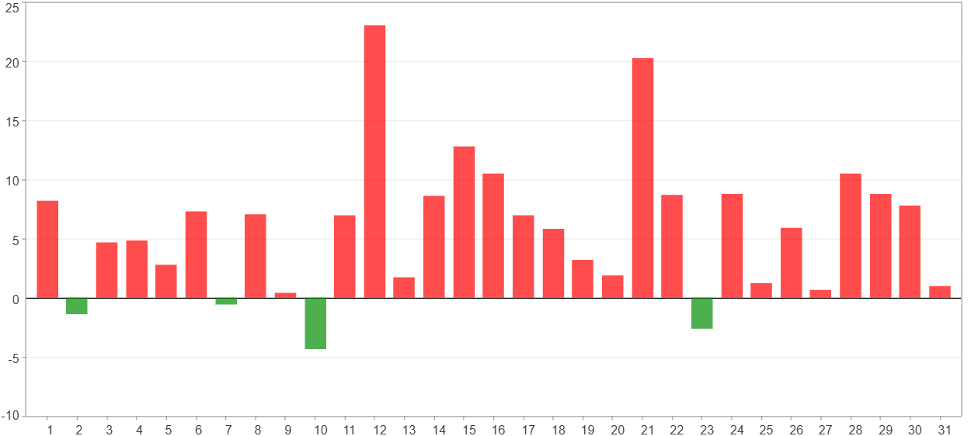

1日 - 31日(平均)(%)
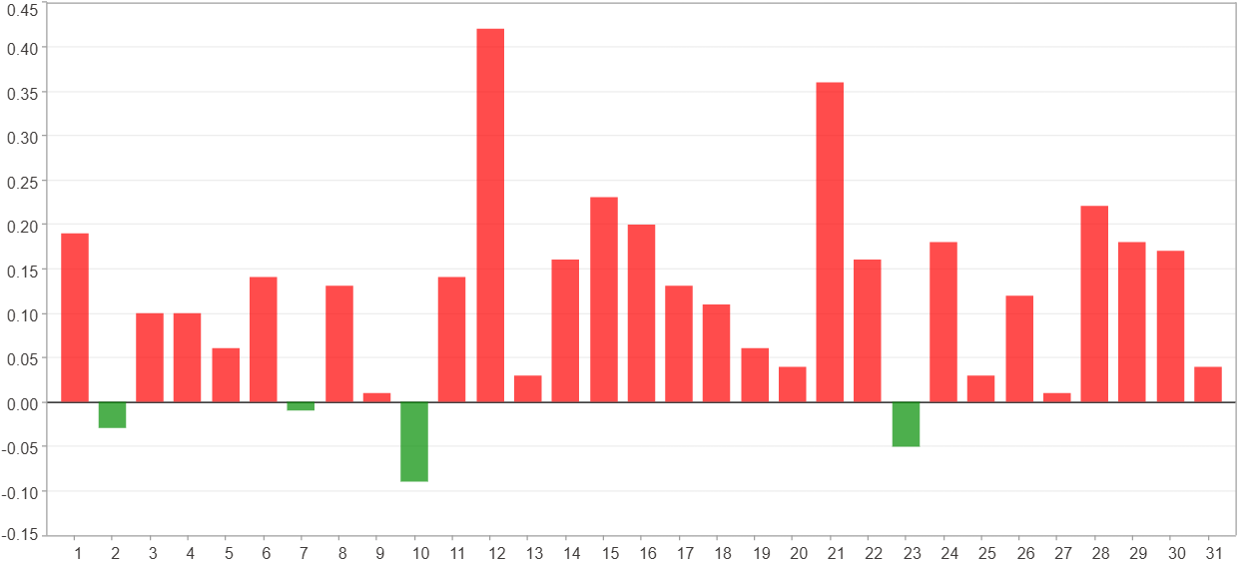

1日 - 31日(總計)($)
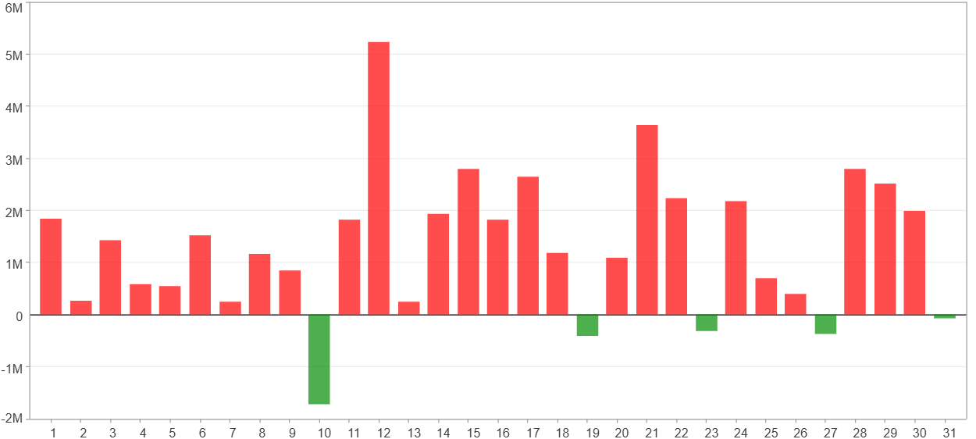

1日 - 31日(平均)($)
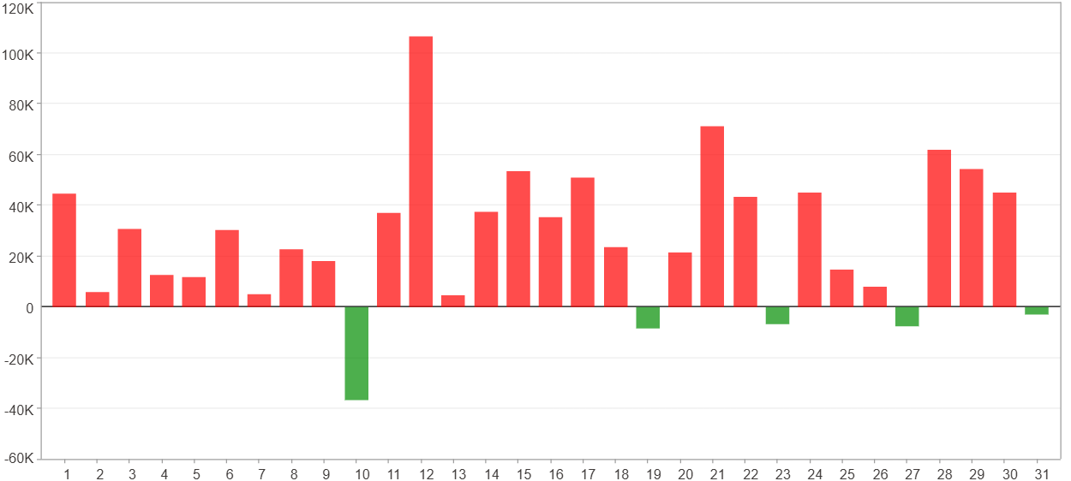

星期一 ~ 星期五(總計)(%)
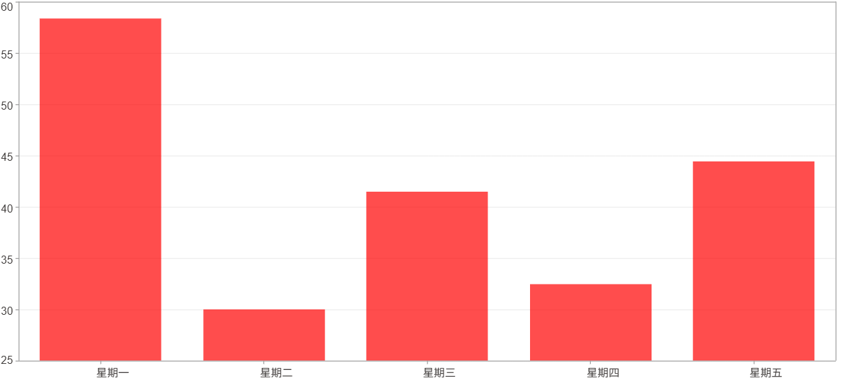

星期一 ~ 星期五(平均)(%)
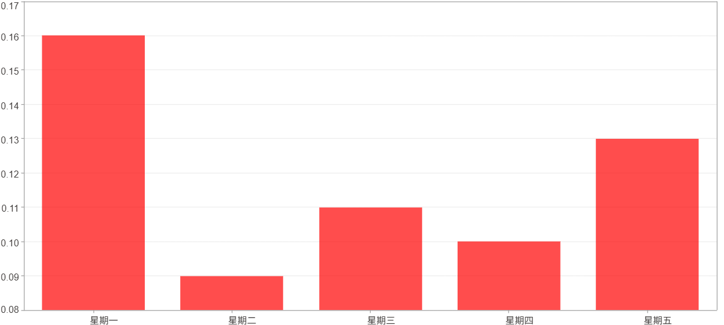

星期一 ~ 星期五(總計)($)
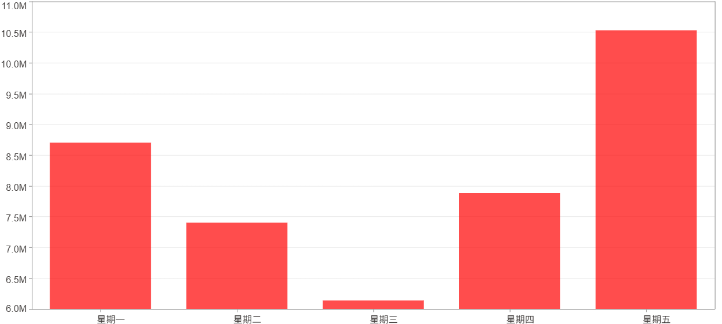

星期一 ~ 星期五(平均)($)
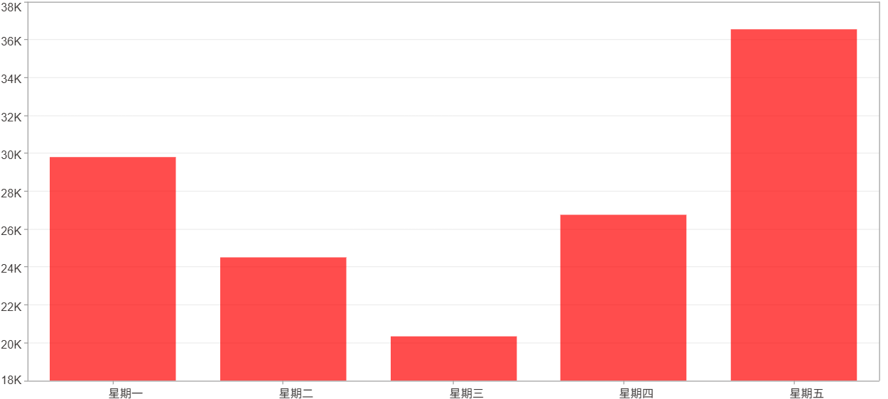

每一日(%)
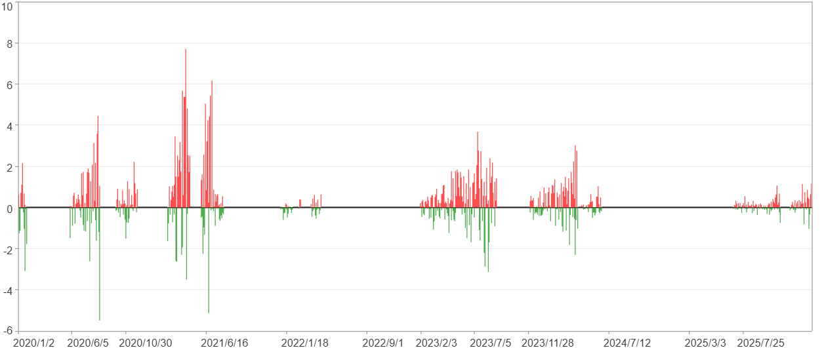

每一日($)

週期分析(月)
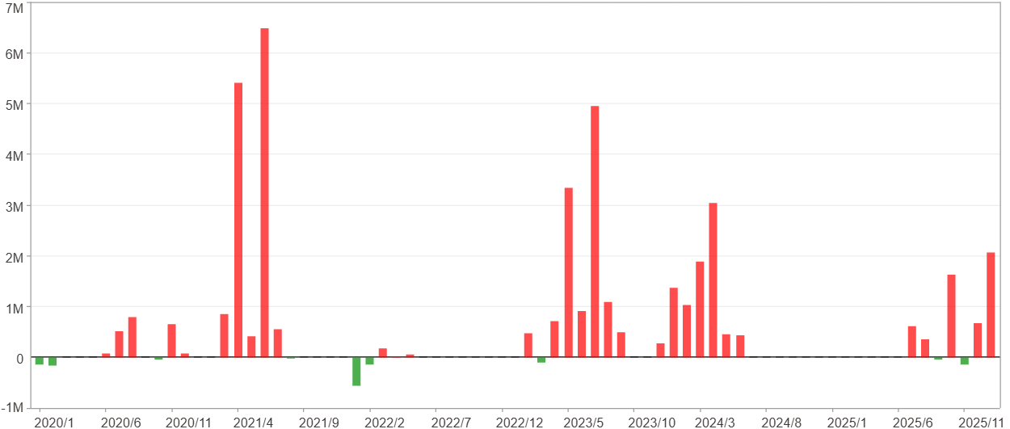
週期分析(月)

項目 | $ | %
淨利/最大投入報酬率 | 40,670,150 | 457.08%
勝率 | 43.84% | 43.84%
最大區間獲利 | 13,726,483 | 128.25%
最大區間虧損 | -698,296 | -3.36%
獲利因子 | 31.85 | 31.85
總交易月數 | 73 | 73
獲利交易月數 | 32 | 32
虧損交易月數 | 9 | 9
毛利 | 41,988,422 | 471.89%
毛損 | -1,318,272 | -14.82%
最大單月獲利 | 6,492,397 | 46.84%
最大單月虧損 | -554,010 | -2.27%
平均單月金額變動 | 557,125 | 2.38%
平均單月獲利金額變動 | 1,312,138 | 5.76%
平均單月虧損金額變動 | -146,475 | -0.83%
平均單月獲利虧損比 | 8.96 | 8.96
1月 - 12月(總計)(%)
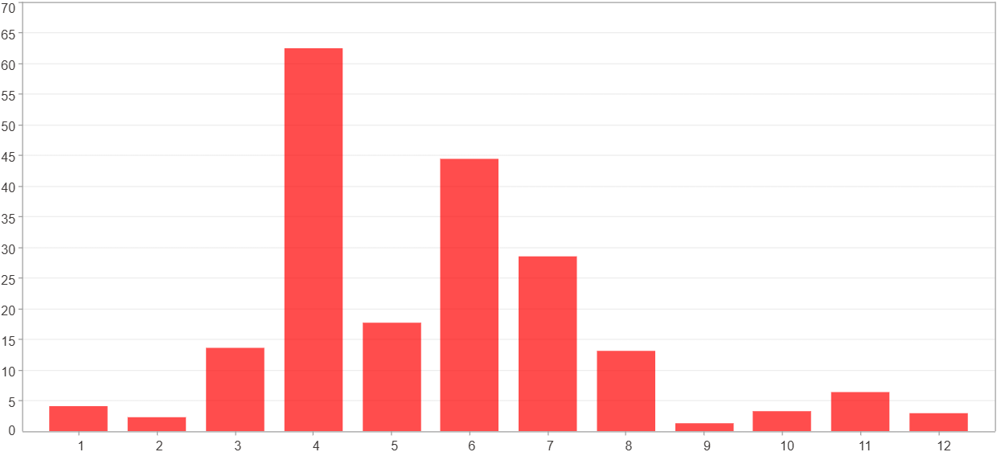

1月 - 12月(總計)($)
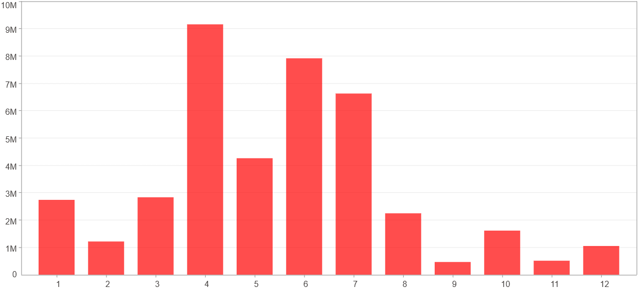

1月 - 12月(平均)(%)
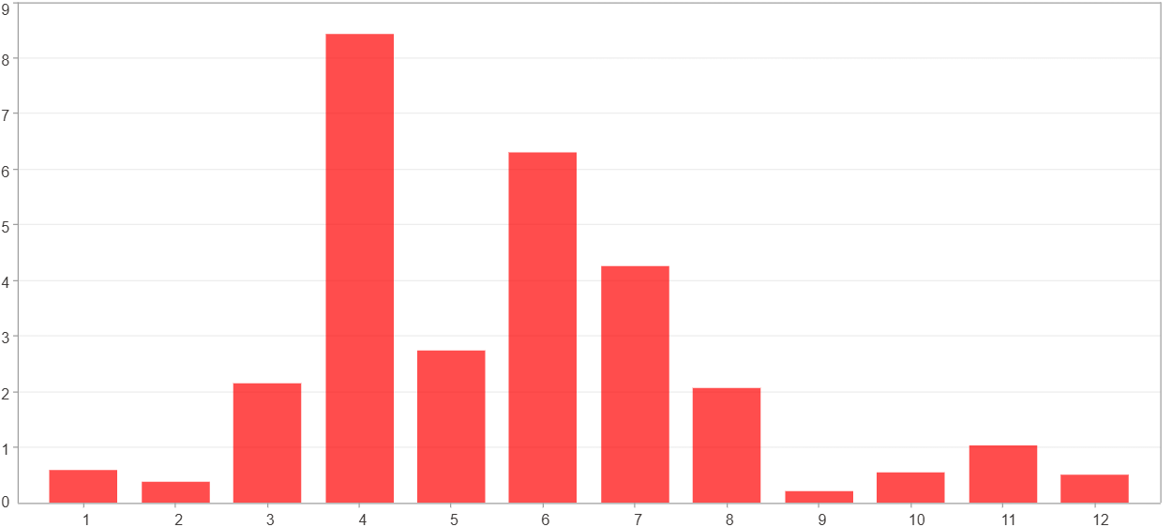

1月 - 12月(平均)($)
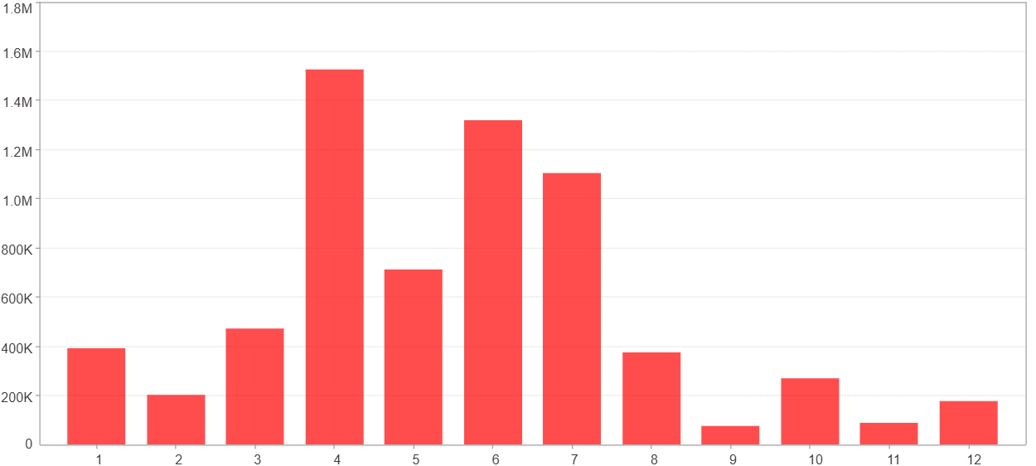

每一月(%)
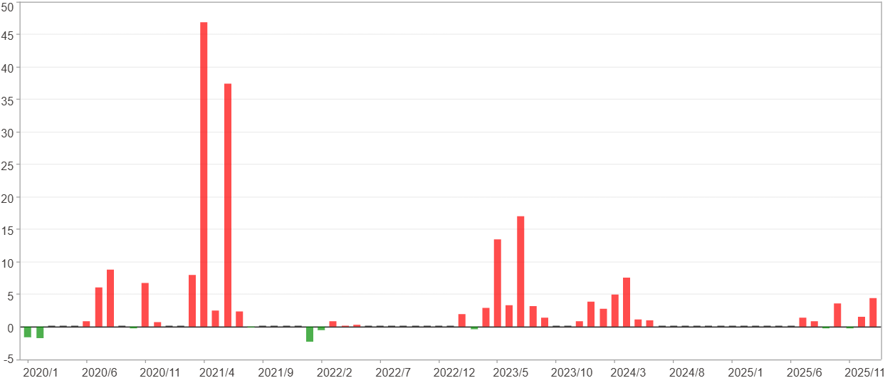

每一月($)

週期分析(季)
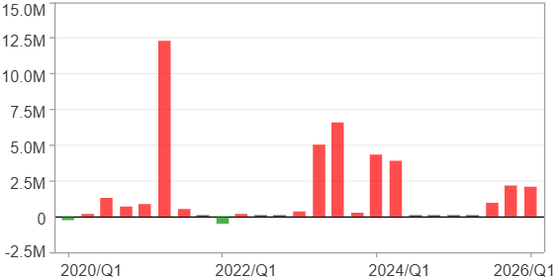
週期分析(季)

項目 | $ | %
淨利/最大投入報酬率 | 40,670,150 | 457.08%
勝率 | 64% | 64%
最大區間獲利 | 20,421,728 | 184.05%
最大區間虧損 | -511,319 | -3.36%
獲利因子 | 51.19 | 51.19
總交易季數 | 25 | 25
獲利交易季數 | 16 | 16
虧損交易季數 | 2 | 2
毛利 | 41,480,397 | 466.18%
毛損 | -810,247 | -9.11%
最大單季獲利 | 12,326,546 | 106.7%
最大單季虧損 | -511,319 | -3.36%
平均單季金額變動 | 1,626,806 | 7.11%
平均單季獲利金額變動 | 2,592,525 | 11.72%
平均單季虧損金額變動 | -405,123 | -2.73%
平均單季獲利虧損比 | 6.4 | 6.4
第一季 ~ 第四季(總計)(%)
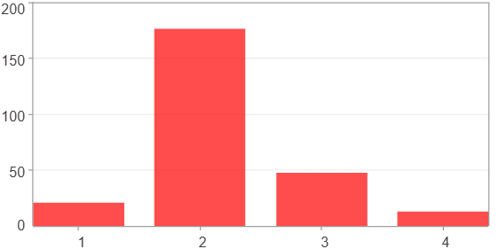

第一季 ~ 第四季(總計)($)
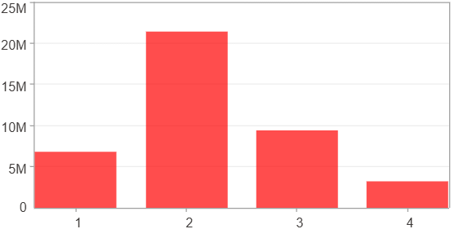

第一季 ~ 第四季(平均)(%)
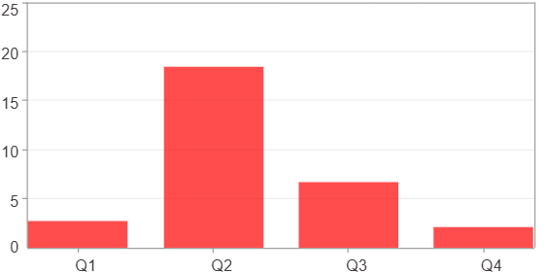

第一季 ~ 第四季(平均)($)
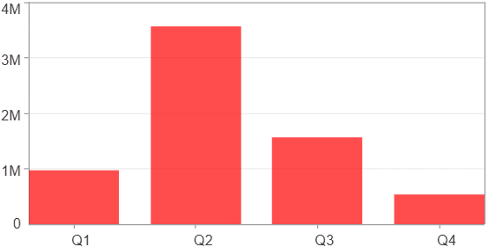

每一季(%)
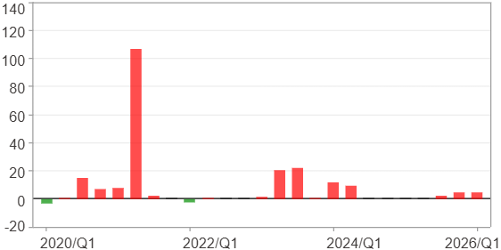

每一季($)

週期分析(年)
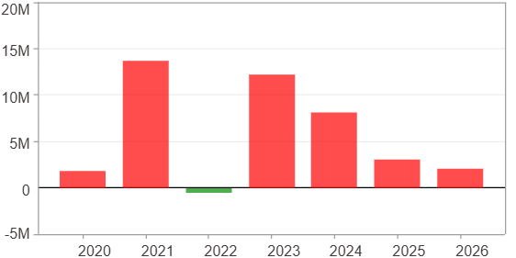
週期分析(年)

項目 | $ | %
淨利/最大投入報酬率 | 40,670,150 | 457.08%
勝率 | 85.71% | 85.71%
最大區間獲利 | 25,594,168 | 174.5%
最大區間虧損 | -451,048 | -1.85%
獲利因子 | 91.17 | 91.17
總交易年數 | 7 | 7
獲利交易年數 | 6 | 6
虧損交易年數 | 1 | 1
毛利 | 41,121,198 | 462.15%
毛損 | -451,048 | -5.07%
最大單年獲利 | 13,722,091 | 128.21%
最大單年虧損 | -451,048 | -1.85%
平均單年金額變動 | 5,810,021 | 27.81%
平均單年獲利金額變動 | 6,853,533 | 33.56%
平均單年虧損金額變動 | -451,048 | -1.85%
平均單年獲利虧損比 | 15.19 | 15.19
每一年(%)
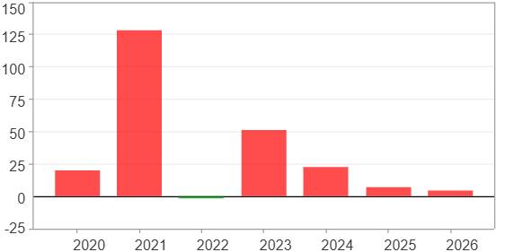

每一年($)

