整體統計
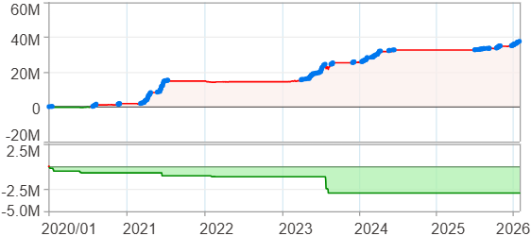
回測整體統計

回測資料範圍 | 2020/01/01 - 2026/01/29 (日資料) (逐筆洗價)
執行商品個數 | 100(成功)0(失敗)
回測執行時間 | 2026/01/29 15:04 (總時間: 51秒, 準備時間 0秒, 回測時間: 51秒)
交易腳本 | 260129_強勢股加碼-歸因分析
初始資金 | 1000萬元
交易費用 | 股票0.2%(成交金額)、期貨 100 元(口)

項目 | 全部 |  | 做多 |  | 做空
淨利 | 37,499,498 | 374.99% | 37,499,498 | 374.99% | 0 | 0.00%
毛利 | 40,305,875 | 403.06% | 40,305,875 | 403.06% | 0 | 0.00%
獲利因子 | 14.36 |  | 14.36 |  | n/a
毛損 | -2,806,382 | -28.06% | -2,806,382 | -28.06% | 0 | 0.00%
總交易成本 | 519,432 | 5.19% | 519,432 | 5.19% | 0 | 0.00%
最大投入金額 | 8,281,191 |  | 8,281,191 |  | 12,356,500
總交易次數 | 187 |  | 187 |  | 0
獲利交易次數 | 137 |  | 137 |  | 0
勝率 | 73.26% |  | 73.26% |  | 0.00%
虧損交易次數 | 50 |  | 50 |  | 0
平均交易 | 200,532 | 2.01% | 200,532 | 2.01% | 0 | 0.00%
平均獲利交易 | 294,203 | 2.94% | 294,203 | 2.94% | 0 | 0.00%
平均獲利虧損比 | 5.24 |  | 5.24 |  | 0.00
平均虧損交易 | -56,128 | -0.56% | -56,128 | -0.56% | 0 | 0.00%
最大獲利交易 | 2,092,510 | 20.93% | 2,092,510 | 20.93% | 0 | 0.00%
最大虧損交易 | -230,514 | -2.31% | -230,514 | -2.31% | 0 | 0.00%
最大區間獲利 | 38,120,692 | 381.21% | 38,120,692 | 381.21% | 38,120,692 | 381.21%
最大區間虧損 | -2,967,619 | -29.68% | -2,967,619 | -29.68% | -2,967,619 | -29.68%
全部交易的平均持倉K線根數 | 28.61 |  | 28.61 |  | 0.00
獲利交易的平均持倉K線根數 | 32.73 |  | 32.73 |  | 0.00
回測K線根數 | 1479 |  | 1479 |  | 1479
虧損交易的平均持倉K線根數 | 17.32 |  | 17.32 |  | 0.00
時間加權報酬 | 604,308,294 | 6043.08% | 604,308,294 | 6043.08% | 0 | 0.00%
最大投入報酬率 | 37,499,498 | 452.83% | 37,499,498 | 452.83% | 0 | 0.00%
買進持有報酬 | 52,711,948 | 527.12% | 52,711,948 | 527.12% | 52,711,948 | 527.12%
大盤指數報酬 | 23,106,999 | 231.07% | 23,106,999 | 231.07% | 23,106,999 | 231.07%

執行失敗商品
商品名稱 | 狀態 | 說明

最大持倉報酬率圖
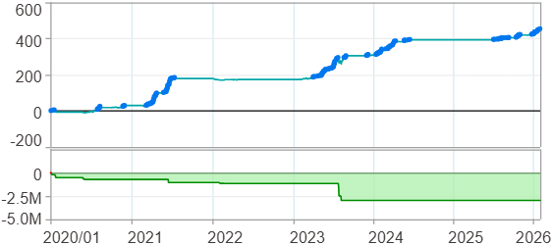

時間加權報酬率圖
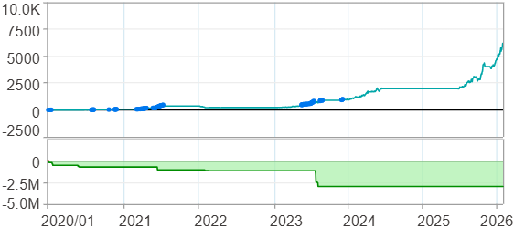

淨利曲線圖

週期分析(日)
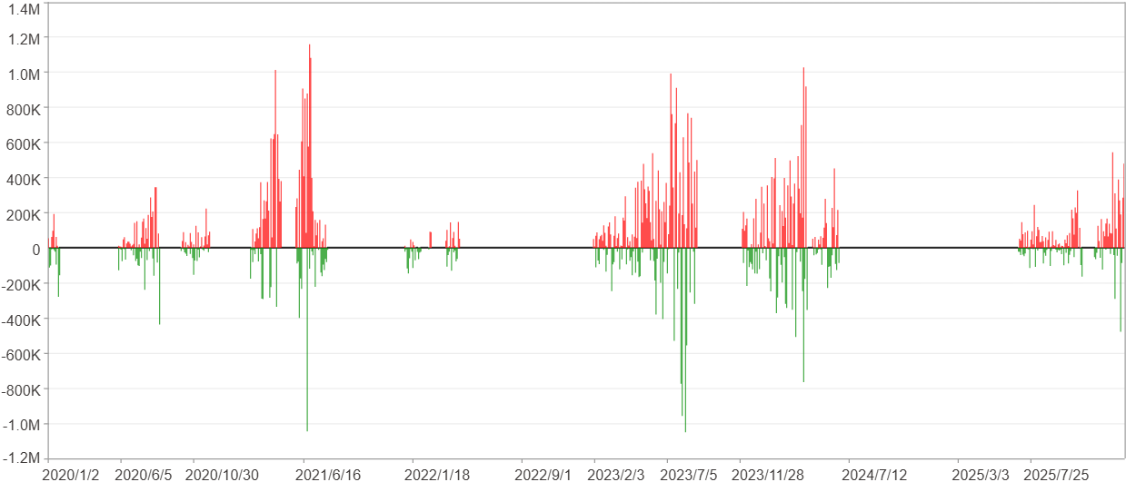
週期分析(日)

項目 | $ | %
淨利/最大投入報酬率 | 37,498,444 | 452.81%
勝率 | 25.69% | 25.69%
最大區間獲利 | 3,644,550 | 23.64%
最大區間虧損 | -2,481,725 | -7.58%
獲利因子 | 2.24 | 2.24
總交易日數 | 1479 | 1479
獲利交易日數 | 380 | 380
虧損交易日數 | 265 | 265
毛利 | 67,857,662 | 819.42%
毛損 | -30,359,218 | -366.6%
最大單日獲利 | 1,160,449 | 7.36%
最大單日虧損 | -1,051,006 | -5.2%
平均單日金額變動 | 25,354 | 0.12%
平均單日獲利金額變動 | 178,573 | 0.82%
平均單日虧損金額變動 | -114,563 | -0.52%
平均單日獲利虧損比 | 1.56 | 1.56
1日 - 31日(總計)(%)
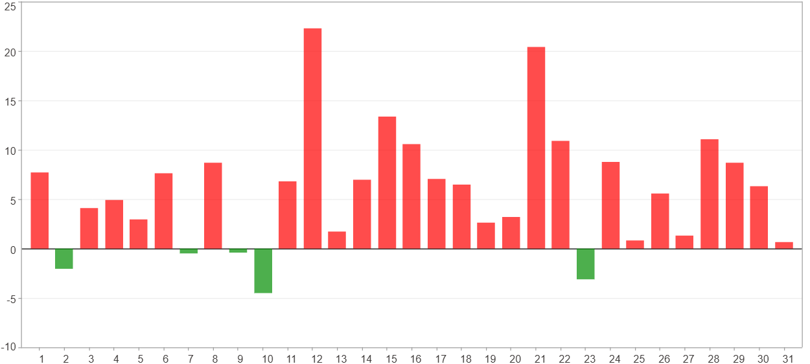

1日 - 31日(平均)(%)
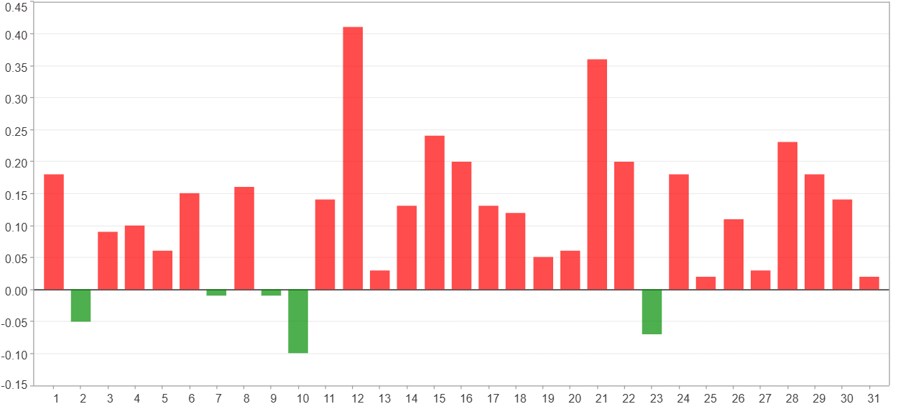

1日 - 31日(總計)($)
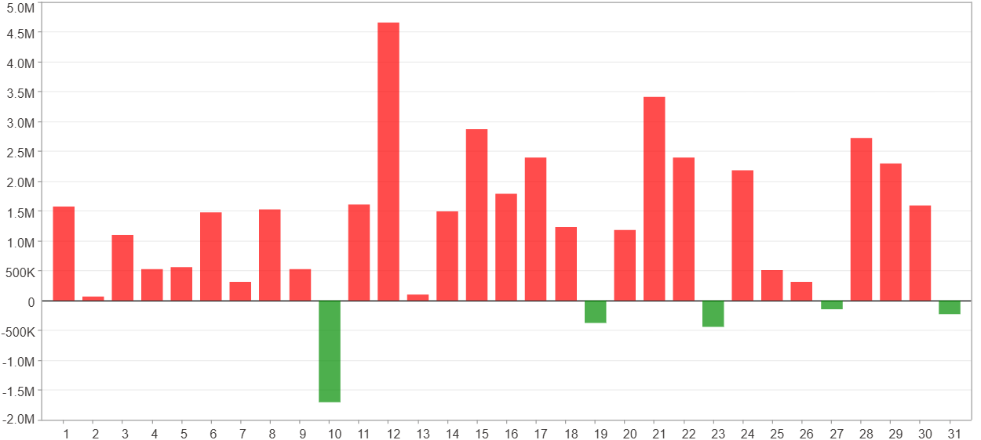

1日 - 31日(平均)($)
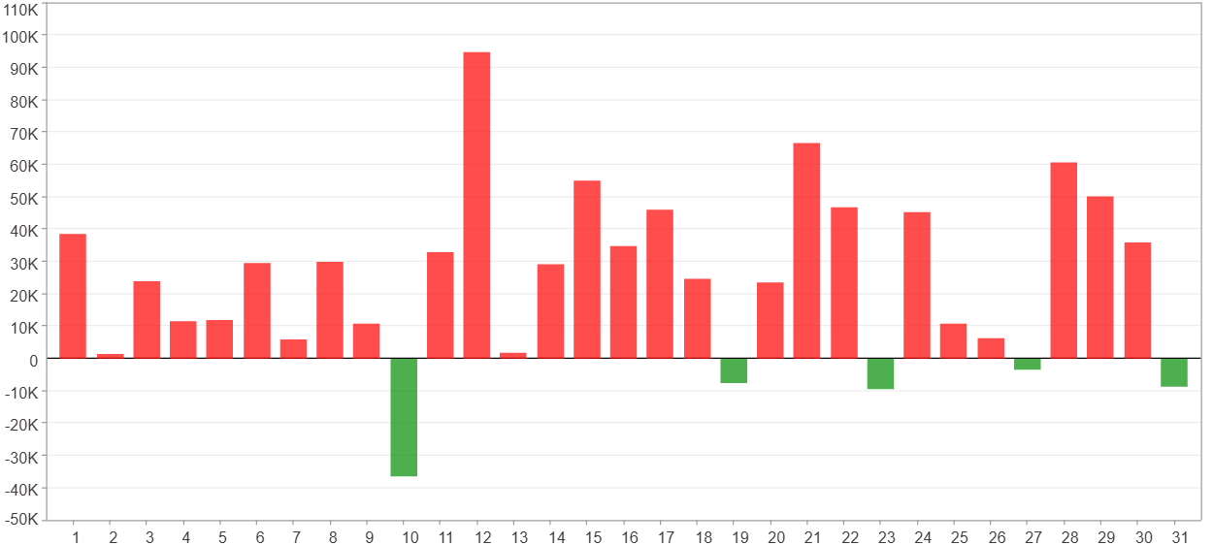

星期一 ~ 星期五(總計)(%)
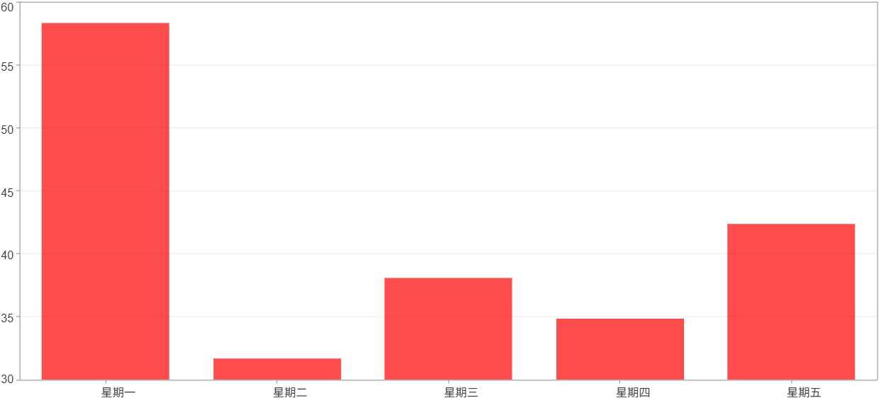

星期一 ~ 星期五(平均)(%)
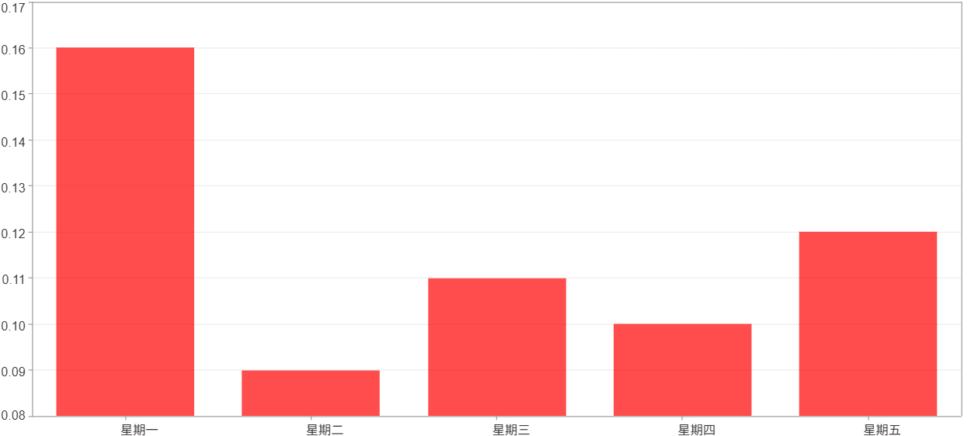

星期一 ~ 星期五(總計)($)
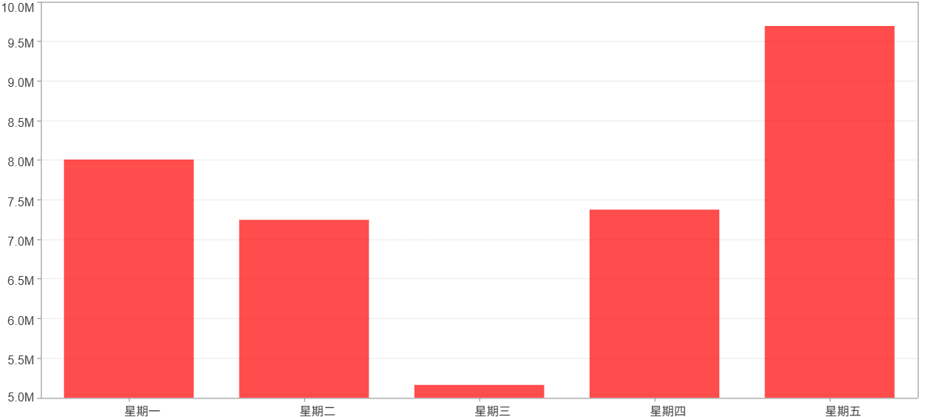

星期一 ~ 星期五(平均)($)
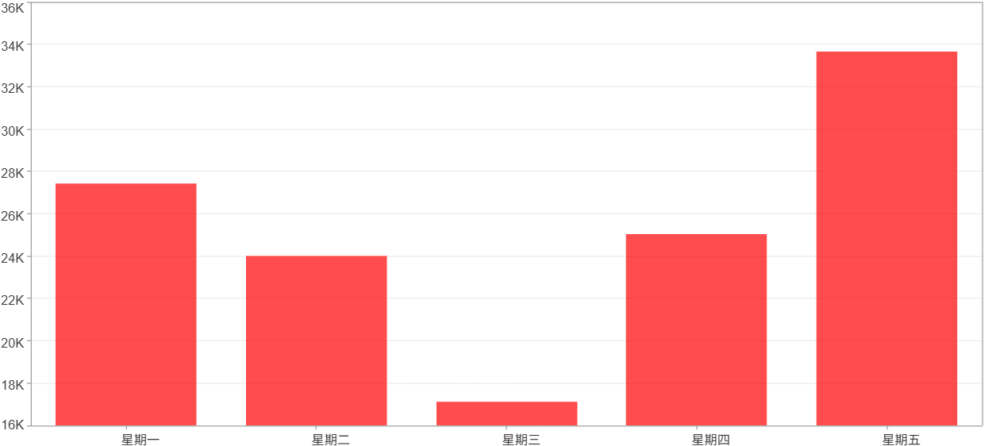

每一日(%)
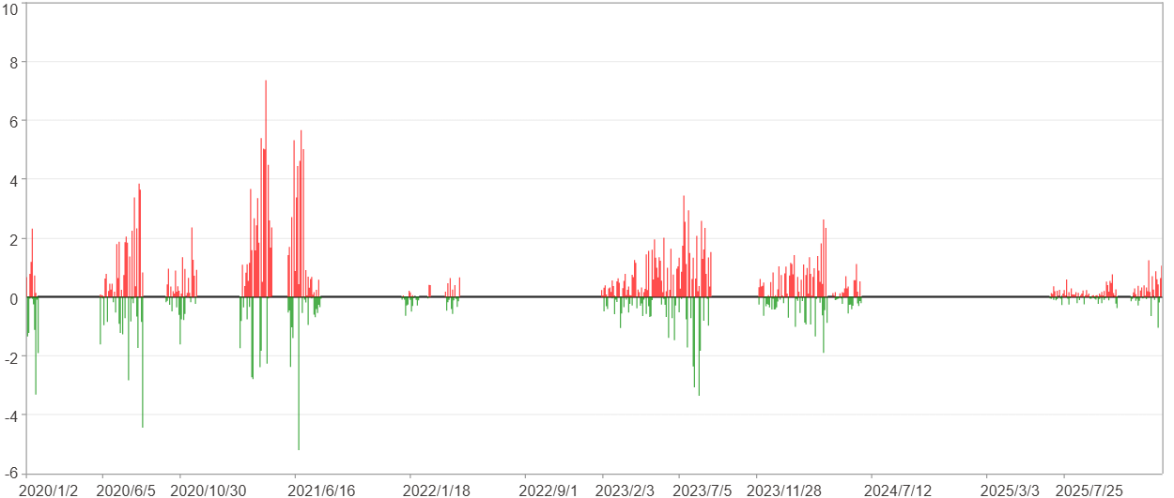

每一日($)

週期分析(月)
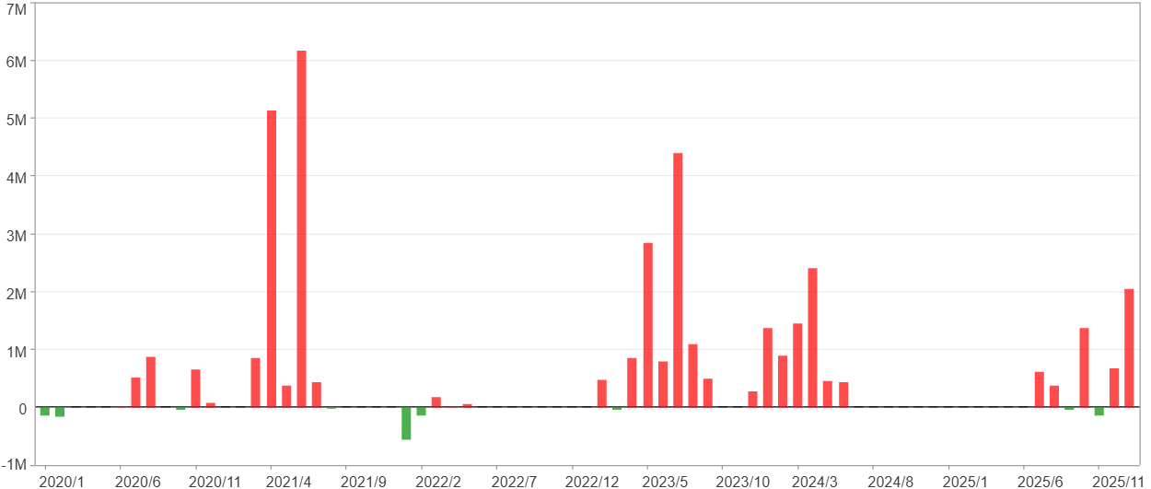
週期分析(月)

項目 | $ | %
淨利/最大投入報酬率 | 37,498,444 | 452.81%
勝率 | 43.84% | 43.84%
最大區間獲利 | 12,985,466 | 128.55%
最大區間虧損 | -698,296 | -3.61%
獲利因子 | 30.99 | 30.99
總交易月數 | 73 | 73
獲利交易月數 | 32 | 32
虧損交易月數 | 9 | 9
毛利 | 38,748,738 | 467.91%
毛損 | -1,250,294 | -15.1%
最大單月獲利 | 6,166,703 | 46.97%
最大單月虧損 | -554,010 | -2.4%
平均單月金額變動 | 513,677 | 2.37%
平均單月獲利金額變動 | 1,210,898 | 5.74%
平均單月虧損金額變動 | -138,922 | -0.85%
平均單月獲利虧損比 | 8.72 | 8.72
1月 - 12月(總計)(%)
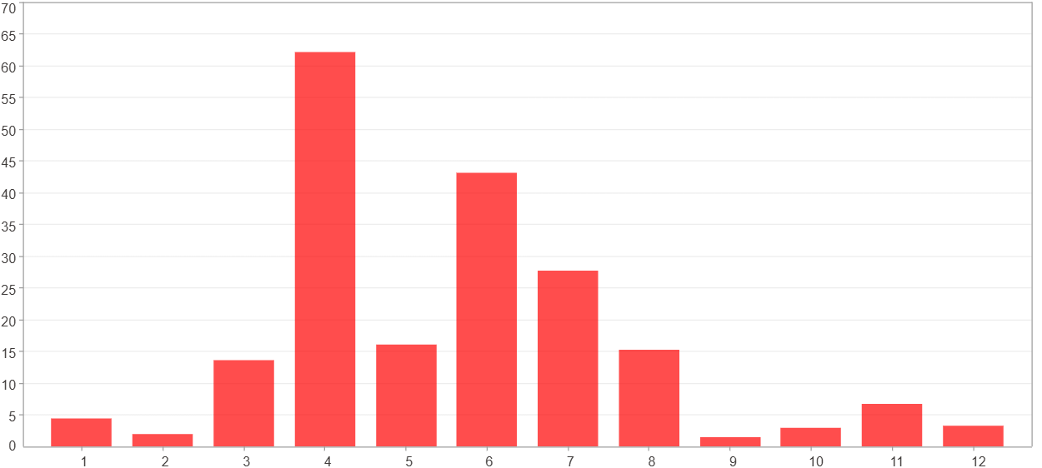

1月 - 12月(總計)($)
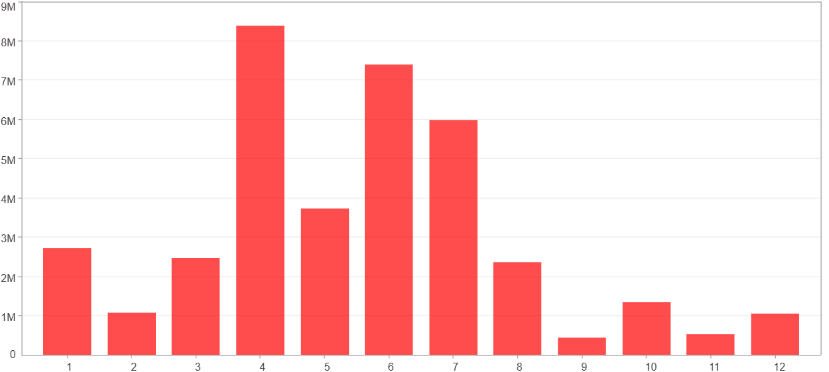

1月 - 12月(平均)(%)
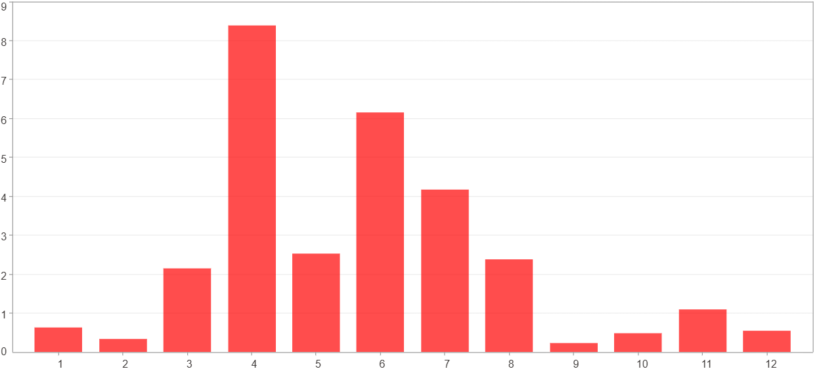

1月 - 12月(平均)($)
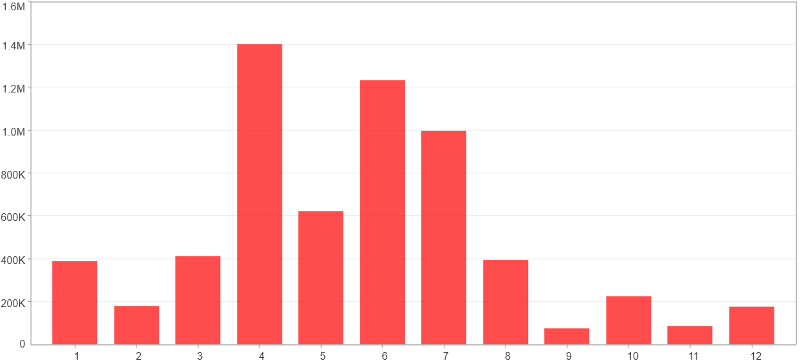

每一月(%)
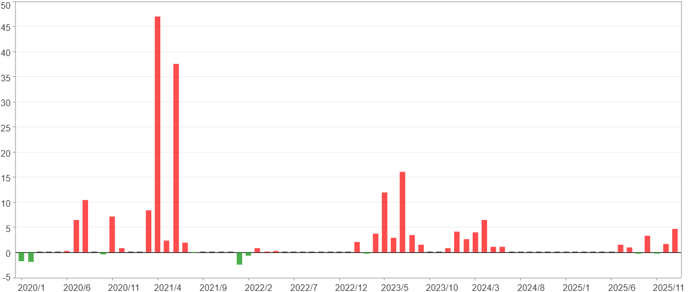

每一月($)

週期分析(季)
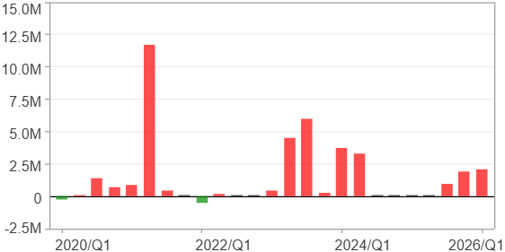
週期分析(季)

項目 | $ | %
淨利/最大投入報酬率 | 37,498,444 | 452.81%
勝率 | 64% | 64%
最大區間獲利 | 18,228,872 | 189.18%
最大區間虧損 | -511,319 | -3.61%
獲利因子 | 47.28 | 47.28
總交易季數 | 25 | 25
獲利交易季數 | 16 | 16
虧損交易季數 | 2 | 2
毛利 | 38,308,691 | 462.6%
毛損 | -810,247 | -9.78%
最大單季獲利 | 11,690,973 | 106.76%
最大單季虧損 | -511,319 | -3.61%
平均單季金額變動 | 1,499,938 | 7.08%
平均單季獲利金額變動 | 2,394,293 | 11.69%
平均單季虧損金額變動 | -405,123 | -2.91%
平均單季獲利虧損比 | 5.91 | 5.91
第一季 ~ 第四季(總計)(%)
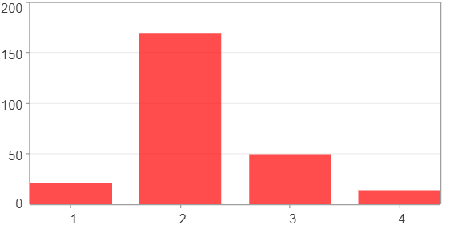

第一季 ~ 第四季(總計)($)
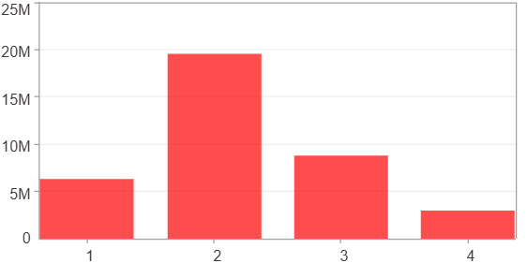

第一季 ~ 第四季(平均)(%)
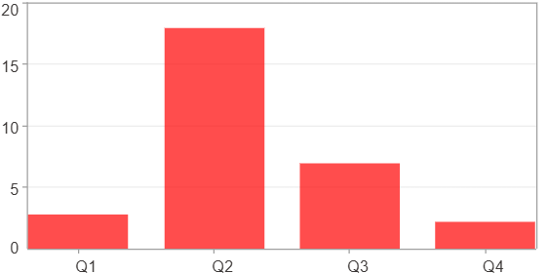

第一季 ~ 第四季(平均)($)
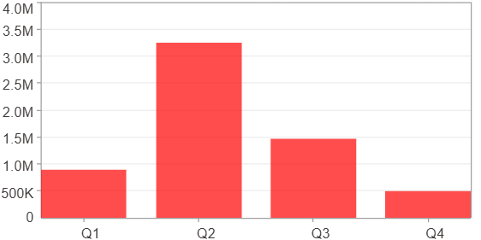

每一季(%)
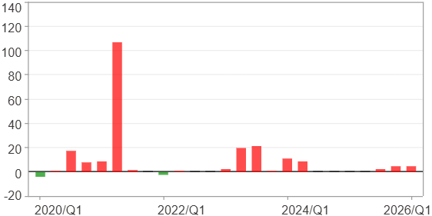

每一季($)

週期分析(年)
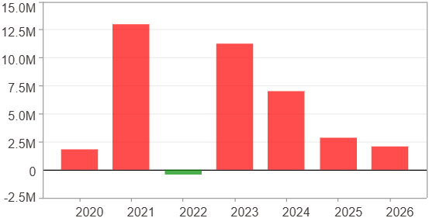
週期分析(年)

項目 | $ | %
淨利/最大投入報酬率 | 37,498,444 | 452.81%
勝率 | 85.71% | 85.71%
最大區間獲利 | 23,147,859 | 178.74%
最大區間虧損 | -451,048 | -1.95%
獲利因子 | 84.14 | 84.14
總交易年數 | 7 | 7
獲利交易年數 | 6 | 6
虧損交易年數 | 1 | 1
毛利 | 37,949,492 | 458.26%
毛損 | -451,048 | -5.45%
最大單年獲利 | 12,981,074 | 128.5%
最大單年虧損 | -451,048 | -1.95%
平均單年金額變動 | 5,356,921 | 27.67%
平均單年獲利金額變動 | 6,324,915 | 33.41%
平均單年虧損金額變動 | -451,048 | -1.95%
平均單年獲利虧損比 | 14.02 | 14.02
每一年(%)
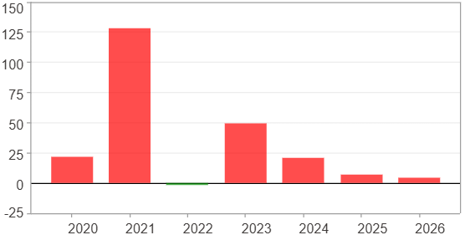

每一年($)

