整體統計
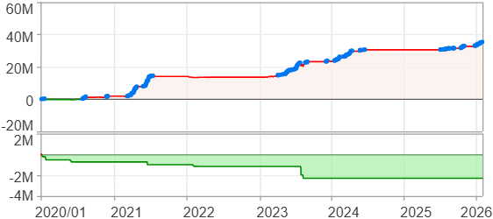
回測整體統計

回測資料範圍 | 2020/01/01 - 2026/01/29 (日資料) (逐筆洗價)
執行商品個數 | 100(成功)0(失敗)
回測執行時間 | 2026/01/29 15:08 (總時間: 54秒, 準備時間 1秒, 回測時間: 53秒)
交易腳本 | 260129_強勢股加碼-歸因分析
初始資金 | 1000萬元
交易費用 | 股票0.2%(成交金額)、期貨 100 元(口)

項目 | 全部 |  | 做多 |  | 做空
淨利 | 35,252,443 | 352.52% | 35,252,443 | 352.52% | 0 | 0.00%
毛利 | 38,058,820 | 380.59% | 38,058,820 | 380.59% | 0 | 0.00%
獲利因子 | 13.56 |  | 13.56 |  | n/a
毛損 | -2,806,382 | -28.06% | -2,806,382 | -28.06% | 0 | 0.00%
總交易成本 | 514,926 | 5.15% | 514,926 | 5.15% | 0 | 0.00%
最大投入金額 | 8,281,191 |  | 8,281,191 |  | 12,356,500
總交易次數 | 192 |  | 192 |  | 0
獲利交易次數 | 142 |  | 142 |  | 0
勝率 | 73.96% |  | 73.96% |  | 0.00%
虧損交易次數 | 50 |  | 50 |  | 0
平均交易 | 183,606 | 1.84% | 183,606 | 1.84% | 0 | 0.00%
平均獲利交易 | 268,020 | 2.68% | 268,020 | 2.68% | 0 | 0.00%
平均獲利虧損比 | 4.78 |  | 4.78 |  | 0.00
平均虧損交易 | -56,128 | -0.56% | -56,128 | -0.56% | 0 | 0.00%
最大獲利交易 | 2,092,510 | 20.93% | 2,092,510 | 20.93% | 0 | 0.00%
最大虧損交易 | -230,514 | -2.31% | -230,514 | -2.31% | 0 | 0.00%
最大區間獲利 | 35,883,995 | 358.84% | 35,883,995 | 358.84% | 35,883,995 | 358.84%
最大區間虧損 | -2,297,498 | -22.97% | -2,297,498 | -22.97% | -2,297,498 | -22.97%
全部交易的平均持倉K線根數 | 28.01 |  | 28.01 |  | 0.00
獲利交易的平均持倉K線根數 | 31.77 |  | 31.77 |  | 0.00
回測K線根數 | 1479 |  | 1479 |  | 1479
虧損交易的平均持倉K線根數 | 17.32 |  | 17.32 |  | 0.00
時間加權報酬 | 562,939,925 | 5629.40% | 562,939,925 | 5629.40% | 0 | 0.00%
最大投入報酬率 | 35,252,443 | 425.69% | 35,252,443 | 425.69% | 0 | 0.00%
買進持有報酬 | 52,711,948 | 527.12% | 52,711,948 | 527.12% | 52,711,948 | 527.12%
大盤指數報酬 | 23,106,999 | 231.07% | 23,106,999 | 231.07% | 23,106,999 | 231.07%

執行失敗商品
商品名稱 | 狀態 | 說明

最大持倉報酬率圖
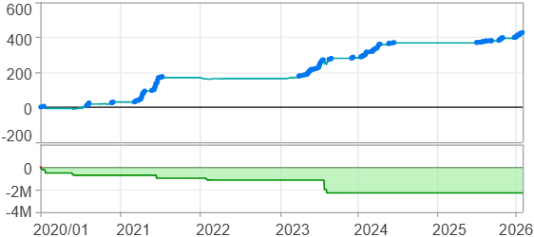

時間加權報酬率圖
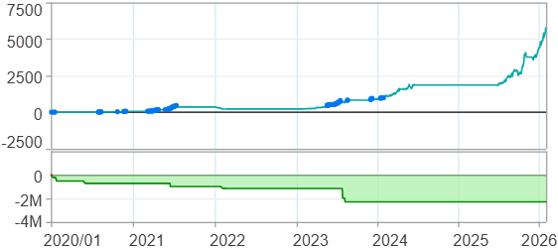

淨利曲線圖

週期分析(日)
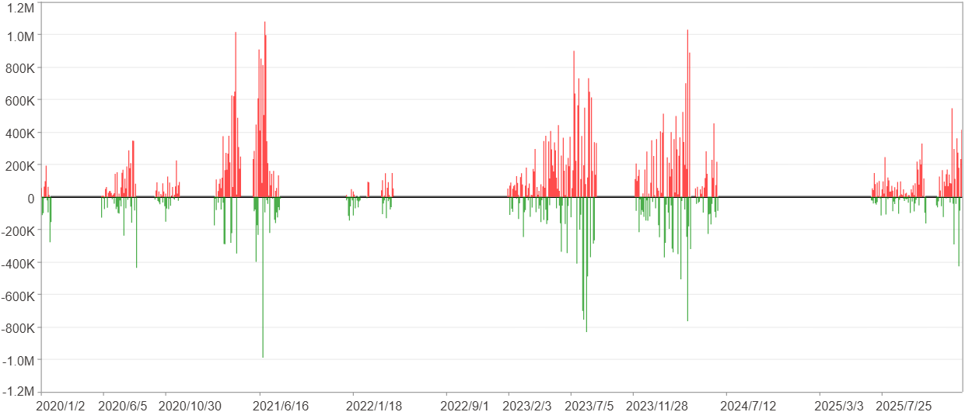
週期分析(日)

項目 | $ | %
淨利/最大投入報酬率 | 35,251,382 | 425.68%
勝率 | 25.83% | 25.83%
最大區間獲利 | 3,644,550 | 23.64%
最大區間虧損 | -1,980,885 | -6.43%
獲利因子 | 2.2 | 2.2
總交易日數 | 1479 | 1479
獲利交易日數 | 382 | 382
虧損交易日數 | 263 | 263
毛利 | 64,617,988 | 780.3%
毛損 | -29,366,606 | -354.62%
最大單日獲利 | 1,079,449 | 7.36%
最大單日虧損 | -989,426 | -5.05%
平均單日金額變動 | 23,835 | 0.11%
平均單日獲利金額變動 | 169,157 | 0.8%
平均單日虧損金額變動 | -111,660 | -0.53%
平均單日獲利虧損比 | 1.51 | 1.51
1日 - 31日(總計)(%)
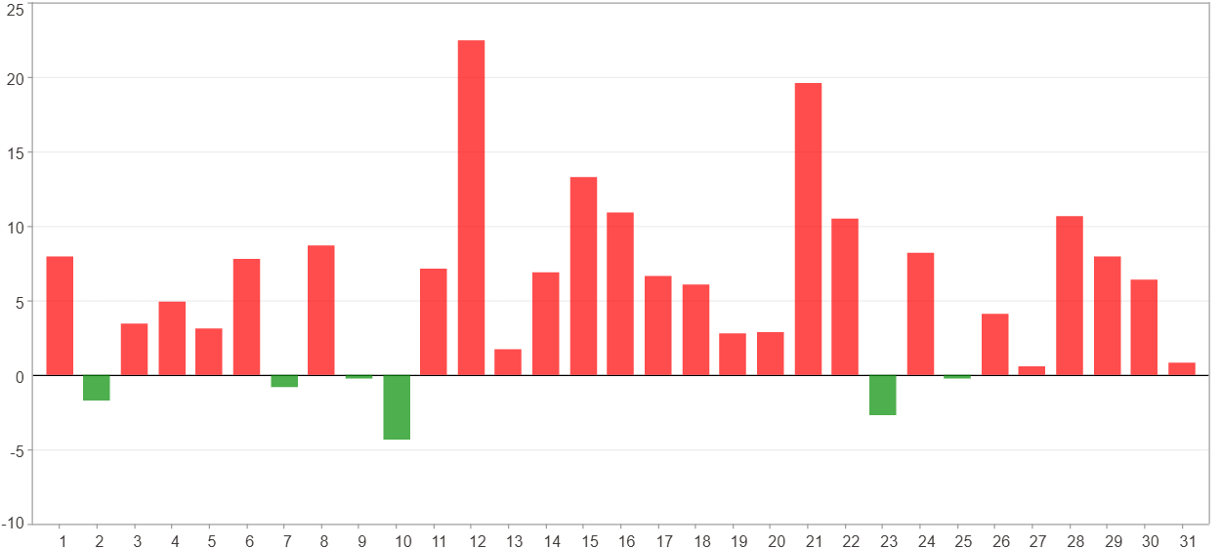

1日 - 31日(平均)(%)
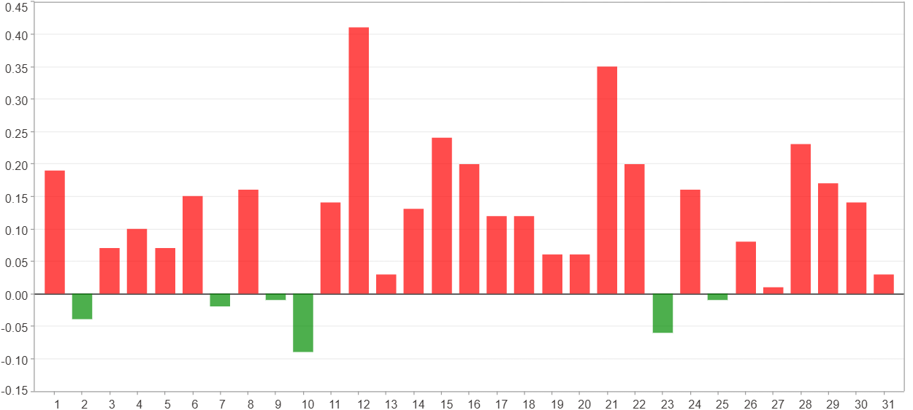

1日 - 31日(總計)($)
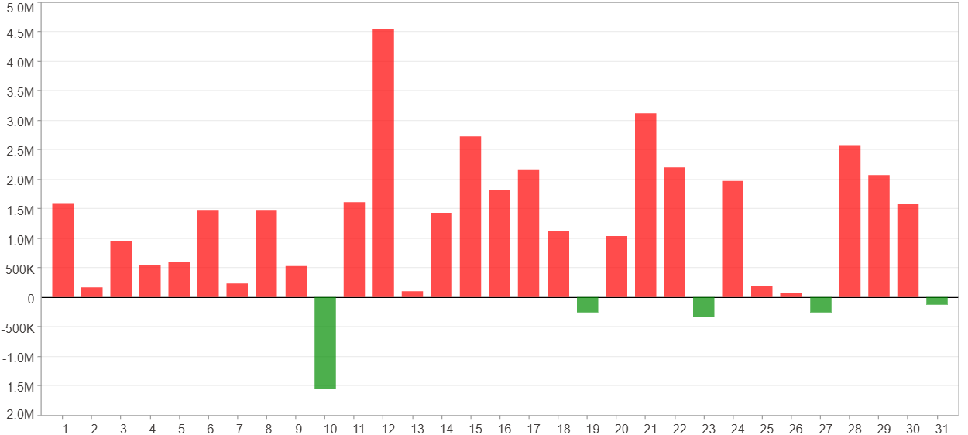

1日 - 31日(平均)($)
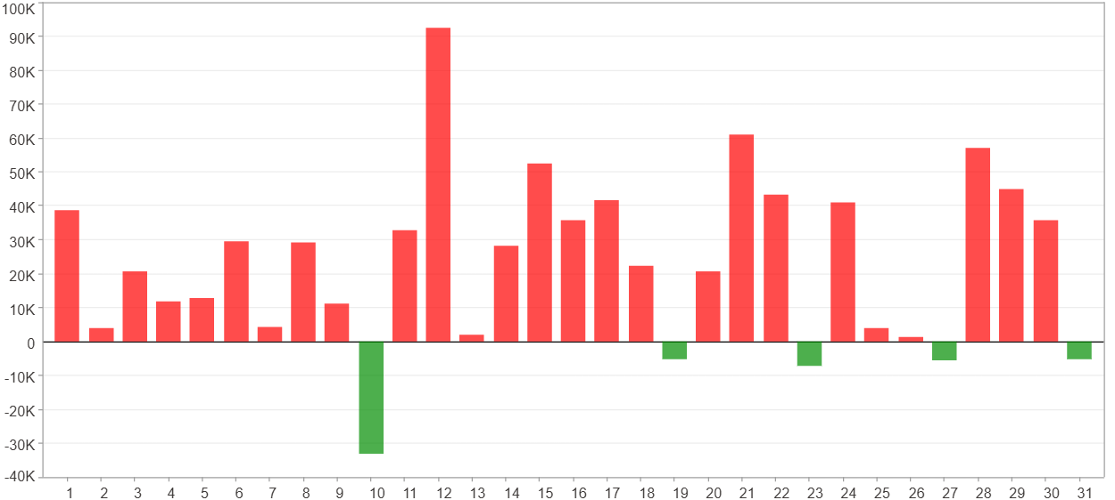

星期一 ~ 星期五(總計)(%)
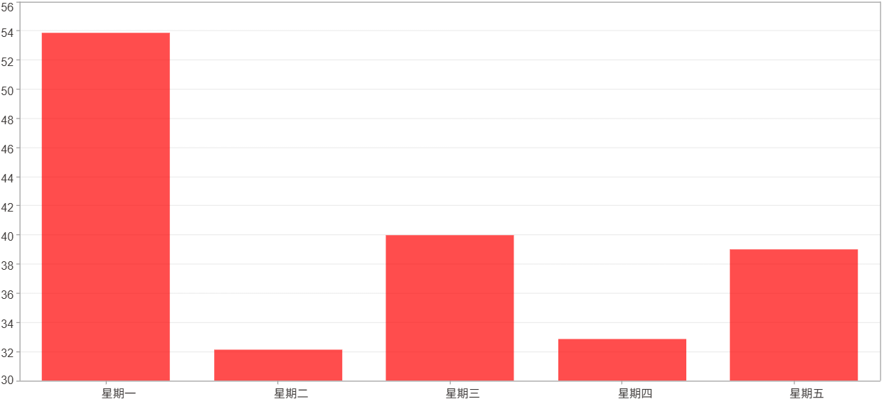

星期一 ~ 星期五(平均)(%)
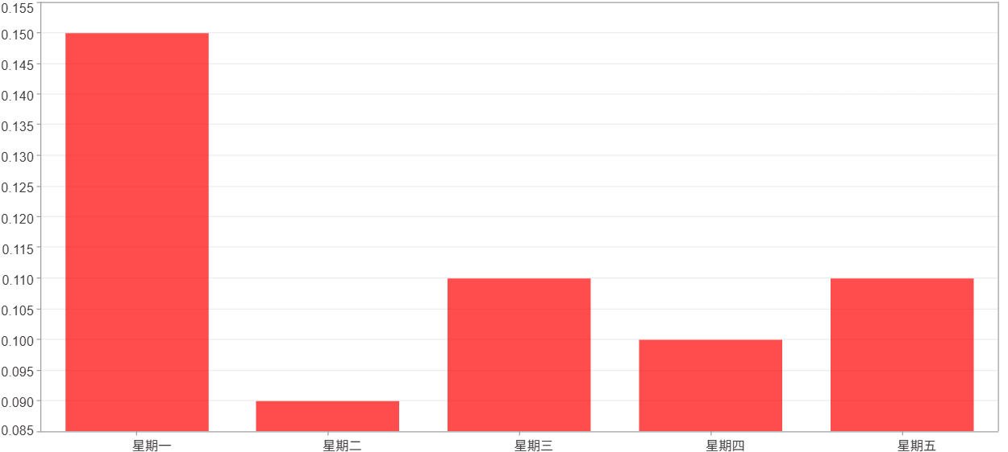

星期一 ~ 星期五(總計)($)
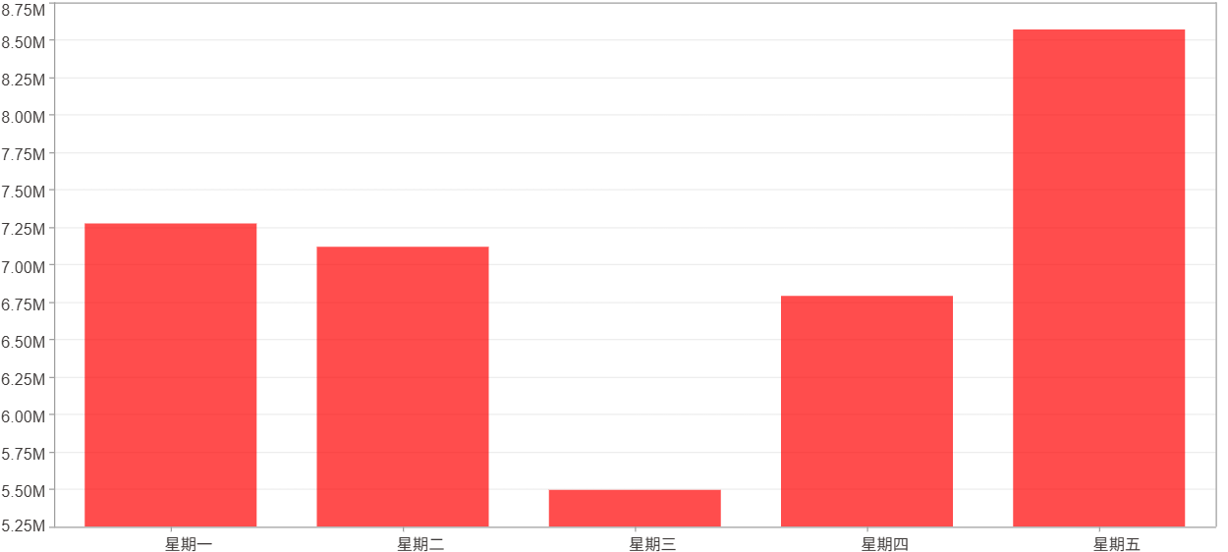

星期一 ~ 星期五(平均)($)
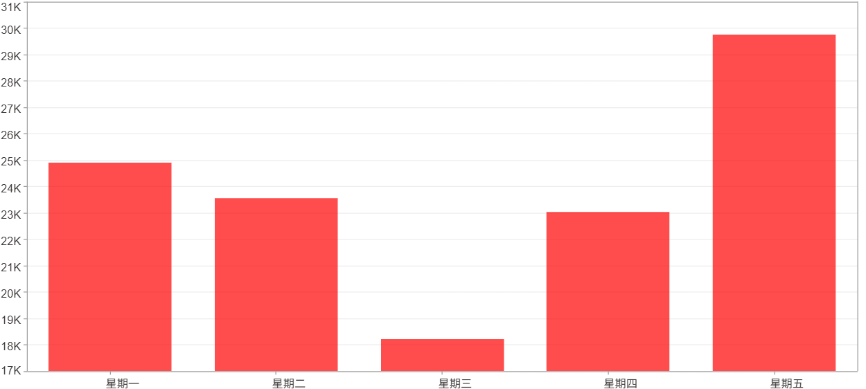

每一日(%)
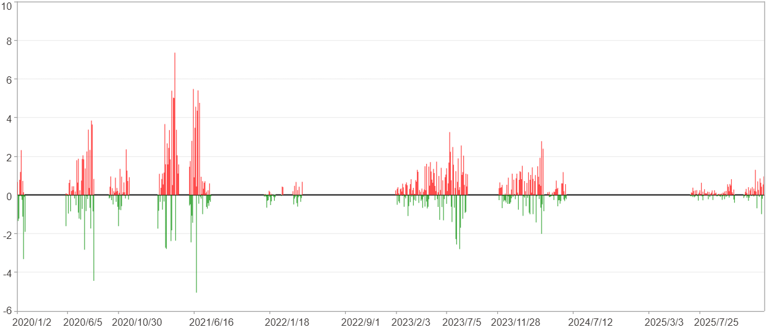

每一日($)

週期分析(月)
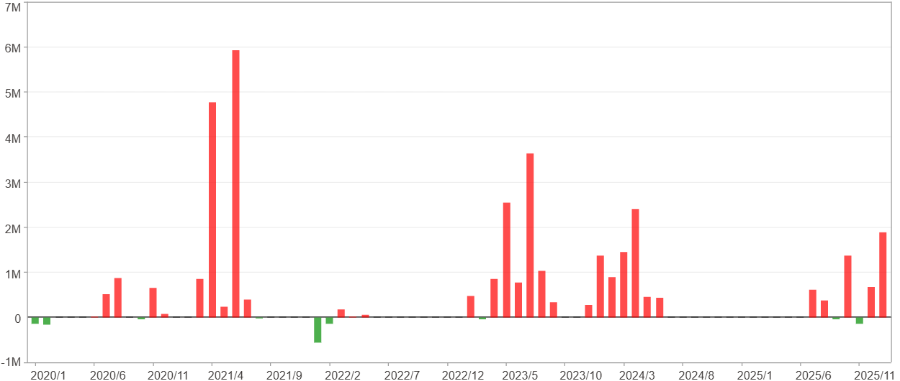
週期分析(月)

項目 | $ | %
淨利/最大投入報酬率 | 35,251,382 | 425.68%
勝率 | 43.84% | 43.84%
最大區間獲利 | 12,205,527 | 120.83%
最大區間虧損 | -698,296 | -3.61%
獲利因子 | 29.19 | 29.19
總交易月數 | 73 | 73
獲利交易月數 | 32 | 32
虧損交易月數 | 9 | 9
毛利 | 36,501,676 | 440.78%
毛損 | -1,250,294 | -15.1%
最大單月獲利 | 5,938,730 | 43.66%
最大單月虧損 | -554,010 | -2.48%
平均單月金額變動 | 482,896 | 2.3%
平均單月獲利金額變動 | 1,140,677 | 5.58%
平均單月虧損金額變動 | -138,922 | -0.86%
平均單月獲利虧損比 | 8.21 | 8.21
1月 - 12月(總計)(%)
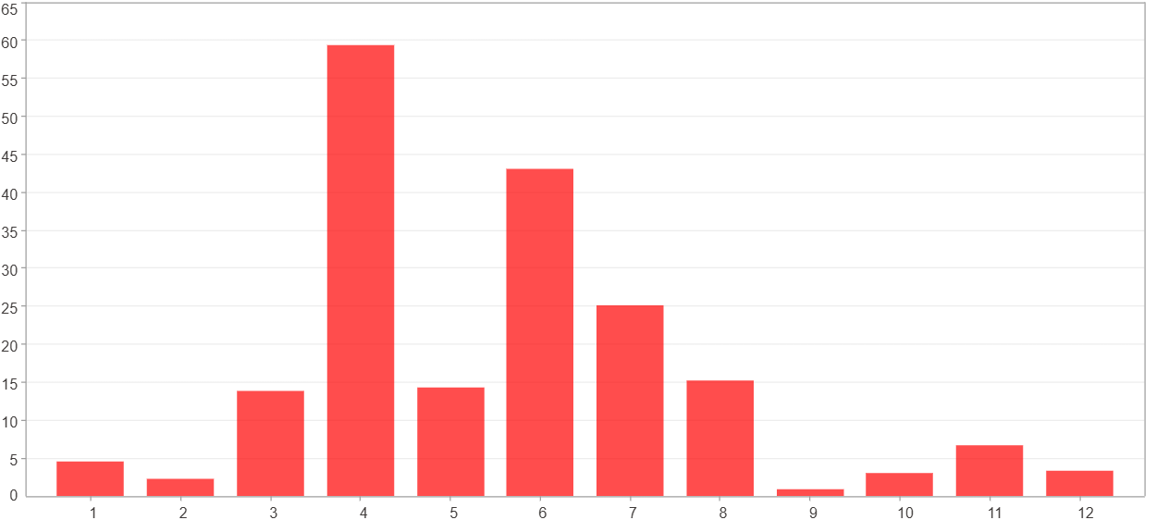

1月 - 12月(總計)($)
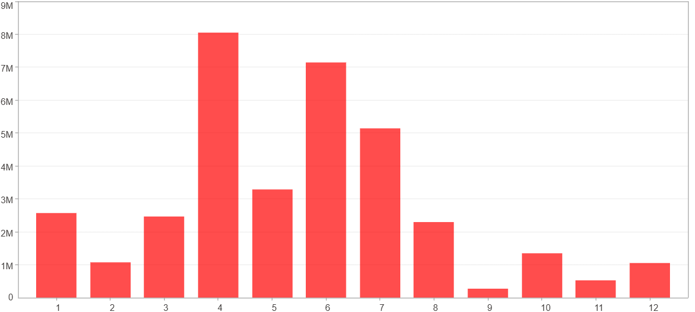

1月 - 12月(平均)(%)
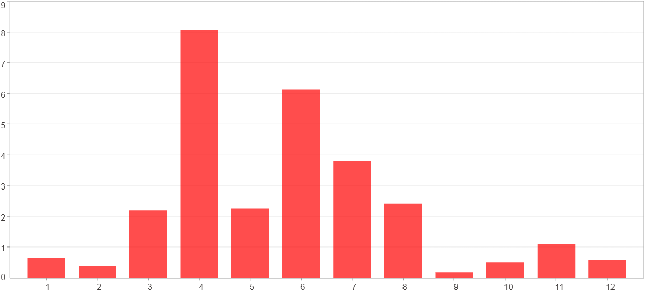

1月 - 12月(平均)($)
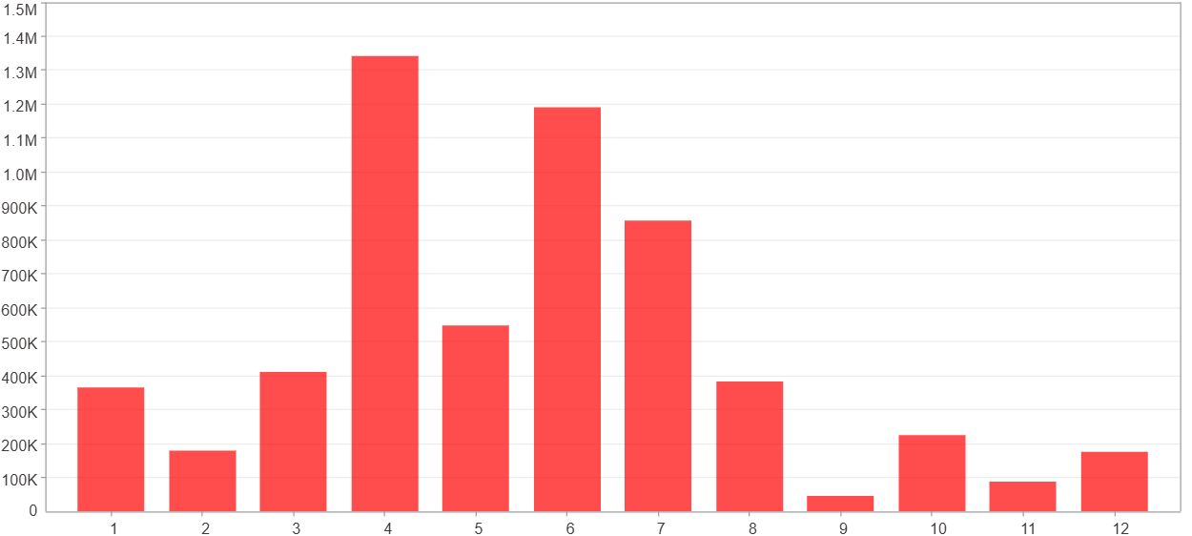

每一月(%)
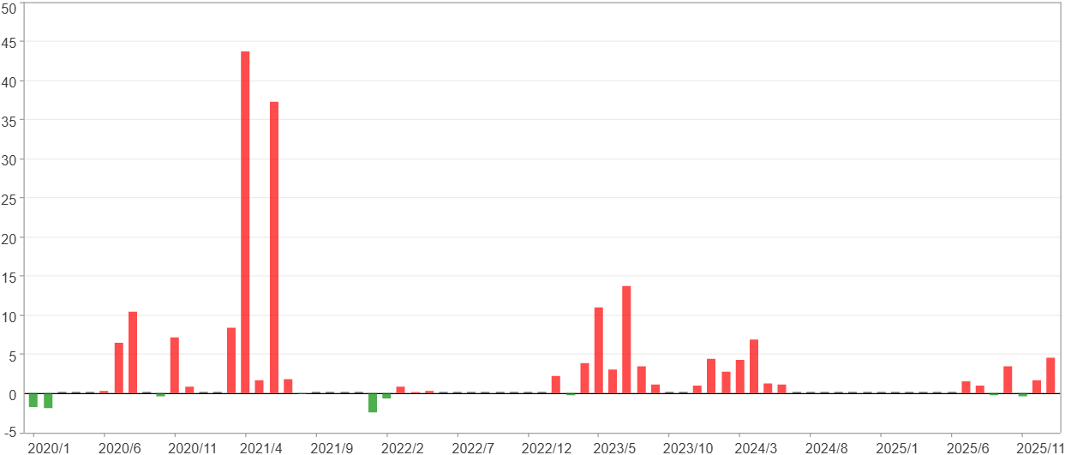

每一月($)

週期分析(季)
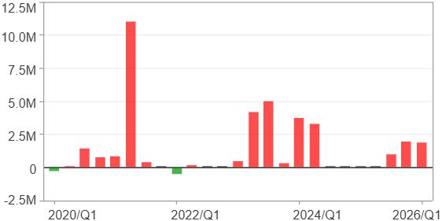
週期分析(季)

項目 | $ | %
淨利/最大投入報酬率 | 35,251,382 | 425.68%
勝率 | 64% | 64%
最大區間獲利 | 16,927,615 | 179.41%
最大區間虧損 | -511,319 | -3.61%
獲利因子 | 44.51 | 44.51
總交易季數 | 25 | 25
獲利交易季數 | 16 | 16
虧損交易季數 | 2 | 2
毛利 | 36,061,629 | 435.46%
毛損 | -810,247 | -9.78%
最大單季獲利 | 10,967,492 | 100.15%
最大單季虧損 | -511,319 | -3.61%
平均單季金額變動 | 1,410,055 | 6.86%
平均單季獲利金額變動 | 2,253,852 | 11.35%
平均單季虧損金額變動 | -405,123 | -2.95%
平均單季獲利虧損比 | 5.56 | 5.56
第一季 ~ 第四季(總計)(%)
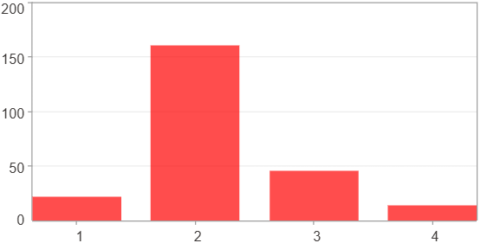

第一季 ~ 第四季(總計)($)
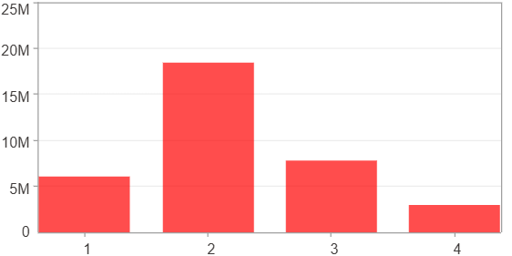

第一季 ~ 第四季(平均)(%)
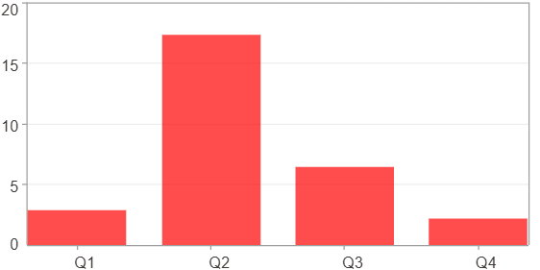

第一季 ~ 第四季(平均)($)
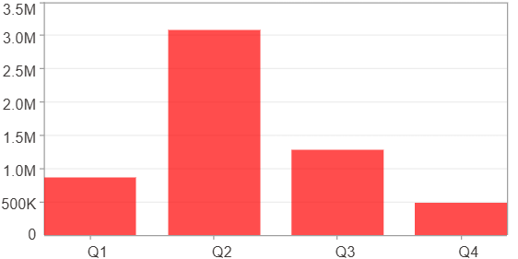

每一季(%)
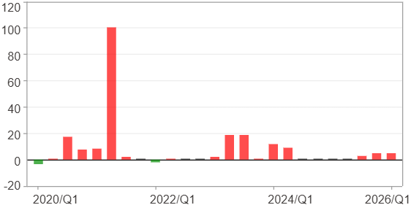

每一季($)

週期分析(年)
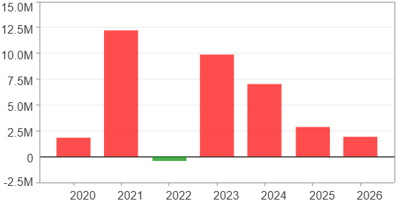
週期分析(年)

項目 | $ | %
淨利/最大投入報酬率 | 35,251,382 | 425.68%
勝率 | 85.71% | 85.71%
最大區間獲利 | 21,680,736 | 169.32%
最大區間虧損 | -451,048 | -2.02%
獲利因子 | 79.15 | 79.15
總交易年數 | 7 | 7
獲利交易年數 | 6 | 6
虧損交易年數 | 1 | 1
毛利 | 35,702,430 | 431.13%
毛損 | -451,048 | -5.45%
最大單年獲利 | 12,201,135 | 120.78%
最大單年虧損 | -451,048 | -2.02%
平均單年金額變動 | 5,035,912 | 26.75%
平均單年獲利金額變動 | 5,950,405 | 32.31%
平均單年虧損金額變動 | -451,048 | -2.02%
平均單年獲利虧損比 | 13.19 | 13.19
每一年(%)
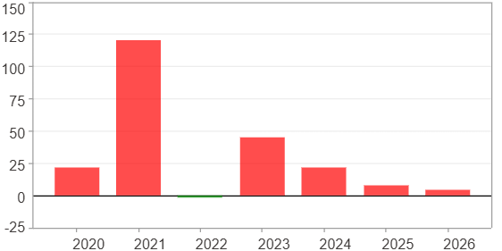

每一年($)

