整體統計
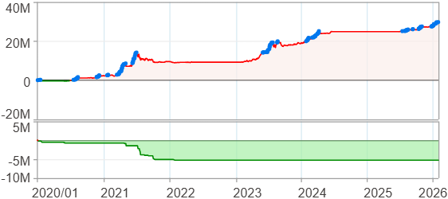
回測整體統計

回測資料範圍 | 2020/01/01 - 2026/01/29 (日資料) (逐筆洗價)
執行商品個數 | 100(成功)0(失敗)
回測執行時間 | 2026/01/29 15:16 (總時間: 1分54秒, 準備時間 1秒, 回測時間: 1分52秒)
交易腳本 | 260129_強勢股加碼-歸因分析
初始資金 | 1000萬元
交易費用 | 股票0.2%(成交金額)、期貨 100 元(口)

項目 | 全部 |  | 做多 |  | 做空
淨利 | 29,695,757 | 296.96% | 29,695,757 | 296.96% | 0 | 0.00%
毛利 | 33,275,753 | 332.76% | 33,275,753 | 332.76% | 0 | 0.00%
獲利因子 | 9.29 |  | 9.29 |  | n/a
毛損 | -3,580,002 | -35.80% | -3,580,002 | -35.80% | 0 | 0.00%
總交易成本 | 428,138 | 4.28% | 428,138 | 4.28% | 0 | 0.00%
最大投入金額 | 10,545,568 |  | 10,545,568 |  | 12,707,799
總交易次數 | 190 |  | 190 |  | 0
獲利交易次數 | 124 |  | 124 |  | 0
勝率 | 65.26% |  | 65.26% |  | 0.00%
虧損交易次數 | 66 |  | 66 |  | 0
平均交易 | 156,293 | 1.56% | 156,293 | 1.56% | 0 | 0.00%
平均獲利交易 | 268,353 | 2.68% | 268,353 | 2.68% | 0 | 0.00%
平均獲利虧損比 | 4.95 |  | 4.95 |  | 0.00
平均虧損交易 | -54,242 | -0.54% | -54,242 | -0.54% | 0 | 0.00%
最大獲利交易 | 1,300,106 | 13.00% | 1,300,106 | 13.00% | 0 | 0.00%
最大虧損交易 | -152,796 | -1.53% | -152,796 | -1.53% | 0 | 0.00%
最大區間獲利 | 30,209,371 | 302.09% | 30,209,371 | 302.09% | 30,209,371 | 302.09%
最大區間虧損 | -5,250,799 | -52.51% | -5,250,799 | -52.51% | -5,250,799 | -52.51%
全部交易的平均持倉K線根數 | 50.12 |  | 50.12 |  | 0.00
獲利交易的平均持倉K線根數 | 57.15 |  | 57.15 |  | 0.00
回測K線根數 | 1479 |  | 1479 |  | 1479
虧損交易的平均持倉K線根數 | 36.92 |  | 36.92 |  | 0.00
時間加權報酬 | 520,833,022 | 5208.33% | 520,833,022 | 5208.33% | 0 | 0.00%
最大投入報酬率 | 29,695,757 | 281.59% | 29,695,757 | 281.59% | 0 | 0.00%
買進持有報酬 | 52,711,948 | 527.12% | 52,711,948 | 527.12% | 52,711,948 | 527.12%
大盤指數報酬 | 23,106,999 | 231.07% | 23,106,999 | 231.07% | 23,106,999 | 231.07%

執行失敗商品
商品名稱 | 狀態 | 說明

最大持倉報酬率圖
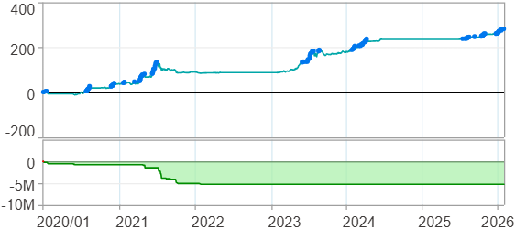

時間加權報酬率圖
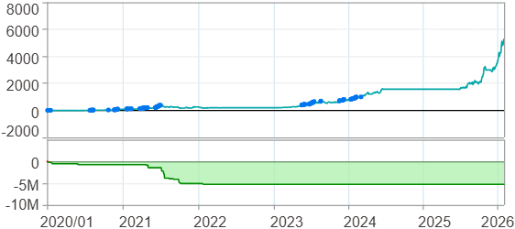

淨利曲線圖

週期分析(日)
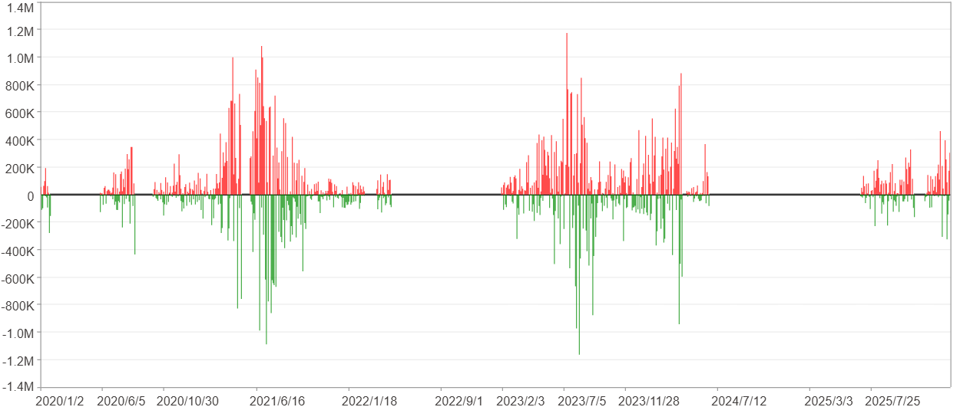
週期分析(日)

項目 | $ | %
淨利/最大投入報酬率 | 29,694,294 | 281.58%
勝率 | 33.94% | 33.94%
最大區間獲利 | 3,644,550 | 20.44%
最大區間虧損 | -2,218,409 | -8.39%
獲利因子 | 1.57 | 1.57
總交易日數 | 1479 | 1479
獲利交易日數 | 502 | 502
虧損交易日數 | 384 | 384
毛利 | 81,642,626 | 774.19%
毛損 | -51,948,332 | -492.61%
最大單日獲利 | 1,173,896 | 5.95%
最大單日虧損 | -1,164,245 | -4.61%
平均單日金額變動 | 20,077 | 0.09%
平均單日獲利金額變動 | 162,635 | 0.74%
平均單日虧損金額變動 | -135,282 | -0.62%
平均單日獲利虧損比 | 1.2 | 1.2
1日 - 31日(總計)(%)
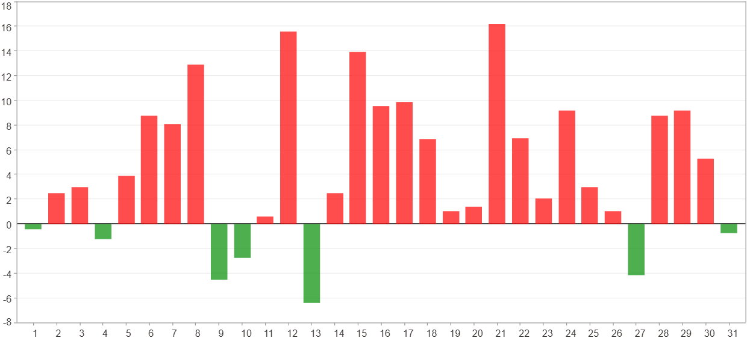

1日 - 31日(平均)(%)
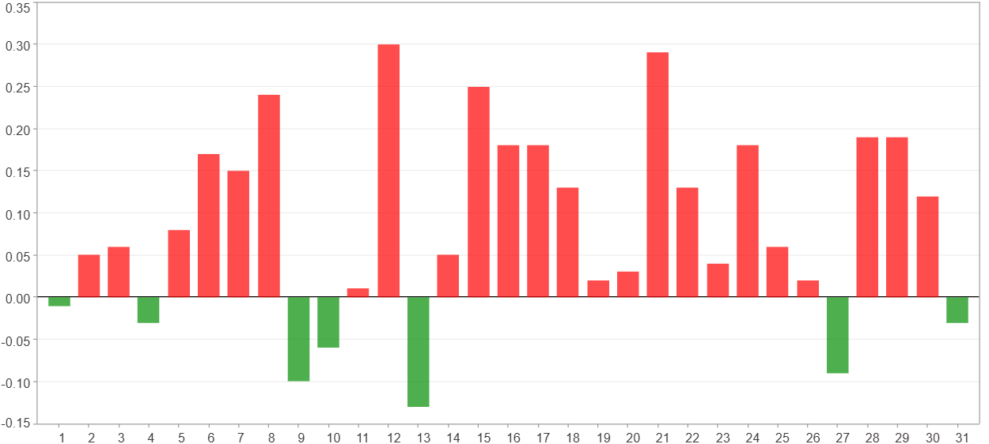

1日 - 31日(總計)($)
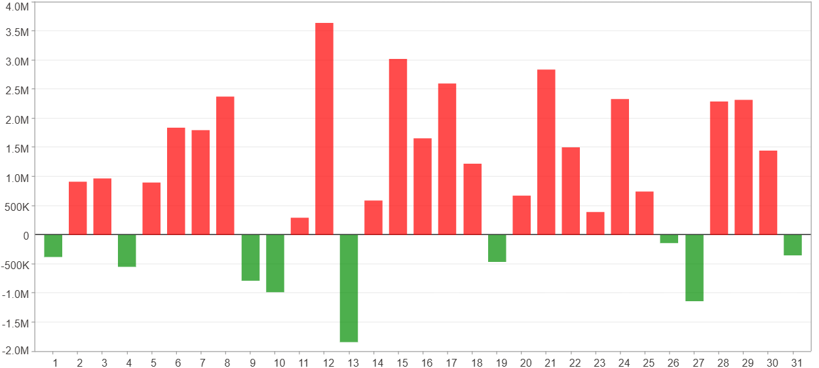

1日 - 31日(平均)($)
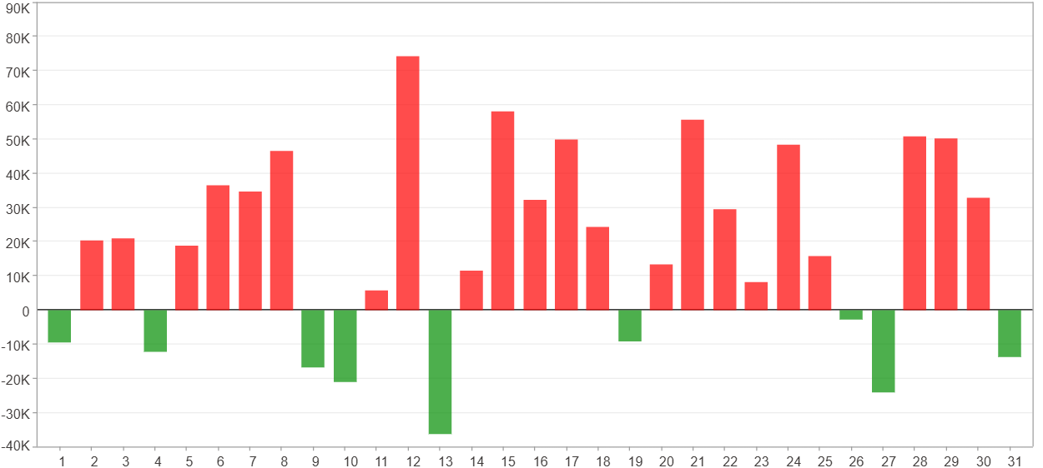

星期一 ~ 星期五(總計)(%)
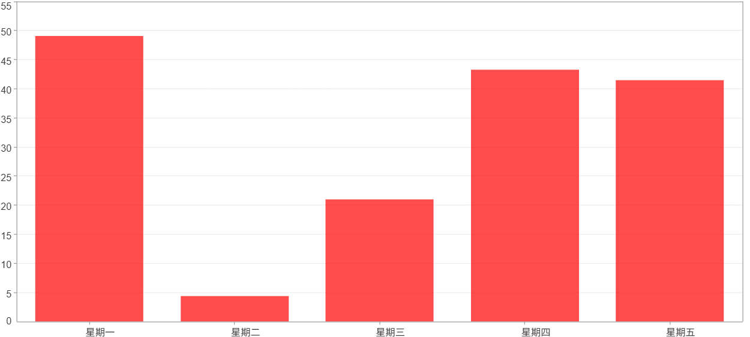

星期一 ~ 星期五(平均)(%)
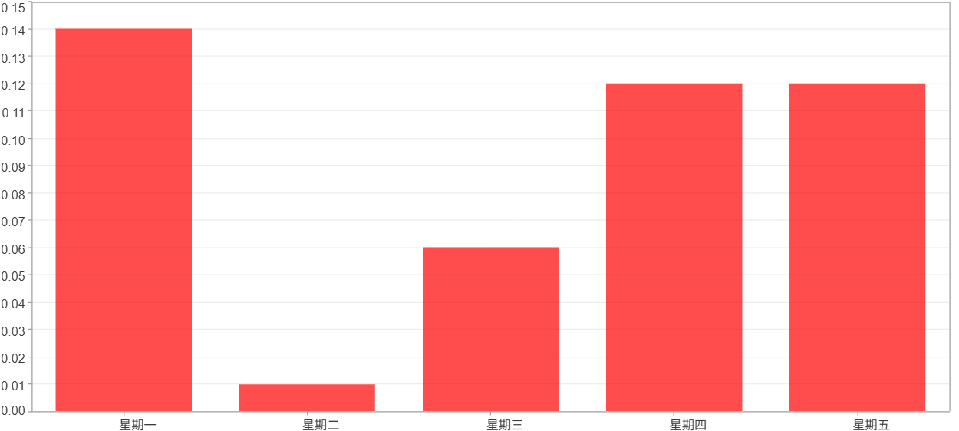

星期一 ~ 星期五(總計)($)
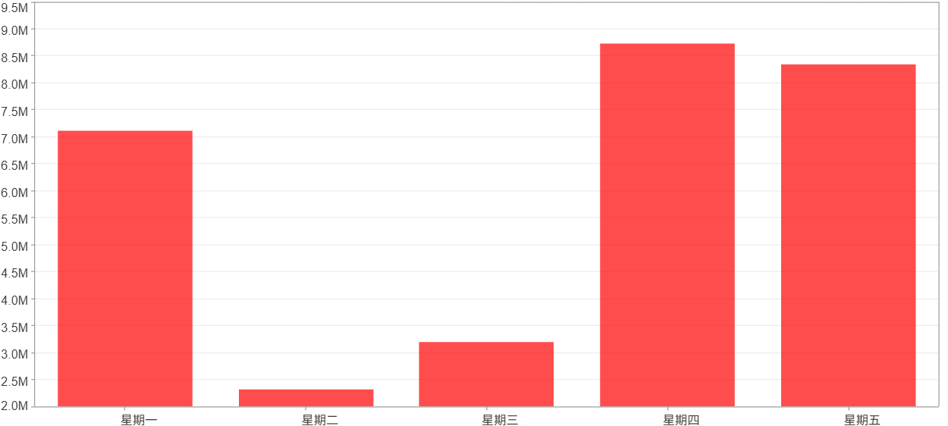

星期一 ~ 星期五(平均)($)
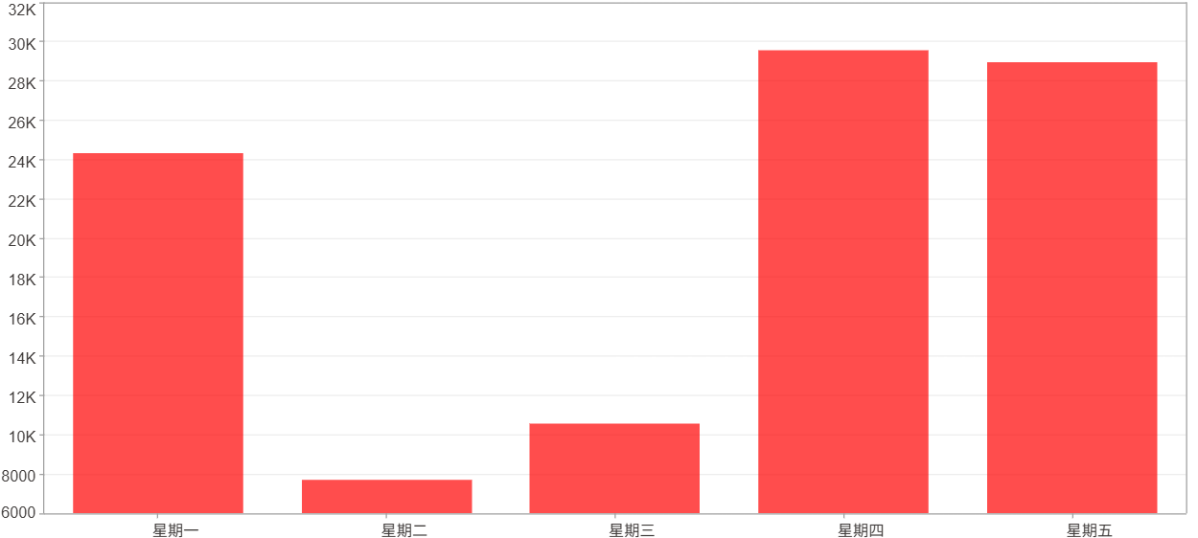

每一日(%)
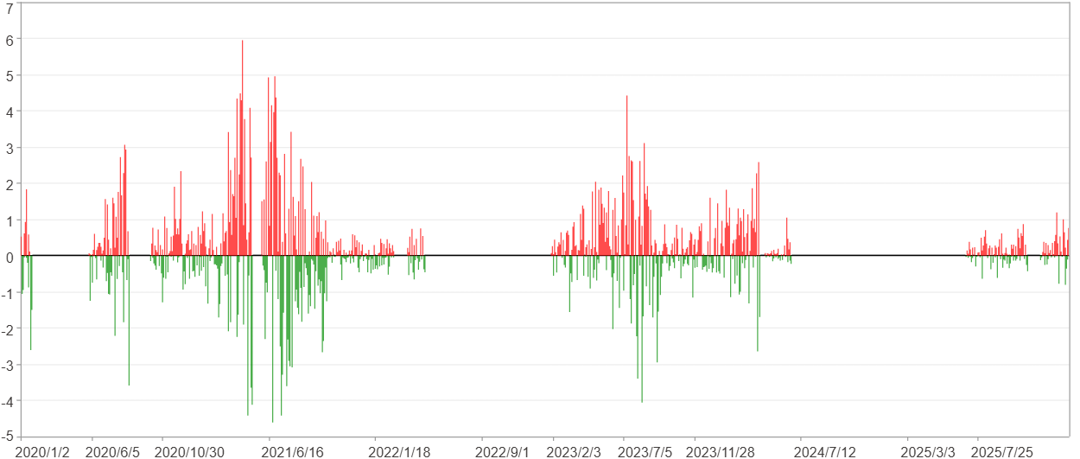

每一日($)

週期分析(月)
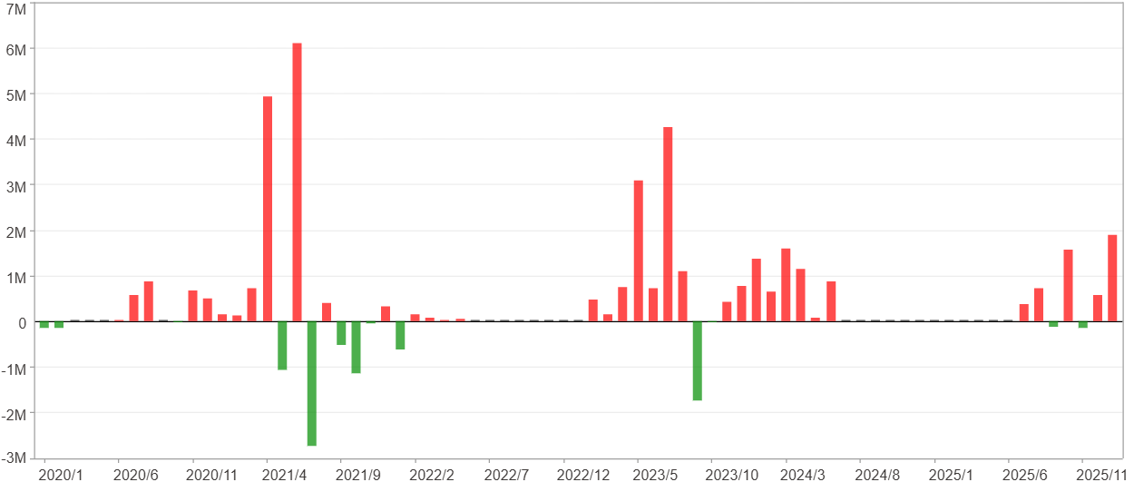
週期分析(月)

項目 | $ | %
淨利/最大投入報酬率 | 29,694,294 | 281.58%
勝率 | 49.32% | 49.32%
最大區間獲利 | 10,505,536 | 60.74%
最大區間虧損 | -2,727,481 | -11.47%
獲利因子 | 4.5 | 4.5
總交易月數 | 73 | 73
獲利交易月數 | 36 | 36
虧損交易月數 | 13 | 13
毛利 | 38,176,678 | 362.02%
毛損 | -8,482,384 | -80.44%
最大單月獲利 | 6,092,406 | 35.68%
最大單月虧損 | -2,727,481 | -11.47%
平均單月金額變動 | 406,771 | 1.85%
平均單月獲利金額變動 | 1,060,463 | 4.93%
平均單月虧損金額變動 | -652,491 | -2.98%
平均單月獲利虧損比 | 1.63 | 1.63
1月 - 12月(總計)(%)
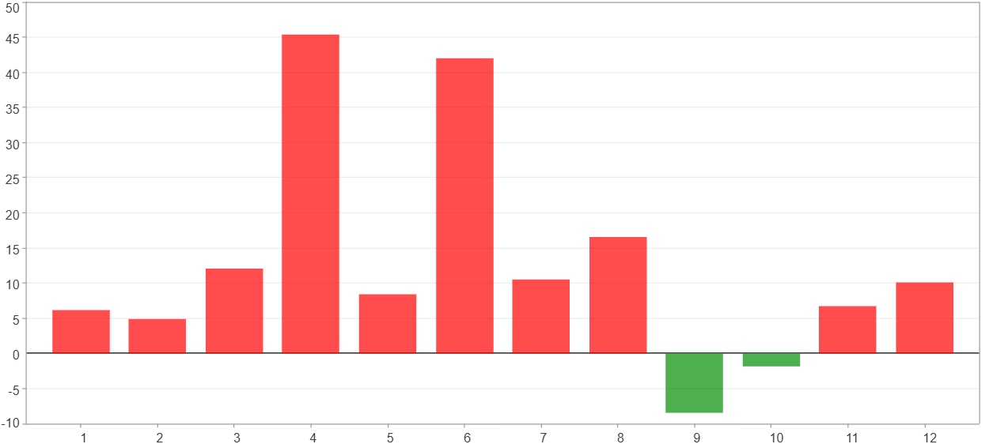

1月 - 12月(總計)($)
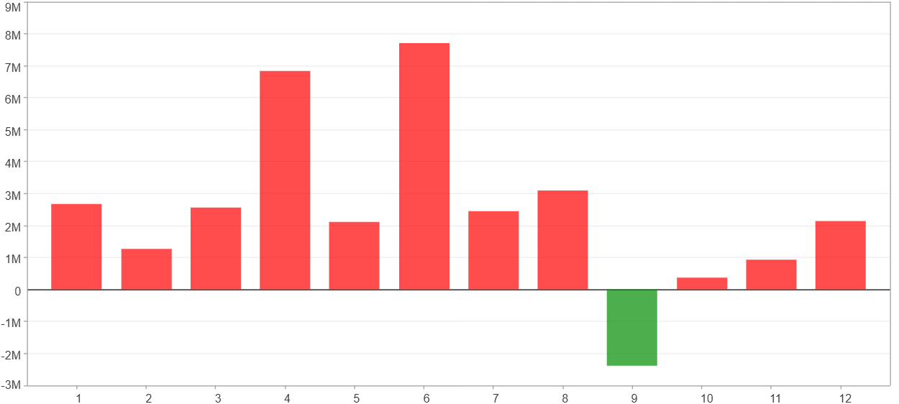

1月 - 12月(平均)(%)
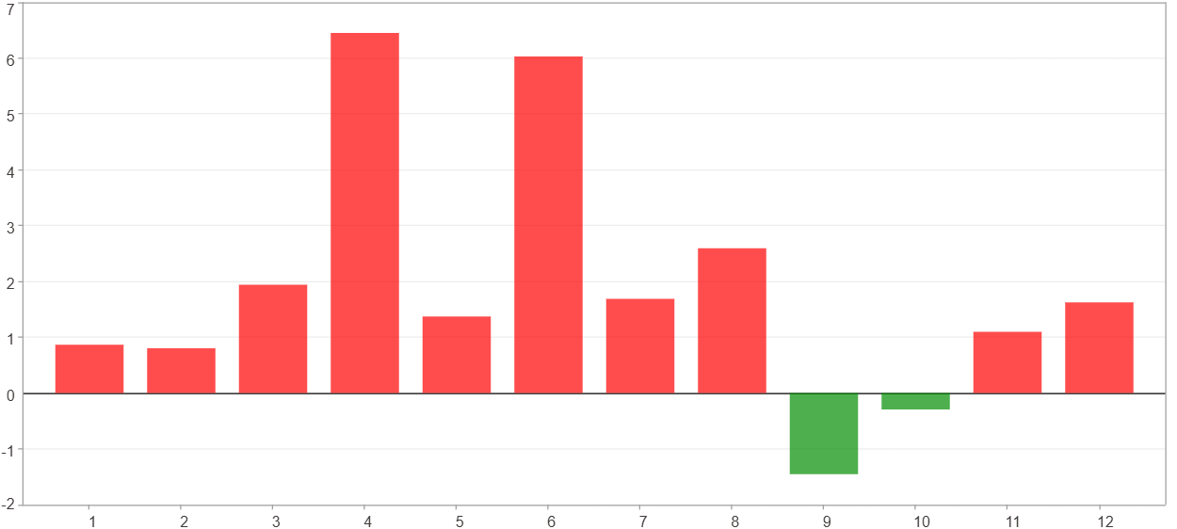

1月 - 12月(平均)($)
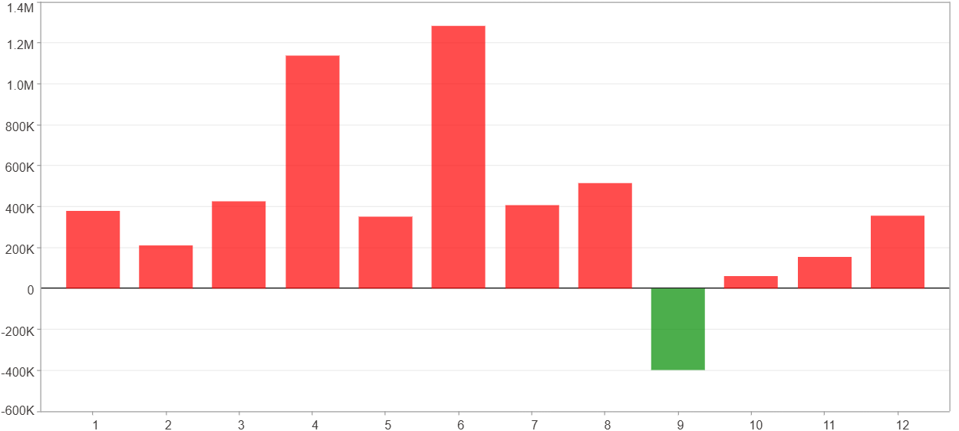

每一月(%)
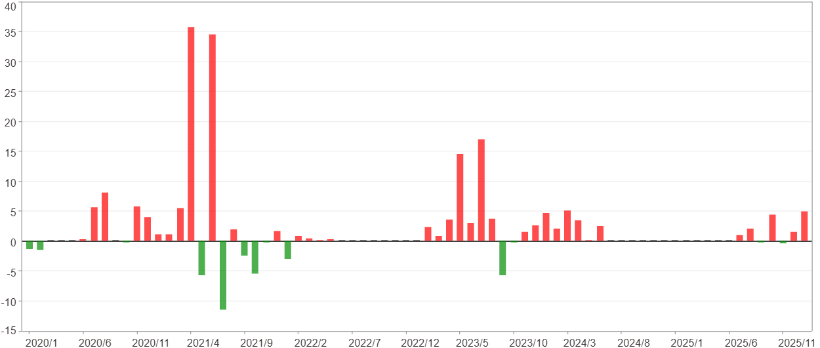

每一月($)

週期分析(季)
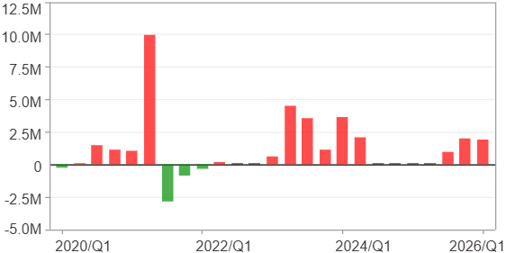
週期分析(季)

項目 | $ | %
淨利/最大投入報酬率 | 29,694,294 | 281.58%
勝率 | 60% | 60%
最大區間獲利 | 15,600,552 | 132.08%
最大區間虧損 | -4,066,414 | -17.1%
獲利因子 | 7.8 | 7.8
總交易季數 | 25 | 25
獲利交易季數 | 15 | 15
虧損交易季數 | 4 | 4
毛利 | 34,059,636 | 322.98%
毛損 | -4,365,342 | -41.4%
最大單季獲利 | 9,947,859 | 71.92%
最大單季虧損 | -2,849,392 | -11.98%
平均單季金額變動 | 1,187,772 | 5.5%
平均單季獲利金額變動 | 2,270,642 | 10.93%
平均單季虧損金額變動 | -1,091,335 | -5.26%
平均單季獲利虧損比 | 2.08 | 2.08
第一季 ~ 第四季(總計)(%)
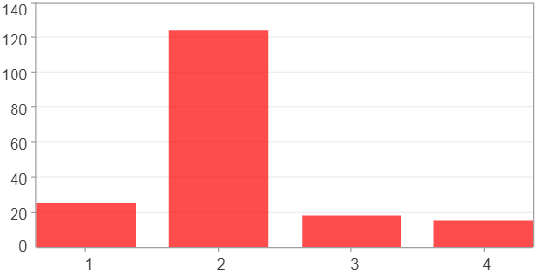

第一季 ~ 第四季(總計)($)
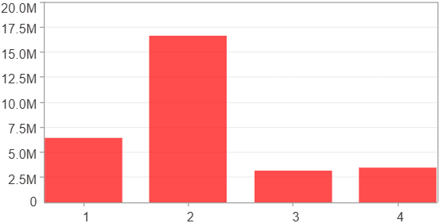

第一季 ~ 第四季(平均)(%)
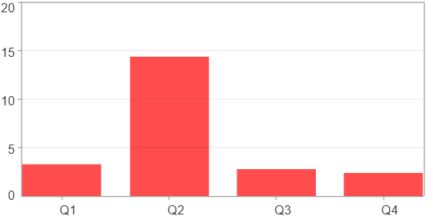

第一季 ~ 第四季(平均)($)
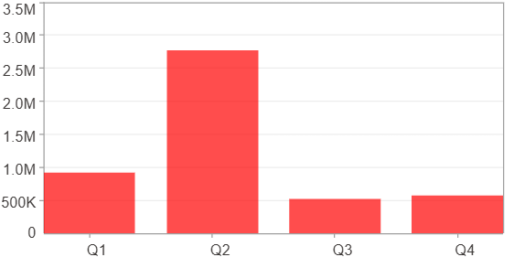

每一季(%)
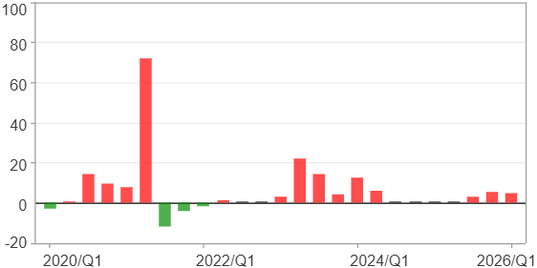

每一季($)

週期分析(年)
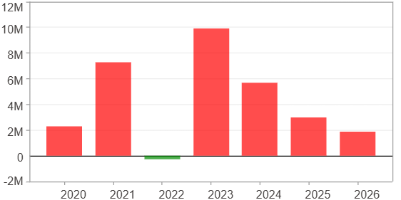
週期分析(年)

項目 | $ | %
淨利/最大投入報酬率 | 29,694,294 | 281.58%
勝率 | 85.71% | 85.71%
最大區間獲利 | 20,461,981 | 103.46%
最大區間虧損 | -307,452 | -1.53%
獲利因子 | 97.58 | 97.58
總交易年數 | 7 | 7
獲利交易年數 | 6 | 6
虧損交易年數 | 1 | 1
毛利 | 30,001,746 | 284.5%
毛損 | -307,452 | -2.92%
最大單年獲利 | 9,911,357 | 56.54%
最大單年虧損 | -307,452 | -1.53%
平均單年金額變動 | 4,242,042 | 21.08%
平均單年獲利金額變動 | 5,000,291 | 25.33%
平均單年虧損金額變動 | -307,452 | -1.53%
平均單年獲利虧損比 | 16.26 | 16.26
每一年(%)
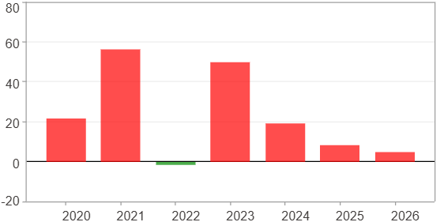

每一年($)

