整體統計
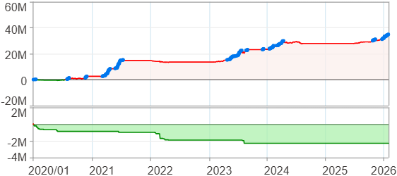
回測整體統計

回測資料範圍 | 2020/01/01 - 2026/01/29 (日資料) (逐筆洗價)
執行商品個數 | 100(成功)0(失敗)
回測執行時間 | 2026/01/29 15:22 (總時間: 43秒, 準備時間 0秒, 回測時間: 42秒)
交易腳本 | 260129_強勢股加碼-歸因分析
初始資金 | 1000萬元
交易費用 | 股票0.2%(成交金額)、期貨 100 元(口)

項目 | 全部 |  | 做多 |  | 做空
淨利 | 34,764,133 | 347.64% | 34,764,133 | 347.64% | 0 | 0.00%
毛利 | 38,245,972 | 382.46% | 38,245,972 | 382.46% | 0 | 0.00%
獲利因子 | 10.98 |  | 10.98 |  | n/a
毛損 | -3,481,844 | -34.82% | -3,481,844 | -34.82% | 0 | 0.00%
總交易成本 | 498,889 | 4.99% | 498,889 | 4.99% | 0 | 0.00%
最大投入金額 | 7,555,766 |  | 7,555,766 |  | 12,356,500
總交易次數 | 184 |  | 184 |  | 0
獲利交易次數 | 129 |  | 129 |  | 0
勝率 | 70.11% |  | 70.11% |  | 0.00%
虧損交易次數 | 55 |  | 55 |  | 0
平均交易 | 188,936 | 1.89% | 188,936 | 1.89% | 0 | 0.00%
平均獲利交易 | 296,480 | 2.96% | 296,480 | 2.96% | 0 | 0.00%
平均獲利虧損比 | 4.68 |  | 4.68 |  | 0.00
平均虧損交易 | -63,306 | -0.63% | -63,306 | -0.63% | 0 | 0.00%
最大獲利交易 | 2,092,510 | 20.93% | 2,092,510 | 20.93% | 0 | 0.00%
最大虧損交易 | -230,514 | -2.31% | -230,514 | -2.31% | 0 | 0.00%
最大區間獲利 | 35,556,197 | 355.56% | 35,556,197 | 355.56% | 35,556,197 | 355.56%
最大區間虧損 | -2,292,126 | -22.92% | -2,292,126 | -22.92% | -2,292,126 | -22.92%
全部交易的平均持倉K線根數 | 36.86 |  | 36.86 |  | 0.00
獲利交易的平均持倉K線根數 | 43.09 |  | 43.09 |  | 0.00
回測K線根數 | 1479 |  | 1479 |  | 1479
虧損交易的平均持倉K線根數 | 22.25 |  | 22.25 |  | 0.00
時間加權報酬 | 398,046,374 | 3980.46% | 398,046,374 | 3980.46% | 0 | 0.00%
最大投入報酬率 | 34,764,133 | 460.10% | 34,764,133 | 460.10% | 0 | 0.00%
買進持有報酬 | 52,711,948 | 527.12% | 52,711,948 | 527.12% | 52,711,948 | 527.12%
大盤指數報酬 | 23,106,999 | 231.07% | 23,106,999 | 231.07% | 23,106,999 | 231.07%

執行失敗商品
商品名稱 | 狀態 | 說明

最大持倉報酬率圖
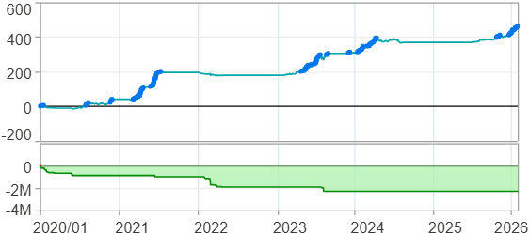

時間加權報酬率圖
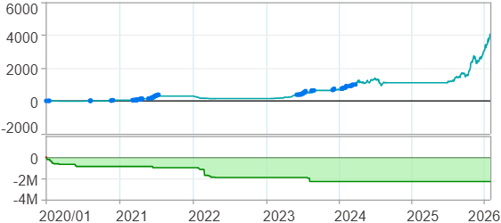

淨利曲線圖

週期分析(日)
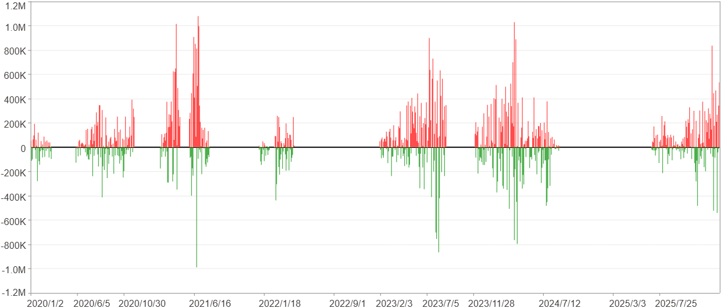
週期分析(日)

項目 | $ | %
淨利/最大投入報酬率 | 34,762,835 | 460.08%
勝率 | 30.49% | 30.49%
最大區間獲利 | 3,644,550 | 23.64%
最大區間虧損 | -1,980,885 | -6.58%
獲利因子 | 1.85 | 1.85
總交易日數 | 1479 | 1479
獲利交易日數 | 451 | 451
虧損交易日數 | 341 | 341
毛利 | 75,600,860 | 1000.57%
毛損 | -40,838,025 | -540.49%
最大單日獲利 | 1,079,449 | 7.36%
最大單日虧損 | -989,426 | -5.05%
平均單日金額變動 | 23,504 | 0.12%
平均單日獲利金額變動 | 167,629 | 0.84%
平均單日虧損金額變動 | -119,760 | -0.61%
平均單日獲利虧損比 | 1.4 | 1.4
1日 - 31日(總計)(%)
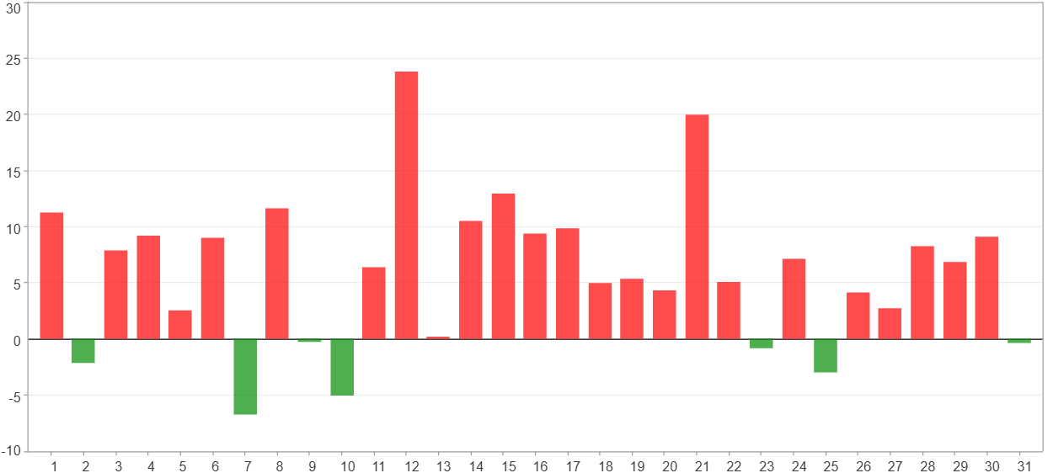

1日 - 31日(平均)(%)
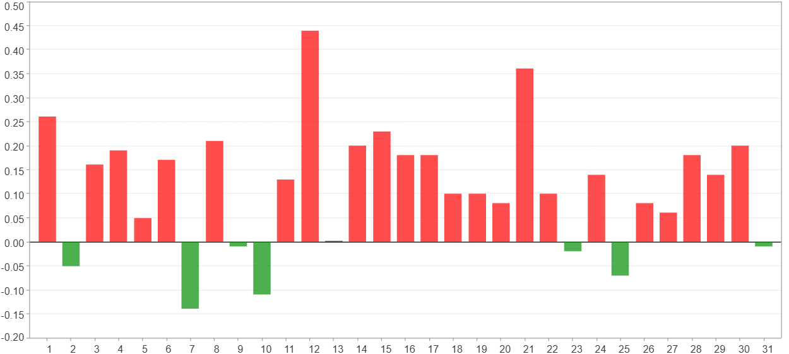

1日 - 31日(總計)($)
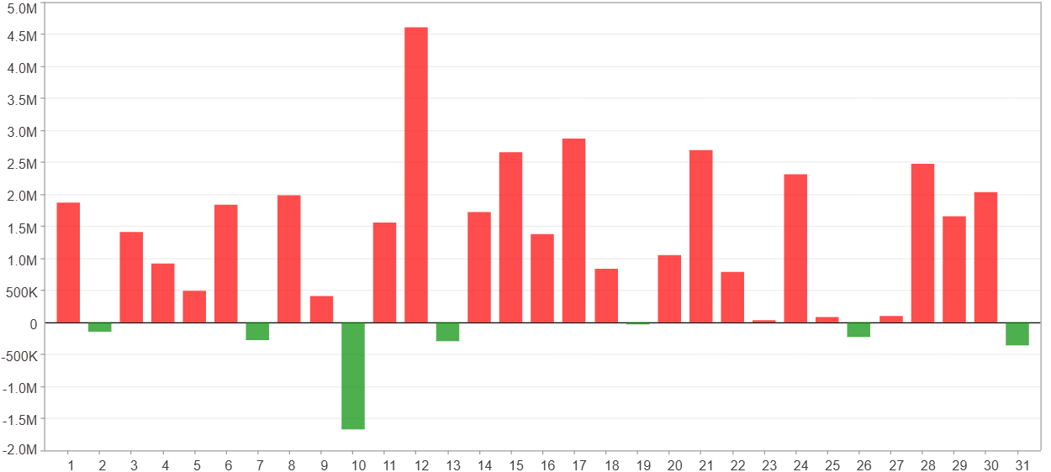

1日 - 31日(平均)($)
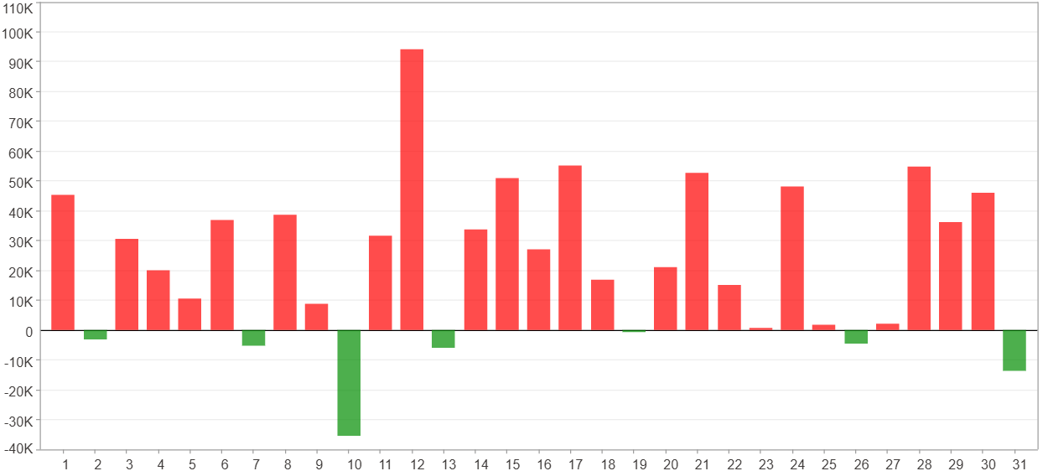

星期一 ~ 星期五(總計)(%)
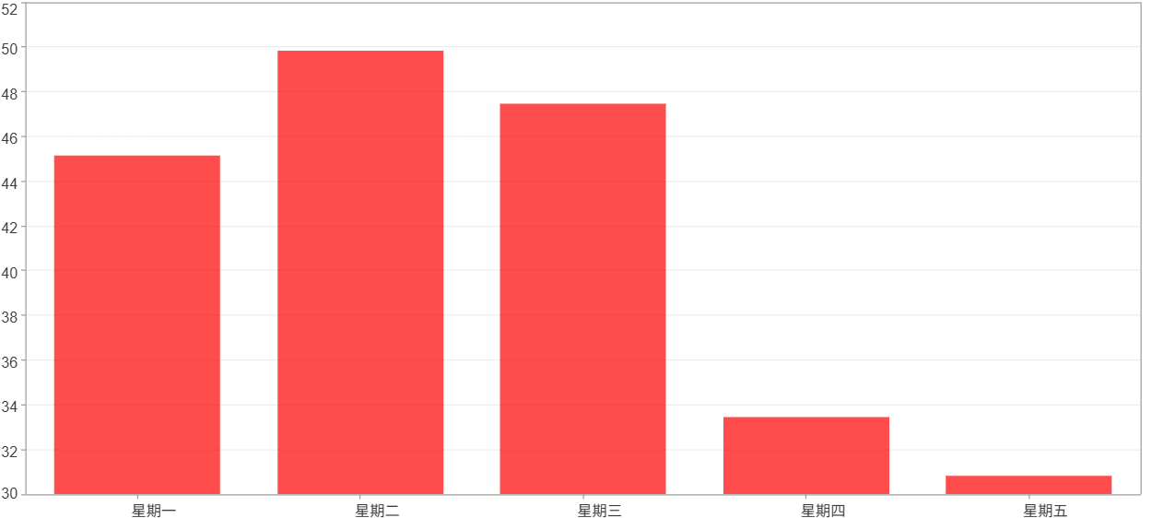

星期一 ~ 星期五(平均)(%)
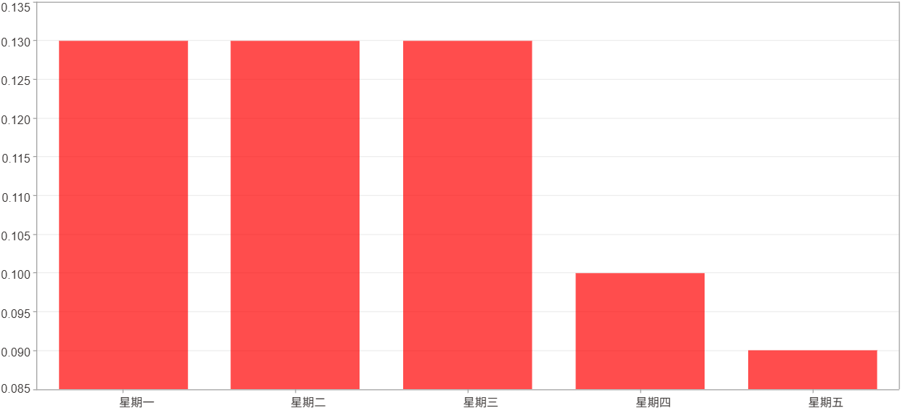

星期一 ~ 星期五(總計)($)
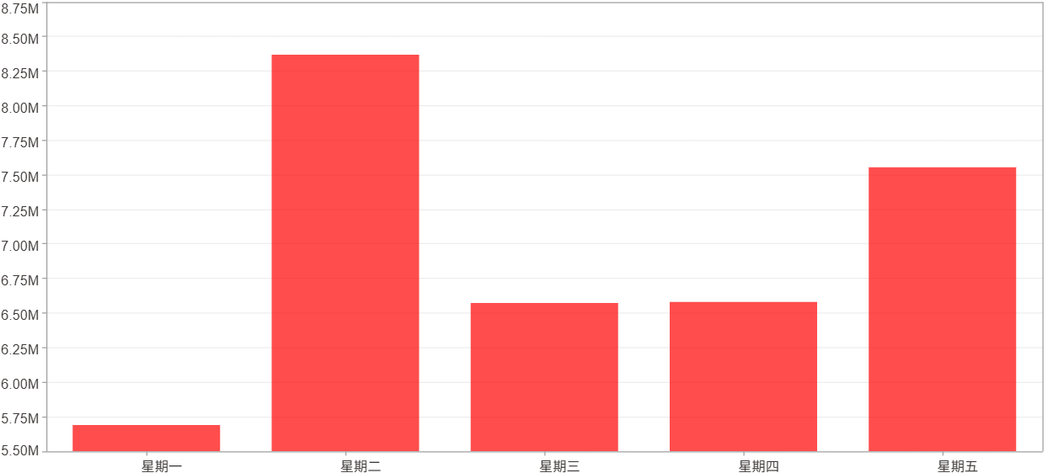

星期一 ~ 星期五(平均)($)
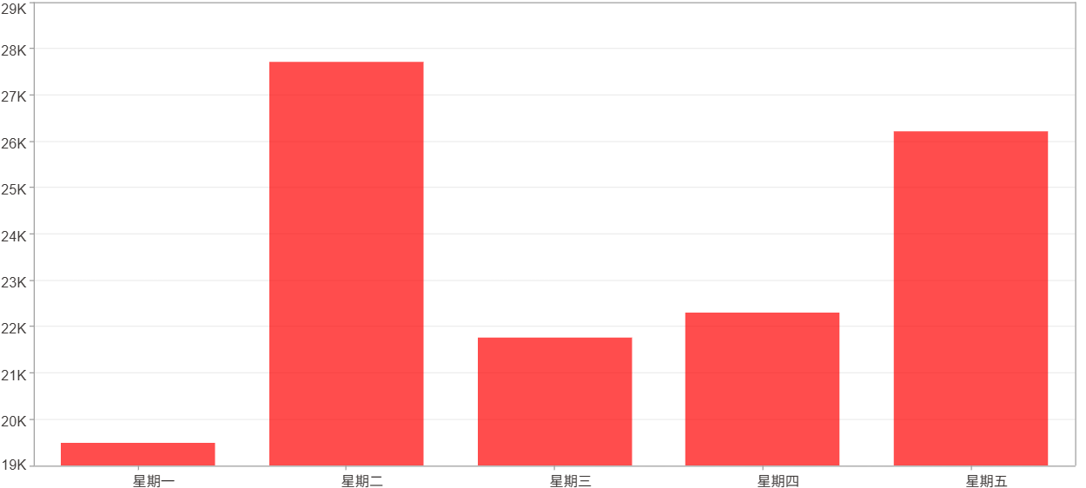

每一日(%)
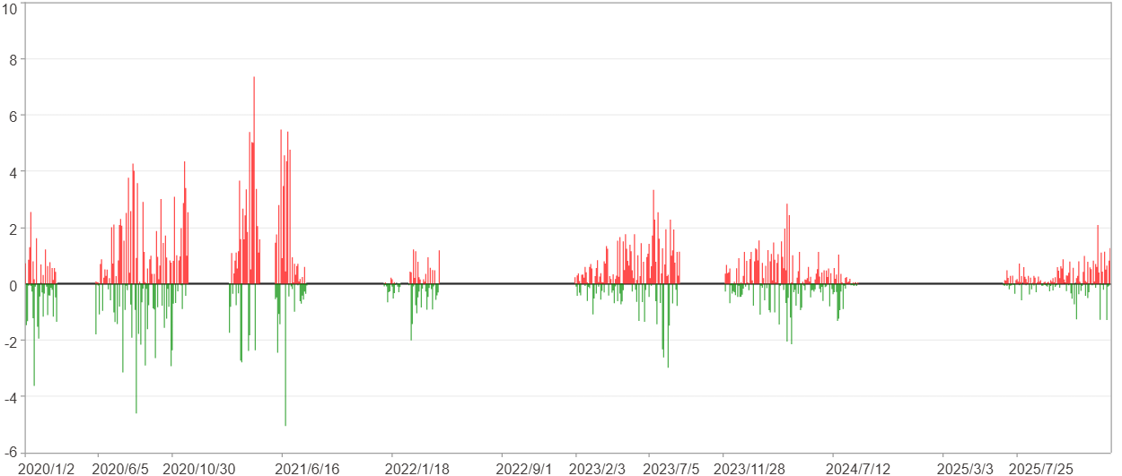

每一日($)

週期分析(月)
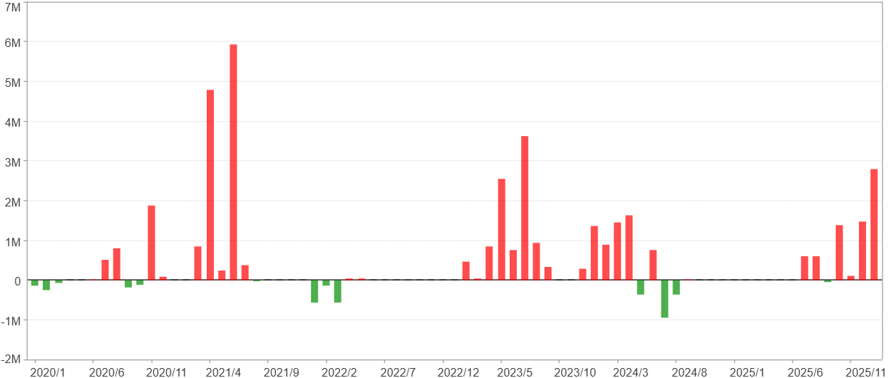
週期分析(月)

項目 | $ | %
淨利/最大投入報酬率 | 34,762,835 | 460.08%
勝率 | 45.21% | 45.21%
最大區間獲利 | 12,205,527 | 120.83%
最大區間虧損 | -1,306,676 | -5.97%
獲利因子 | 10.33 | 10.33
總交易月數 | 73 | 73
獲利交易月數 | 33 | 33
虧損交易月數 | 13 | 13
毛利 | 38,487,629 | 509.38%
毛損 | -3,724,794 | -49.3%
最大單月獲利 | 5,938,730 | 43.66%
最大單月虧損 | -950,660 | -3.25%
平均單月金額變動 | 476,203 | 2.39%
平均單月獲利金額變動 | 1,166,292 | 6.01%
平均單月虧損金額變動 | -286,523 | -1.54%
平均單月獲利虧損比 | 4.07 | 4.07
1月 - 12月(總計)(%)
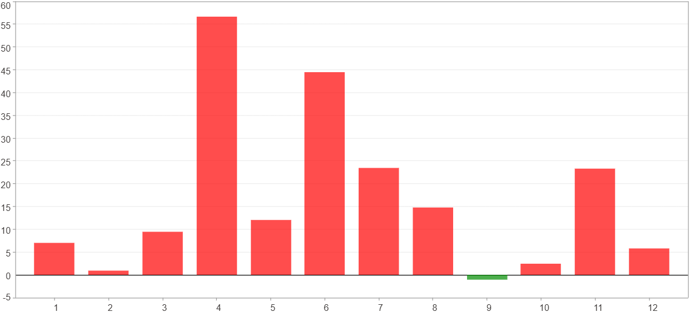

1月 - 12月(總計)($)
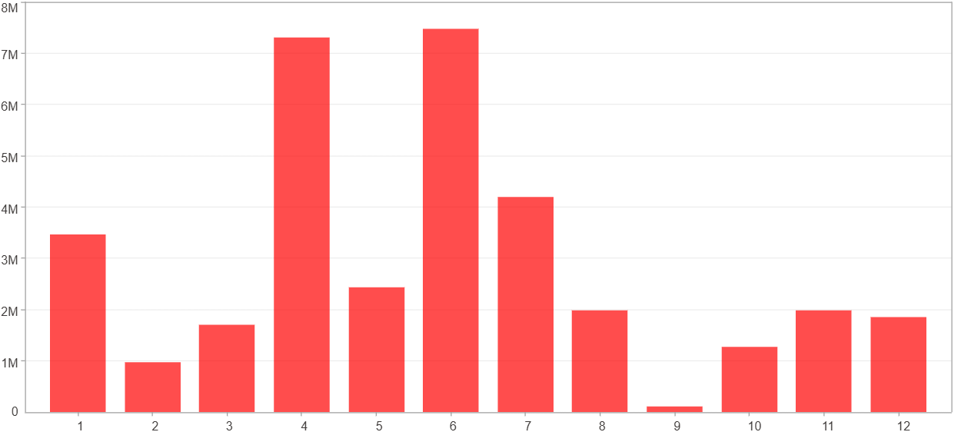

1月 - 12月(平均)(%)
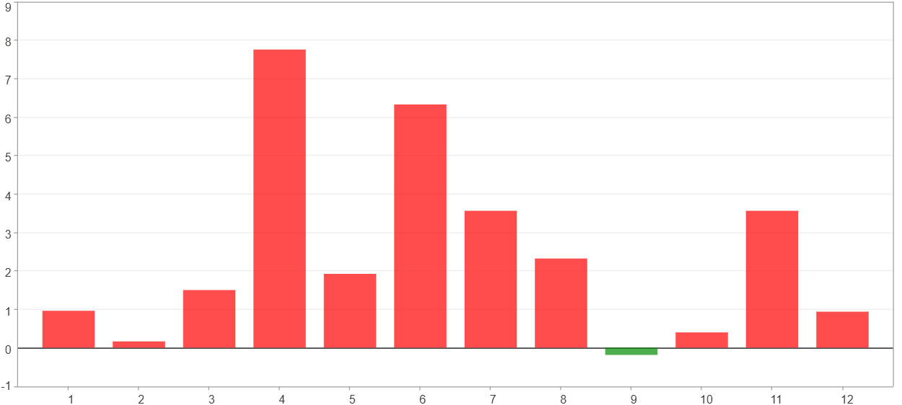

1月 - 12月(平均)($)
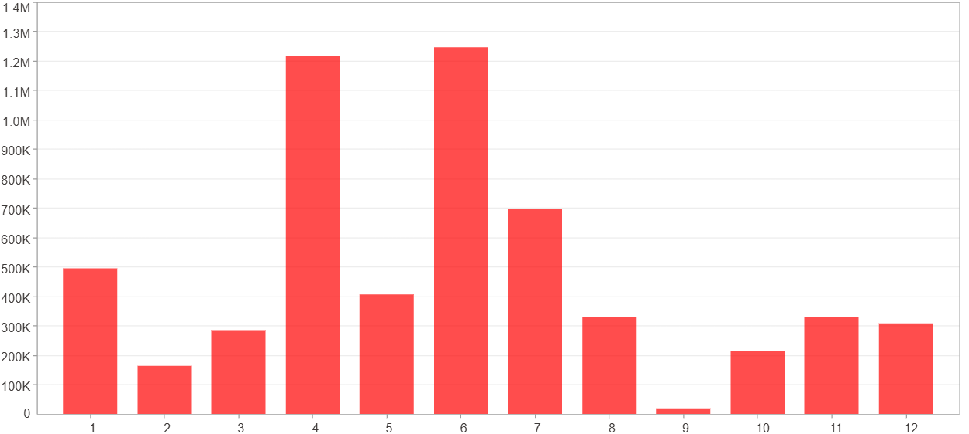

每一月(%)
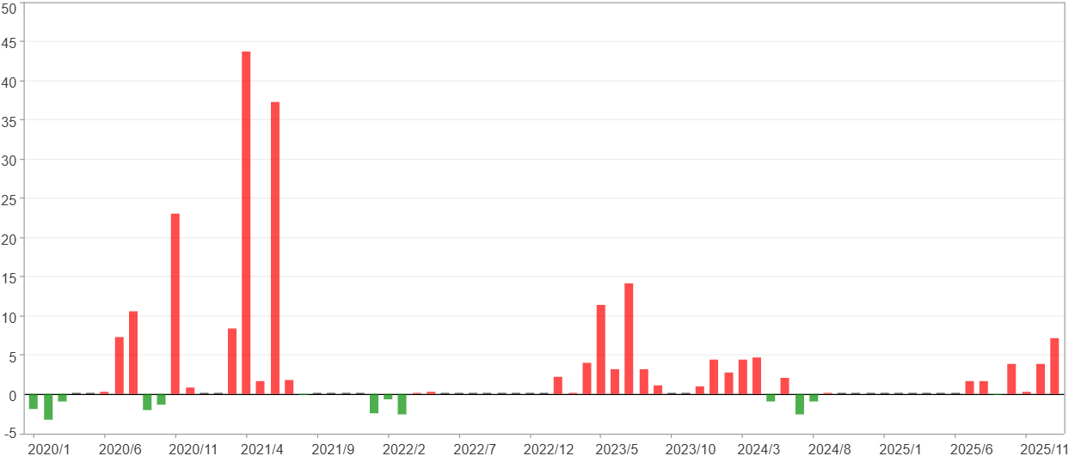

每一月($)

週期分析(季)
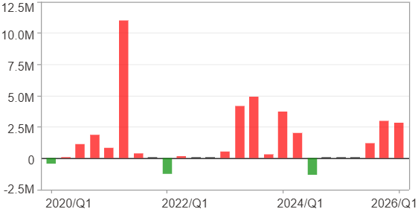
週期分析(季)

項目 | $ | %
淨利/最大投入報酬率 | 34,762,835 | 460.08%
勝率 | 64% | 64%
最大區間獲利 | 15,613,786 | 213.92%
最大區間虧損 | -1,304,583 | -5.97%
獲利因子 | 12.54 | 12.54
總交易季數 | 25 | 25
獲利交易季數 | 16 | 16
虧損交易季數 | 3 | 3
毛利 | 37,774,297 | 499.94%
毛損 | -3,011,462 | -39.86%
最大單季獲利 | 10,967,492 | 100.15%
最大單季虧損 | -1,304,583 | -5.97%
平均單季金額變動 | 1,390,513 | 7.13%
平均單季獲利金額變動 | 2,360,894 | 12.46%
平均單季虧損金額變動 | -1,003,821 | -5.06%
平均單季獲利虧損比 | 2.35 | 2.35
第一季 ~ 第四季(總計)(%)
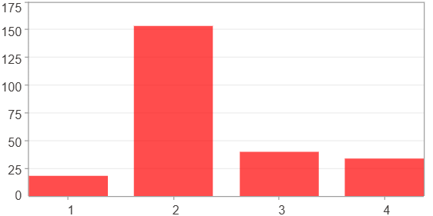

第一季 ~ 第四季(總計)($)
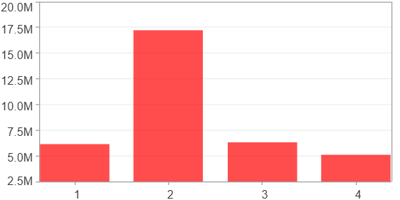

第一季 ~ 第四季(平均)(%)
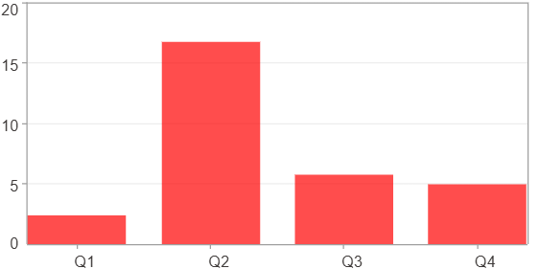

第一季 ~ 第四季(平均)($)
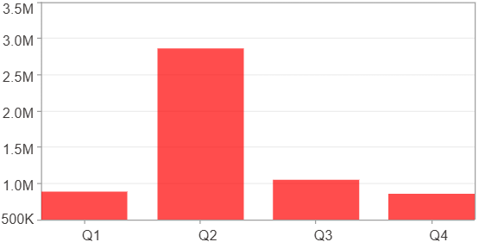

每一季(%)
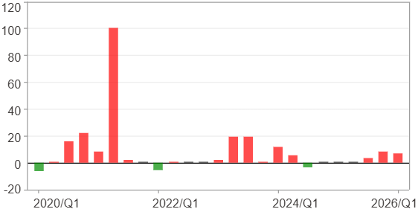

每一季($)

週期分析(年)
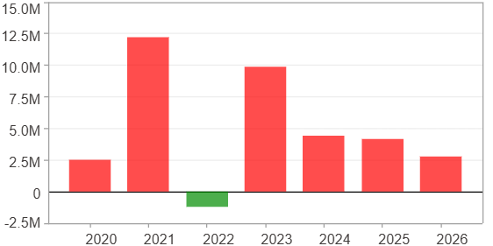
週期分析(年)

項目 | $ | %
淨利/最大投入報酬率 | 34,762,835 | 460.08%
勝率 | 85.71% | 85.71%
最大區間獲利 | 21,222,147 | 195.18%
最大區間虧損 | -1,206,321 | -5.41%
獲利因子 | 29.82 | 29.82
總交易年數 | 7 | 7
獲利交易年數 | 6 | 6
虧損交易年數 | 1 | 1
毛利 | 35,969,156 | 476.05%
毛損 | -1,206,321 | -15.97%
最大單年獲利 | 12,201,135 | 120.78%
最大單年虧損 | -1,206,321 | -5.41%
平均單年金額變動 | 4,966,119 | 27.91%
平均單年獲利金額變動 | 5,994,859 | 34.5%
平均單年虧損金額變動 | -1,206,321 | -5.41%
平均單年獲利虧損比 | 4.97 | 4.97
每一年(%)
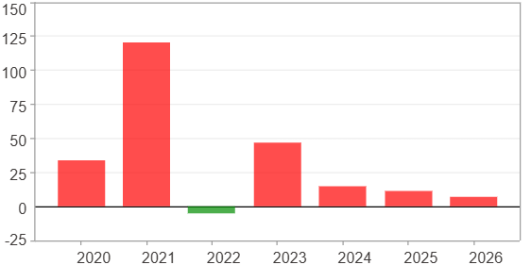

每一年($)

