3D_Solver
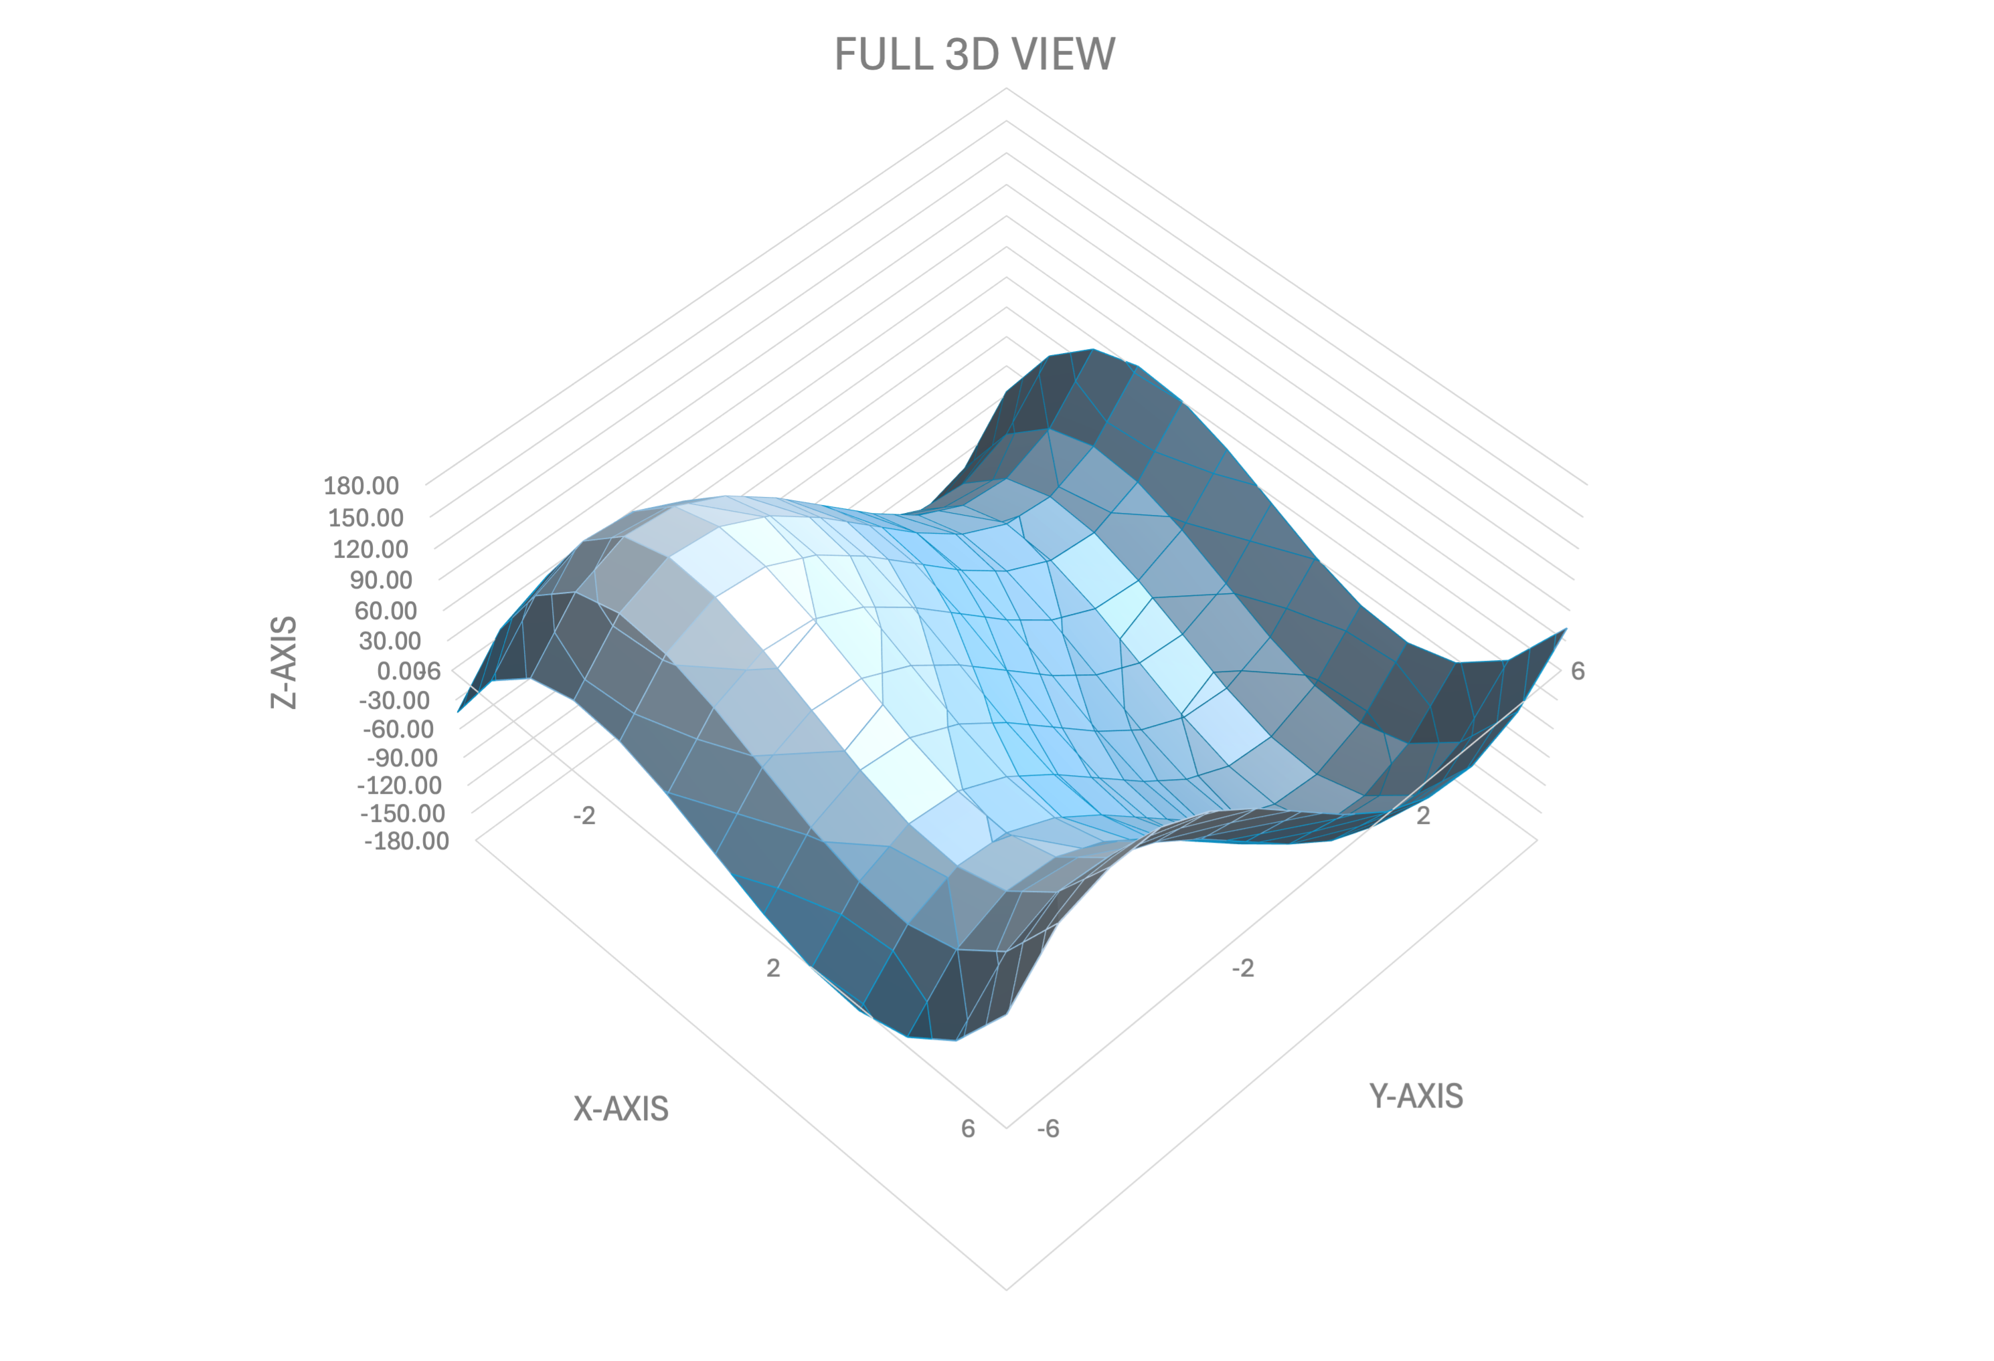
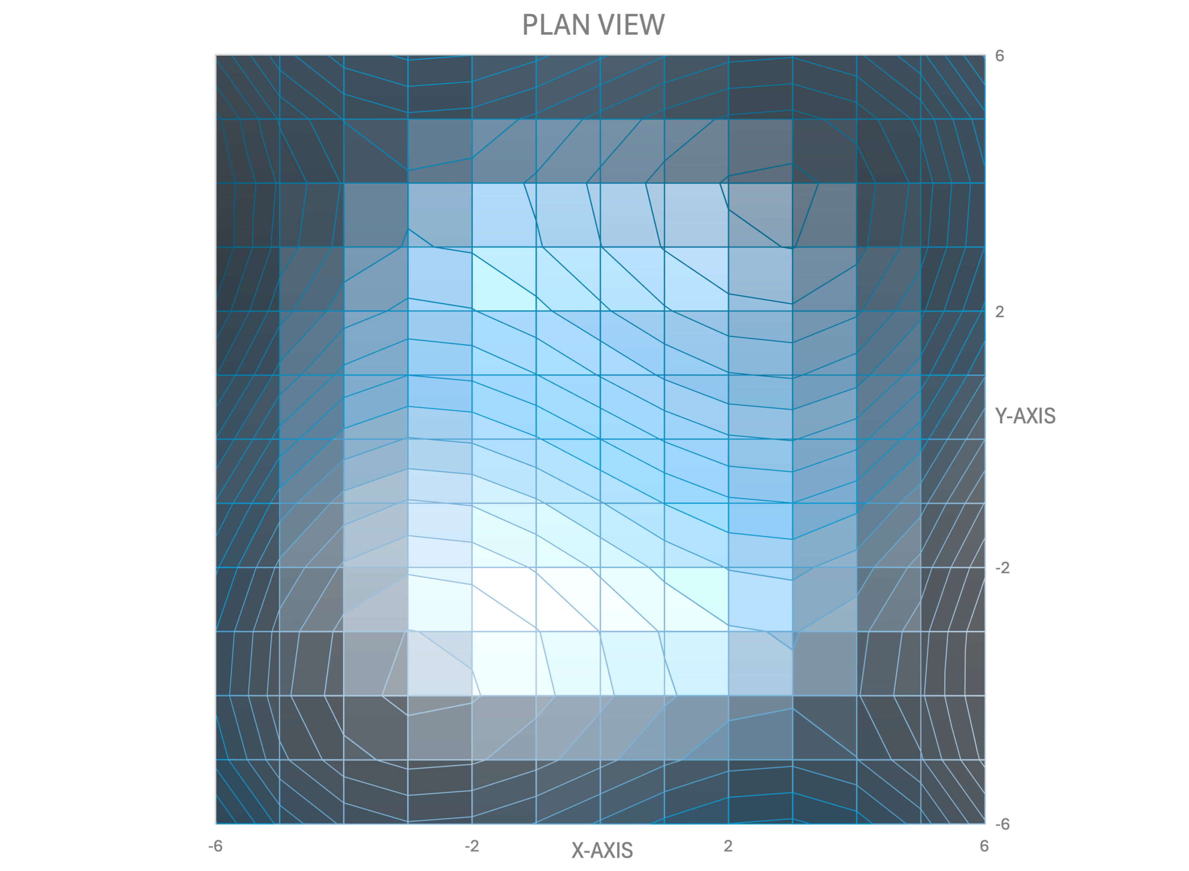
3D Surface Function + Inputs & Outputs
z | 0.00
x
y

 | Local Maximum |  | Local Minimum
Variables | Boundary Conditions | Coordinates | Boundary Conditions | Coordinates
z | - |  | -
x | -6 ≤ x ≤ -2 |  | 2 ≤ x ≤ 6
y | -6 ≤ y ≤ -2 |  | 2 ≤ y ≤ 6

