Three Reservoir Problem
Three Reservoir Problem
Brigham Young University - CCE 270

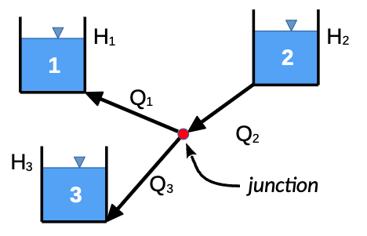
 | Gravity (m/sec^2) | 9.81
 | Hj (m) | 50.000

 |  | Pipe 1 | Pipe 2 | Pipe 3
 | D (m) | 0.08 | 0.1 | 0.08
 | L (m) | 200 | 200 | 400
 | F | 0.02 | 0.015 | 0.02
 | H (m) | 40 | 90 | 0
 | Flow direction | Outflow | Inflow | Outflow
 | V (m/s)
 | Q (cms)

 | Qj (cms)

