ISAM2.0BlankReport
Intersection Safety Analysis Report
Introduction
The purpose of this report is to summarize and present preliminary results from a safety-specific micro analysis on the identified intersections of interest. This report includes identification of the intersection, micro-analysis of the crash data, site visit notes, and a list of possible countermeasures.

Intersection Identification and Roadway Characteristics |  |  |  |  |  |  | Date:

Street Names:
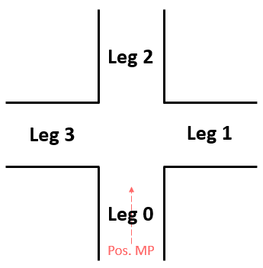
Table 1: Intersection Metadata
Model Used: |  |  | Leg 0 Route & MP:
State Rank: |  |  | Leg 1 Route & MP:
Region & Rank: |  |  | Leg 2 Route & MP:
County & Rank: |  |  | Leg 3 Route & MP:
Years of Data: |  |  | Leg 4 Route & MP:
City/Area: |  |  | Latitude & Longitude:

Table 2: Intersection Characteristics
Intersection Control: |  |  |  |  | Entering Vehicles in
Max. Functional Class: |  |  |  |  | # of Lanes on Route 0:
Min. Functional Class: |  |  |  |  | Max & Min Speed Limit (mph):

Micro-Analysis of Crash Data
Crash Data Summary

Table 3: Crash Count and Severity
Crash Severities Used | Functional Area Method Used |  | Crashes during |  | Total crashes between
 |  |  | Predicted | Actual | Sev. 5 | Sev. 4 | Sev. 3 | Sev. 2 | Sev. 1

Table 4: Crash Factors
Crash ID | Latitude | Longitude | Factor 1 | Factor 2 | Factor 3 | Factor 4 | Factor 5 | Factor 6 | Factor 7

Injury Total
Intersect'n Total

Table 5: Manner of Collision Data
 | Manner 1 | Manner 2 | Manner 3 | Manner 4 | Manner 5 | Manner 6 | Manner 7 | Manner 8 | Manner 9
Name
Injury Total
Intrsectn. Total

Table 6: Vehicle and Crash Data
Crash ID | # of Vehicles | First Harmful Event | Manner of Collision | Event (1) | Event (2) | Event (3) | Event (4) | Most Harmful Event | Vehicle Maneuver

Historical Perspective, Current Conditions, Site Visit Notes |  |  |  |  |  |  | Date:
[Historical Perspective, document changes to the roadway in the recent years]

[Site Visit Notes, document observations at the site, date, time, etc.]

[Aerial Photo; remember to reset tilt]
Figure 1:

Possible Countermeasures
The following is a list of possible countermeasures related to the top 8 crash factors listed in Table 5. The countermeasures listed were compiled from the NCHRP 500 Report volumes and Countermeasures That Work (CTW). (P) = Proven (T) = Tried (E) = Experimental (NA) = Data not available (X*) = Star rating, as designated by CTW. (If countermeasures were listed in both the NCHRP 500 Report and CTW, it is listed with both ratings. For instance, Proven and 4-star rating = (P,4*).)
Engineering Countermeasures

Policy Countermeasures

[begin list here]

