Craig's Report
MATH 108X - Charts & Graphs Case Study |  |  |  |  |  |  |  |  |  |  |  |  | Cash
 | The goal of this project is to practice making and interpreting charts and graphs. |  |  |  |  |  |  |  |  | #1
Step #1 | Scroll to column U and read Craig's Background Story. |  |  |  |  |  |  |  |  |  | Craig's Background Story
 |  | #2 |  |  |  |  |  |  |  |  |  |  | Check
In this week's introductory video, you saw Craig at his internship at the headquarters of a sporting goods store chain. Craig was given the assignment by his boss to make some charts and graphs of his team's data. These will help the team make an informed decision at their next meeting. (Note: your next class period will role play this "next meeting" and your work on this file will help your class make an informed decision.)
To rewatch the introductory video, click here.
For this Case Study, consider yourself Craig's partner with the same assignment he was given. Craig has already started to type in data for the project. Now it is your job to help him finish, correct any mistakes, and appropriately summarize the data with charts and graphs.
What he did already...
Craig has entered in most of the data from the pages upon pages of printouts that his boss gave him and has double checked it for accuracy. He has also computed some numerical summaries of the data. However, he hasn't double checked his numerical summaries for accuracy and isn't sure if he did all of his calculations correctly.
Finally, Craig tried to make a bar chart that summarizes some of the information, but he hasn't been able to figure out how to get proper labels on it. He also isn't sure what types of charts and graphs to make for the remaining data.
What he needs help with...
Help Craig finish typing in the remaining data and make appropriate charts and graphs of the data by completing Steps #2 through #5. Then, help Craig prepare for the next business meeting by writing a description (Step #6) of what you would say about your charts and graphs to Craig's team. You will use this description in your next class period.
Remember...
Boxes with red triangles in them contain "Hints" which you can read by hovering your mouse over them.
Step #2 | Type in the remaining U.S Cencus Bureau data and recreate a more appropriate bar chart than the one given to summarize that data. |  |  |  |  |  |  | Final page of printouts that Craig was given. The highlighted data on this page needs to be typed into the table to the left. |  |  |  |  | Credit Card
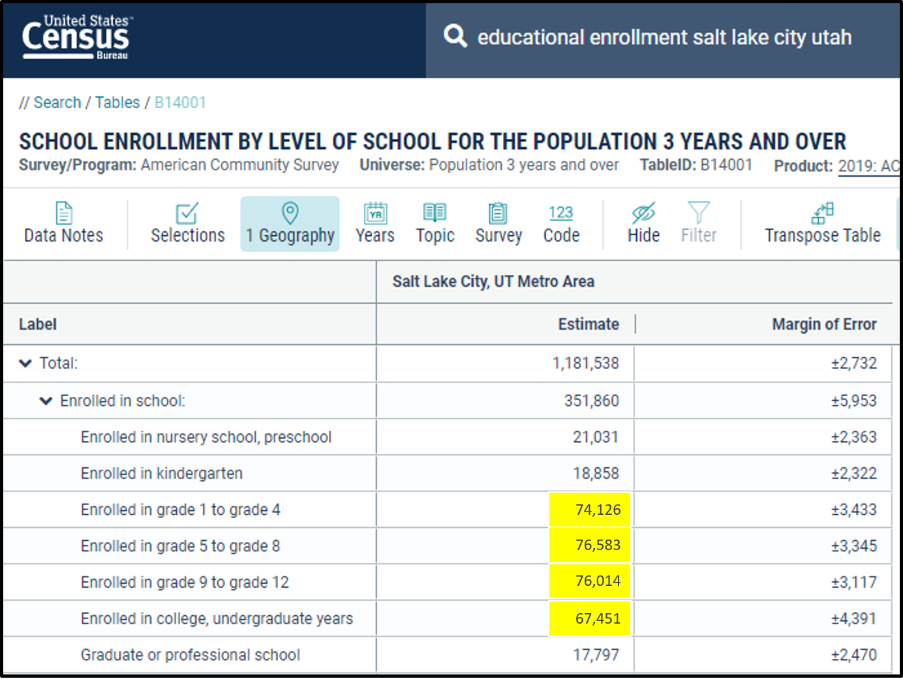
 |  |  | 2015 American Community Survey | Denver | San Diego | Seattle | Salt Lake City |  |  |  |  |  | Payroll Deduction
 |  |  | Elementary Students | 28,618 | 151,209 | 25,798 |  |  |  |  |  |  | Direct Deposit
Step #3 | Create an appropriate chart or graph that summarizes the company's average annual sales by age group category. |  | Middle School Students | 30,997 | 155,481 | 26,130 |  |  |  |  |  |  | Debit Card
 |  |  | High School Students | 26,556 | 164,279 | 19,645
 |  |  | College Students | 30,656 | 240,341 | 53,443
(Craig tried to make this graph.) (It needs to be deleted and remade correctly.) (It also needs better labels)
 | 28,618 | 151,209 | 25,798
 | 30,997 | 155,481 | 26,130
 | 26,556 | 164,279 | 19,645
 | 30,656 | 240,341 | 53,443
Step #4 | Check Craig's numerical summaries for accuracy and compute all remaining numerical summaries in order to produce a graph depicting if there is a relationship between the average annual sales of each store and the store's distance from the nearest athletic stadium. |  |  | Insert chart of 2015 American Community Survey data here.

Step #5 | Create an appropriate chart or graph (click to review when to use each graph) that summarizes the company's average monthly sales by month of the year.

Step #6 | Write a plan or script for what you would say during the next company meeting when presenting these charts and graphs and numerical summaries to Craig's Team. Your comments should be of professional presentation quality.Provide conclusions from the data and graphics for each of parts #2 through #5. One paragraph per section.

 |  | #3
 |  |  | Current Annual Sales by Age Group | Annual Sales | Insert chart or graph of Annual Sales for each Age Group here.
 |  |  | Elementary Students | $85,204
 |  |  | Middle School Students | $115,229
 |  |  | High School Students | $955,820
Provide your descriptions of what you would say about these charts and graphs and numerical summaries here...
 |  |  | College Students | $402,517
 |  |  | These values show the breakdown of the annual sales from last year (Year 5) according to age group category.

 |  | #4
 |  |  |  | Store 1 Sales | Store 2 Sales | Store 3 Sales | Store 4 Sales | Store 5 Sales | Store 6 Sales
 |  |  | Year 1 Total Sales | $217,129
 |  |  | Year 2 Total Sales | $257,281 | $312,409 | $185,163
 |  |  | Year 3 Total Sales | $232,019 | $308,782 | $192,598 | $279,420
 |  |  | Year 4 Total Sales | $238,271 | $304,242 | $240,355 | $281,793 | $181,091 | $241,258
 |  |  | Year 5 Total Sales | $221,061 | $280,690 | $283,143 | $279,280 | $247,569 | $247,027
 |  |  | Average Total Sales | $233,152 | $301,513
 |  |  | Standard Deviation of Total Sales | $15,911 | $12,375

 |  |  | Current Stores | Distance from Stadium | Average Annual Sales | Insert a chart or graph that could illustrate a relationship between the Average Annual Sales for each store and the Distance of the store from the Nearest Stadum here.
 |  |  | Store 1 | 3.8
 |  |  | Store 2 | 1.4
 |  |  | Store 3 | 4.3
 |  |  | Store 4 | 2.2
 |  |  | Store 5 | 3.6
 |  |  | Store 6 | 3.5

 |  | #5
 |  |  | Current Stores | Month Number | Average Monthly Sales | Insert a chart of Monthly Overall Average Sales against the Month of the Year here.
 |  |  | January | 1 | 54,345
 |  |  | February | 2 | 67,321
 |  |  | March | 3 | 86,911
 |  |  | April | 4 | 105,222
 |  |  | May | 5 | 110,315
 |  |  | June | 6 | 133,153
 |  |  | July | 7 | 156,213
 |  |  | August | 8 | 168,158
 |  |  | September | 9 | 135,859
 |  |  | October | 10 | 93,628
 |  |  | November | 11 | 80,636
 |  |  | December | 12 | 126,231

 |  |  |  |  |  |  |  |  |  |  |  | Fall 2020

How Did I Do
 |  |  |  | 0
MATH 108X - Craig's Report Case Study |  | 20 |  | Total Errors | Note, this "How Did I Do" page does not check your charts and graphs for correctness. |  |  |  |  |  |  |  | Cash
 | The goal of this project is to practice making and interpreting charts and graphs. | 2 |  | Total Correct |  |  |  |  |  |  | #1
Step #1 | Scroll to column U and read Craig's Background Story. |  |  |  |  |  |  |  |  |  |  | Craig's Background Story
 |  |  | #2 |  |  |  |  |  |  |  |  |  | Check
In this week's introductory video, you saw Craig at his internship at the headquarters of a sporting goods store chain. Craig was given the assignment by his boss to make some charts and graphs of his team's data. These will help the team make an informed decision at their next meeting. (Note: your next class period will role play this "next meeting" and your work on this file will help your class make an informed decision.)
To watch the introductory video, click here.
For this Case Study, consider yourself Craig's partner with the same assignment he was given. Craig has already started to type in data for the project. Now it is your job to help him finish and appropriately summarize the data with charts and graphs.
What he did already...
Craig has entered in most of the data from the pages upon pages of printouts that his boss gave him and has double checked it for accuracy. He has also computed some numerical summaries of the data. However, he hasn't double checked his numerical summaries for accuracy and isn't sure if he did all of his calculations correctly.
Finally, Craig tried to make a bar chart that summarizes some of the information, but he hasn't been able to figure out how to get proper labels on it. He also isn't sure what types of graphics to make for the remaining data.
What he needs help with...
Help Craig finish typing in the remaining data and make appropriate graphical summaries of the data by completing Steps #2 through #5. Then, help Craig prepare for the next business meeting by writing a description (Step #6) of what you would say about your charts and graphs to Craig's team.
Remember...
Boxes with red triangles in them contain "Hints" which you can read by hovering your mouse over them.
Step #2 | Type in the remaining U.S Cencus Bureau data and recreate a more appropriate bar chart than the one given to summarize that data. |  |  |  |  |  |  |  | Final page of printouts that Craig was given. The highlighted data on this page needs to be typed into the table to the left. |  |  |  | Credit Card
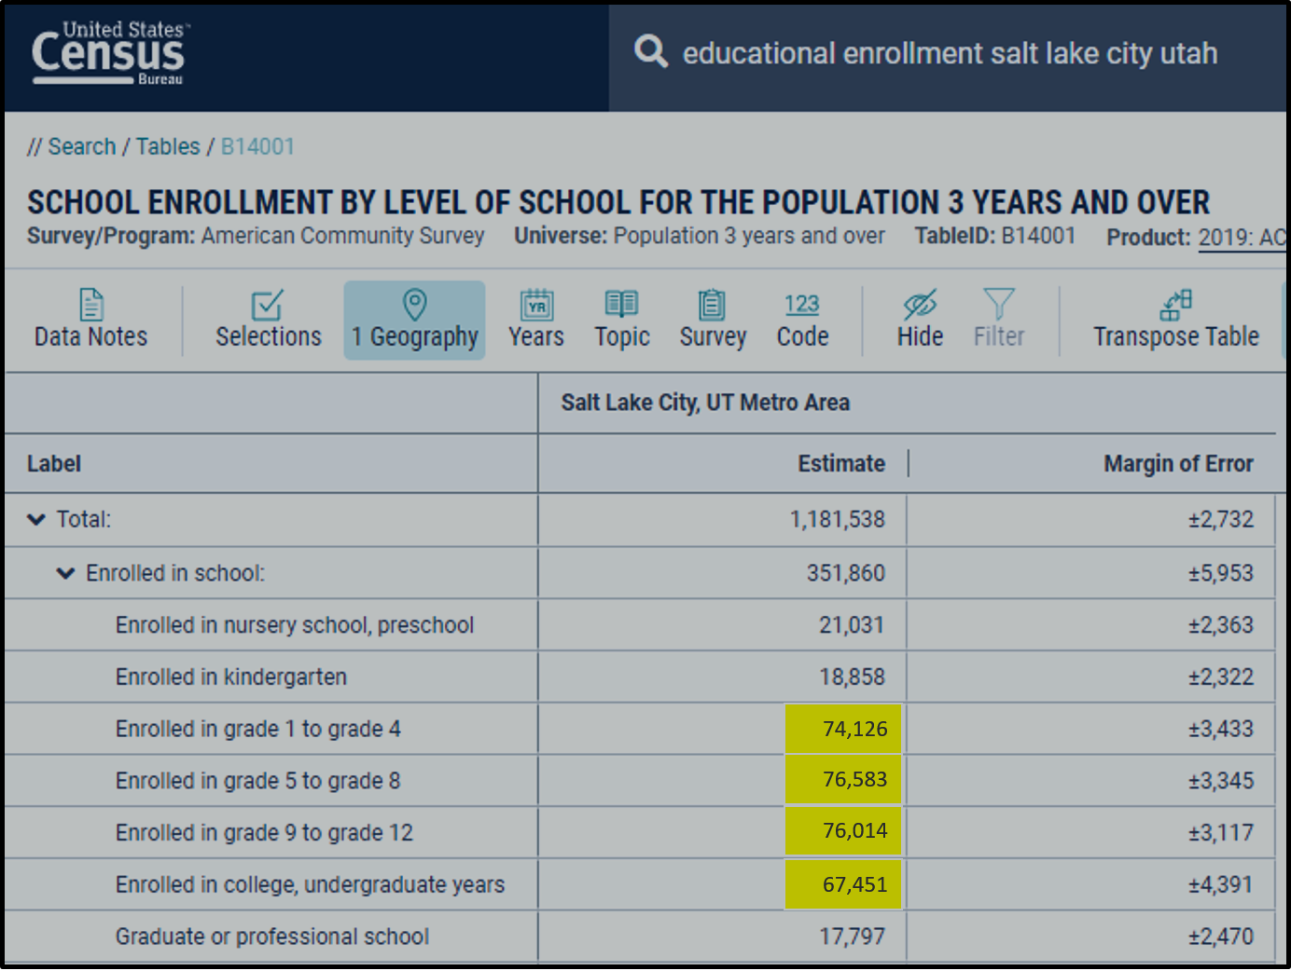
 |  |  |  | 2015 American Community Survey | Denver | San Diego | Seattle | Salt Lake City |  |  |  |  | Payroll Deduction
 |  |  |  | Elementary Students | 28,618 | 151,209 | 25,798 | ERROR |  |  |  |  | Direct Deposit
Step #3 | Create an appropriate chart or graph that summarizes the company's average annual sales by age group category. |  |  | Middle School Students | 30,997 | 155,481 | 26,130 | ERROR |  |  |  |  | Debit Card
 |  |  |  | High School Students | 26,556 | 164,279 | 19,645 | ERROR
 |  |  |  | College Students | 30,656 | 240,341 | 53,443 | ERROR
Content Hidden
Content Hidden
Content Hidden
Content Hidden
Step #4 | Check Craig's numerical summaries for accuracy and compute all remaining numerical summaries in order to produce a graph depicting if there is a relationship between the average annual sales of each store and the store's distance from the nearest athletic stadium. |  |  |  | 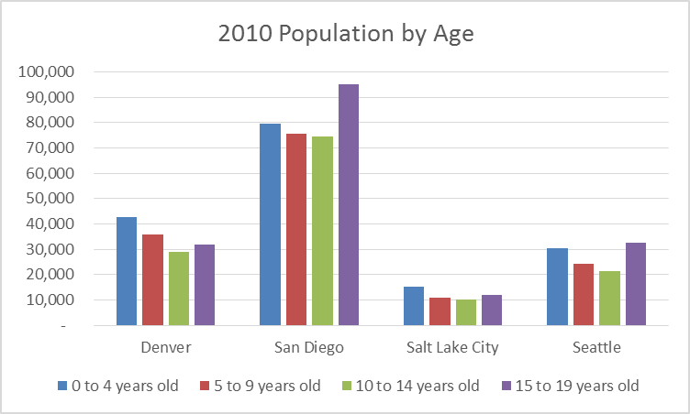 The correct graph should look like this, but without the "Hidden Content."

Step #5 | Create an appropriate chart or graph (click to review when to use each graph) that summarizes the company's average monthly sales by month of the year.

Step #6 | Write a plan or script for what you would say during the next company meeting when presenting these charts and graphs and numerical summaries to Craig's Team. Your comments should be of professional presentation quality.Provide conclusions from the data and graphics for each of parts #2 through #5. One paragraph per section.

Your instructor will grade your written response.
 |  |  | #3
 |  |  |  | Current Annual Sales by Age Group | Annual Sales | Be sure you have made a well labelled chart or graph showing the breakdown of Annual Sales according to each age group.
 |  |  |  | Elementary Students | $85,204
 |  |  |  | Middle School Students | $115,229
 |  |  |  | High School Students | $955,820
 |  |  |  | College Students | $402,517
 |  |  |  | These values show the breakdown of the annual sales from last year (Year 5) according to age group category.

 |  |  | #4
 |  |  |  |  | Store 1 Sales | Store 2 Sales | Store 3 Sales | Store 4 Sales | Store 5 Sales | Store 6 Sales
 |  |  |  | Year 1 Total Sales | $217,129
 |  |  |  | Year 2 Total Sales | $257,281 | $312,409 | $185,163
 |  |  |  | Year 3 Total Sales | $232,019 | $308,782 | $192,598 | $279,420
 |  |  |  | Year 4 Total Sales | $238,271 | $304,242 | $240,355 | $281,793 | $181,091 | $241,258
 |  |  |  | Year 5 Total Sales | $221,061 | $280,690 | $283,143 | $279,280 | $247,569 | $247,027
 |  |  |  | Average Total Sales | Correct | ERROR | ERROR | ERROR | ERROR | ERROR
 |  |  |  | Standard Deviation of Total Sales | Correct | ERROR | ERROR | ERROR | ERROR | ERROR

 |  |  |  | Current Stores | Distance from Stadium | Average Annual Sales | Ensure you have a graph of Average Annual Sales for each store against the Distance that the store is from the nearest Stadum.
 |  |  |  | Store 1 | 3.8 | ERROR
 |  |  |  | Store 2 | 1.4 | ERROR
 |  |  |  | Store 3 | 4.3 | ERROR
 |  |  |  | Store 4 | 2.2 | ERROR
 |  |  |  | Store 5 | 3.6 | ERROR
 |  |  |  | Store 6 | 3.5 | ERROR

 |  |  | #5
 |  |  |  | Current Stores | Month Number | Average Monthly Sales | Ensure you have a chart of Monthly Overall Average Sales againts the Month of the year here.
 |  |  |  | January | 1 | 54,345
 |  |  |  | February | 2 | 67,321
 |  |  |  | March | 3 | 86,911
 |  |  |  | April | 4 | 105,222
 |  |  |  | May | 5 | 110,315
 |  |  |  | June | 6 | 133,153
 |  |  |  | July | 7 | 156,213
 |  |  |  | August | 8 | 168,158
 |  |  |  | September | 9 | 135,859
 |  |  |  | October | 10 | 93,628
 |  |  |  | November | 11 | 80,636
 |  |  |  | December | 12 | 126,231

