Problem 1
Binomial Tree Methods for Derivatives Valuation and Hedging Parameters Computation

European

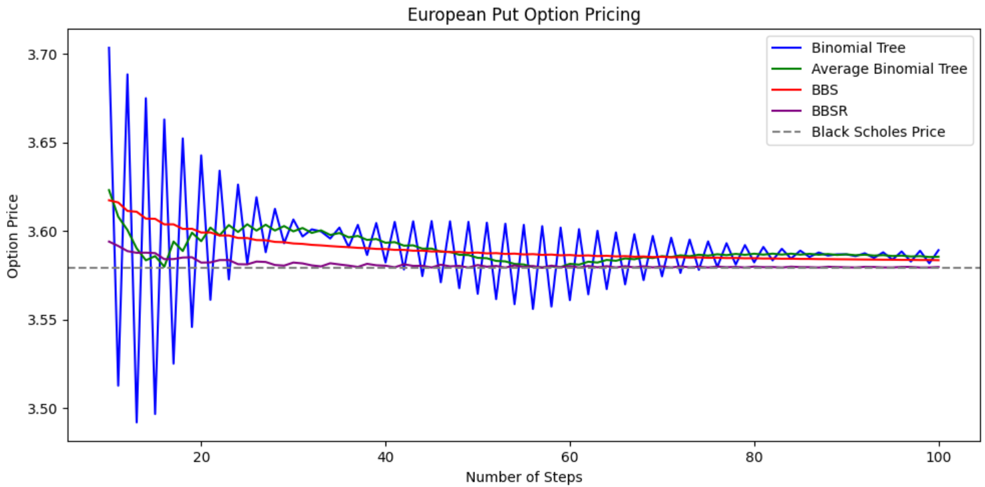
N | BT | ABT | BBS | BBSR
10 | 3.703631 | 3.623203 | 3.617453 | 3.594108
11 | 3.512694 | 3.608162 | 3.616219 | 3.591641
12 | 3.688601 | 3.600648 | 3.611436 | 3.588729
13 | 3.491921 | 3.590261 | 3.610962 | 3.587781
14 | 3.675131 | 3.583526 | 3.607099 | 3.587851
15 | 3.496673 | 3.585902 | 3.606980 | 3.587614
16 | 3.663134 | 3.579904 | 3.603828 | 3.584174
17 | 3.525139 | 3.594137 | 3.603860 | 3.584238
18 | 3.652430 | 3.588784 | 3.601276 | 3.585098
19 | 3.545845 | 3.599137 | 3.601349 | 3.585245
20 | 3.642832 | 3.594339 | 3.599228 | 3.582237
21 | 3.561191 | 3.602012 | 3.599286 | 3.582352
22 | 3.634179 | 3.597685 | 3.597550 | 3.583664
23 | 3.572717 | 3.603448 | 3.597561 | 3.583685
24 | 3.626333 | 3.599525 | 3.596148 | 3.581334
25 | 3.581450 | 3.603891 | 3.596098 | 3.581234
26 | 3.619180 | 3.600315 | 3.594958 | 3.582818
27 | 3.588098 | 3.603639 | 3.594842 | 3.582586
28 | 3.612627 | 3.600362 | 3.593935 | 3.580891
29 | 3.593161 | 3.602894 | 3.593755 | 3.580530
30 | 3.606595 | 3.599878 | 3.593046 | 3.582263
31 | 3.597002 | 3.601798 | 3.592804 | 3.581781
32 | 3.601019 | 3.599011 | 3.592263 | 3.580666
33 | 3.599888 | 3.600454 | 3.591968 | 3.580075
34 | 3.595845 | 3.597867 | 3.591569 | 3.581863
35 | 3.602021 | 3.598933 | 3.591226 | 3.581176
36 | 3.591028 | 3.596524 | 3.590948 | 3.580547 | Comments
37 | 3.603552 | 3.597290 | 3.590565 | 3.579781 | As expected, average binomial trees converge with fewer steps than the standard approach. The BBS method essentially removes the oscillations from the convergence, but appears to converge with similar speed to average binomial trees. The BBSR method converges noticeably faster than the others and appears to converge to the true Black Scholes value rather than a value slightly offset higher (which is the case for the other 3 methods).
38 | 3.586527 | 3.595040 | 3.590389 | 3.581550
39 | 3.604601 | 3.595564 | 3.589973 | 3.580719
40 | 3.582311 | 3.593456 | 3.589882 | 3.580478
41 | 3.605260 | 3.593785 | 3.589441 | 3.579596
42 | 3.578349 | 3.591804 | 3.589419 | 3.581289
43 | 3.605601 | 3.591975 | 3.588960 | 3.580370
44 | 3.574617 | 3.590109 | 3.588995 | 3.580430
45 | 3.605683 | 3.590150 | 3.588524 | 3.579487
46 | 3.571094 | 3.588389 | 3.588605 | 3.581062
47 | 3.605553 | 3.588323 | 3.588127 | 3.580106
48 | 3.567760 | 3.586657 | 3.588243 | 3.580389
49 | 3.605248 | 3.586504 | 3.587764 | 3.579431
50 | 3.564600 | 3.584924 | 3.587908 | 3.580858
51 | 3.604799 | 3.584700 | 3.587432 | 3.579906
52 | 3.561598 | 3.583199 | 3.587595 | 3.580348
53 | 3.604231 | 3.582915 | 3.587127 | 3.579412
54 | 3.558742 | 3.581487 | 3.587303 | 3.580671
55 | 3.603566 | 3.581154 | 3.586847 | 3.579758
56 | 3.556020 | 3.579793 | 3.587030 | 3.580305
57 | 3.602820 | 3.579420 | 3.586587 | 3.579420
58 | 3.557372 | 3.580096 | 3.586773 | 3.580500
59 | 3.602007 | 3.579689 | 3.586347 | 3.579649
60 | 3.561027 | 3.581517 | 3.586531 | 3.580257
61 | 3.601140 | 3.581083 | 3.586125 | 3.579445
62 | 3.564310 | 3.582725 | 3.586302 | 3.580342
63 | 3.600229 | 3.582270 | 3.585918 | 3.579572
64 | 3.567262 | 3.583746 | 3.586087 | 3.580206
65 | 3.599282 | 3.583272 | 3.585725 | 3.579482
66 | 3.569918 | 3.584600 | 3.585883 | 3.580196
67 | 3.598307 | 3.584113 | 3.585544 | 3.579519
68 | 3.572308 | 3.585308 | 3.585689 | 3.580153
69 | 3.597309 | 3.584809 | 3.585375 | 3.579524
70 | 3.574459 | 3.585884 | 3.585506 | 3.580063
71 | 3.596294 | 3.585377 | 3.585216 | 3.579485
72 | 3.576395 | 3.586344 | 3.585331 | 3.580098
73 | 3.595265 | 3.585830 | 3.585067 | 3.579569
74 | 3.578136 | 3.586701 | 3.585166 | 3.579942
75 | 3.594228 | 3.586182 | 3.584927 | 3.579464
76 | 3.579700 | 3.586964 | 3.585008 | 3.580042
77 | 3.593184 | 3.586442 | 3.584794 | 3.579614
78 | 3.581105 | 3.587144 | 3.584858 | 3.579833
79 | 3.592136 | 3.586621 | 3.584668 | 3.579454
80 | 3.582365 | 3.587250 | 3.584714 | 3.579988
81 | 3.591087 | 3.586726 | 3.584549 | 3.579657
82 | 3.583492 | 3.587290 | 3.584578 | 3.579736
83 | 3.590039 | 3.586766 | 3.584436 | 3.579452
84 | 3.584499 | 3.587269 | 3.584447 | 3.579934
85 | 3.588994 | 3.586746 | 3.584328 | 3.579696
86 | 3.585395 | 3.587195 | 3.584323 | 3.579650
87 | 3.587952 | 3.586674 | 3.584225 | 3.579455
88 | 3.586192 | 3.587072 | 3.584204 | 3.579884
89 | 3.586915 | 3.586553 | 3.584127 | 3.579730
90 | 3.586896 | 3.586905 | 3.584090 | 3.579575
91 | 3.585884 | 3.586390 | 3.584033 | 3.579461
92 | 3.587515 | 3.586700 | 3.583981 | 3.579836
93 | 3.584860 | 3.586188 | 3.583943 | 3.579759
94 | 3.588058 | 3.586459 | 3.583877 | 3.579511
95 | 3.583843 | 3.585950 | 3.583856 | 3.579469
96 | 3.588529 | 3.586186 | 3.583778 | 3.579791
97 | 3.582835 | 3.585682 | 3.583773 | 3.579782
98 | 3.588934 | 3.585885 | 3.583683 | 3.579457
99 | 3.581835 | 3.585385 | 3.583693 | 3.579478
100 | 3.589280 | 3.585557 | 3.583591 | 3.579750

American

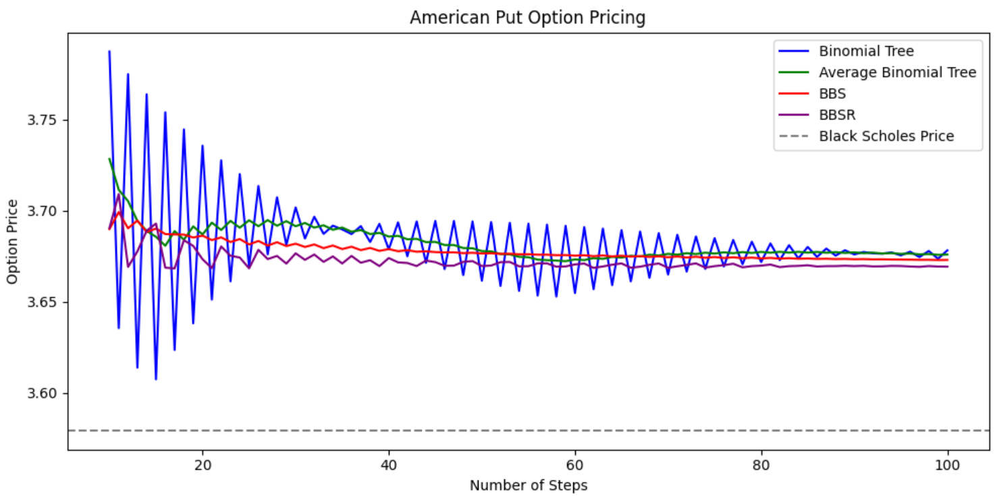
N | BT | ABT | BBS | BBSR
10 | 3.787176 | 3.728298 | 3.689851 | 3.690401
11 | 3.635556 | 3.711366 | 3.699179 | 3.709057
12 | 3.774754 | 3.705155 | 3.690279 | 3.669117
13 | 3.613913 | 3.694334 | 3.694524 | 3.677608
14 | 3.763738 | 3.688826 | 3.688205 | 3.688969
15 | 3.607492 | 3.685615 | 3.690155 | 3.692868
16 | 3.753875 | 3.680684 | 3.687118 | 3.668691
17 | 3.623581 | 3.688728 | 3.686924 | 3.668302
18 | 3.744482 | 3.684031 | 3.686804 | 3.683756
19 | 3.638183 | 3.691332 | 3.685231 | 3.680611
20 | 3.735565 | 3.686874 | 3.686245 | 3.673310
21 | 3.651194 | 3.693380 | 3.683813 | 3.668446
22 | 3.727519 | 3.689357 | 3.685299 | 3.680319
23 | 3.661193 | 3.694356 | 3.682752 | 3.675225
24 | 3.719999 | 3.690596 | 3.684385 | 3.674247
25 | 3.669352 | 3.694676 | 3.681429 | 3.668334
26 | 3.713488 | 3.691420 | 3.683337 | 3.678468
27 | 3.676030 | 3.694759 | 3.680803 | 3.673400
28 | 3.707289 | 3.691660 | 3.682642 | 3.675130
29 | 3.681109 | 3.694199 | 3.680545 | 3.670935
30 | 3.701721 | 3.691415 | 3.681835 | 3.676553
31 | 3.684692 | 3.693207 | 3.680053 | 3.672988
32 | 3.696614 | 3.690653 | 3.681410 | 3.675897
33 | 3.687239 | 3.691927 | 3.679403 | 3.671883
34 | 3.691723 | 3.689481 | 3.680835 | 3.674866
35 | 3.689674 | 3.690698 | 3.678895 | 3.670987
36 | 3.687118 | 3.688396 | 3.680181 | 3.675132 | Comments
37 | 3.691470 | 3.689294 | 3.678322 | 3.671412 | The behavior of the American option simulations essentially parrots that of the European option case. We can see that the early exercise option causes the simulations to converge to a value roughly $0.10 higher than before. The early exercise ability also causes more oscillations in the BBSR convergence than seen previously.
38 | 3.682790 | 3.687130 | 3.679511 | 3.672778
39 | 3.692725 | 3.687757 | 3.677901 | 3.669556
40 | 3.678748 | 3.685737 | 3.678889 | 3.673966
41 | 3.693546 | 3.686147 | 3.677707 | 3.671601
42 | 3.674947 | 3.684247 | 3.678278 | 3.671257
43 | 3.694055 | 3.684501 | 3.677445 | 3.669592
44 | 3.671355 | 3.682705 | 3.677661 | 3.672570
45 | 3.694320 | 3.682838 | 3.677253 | 3.671753
46 | 3.667903 | 3.681112 | 3.677056 | 3.669726
47 | 3.694308 | 3.681106 | 3.677101 | 3.669817
48 | 3.664604 | 3.679456 | 3.676661 | 3.671893
49 | 3.694031 | 3.679317 | 3.676867 | 3.672305
50 | 3.661574 | 3.677803 | 3.676464 | 3.669591
51 | 3.693690 | 3.677632 | 3.676602 | 3.669867
52 | 3.658702 | 3.676196 | 3.676267 | 3.671732
53 | 3.693287 | 3.675994 | 3.676323 | 3.671844
54 | 3.655993 | 3.674640 | 3.676037 | 3.669431
55 | 3.692829 | 3.674411 | 3.676068 | 3.669494
56 | 3.653392 | 3.673110 | 3.675801 | 3.671057
57 | 3.692276 | 3.672834 | 3.675798 | 3.671052
58 | 3.652865 | 3.672570 | 3.675541 | 3.669247
59 | 3.691642 | 3.672253 | 3.675608 | 3.669381
60 | 3.654796 | 3.673219 | 3.675267 | 3.670481
61 | 3.690927 | 3.672862 | 3.675504 | 3.670956
62 | 3.656910 | 3.673918 | 3.674996 | 3.668582
63 | 3.690126 | 3.673518 | 3.675383 | 3.669355
64 | 3.659129 | 3.674627 | 3.674858 | 3.670314
65 | 3.689287 | 3.674208 | 3.675216 | 3.671029
66 | 3.661165 | 3.675226 | 3.674744 | 3.668653
67 | 3.688492 | 3.674829 | 3.675036 | 3.669236
68 | 3.663116 | 3.675804 | 3.674583 | 3.670270
69 | 3.687635 | 3.675375 | 3.674943 | 3.670990
70 | 3.664921 | 3.676278 | 3.674406 | 3.668630
71 | 3.686730 | 3.675825 | 3.674817 | 3.669452
72 | 3.666534 | 3.676632 | 3.674267 | 3.670213
73 | 3.685799 | 3.676167 | 3.674684 | 3.671047
74 | 3.668018 | 3.676908 | 3.674119 | 3.668727
75 | 3.684859 | 3.676438 | 3.674524 | 3.669536
76 | 3.669352 | 3.677105 | 3.673993 | 3.670086
77 | 3.683893 | 3.676623 | 3.674381 | 3.670861
78 | 3.670588 | 3.677240 | 3.673879 | 3.668869
79 | 3.682929 | 3.676758 | 3.674218 | 3.669546
80 | 3.671770 | 3.677349 | 3.673757 | 3.669807
81 | 3.681971 | 3.676871 | 3.674055 | 3.670403
82 | 3.672829 | 3.677400 | 3.673639 | 3.669000
83 | 3.681021 | 3.676925 | 3.673903 | 3.669527
84 | 3.673774 | 3.677397 | 3.673565 | 3.669685
85 | 3.680058 | 3.676916 | 3.673727 | 3.670008
86 | 3.674603 | 3.677331 | 3.673499 | 3.669338
87 | 3.679149 | 3.676876 | 3.673598 | 3.669534
88 | 3.675314 | 3.677232 | 3.673408 | 3.669564
89 | 3.678235 | 3.676775 | 3.673502 | 3.669750
90 | 3.675957 | 3.677096 | 3.673312 | 3.669568
91 | 3.677300 | 3.676629 | 3.673388 | 3.669720
92 | 3.676545 | 3.676922 | 3.673241 | 3.669380
93 | 3.676372 | 3.676458 | 3.673267 | 3.669432
94 | 3.677044 | 3.676708 | 3.673173 | 3.669685
95 | 3.675438 | 3.676241 | 3.673138 | 3.669614
96 | 3.677469 | 3.676454 | 3.673101 | 3.669334
97 | 3.674514 | 3.675992 | 3.673004 | 3.669142
98 | 3.677841 | 3.676178 | 3.673018 | 3.669572
99 | 3.673592 | 3.675717 | 3.672890 | 3.669316
100 | 3.678197 | 3.675894 | 3.672928 | 3.669254

