LuuEtal2022
casing_flow | tubing_flow | d_production_casing_in | d_tubing_in | d_production_casing | d_tubing | mode | height_wh | mass_wh | mpl_wh | phi_soil | pga | moment_conductor | moment_surface | moment_production | moment_tubing | sigma_moment_conductor | sigma_moment_surface | sigma_moment_production | sigma_moment_tubing | sigma_mu_moment_conductor | sigma_mu_moment_surface | sigma_mu_moment_production | sigma_mu_moment_tubing
TRUE | FALSE | 9 | 4 | 0.2286 | 0.1016 | 1 | 2.827917615 | 4819.510794 | 1704.261386 | 37.39196365 | 0.897987726 | 626065.6924 | 188143.6368 | 46340.19709 | 28476.76114 | 0.3351434 | 0.3878656 | 0.4117031 | 0.2770733 | 0.25 | 0.25 | 0.25 | 0.25
TRUE | FALSE | 9 | 4 | 0.2286 | 0.1016 | 1 | 2.432393739 | 1421.9303852 | 584.5806797 | 33.34850167 | 1.299264219 | 388525.2701 | 115295.6297 | 27887.54829 | 25747.98358 | 0.3351434 | 0.3878656 | 0.4117031 | 0.2770733 | 0.25 | 0.25 | 0.25 | 0.25
TRUE | FALSE | 9 | 4 | 0.2286 | 0.1016 | 1 | 3.238018171 | 4411.4871435 | 1362.403455 | 33.12350697 | 1.454864778 | 864672.3873 | 270984.6046 | 68577.59555 | 31013.15743 | 0.3351434 | 0.3878656 | 0.4117031 | 0.2770733 | 0.25 | 0.25 | 0.25 | 0.25
TRUE | FALSE | 9 | 4 | 0.2286 | 0.1016 | 1 | 3.65672118 | 2427.9333169 | 663.964573 | 34.0909498 | 0.275106765 | 207417.1141 | 59959.05157 | 13992.53587 | 13985.57661 | 0.3351434 | 0.3878656 | 0.4117031 | 0.2770733 | 0.25 | 0.25 | 0.25 | 0.25
TRUE | FALSE | 9 | 4 | 0.2286 | 0.1016 | 1 | 2.70067846 | 2981.8983175 | 1104.129337 | 35.59167011 | 0.43684371 | 309770.0642 | 89071.65658 | 20972.14615 | 20365.0358 | 0.3351434 | 0.3878656 | 0.4117031 | 0.2770733 | 0.25 | 0.25 | 0.25 | 0.25
TRUE | FALSE | 9 | 4 | 0.2286 | 0.1016 | 1 | 3.257453739 | 1828.5159549 | 561.3329003 | 34.75286789 | 0.549542765 | 277330.6032 | 79607.18669 | 18650.35726 | 18662.85169 | 0.3351434 | 0.3878656 | 0.4117031 | 0.2770733 | 0.25 | 0.25 | 0.25 | 0.25
TRUE | FALSE | 9 | 4 | 0.2286 | 0.1016 | 1 | 2.975486671 | 4377.0432855 | 1471.034412 | 34.19804269 | 0.771351658 | 563165.0518 | 168329.5634 | 41012.2207 | 26777.71723 | 0.3351434 | 0.3878656 | 0.4117031 | 0.2770733 | 0.25 | 0.25 | 0.25 | 0.25
TRUE | FALSE | 9 | 4 | 0.2286 | 0.1016 | 1 | 3.22227037 | 1386.3624496 | 430.2439865 | 36.64526911 | 0.255786186 | 144858.4587 | 40869.29533 | 9390.080961 | 11691.17304 | 0.3351434 | 0.3878656 | 0.4117031 | 0.2770733 | 0.25 | 0.25 | 0.25 | 0.25
TRUE | FALSE | 9 | 4 | 0.2286 | 0.1016 | 1 | 2.267743383 | 3858.98452 | 1701.684833 | 38.7937922 | 1.212596022 | 633549.7322 | 191632.3928 | 47634.42863 | 32815.93445 | 0.3351434 | 0.3878656 | 0.4117031 | 0.2770733 | 0.25 | 0.25 | 0.25 | 0.25 | 'mode_1_conductor' | 0.3351434 | 0.3351434 | 0
TRUE | FALSE | 9 | 4 | 0.2286 | 0.1016 | 1 | 2.701350922 | 1357.1863688 | 502.4102414 | 37.10539816 | 0.660228741 | 255914.5966 | 72572.18433 | 16942.16864 | 19860.87423 | 0.3351434 | 0.3878656 | 0.4117031 | 0.2770733 | 0.25 | 0.25 | 0.25 | 0.25 | 'mode_1_surface' | 0.3878656 | 0.3878656 | 0
FALSE | TRUE | 9 | 4 | 0.2286 | 0.1016 | 1 | 2.370889205 | 2518.9624952 | 1062.454749 | 33.20633113 | 1.363980603 | 563173.5751 | 170742.8663 | 42110.8634 | 30716.24836 | 0.3351434 | 0.3878656 | 0.4117031 | 0.2770733 | 0.25 | 0.25 | 0.25 | 0.25 | 'mode_1_production' | 0.4117031 | 0.4117031 | 0
...
 |  |  |  |  |  |  |  |  |  |  |  |  |  |  |  |  |  |  |  | 0.25 | 0.25 | 0.25 | 0.25 | 'mode_2_surface' | 0.2770733 | 0.2770733 | 0
 |  |  |  |  |  |  |  |  |  |  |  |  |  |  |  |  |  |  |  | 0.25 | 0.25 | 0.25 | 0.25 | 'mode_4_conductor' | 0.3276896 | 0.3276896 | 0
 |  |  |  |  |  |  |  |  |  |  |  |  |  |  |  |  |  |  |  | 0.25 | 0.25 | 0.25 | 0.25 | 'mode_4_surface' | 0.3806691 | 0.3806691 | 0
 |  |  |  |  |  |  |  |  |  |  |  |  |  |  |  |  |  |  |  | 0.25 | 0.25 | 0.25 | 0.25 | 'mode_4_production' | 0.4416239 | 0.4416239 | 0
 |  |  |  |  |  |  |  |  |  |  |  |  |  |  |  |  |  |  |  | 0.25 | 0.25 | 0.25 | 0.25 | mode_4_tubing' | 0.2299108 | 0.2299108 | 0
 |  |  |  |  |  |  |  |  |  |  |  |  |  |  |  |  |  |  |  | 0.25 | 0.25 | 0.25 | 0.25
 |  |  |  |  |  |  |  |  |  |  |  |  |  |  |  |  |  |  |  | 0.25 | 0.25 | 0.25 | 0.25
 |  |  |  |  |  |  |  |  |  |  |  |  |  |  |  |  |  |  |  | 0.25 | 0.25 | 0.25 | 0.25
 |  |  |  |  |  |  |  |  |  |  |  |  |  |  |  |  |  |  |  | 0.25 | 0.25 | 0.25 | 0.25
 |  |  |  |  |  |  |  |  |  |  |  |  |  |  |  |  |  |  |  | 0.25 | 0.25 | 0.25 | 0.25
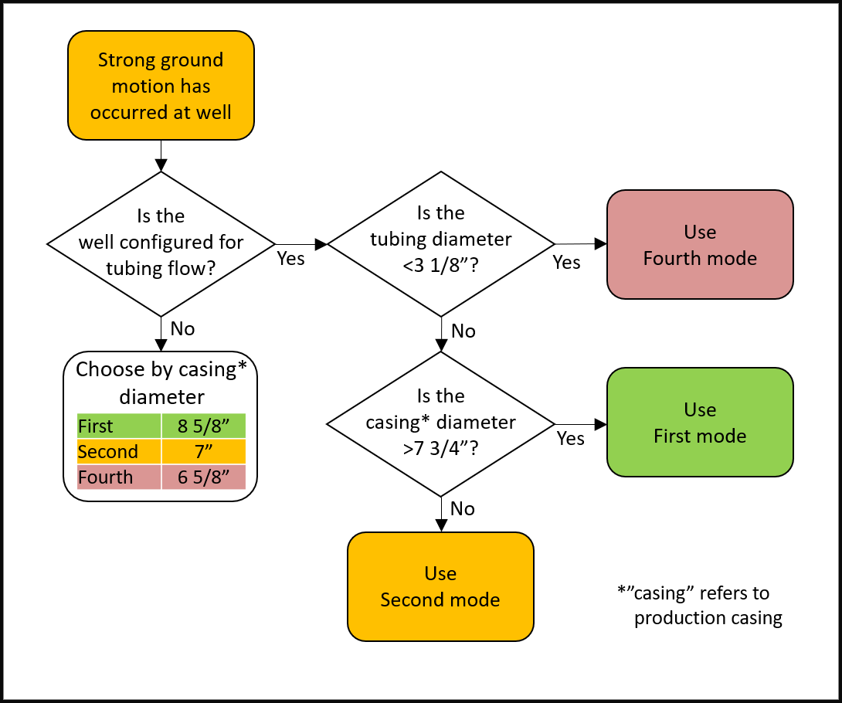
 |  |  |  |  |  |  |  |  |  |  |  |  |  |  |  |  |  |  |  | 0.25 | 0.25 | 0.25 | 0.25
 |  |  |  |  |  |  |  |  |  |  |  |  |  |  |  |  |  |  |  | 0.25 | 0.25 | 0.25 | 0.25
 |  |  |  |  |  |  |  |  |  |  |  |  |  |  |  |  |  |  |  | 0.25 | 0.25 | 0.25 | 0.25
 |  |  |  |  |  |  |  |  |  |  |  |  |  |  |  |  |  |  |  | 0.25 | 0.25 | 0.25 | 0.25
 |  |  |  |  |  |  |  |  |  |  |  |  |  |  |  |  |  |  |  | 0.25 | 0.25 | 0.25 | 0.25
 |  |  |  |  |  |  |  |  |  |  |  |  |  |  |  |  |  |  |  | 0.25 | 0.25 | 0.25 | 0.25
 |  |  |  |  |  |  |  |  |  |  |  |  |  |  |  |  |  |  |  | 0.25 | 0.25 | 0.25 | 0.25
 |  |  |  |  |  |  |  |  |  |  |  |  |  |  |  |  |  |  |  | 0.25 | 0.25 | 0.25 | 0.25
 |  |  |  |  |  |  |  |  |  |  |  |  |  |  |  |  |  |  |  | 0.25 | 0.25 | 0.25 | 0.25
 |  |  |  |  |  |  |  |  |  |  |  |  |  |  |  |  |  |  |  | 0.25 | 0.25 | 0.25 | 0.25
 |  |  |  |  |  |  |  |  |  |  |  |  |  |  |  |  |  |  |  | 0.25 | 0.25 | 0.25 | 0.25
 |  |  |  |  |  |  |  |  |  |  |  |  |  |  |  |  |  |  |  | 0.25 | 0.25 | 0.25 | 0.25
 |  |  |  |  |  |  |  |  |  |  |  |  |  |  |  |  |  |  |  | 0.25 | 0.25 | 0.25 | 0.25
 |  |  |  |  |  |  |  |  |  |  |  |  |  |  |  |  |  |  |  | 0.25 | 0.25 | 0.25 | 0.25
 |  |  |  |  |  |  |  |  |  |  |  |  |  |  |  |  |  |  |  | 0.25 | 0.25 | 0.25 | 0.25
 |  |  |  |  |  |  |  |  |  |  |  |  |  |  |  |  |  |  |  | 0.25 | 0.25 | 0.25 | 0.25
 |  |  |  |  |  |  |  |  |  |  |  |  |  |  |  |  |  |  |  | 0.25 | 0.25 | 0.25 | 0.25
 |  |  |  |  |  |  |  |  |  |  |  |  |  |  |  |  |  |  |  | 0.25 | 0.25 | 0.25 | 0.25
 |  |  |  |  |  |  |  |  |  |  |  |  |  |  |  |  |  |  |  | 0.25 | 0.25 | 0.25 | 0.25
 |  |  |  |  |  |  |  |  |  |  |  |  |  |  |  |  |  |  |  | 0.25 | 0.25 | 0.25 | 0.25
 |  |  |  |  |  |  |  |  |  |  |  |  |  |  |  |  |  |  |  | 0.25 | 0.25 | 0.25 | 0.25
 |  |  |  |  |  |  |  |  |  |  |  |  |  |  |  |  |  |  |  | 0.25 | 0.25 | 0.25 | 0.25
 |  |  |  |  |  |  |  |  |  |  |  |  |  |  |  |  |  |  |  | 0.25 | 0.25 | 0.25 | 0.25
 |  |  |  |  |  |  |  |  |  |  |  |  |  |  |  |  |  |  |  | 0.25 | 0.25 | 0.25 | 0.25
 |  |  |  |  |  |  |  |  |  |  |  |  |  |  |  |  |  |  |  | 0.25 | 0.25 | 0.25 | 0.25
 |  |  |  |  |  |  |  |  |  |  |  |  |  |  |  |  |  |  |  | 0.25 | 0.25 | 0.25 | 0.25
 |  |  |  |  |  |  |  |  |  |  |  |  |  |  |  |  |  |  |  | 0.25 | 0.25 | 0.25 | 0.25
 |  |  |  |  |  |  |  |  |  |  |  |  |  |  |  |  |  |  |  | 0.25 | 0.25 | 0.25 | 0.25
 |  |  |  |  |  |  |  |  |  |  |  |  |  |  |  |  |  |  |  | 0.25 | 0.25 | 0.25 | 0.25
 |  |  |  |  |  |  |  |  |  |  |  |  |  |  |  |  |  |  |  | 0.25 | 0.25 | 0.25 | 0.25
 |  |  |  |  |  |  |  |  |  |  |  |  |  |  |  |  |  |  |  | 0.25 | 0.25 | 0.25 | 0.25
 |  |  |  |  |  |  |  |  |  |  |  |  |  |  |  |  |  |  |  | 0.25 | 0.25 | 0.25 | 0.25
 |  |  |  |  |  |  |  |  |  |  |  |  |  |  |  |  |  |  |  | 0.25 | 0.25 | 0.25 | 0.25
 |  |  |  |  |  |  |  |  |  |  |  |  |  |  |  |  |  |  |  | 0.25 | 0.25 | 0.25 | 0.25
 |  |  |  |  |  |  |  |  |  |  |  |  |  |  |  |  |  |  |  | 0.25 | 0.25 | 0.25 | 0.25

