SasakiEtal2022
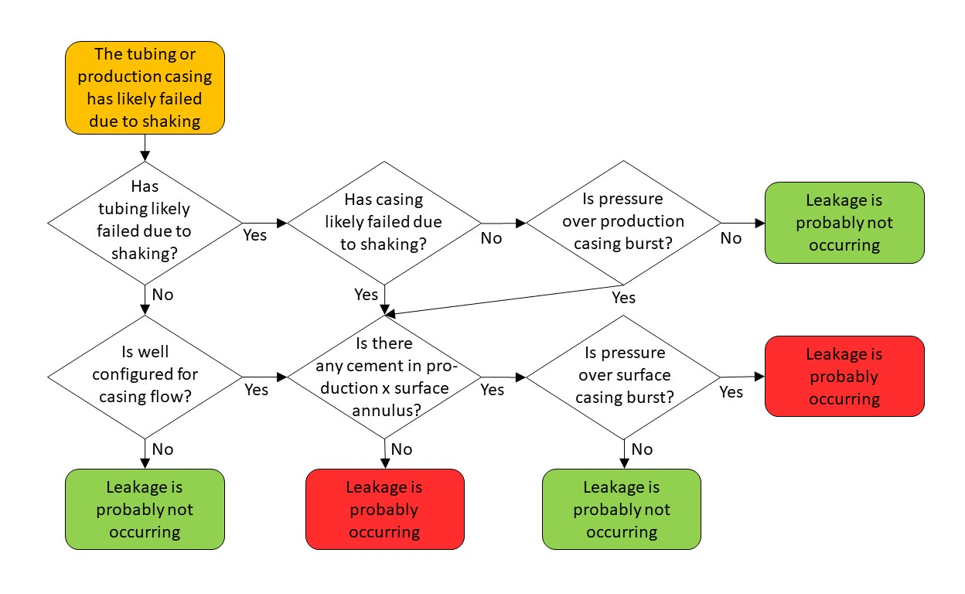
prob_rup_casing_percent | prob_rup_tubing_percent | prob_rup_casing_percent | prob_rup_tubing_percent | pressure
100 | 10 | 1 | 0.1
0 | 0 | 0 | 0.1
0 | 10 | 0 | 0

 |  |  |  |  | 2

