SasakiEtal2022
casing_flow | z_top_of_cement_km | z_top_of_cement | z_crossing | cement_flag | d_production_boring_in | d_production_casing_in | d_tubing_in | d_production_boring | d_production_casing | d_tubing | boring-casing_in | boring-tubing_in | casing-tubing_in | boring-casing_closest_mode_1 | boring-casing_closest_mode_2 | boring-casing_closest_mode_4 | boring-casing_control_mode | boring-tubing_closest_mode_1 | boring-tubing_closest_mode_2 | boring-tubing_closest_mode_4 | boring-tubing_control_mode | casing-tubing_closest_mode_1 | casing-tubing_closest_mode_2 | casing-tubing_closest_mode_4 | casing-tubing_control_mode | mode_case | mode | theta | w_fc | w_dz | e_rock | phi_cmt | ucs_cmt | pgdef | inflect | eps_tubing | eps_casing | sigma_eps_tubing | sigma_eps_casing | dist_type_eps_tubing | dist_type_eps_casing | sigma_mu_eps_tubing | sigma_mu_eps_casing
TRUE | 1 | 1000 | 500 | FALSE | 12.25 | 8.625 | 5.875 | 0.31115 | 0.219075 | 0.149225 | 3.625 | 6.375 | 2.75 | 0 | 0.75 | 0.375 | 1 | 2.375 | 0 | 1.375 | 2 | 2.375 | 0.75 | 1 | 2 | 3 | 1 | 22.5 |  |  |  |  |  | 0.23 |  | 35.700959757 | 57.082436969 | 0.554448 | 3.58501 | lognormal | normal | 0.25 | 1.2840254167
TRUE | 1 | 1000 | 500 | FALSE | 12.25 | 8.625 | 5.875 | 0.31115 | 0.219075 | 0.149225 | 3.625 | 6.375 | 2.75 | 0 | 0.75 | 0.375 | 1 | 2.375 | 0 | 1.375 | 2 | 2.375 | 0.75 | 1 | 2 | 3 | 1 | 25 |  |  |  |  |  | 0.23 |  | 28.921442156 | 56.168430144 | 0.554448 | 3.58501 | lognormal | normal | 0.25 | 1.2840254167
TRUE | 1 | 1000 | 500 | FALSE | 12.25 | 8.625 | 5.875 | 0.31115 | 0.219075 | 0.149225 | 3.625 | 6.375 | 2.75 | 0 | 0.75 | 0.375 | 1 | 2.375 | 0 | 1.375 | 2 | 2.375 | 0.75 | 1 | 2 | 3 | 1 | 30 |  |  |  |  |  | 0.24 |  | 31.899433376 | 56.476727967 | 0.554448 | 3.58501 | lognormal | normal | 0.25 | 1.2840254167
TRUE | 1 | 1000 | 500 | FALSE | 12.25 | 8.625 | 5.875 | 0.31115 | 0.219075 | 0.149225 | 3.625 | 6.375 | 2.75 | 0 | 0.75 | 0.375 | 1 | 2.375 | 0 | 1.375 | 2 | 2.375 | 0.75 | 1 | 2 | 3 | 1 | 35 |  |  |  |  |  | 0.25 |  | 27.312987922 | 55.930094222 | 0.554448 | 3.58501 | lognormal | normal | 0.25 | 1.2840254167
TRUE | 1 | 1000 | 500 | FALSE | 12.25 | 8.625 | 5.875 | 0.31115 | 0.219075 | 0.149225 | 3.625 | 6.375 | 2.75 | 0 | 0.75 | 0.375 | 1 | 2.375 | 0 | 1.375 | 2 | 2.375 | 0.75 | 1 | 2 | 3 | 1 | 40 |  |  |  |  |  | 0.28 |  | 64.23249625 | 58.976269611 | 0.554448 | 3.58501 | lognormal | normal | 0.25 | 1.2840254167
TRUE | 1 | 1000 | 500 | FALSE | 12.25 | 8.625 | 5.875 | 0.31115 | 0.219075 | 0.149225 | 3.625 | 6.375 | 2.75 | 0 | 0.75 | 0.375 | 1 | 2.375 | 0 | 1.375 | 2 | 2.375 | 0.75 | 1 | 2 | 3 | 1 | 45 |  |  |  |  |  | 0.3 |  | 57.441128394 | 58.50989331 | 0.554448 | 3.58501 | lognormal | normal | 0.25 | 1.2840254167
TRUE | 1 | 1000 | 500 | FALSE | 12.25 | 8.625 | 5.875 | 0.31115 | 0.219075 | 0.149225 | 3.625 | 6.375 | 2.75 | 0 | 0.75 | 0.375 | 1 | 2.375 | 0 | 1.375 | 2 | 2.375 | 0.75 | 1 | 2 | 3 | 1 | 50 |  |  |  |  |  | 0.32 |  | 37.758316559 | 56.983486881 | 0.554448 | 3.58501 | lognormal | normal | 0.25 | 1.2840254167
TRUE | 1 | 1000 | 500 | FALSE | 12.25 | 8.625 | 5.875 | 0.31115 | 0.219075 | 0.149225 | 3.625 | 6.375 | 2.75 | 0 | 0.75 | 0.375 | 1 | 2.375 | 0 | 1.375 | 2 | 2.375 | 0.75 | 1 | 2 | 3 | 1 | 55 |  |  |  |  |  | 0.35 |  | 29.940395849 | 56.031635874 | 0.554448 | 3.58501 | lognormal | normal | 0.25 | 1.2840254167 | 'mode_1_uncemented_tubing' | 0.554448 | lognormal | 0.554448
TRUE | 1 | 1000 | 500 | FALSE | 12.25 | 8.625 | 5.875 | 0.31115 | 0.219075 | 0.149225 | 3.625 | 6.375 | 2.75 | 0 | 0.75 | 0.375 | 1 | 2.375 | 0 | 1.375 | 2
TRUE | 1 | 1000 | 500 | FALSE | 12.25 | 8.625 | 5.875 | 0.31115 | 0.219075 | 0.149225 | 3.625 | 6.375 | 2.75 | 0 | 0.75 | 0.375 | 1 | 2.375 | 0 | 1.375 | 2
TRUE | 1 | 1000 | 500 | FALSE | 12.25 | 8.625 | 5.875 | 0.31115 | 0.219075 | 0.149225 | 3.625 | 6.375 | 2.75 | 0 | 0.75 | 0.375 | 1 | 2.375 | 0 | 1.375 | 2
TRUE | 1 | 1000 | 1500 | TRUE | 12.25 | 8.625 | 5.875 | 0.31115 | 0.219075 | 0.149225 | 3.625 | 6.375 | 2.75 | 0 | 0.75 | 0.375 | 1 | 2.375 | 0 | 1.375 | 2
TRUE | 1 | 1000 | 1500 | TRUE | 12.25 | 8.625 | 5.875 | 0.31115 | 0.219075 | 0.149225 | 3.625 | 6.375 | 2.75 | 0 | 0.75 | 0.375 | 1 | 2.375 | 0 | 1.375 | 2
TRUE | 1 | 1000 | 1500 | TRUE | 12.25 | 8.625 | 5.875 | 0.31115 | 0.219075 | 0.149225 | 3.625 | 6.375 | 2.75 | 0 | 0.75 | 0.375 | 1 | 2.375 | 0 | 1.375 | 2
TRUE | 1 | 1000 | 1500 | TRUE | 12.25 | 8.625 | 5.875 | 0.31115 | 0.219075 | 0.149225 | 3.625 | 6.375 | 2.75 | 0 | 0.75 | 0.375 | 1 | 2.375 | 0 | 1.375 | 2
TRUE | 1 | 1000 | 1500 | TRUE | 12.25 | 8.625 | 5.875 | 0.31115 | 0.219075 | 0.149225 | 3.625 | 6.375 | 2.75 | 0 | 0.75 | 0.375 | 1 | 2.375 | 0 | 1.375 | 2
TRUE | 1 | 1000 | 1500 | TRUE | 12.25 | 8.625 | 5.875 | 0.31115 | 0.219075 | 0.149225 | 3.625 | 6.375 | 2.75 | 0 | 0.75 | 0.375 | 1 | 2.375 | 0 | 1.375 | 2
TRUE | 1 | 1000 | 1500 | TRUE | 12.25 | 8.625 | 5.875 | 0.31115 | 0.219075 | 0.149225 | 3.625 | 6.375 | 2.75 | 0 | 0.75 | 0.375 | 1 | 2.375 | 0 | 1.375 | 2
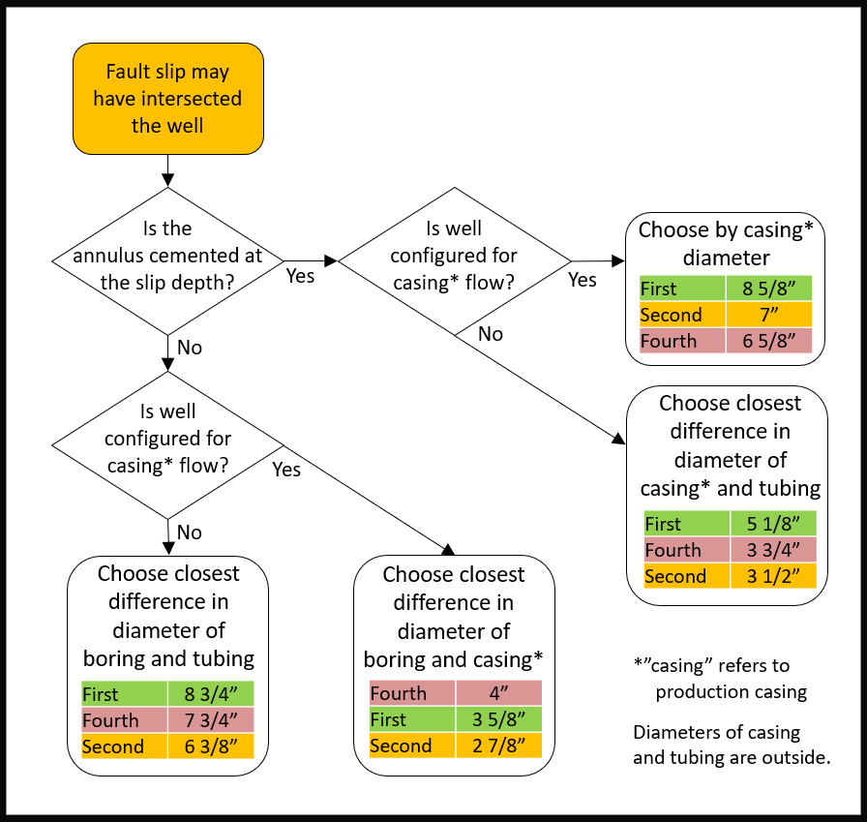
TRUE | 1 | 1000 | 1500 | TRUE | 12.25 | 8.625 | 5.875 | 0.31115 | 0.219075 | 0.149225 | 3.625 | 6.375 | 2.75 | 0 | 0.75 | 0.375 | 1 | 2.375 | 0 | 1.375 | 2
TRUE | 1 | 1000 | 1500 | TRUE | 12.25 | 8.625 | 5.875 | 0.31115 | 0.219075 | 0.149225 | 3.625 | 6.375 | 2.75 | 0 | 0.75 | 0.375 | 1 | 2.375 | 0 | 1.375 | 2
TRUE | 1 | 1000 | 1500 | TRUE | 12.25 | 8.625 | 5.875 | 0.31115 | 0.219075 | 0.149225 | 3.625 | 6.375 | 2.75 | 0 | 0.75 | 0.375 | 1 | 2.375 | 0 | 1.375 | 2
TRUE | 1 | 1000 | 1500 | TRUE | 12.25 | 8.625 | 5.875 | 0.31115 | 0.219075 | 0.149225 | 3.625 | 6.375 | 2.75 | 0 | 0.75 | 0.375 | 1 | 2.375 | 0 | 1.375 | 2
TRUE | 1 | 1000 | 1500 | TRUE | 12.25 | 8.625 | 5.875 | 0.31115 | 0.219075 | 0.149225 | 3.625 | 6.375 | 2.75 | 0 | 0.75 | 0.375 | 1 | 2.375 | 0 | 1.375 | 2
TRUE | 1 | 1000 | 1500 | TRUE | 12.25 | 8.625 | 5.875 | 0.31115 | 0.219075 | 0.149225 | 3.625 | 6.375 | 2.75 | 0 | 0.75 | 0.375 | 1 | 2.375 | 0 | 1.375 | 2
TRUE | 1 | 1000 | 1500 | TRUE | 12.25 | 8.625 | 5.875 | 0.31115 | 0.219075 | 0.149225 | 3.625 | 6.375 | 2.75 | 0 | 0.75 | 0.375 | 1 | 2.375 | 0 | 1.375 | 2
TRUE | 1 | 1000 | 1500 | TRUE | 12.25 | 8.625 | 5.875 | 0.31115 | 0.219075 | 0.149225 | 3.625 | 6.375 | 2.75 | 0 | 0.75 | 0.375 | 1 | 2.375 | 0 | 1.375 | 2
TRUE | 1 | 1000 | 1500 | TRUE | 12.25 | 8.625 | 5.875 | 0.31115 | 0.219075 | 0.149225 | 3.625 | 6.375 | 2.75 | 0 | 0.75 | 0.375 | 1 | 2.375 | 0 | 1.375 | 2
TRUE | 1 | 1000 | 1500 | TRUE | 12.25 | 8.625 | 5.875 | 0.31115 | 0.219075 | 0.149225 | 3.625 | 6.375 | 2.75 | 0 | 0.75 | 0.375 | 1 | 2.375 | 0 | 1.375 | 2
TRUE | 1 | 1000 | 1500 | TRUE | 12.25 | 8.625 | 5.875 | 0.31115 | 0.219075 | 0.149225 | 3.625 | 6.375 | 2.75 | 0 | 0.75 | 0.375 | 1 | 2.375 | 0 | 1.375 | 2
TRUE | 1 | 1000 | 1500 | TRUE | 12.25 | 8.625 | 5.875 | 0.31115 | 0.219075 | 0.149225 | 3.625 | 6.375 | 2.75 | 0 | 0.75 | 0.375 | 1 | 2.375 | 0 | 1.375 | 2
TRUE | 1 | 1000 | 1500 | TRUE | 12.25 | 8.625 | 5.875 | 0.31115 | 0.219075 | 0.149225 | 3.625 | 6.375 | 2.75 | 0 | 0.75 | 0.375 | 1 | 2.375 | 0 | 1.375 | 2
FALSE | 1 | 1000 | 500 | FALSE | 12.25 | 8.625 | 5.875 | 0.31115 | 0.219075 | 0.149225 | 3.625 | 6.375 | 2.75 | 0 | 0.75 | 0.375 | 1 | 2.375 | 0 | 1.375 | 2
FALSE | 1 | 1000 | 500 | FALSE | 12.25 | 8.625 | 5.875 | 0.31115 | 0.219075 | 0.149225 | 3.625 | 6.375 | 2.75 | 0 | 0.75 | 0.375 | 1 | 2.375 | 0 | 1.375 | 2
FALSE | 1 | 1000 | 500 | FALSE | 12.25 | 8.625 | 5.875 | 0.31115 | 0.219075 | 0.149225 | 3.625 | 6.375 | 2.75 | 0 | 0.75 | 0.375 | 1 | 2.375 | 0 | 1.375 | 2
FALSE | 1 | 1000 | 500 | FALSE | 12.25 | 8.625 | 5.875 | 0.31115 | 0.219075 | 0.149225 | 3.625 | 6.375 | 2.75 | 0 | 0.75 | 0.375 | 1 | 2.375 | 0 | 1.375 | 2
FALSE | 1 | 1000 | 500 | FALSE | 12.25 | 8.625 | 5.875 | 0.31115 | 0.219075 | 0.149225 | 3.625 | 6.375 | 2.75 | 0 | 0.75 | 0.375 | 1 | 2.375 | 0 | 1.375 | 2
FALSE | 1 | 1000 | 500 | FALSE | 12.25 | 8.625 | 5.875 | 0.31115 | 0.219075 | 0.149225 | 3.625 | 6.375 | 2.75 | 0 | 0.75 | 0.375 | 1 | 2.375 | 0 | 1.375 | 2
FALSE | 1 | 1000 | 500 | FALSE | 12.25 | 8.625 | 5.875 | 0.31115 | 0.219075 | 0.149225 | 3.625 | 6.375 | 2.75 | 0 | 0.75 | 0.375 | 1 | 2.375 | 0 | 1.375 | 2
FALSE | 1 | 1000 | 500 | FALSE | 12.25 | 8.625 | 5.875 | 0.31115 | 0.219075 | 0.149225 | 3.625 | 6.375 | 2.75 | 0 | 0.75 | 0.375 | 1 | 2.375 | 0 | 1.375 | 2
FALSE | 1 | 1000 | 500 | FALSE | 12.25 | 8.625 | 5.875 | 0.31115 | 0.219075 | 0.149225 | 3.625 | 6.375 | 2.75 | 0 | 0.75 | 0.375 | 1 | 2.375 | 0 | 1.375 | 2
FALSE | 1 | 1000 | 500 | FALSE | 12.25 | 8.625 | 5.875 | 0.31115 | 0.219075 | 0.149225 | 3.625 | 6.375 | 2.75 | 0 | 0.75 | 0.375 | 1 | 2.375 | 0 | 1.375 | 2
FALSE | 1 | 1000 | 500 | FALSE | 12.25 | 8.625 | 5.875 | 0.31115 | 0.219075 | 0.149225 | 3.625 | 6.375 | 2.75 | 0 | 0.75 | 0.375 | 1 | 2.375 | 0 | 1.375 | 2
FALSE | 1 | 1000 | 1500 | TRUE | 12.25 | 8.625 | 5.875 | 0.31115 | 0.219075 | 0.149225 | 3.625 | 6.375 | 2.75 | 0 | 0.75 | 0.375 | 1 | 2.375 | 0 | 1.375 | 2
FALSE | 1 | 1000 | 1500 | TRUE | 12.25 | 8.625 | 5.875 | 0.31115 | 0.219075 | 0.149225 | 3.625 | 6.375 | 2.75 | 0 | 0.75 | 0.375 | 1 | 2.375 | 0 | 1.375 | 2
FALSE | 1 | 1000 | 1500 | TRUE | 12.25 | 8.625 | 5.875 | 0.31115 | 0.219075 | 0.149225 | 3.625 | 6.375 | 2.75 | 0 | 0.75 | 0.375 | 1 | 2.375 | 0 | 1.375 | 2
FALSE | 1 | 1000 | 1500 | TRUE | 12.25 | 8.625 | 5.875 | 0.31115 | 0.219075 | 0.149225 | 3.625 | 6.375 | 2.75 | 0 | 0.75 | 0.375 | 1 | 2.375 | 0 | 1.375 | 2
FALSE | 1 | 1000 | 1500 | TRUE | 12.25 | 8.625 | 5.875 | 0.31115 | 0.219075 | 0.149225 | 3.625 | 6.375 | 2.75 | 0 | 0.75 | 0.375 | 1 | 2.375 | 0 | 1.375 | 2
FALSE | 1 | 1000 | 1500 | TRUE | 12.25 | 8.625 | 5.875 | 0.31115 | 0.219075 | 0.149225 | 3.625 | 6.375 | 2.75 | 0 | 0.75 | 0.375 | 1 | 2.375 | 0 | 1.375 | 2
FALSE | 1 | 1000 | 1500 | TRUE | 12.25 | 8.625 | 5.875 | 0.31115 | 0.219075 | 0.149225 | 3.625 | 6.375 | 2.75 | 0 | 0.75 | 0.375 | 1 | 2.375 | 0 | 1.375 | 2
FALSE | 1 | 1000 | 1500 | TRUE | 12.25 | 8.625 | 5.875 | 0.31115 | 0.219075 | 0.149225 | 3.625 | 6.375 | 2.75 | 0 | 0.75 | 0.375 | 1 | 2.375 | 0 | 1.375 | 2
FALSE | 1 | 1000 | 1500 | TRUE | 12.25 | 8.625 | 5.875 | 0.31115 | 0.219075 | 0.149225 | 3.625 | 6.375 | 2.75 | 0 | 0.75 | 0.375 | 1 | 2.375 | 0 | 1.375 | 2
FALSE | 1 | 1000 | 1500 | TRUE | 12.25 | 8.625 | 5.875 | 0.31115 | 0.219075 | 0.149225 | 3.625 | 6.375 | 2.75 | 0 | 0.75 | 0.375 | 1 | 2.375 | 0 | 1.375 | 2
FALSE | 1 | 1000 | 1500 | TRUE | 12.25 | 8.625 | 5.875 | 0.31115 | 0.219075 | 0.149225 | 3.625 | 6.375 | 2.75 | 0 | 0.75 | 0.375 | 1 | 2.375 | 0 | 1.375 | 2
FALSE | 1 | 1000 | 1500 | TRUE | 12.25 | 8.625 | 5.875 | 0.31115 | 0.219075 | 0.149225 | 3.625 | 6.375 | 2.75 | 0 | 0.75 | 0.375 | 1 | 2.375 | 0 | 1.375 | 2
FALSE | 1 | 1000 | 1500 | TRUE | 12.25 | 8.625 | 5.875 | 0.31115 | 0.219075 | 0.149225 | 3.625 | 6.375 | 2.75 | 0 | 0.75 | 0.375 | 1 | 2.375 | 0 | 1.375 | 2
FALSE | 1 | 1000 | 1500 | TRUE | 12.25 | 8.625 | 5.875 | 0.31115 | 0.219075 | 0.149225 | 3.625 | 6.375 | 2.75 | 0 | 0.75 | 0.375 | 1 | 2.375 | 0 | 1.375 | 2
FALSE | 1 | 1000 | 1500 | TRUE | 12.25 | 8.625 | 5.875 | 0.31115 | 0.219075 | 0.149225 | 3.625 | 6.375 | 2.75 | 0 | 0.75 | 0.375 | 1 | 2.375 | 0 | 1.375 | 2
FALSE | 1 | 1000 | 1500 | TRUE | 12.25 | 8.625 | 5.875 | 0.31115 | 0.219075 | 0.149225 | 3.625 | 6.375 | 2.75 | 0 | 0.75 | 0.375 | 1 | 2.375 | 0 | 1.375 | 2
FALSE | 1 | 1000 | 1500 | TRUE | 12.25 | 8.625 | 5.875 | 0.31115 | 0.219075 | 0.149225 | 3.625 | 6.375 | 2.75 | 0 | 0.75 | 0.375 | 1 | 2.375 | 0 | 1.375 | 2
...

