CORN_1
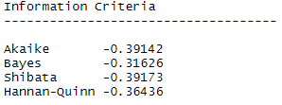
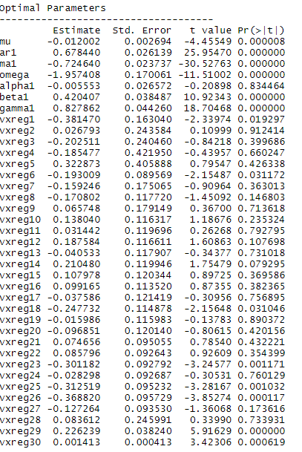
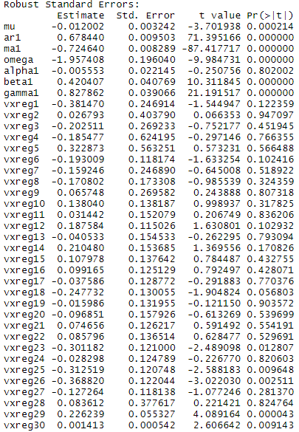
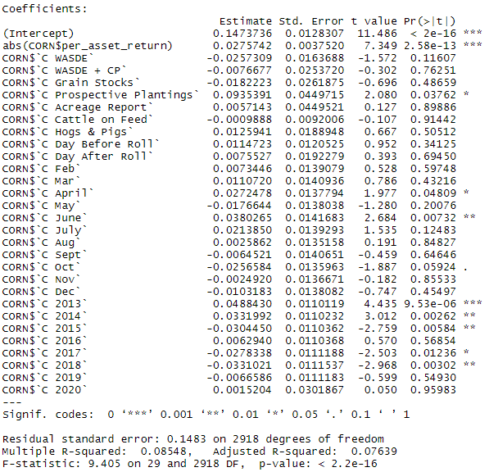
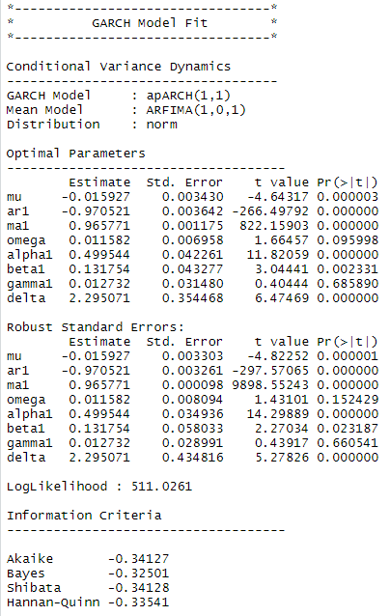
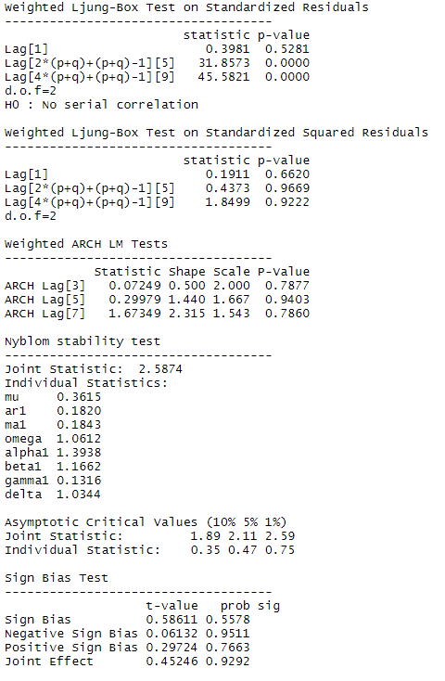
 |  |  | No External Regressors: apARCH
OLS

 | WASDE | **
 | WASDE + CP
 | Grain stocks
 | Prospective Plantriongs
 | Acreage Report
 | Cattle on Feed | *
 | Day Before Roll
 | Day After Roll
 | Hogs and Pigs
 | Feb
 | March
 | April
 | May
 | June | *
 | July
 | August
 | September
 | October | **
 | November
 | December
 | 2013
 | 2014
 | 2015 | **
 | 2016
 | 2017 | **
 | 2018 | ***
 | 2019
 | 2020
 | abs( Percent Asset Return) | ***
 | Percent Change in Volume | **

