1 Factors
Some items ( A1 ) were negatively correlated with the total scale and probably should be reversed.

Hindrances to Scale Alpha

raw_alpha | std.alpha | average_r | ase | mean | sd
0.43145610528 | 0.45981909186 | 0.14547905648 | 0.016288170108 | 4.2167321429 | 0.73685138122

Alpha Drop Table

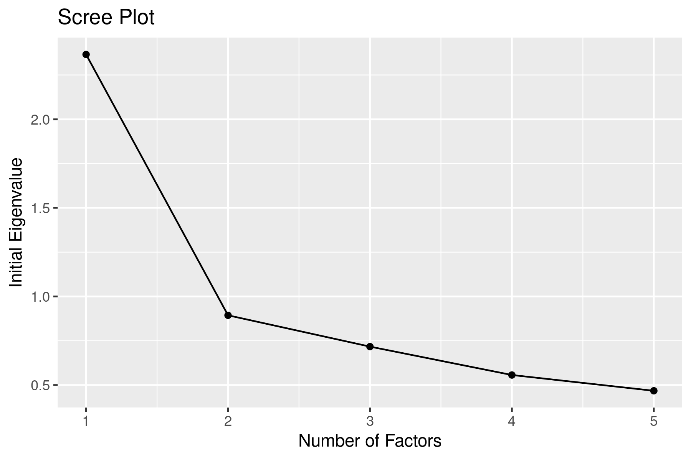
Item | raw_alpha | std.alpha | average_r | alpha se
A1 | 0.71851735703 | 0.7255091486 | 0.39787226132 | 0.0087254788256
A2 | 0.27901507581 | 0.30054539814 | 0.097001326182 | 0.021890132419
A3 | 0.17695623279 | 0.20674513317 | 0.061171459437 | 0.024900001218
A4 | 0.25343767786 | 0.30613697918 | 0.09934386869 | 0.022877323693
A5 | 0.20792746038 | 0.23685932815 | 0.072006366782 | 0.02380585229

Scree Plot

Factor_n | Eigenvalues
1 | 2.3659289805
2 | 0.89344923547
3 | 0.71674426362
4 | 0.55648078857
5 | 0.46739673181

Factor Analysis

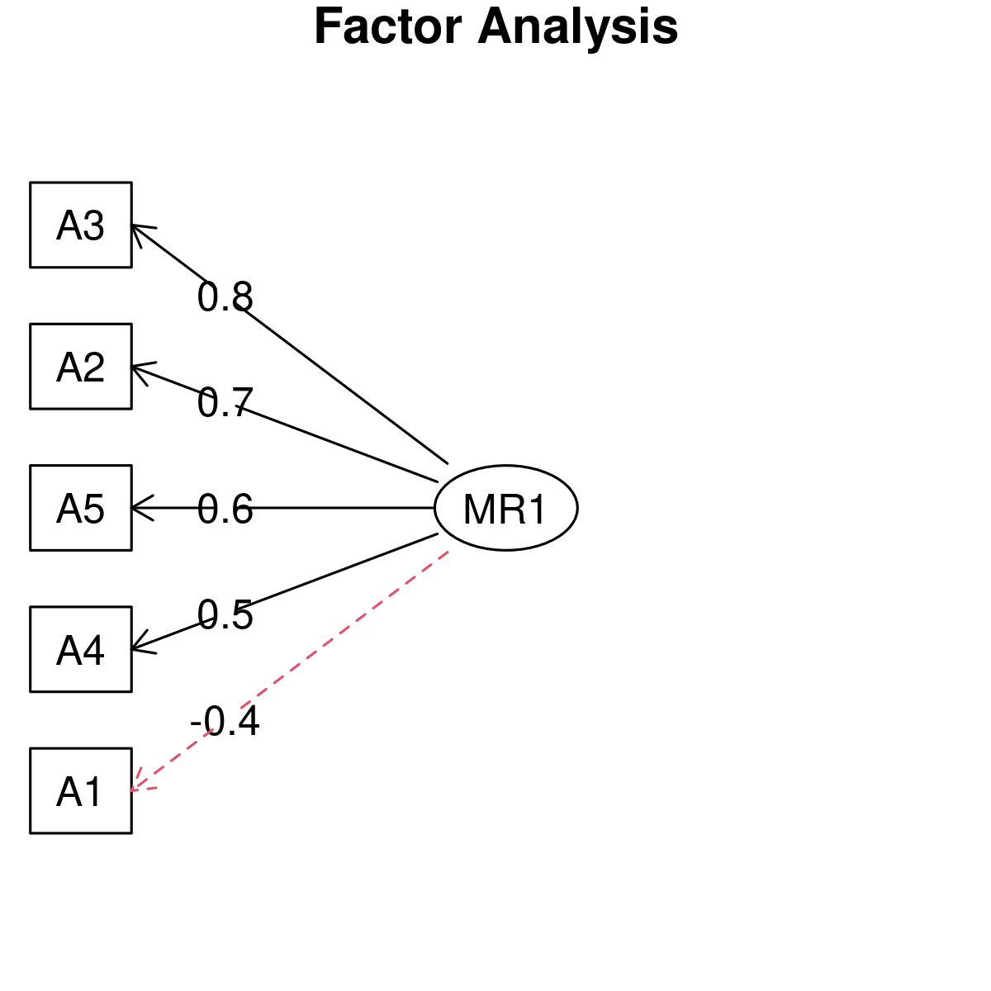
item | MR1
A1 | -0.37
A2 | 0.68
A3 | 0.75
A4 | 0.48
A5 | 0.61

Variance Accounted | MR1
SS loadings | 1.7774526456
Proportion Var | 0.35549052912
Variables: A1, A2, A3, A4, A5
Rotation: varimax
N Factor: 1
Other Arguments:
Mean item complexity = 1
Test of the hypothesis that 1 factor is sufficient.

The degrees of freedom for the null model are 10 and the objective function was 0.93 with Chi Square of 2604.19
The degrees of freedom for the model are 5 and the objective function was 0.03

The root mean square of the residuals (RMSR) is 0.04
The df corrected root mean square of the residuals is 0.05

The harmonic number of observations is 2764 with the empirical chi square 80.17 with prob < 7.7e-16
The total number of observations was 2800 with Likelihood Chi Square = 91.87 with prob < 2.7e-18

Tucker Lewis Index of factoring reliability = 0.933
RMSEA index = 0.079 and the 90 % confidence intervals are 0.065 0.093
BIC = 52.19
Fit based upon off diagonal values = 0.99
Measures of factor score adequacy
MR1
Correlation of (regression) scores with factors 0.87
Multiple R square of scores with factors 0.76
Minimum correlation of possible factor scores 0.53

