Cover Sheet
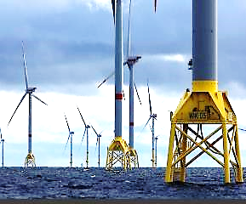
WIK SMA ANNUAL SERVICE - DEVIATION LIST
WIND TURBINE AD5-135
WIK-WTG-OAM-REP-IBR-001048 Rev 1

REVISION CONTROL

Revision and Approvals
Rev | Date | Reason for Issue
1 | XX/XX/2024 | Initial issue

Preventive
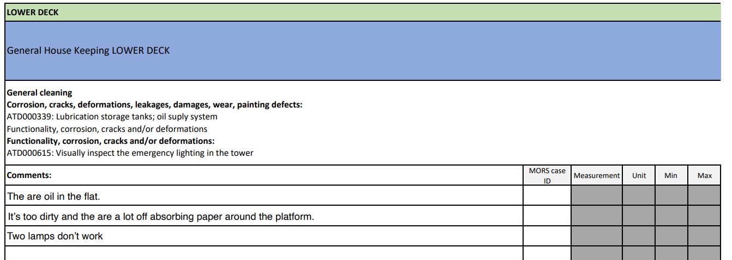
 |  |  |  |  |  |  |  |  |  |  |  |  | WIK SMA PREVENTIVE MAINTENANCE - DEVIATION LIST
 |  |  |  |  |  |  |  |  |  |  |  |  |  |  |  |  |  |  |  | Fields in orange to be fulfilled by IBR
WTG | Year Annual Service | Beginning Date | Finish Date | Checklist Code | Revision | Checklist Rev Date | Signature SGRE site manager | Signature 3rd Party site manager | WTG Section | Task Description Code/Name | Task Code | Task Description | Status acc. Doc. / Result | Fault/Observation Description | Mors Case ID | Measurement | Unit | Min | Max | *DNV-GL Possible issue | Current Status | Comment
WK40 | Checklist 6Y PREVENTIVE MAINTENANCE WIK | 22/10/2023 | 30/10/2023 | ADIR017433 | 1 | 2024-10-04 | OK / NO OK (signature of SGRE DE SM:) | OK / NO OK (Signature of 3 rd party SM:) | Transition CTV > TP / Techs & Tools | ATD000313/ Tower system - General - Visual inspection of the outer platform | ADIR010254.0 | Outer Platform S3: external coolers checked? (according to ATD000521) | OK/NOT OK / NOT DONE / N/A | Comments from technicians: i.e: cooler leaking | 4506584 | 120 | Pa | 80 | 140 | n/a | n/a | n/a
WK40 | Checklist 6Y PREVENTIVE MAINTENANCE WIK | 22/10/2023 | 30/10/2023 | ADIR017433 | 1 | 2024-10-04 | OK / NO OK (signature of SGRE DE SM:) | OK / NO OK (Signature of 3 rd party SM:) | LOWER DECK | GENERAL HOUSEKEEPING | N/A | N/A | N/A | Comentario incluido en cada linea | 4506582 | N/A | N/A | N/A | N/A

