Cover Sheet
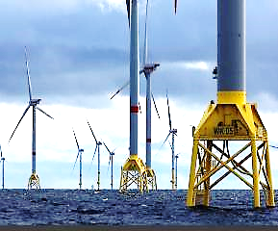
WIK SMA ANNUAL SERVICE - DEVIATION LIST
WIND TURBINE AD5-135
WIK-WTG-OAM-REP-IBR-001048 Rev 1

REVISION CONTROL

Revision and Approvals
Rev | Date | Reason for Issue
1 | XX/XX/2024 | Initial issue

