SMOTE_before
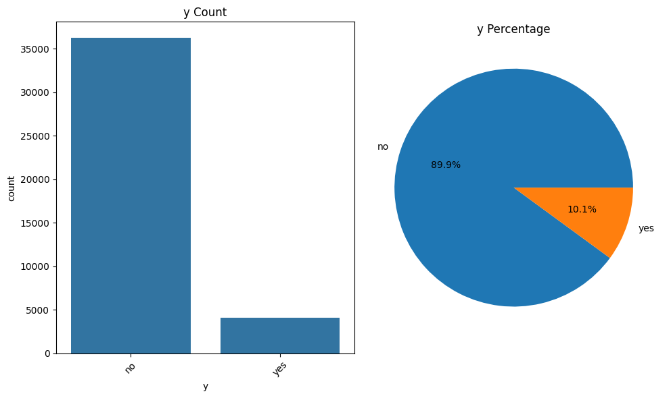
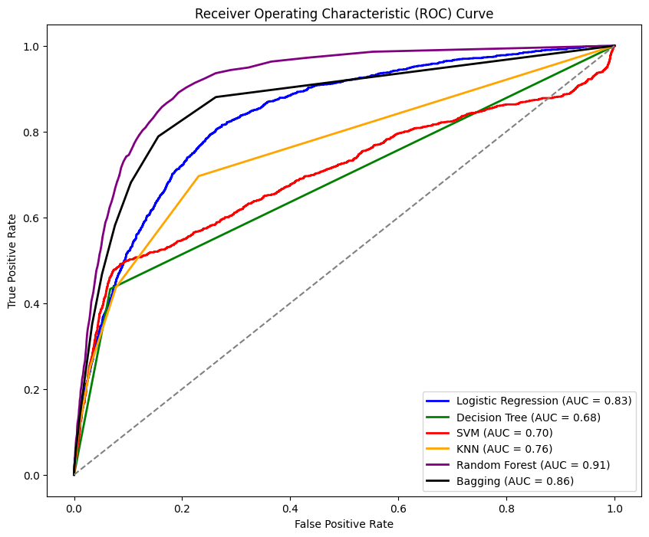
SMOTE前 |  |  |  |  |  | LogisticRegression |  |  |  |  |  |  |  |  | ROC AUC
 |  |  |  |  |  |  | 0 | 1 | Total | Accuracy | Precision | Recall | F1 | AUC
 |  |  |  |  |  | 0 | 10681 | 200 | 10881 | 0.9002 | 0.91 | 0.98 | 0.95 | 0.5784
 |  |  |  |  |  | 1 | 1007 | 214 | 1221 |  | 0.52 | 0.18 | 0.26

 |  |  |  |  |  | DecisionTreeClassifier
 |  |  |  |  |  |  | 0 | 1 | Total | Accuracy | Precision | Recall | F1 | AUC
 |  |  |  |  |  | 0 | 10152 | 729 | 10881 | 0.8825 | 0.94 | 0.93 | 0.93 | 0.6831
 |  |  |  |  |  | 1 | 692 | 529 | 1221 |  | 0.42 | 0.43 | 0.43

 |  |  |  |  |  | SVM
 |  |  |  |  |  |  | 0 | 1 | Total | Accuracy | Precision | Recall | F1 | AUC
 |  |  |  |  |  | 0 | 10795 | 86 | 10881 | 0.8996 | 0.91 | 0.99 | 0.95 | 0.5337
 |  |  |  |  |  | 1 | 1129 | 92 | 1221 |  | 0.52 | 0.08 | 0.13

 |  |  |  |  |  | KNeighborsClassifier
 |  |  |  |  |  |  | 0 | 1 | Total | Accuracy | Precision | Recall | F1 | AUC
 |  |  |  |  |  | 0 | 10554 | 327 | 10881 | 0.8975 | 0..92 | 0.97 | 0.94 | 0.611
Feature_Importances |  |  |  |  |  | 1 | 913 | 308 | 1221 |  | 0.49 | 0.25 | 0.33
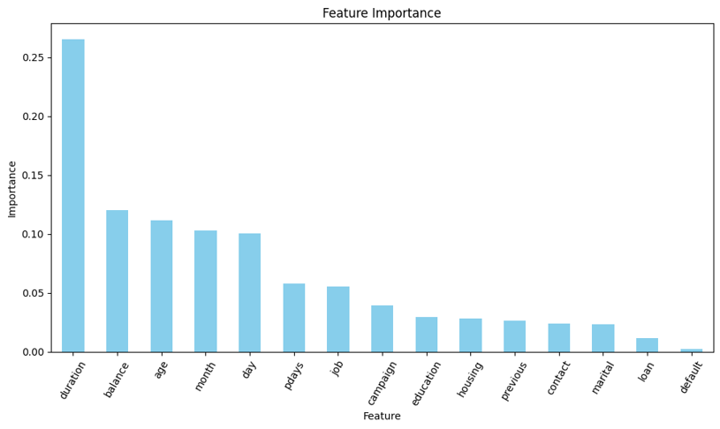
 |  |  |  |  |  | RandomForestClassifier
 |  |  |  |  |  |  | 0 | 1 | Total | Accuracy | Precision | Recall | F1 | AUC
 |  |  |  |  |  | 0 | 10586 | 295 | 10881 | 0.9102 | 0.93 | 0.97 | 0.94 | 0.6625
 |  |  |  |  |  | 1 | 791 | 430 | 1221 |  | 0.59 | 0.35 | 0.44

 |  |  |  |  |  | BaggingClassifier：Final Decision
 |  |  |  |  |  |  | 0 | 1 | Total | Accuracy | Precision | Recall | F1 | AUC
 |  |  |  |  |  | 0 | 10516 | 365 | 10881 | 0.9043 | 0.93 | 0.97 | 0.95 | 0.6589
 |  |  |  |  |  | 1 | 792 | 429 | 1221 |  | 0.54 | 0.35 | 0.43

圖表得知特徵重要性前七高依序為
1. duration : 0.3
2. housing : 0.2
3. month : 0.18
4. job : 0.12
5. day : 0.07
6. pdays : 0.07
7. age : 0.07
以前七高的特徵來做模型的輸入特徵

 | Label：y - 顧客是否已認購定期存款

 | X_train, X_test, y_train, y_test = train_test_split(X, y, test_size=0.3, random_state=42)
Training target statistics: Counter({0: 25392, 1: 2845})
Testing target statistics: Counter({0: 10881, 1: 1221})
 |  |  |  | Predicted
 |  |  |  | 0 | 1
 |  | Actual | 0
 |  |  | 1

SMOTE_after
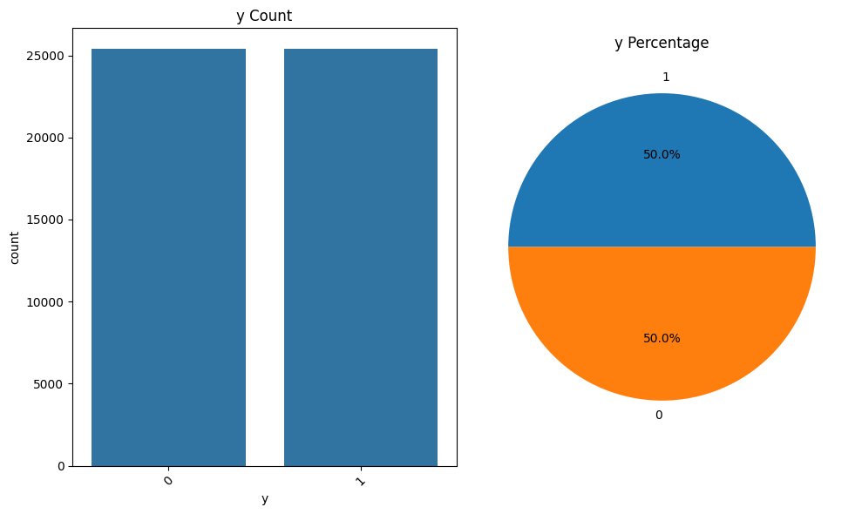
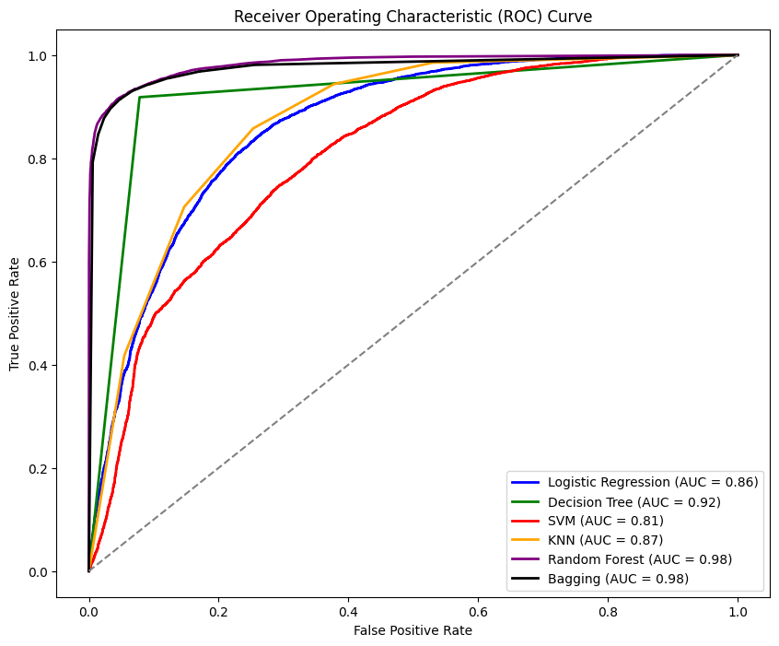
SMOTE後 |  |  |  |  |  | LogisticRegression |  |  |  |  |  |  |  |  | ROC AUC
 |  |  |  |  |  |  | 0 | 1 | Total | Accuracy | Precision | Recall | F1 | AUC
 |  |  |  |  |  | 0 | 5988 | 1637 | 7625 | 0.7906 | 0.79 | 0.79 | 0.79 | 0.7906
 |  |  |  |  |  | 1 | 1553 | 6058 | 7611 |  | 0.79 | 0.8 | 0.79

 |  |  |  |  |  | DecisionTreeClassifier
 |  |  |  |  |  |  | 0 | 1 | Total | Accuracy | Precision | Recall | F1 | AUC
 |  |  |  |  |  | 0 | 7027 | 598 | 7625 | 0.9199 | 0.92 | 0.92 | 0.92 | 0.9199
 |  |  |  |  |  | 1 | 622 | 6989 | 7611 |  | 0.92 | 0.92 | 0.92

 |  |  |  |  |  | SVM
 |  |  |  |  |  |  | 0 | 1 | Total | Accuracy | Precision | Recall | F1 | AUC
 |  |  |  |  |  | 0 | 5750 | 1875 | 7625 | 0.7442 | 0.74 | 0.75 | 0.75 | 0.7442
 |  |  |  |  |  | 1 | 2021 | 5590 | 7611 |  | 0.75 | 0.73 | 0.74

 |  |  |  |  |  | KNeighborsClassifier
 |  |  |  |  |  |  | 0 | 1 | Total | Accuracy | Precision | Recall | F1 | AUC
 |  |  |  |  |  | 0 | 5862 | 1763 | 7625 | 0.864 | 0.95 | 0.77 | 0.85 | 0.8641
Feature_Importances |  |  |  |  |  | 1 | 308 | 7303 | 7611 |  | 0.81 | 0.96 | 0.88
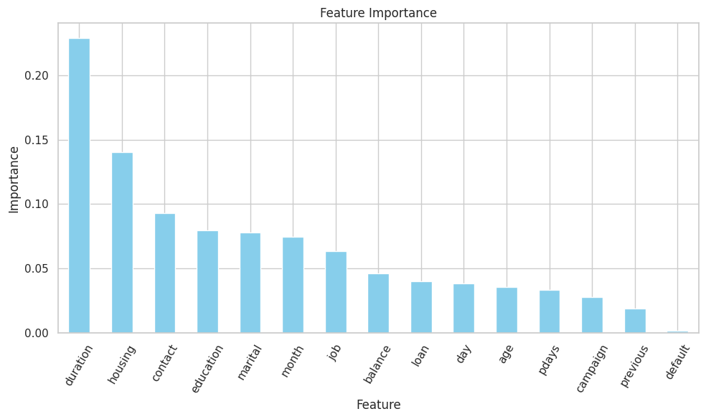
 |  |  |  |  |  | RandomForestClassifier
 |  |  |  |  |  |  | 0 | 1 | Total | Accuracy | Precision | Recall | F1 | AUC
 |  |  |  |  |  | 0 | 7214 | 411 | 7625 | 0.9341 | 0.92 | 0.95 | 0.93 | 0.934
 |  |  |  |  |  | 1 | 593 | 7018 | 7611 |  | 0.94 | 0.92 | 0.93

 |  |  |  |  |  | BaggingClassifier：Final Decision
 |  |  |  |  |  |  | 0 | 1 | Total | Accuracy | Precision | Recall | F1 | AUC
 |  |  |  |  |  | 0 | 7253 | 372 | 7625 | 0.9331 | 0.92 | 0.95 | 0.93 | 0.9331
 |  |  |  |  |  | 1 | 647 | 6964 | 7611 |  | 0.95 | 0.91 | 0.93

圖表得知特徵重要性前七高依序為
1. duration : 0.29
2. housing : 0.14
3. contact : 0.09
4. education : 0.08
5. marital : 0.07
6. month : 0.075
7. job : 0.06
以前七高的特徵來做模型的輸入特徵

 | Label：y - 顧客是否已認購定期存款

 | X_train, X_test, y_train, y_test = train_test_split(X, y, test_size=0.3, random_state=42)

Training target statistics: Counter({1: 17781, 0: 17767})
Testing target statistics: Counter({0: 7625, 1: 7611})
 |  |  |  | Predicted
 |  |  |  | 0 | 1
 |  | Actual | 0
 |  |  | 1

