ĐỔI TÊN NODE
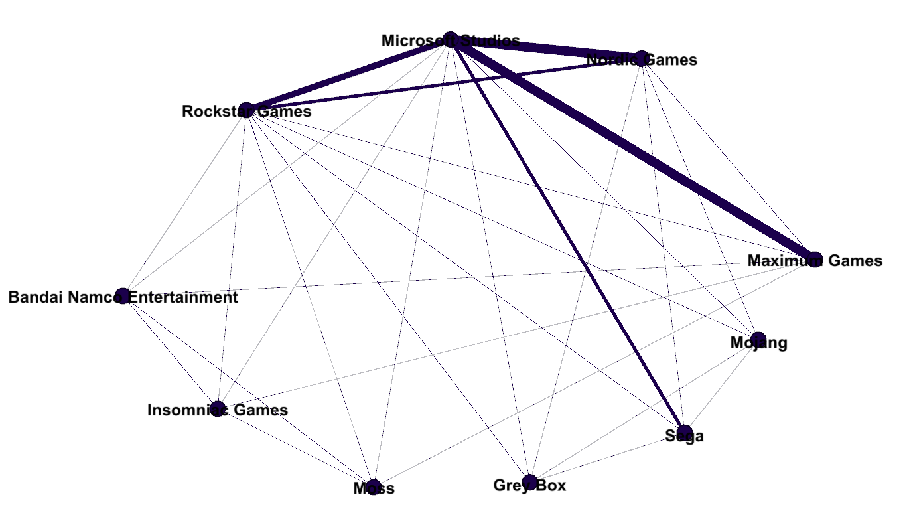
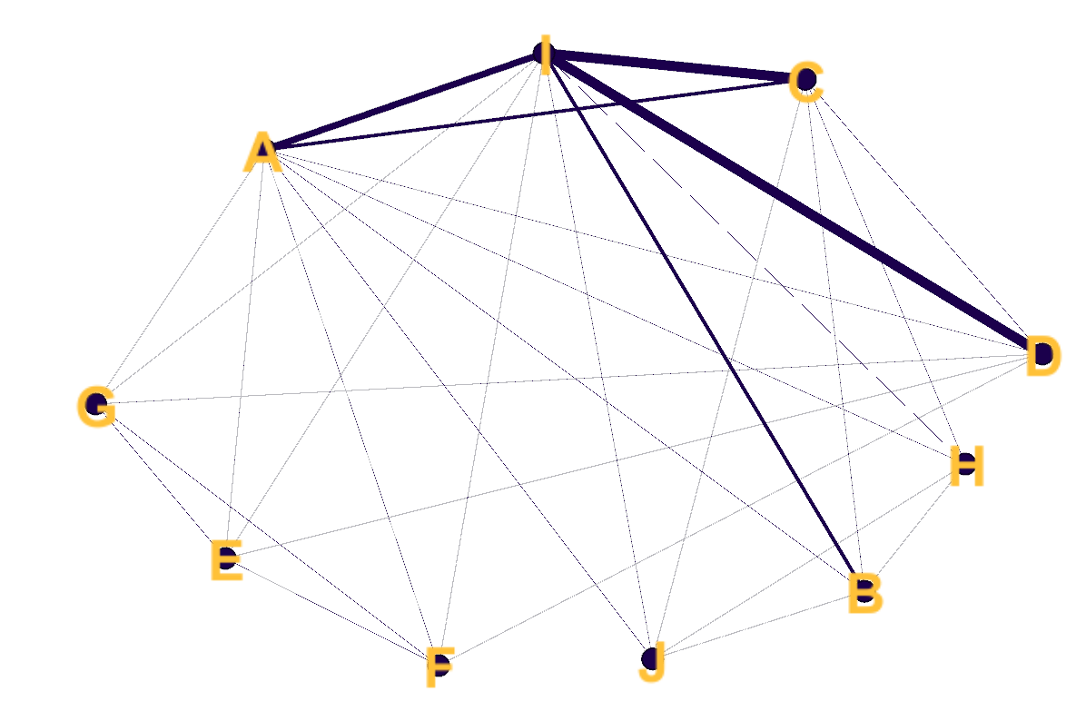
 |  |  |  |  |  |  |  |  | source | target | weight
 |  |  |  |  |  |  |  |  | Rockstar Games | Sega | 1
 |  |  |  |  |  |  |  |  | Rockstar Games | Nordic Games | 2
 |  |  |  |  |  |  |  |  | Rockstar Games | Maximum Games | 1
 |  |  |  |  |  |  |  |  | Rockstar Games | Insomniac Games | 1
 |  |  |  |  |  |  |  |  | Rockstar Games | Moss | 1
 |  |  |  |  |  |  |  |  | Rockstar Games | Bandai Namco Entertainment | 1
 |  |  |  |  |  |  |  |  | Rockstar Games | Mojang | 1
 |  |  |  |  |  |  |  |  | Rockstar Games | Microsoft Studios | 3
 |  |  |  |  |  |  |  |  | Rockstar Games | Grey Box | 1
 |  |  |  |  |  |  |  |  | Microsoft Studios | Sega | 2
 |  |  |  |  |  |  |  |  | Microsoft Studios | Nordic Games | 4
 |  |  |  |  |  |  |  |  | Microsoft Studios | Maximum Games | 4
 |  |  |  |  |  |  |  |  | Microsoft Studios | Grey Box | 1
 |  |  |  |  |  |  |  |  | Microsoft Studios | Insomniac Games | 1
 |  |  |  |  |  |  |  |  | Microsoft Studios | Moss | 1
 |  |  |  |  |  |  |  |  | Microsoft Studios | Mojang | 1
 |  |  |  |  |  |  |  |  | Microsoft Studios | Bandai Namco Entertainment | 1
 |  |  |  |  |  |  |  |  | Mojang | Sega | 1
 |  |  |  |  |  |  |  |  | Mojang | Nordic Games | 1
Định nghĩa lại tên node |  |  |  |  |  |  |  |  | Mojang | Grey Box | 1
Rockstar Games | A |  |  |  |  |  |  |  | Sega | Nordic Games | 1
Sega | B |  |  |  |  |  |  |  | Sega | Grey Box | 1
Nordic Games | C |  |  |  |  |  |  |  | Insomniac Games | Maximum Games | 1
Maximum Games | D |  |  |  |  |  |  |  | Insomniac Games | Moss | 1
Insomniac Games | E |  |  |  |  |  |  |  | Insomniac Games | Bandai Namco Entertainment | 1
Moss | F |  |  |  |  |  |  |  | Nordic Games | Maximum Games | 1
Bandai Namco Entertainment | G |  |  |  |  |  |  |  | Nordic Games | Grey Box | 1
Mojang | H |  |  |  |  |  |  |  | Maximum Games | Moss | 1
Microsoft Studios | I |  |  |  |  |  |  |  | Maximum Games | Bandai Namco Entertainment | 1
Grey Box | J |  |  |  |  |  |  |  | Moss | Bandai Namco Entertainment | 1

 | A | B | C | D | E | F | G | H | I | J
A | 0 | 1 | 1 | 1 | 1 | 1 | 1 | 1 | 1 | 1
B | 1 | 0 | 1 | 0 | 0 | 0 | 1 | 1 | 1 | 1
C | 1 | 1 | 0 | 1 | 0 | 0 | 0 | 1 | 1 | 1
D | 1 | 0 | 1 | 0 | 1 | 1 | 1 | 0 | 1 | 0
E | 1 | 0 | 0 | 1 | 0 | 1 | 1 | 0 | 1 | 0
F | 1 | 0 | 0 | 1 | 1 | 0 | 1 | 0 | 1 | 0
G | 1 | 1 | 0 | 1 | 1 | 1 | 0 | 0 | 1 | 0
H | 1 | 1 | 1 | 0 | 0 | 0 | 0 | 0 | 1 | 1
I | 1 | 1 | 1 | 1 | 1 | 1 | 1 | 1 | 0 | 1
J | 1 | 1 | 1 | 0 | 0 | 0 | 0 | 1 | 1 | 0

 | Rockstar Games | Sega | Nordic Games | Maximum Games | Insomniac Games | Moss | Bandai Namco Entertainment | Mojang | Microsoft Studios | Grey Box
Rockstar Games | 0 | 1 | 2 | 1 | 1 | 1 | 1 | 1 | 3 | 1
Sega | 1 | 0 | 1 | 0 | 0 | 0 | 0 | 1 | 2 | 1
Nordic Games | 2 | 1 | 0 | 1 | 0 | 0 | 0 | 1 | 4 | 1
Maximum Games | 1 | 0 | 1 | 0 | 1 | 1 | 1 | 0 | 4 | 0
Insomniac Games | 1 | 0 | 0 | 1 | 0 | 1 | 1 | 0 | 1 | 0
Moss | 1 | 0 | 0 | 1 | 1 | 0 | 1 | 0 | 1 | 0
Bandai Namco Entertainment | 1 | 0 | 0 | 1 | 1 | 1 | 0 | 0 | 1 | 0
Mojang | 1 | 1 | 1 | 0 | 0 | 0 | 0 | 0 | 1 | 1
Microsoft Studios | 3 | 2 | 4 | 4 | 1 | 1 | 1 | 1 | 0 | 1
Grey Box | 1 | 1 | 1 | 0 | 0 | 0 | 0 | 1 | 1 | 0

