Info
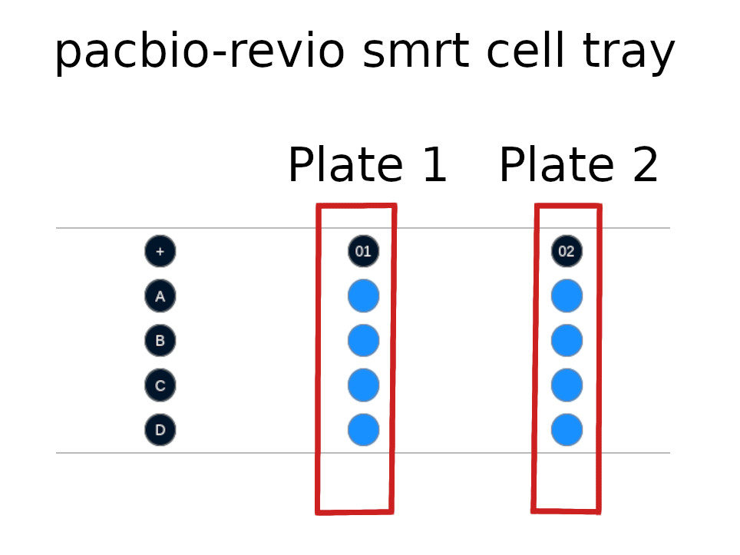
Experiment run Pacbio template instructions

Experiment run Pacbio template will store information related the the experiment run itself for the Pacbio platform. The libraries used need to be compatible with Pacbio sequencers.
Fill the Experiments page with the information common to all samples in each experiment, then detail information specific to each sample on the Samples page.
If a sample appears in more than one experiment, enter multiple entries with the information pertaining to each experiment with the appropriate experiment ID.

Details on fields

Experiments
Experiment Name | Unique name given to the experiment run. Follows Freezeman names requirements : only usable characters are a-z, A-Z, 0-9, period (.), dash (-), and underscore ( _ ).
Experiment Container Barcode | Unique barcode of the container smrt cell kit (tray) used during the experiment.
Experiment Container Name | Unique name given to the container (tray) used during the experiment (optional. Will use barcode as name by default). Follows Freezeman names requirements : only usable characters are a-z, A-Z, 0-9, period (.), dash (-), and underscore ( _ ).
Instrument Name | Name of the instrument (sequencer) used for the experiment.
Experiment Container Kind | Type of container (flowcell) used during the experiment. Providing the instrument name will give you a container kind dropdown.
Experiment Start Date (YYYY-MM-DD) | Date the experiment run was started in the lab. Format : YYYY-MM-DD
Comment | Additional information related to the current experiment as a whole.
Sequencing kit lot | Sequencing kit lot.
SMRT Link Run ID | Sequencer generated run ID.

Samples
Experiment Name | Unique name given to the experiment run to which is associated to the library/pool. Must match one "Experiment Name" on the "Experiments" sheet.
Source Sample Name | Sample name of the library/pool on which the experiment is run at a specific coordinate on the flowcell. This is used for validation purpose to confirm the expected sample matches the container location.
Source Container Barcode | Unique barcode of the container holding the source sample.
Source Container Coordinates | Coordinate of the source sample within the container. Using the alphanumerical coordinates names (e.g. A01).
Source Sample Current Volume (uL) | Current volume value in uL stored in freezeman at the time of the prefilling. Used as an indicative value to facilitate template completion.
Source Sample Volume Used (uL) | Amount taken during experiment run preparation from the source sample in uL. "ALL" can be used instead of a numeric value to use all remaining volume.
Experiment Container Coordinates (Lane) | Coordinate of the library/pool within the experiment container (flowcell). Using the alphanumerical coordinates names (e.g. A01) or the numeric value of the lane (1,2 3,4, ...). The numeric part correspond to the lane number.
Comment | Additional information related to the current library/pool during experiment run.
Workflow Action | The action to be performed on a sample workflow state. Default options is to move sample to the next step in the study workflows it belongs to. For experiment runs, this typically mean being removed from the workflow. Otherwise, the sample can we removed from the workflow forcibly (with a removal note) or ignore its current workflow and execute the step outside the workflow progression.
Loading Concentration | Loading concentration in pM
Run Time | Run time in hours
Sequencer Position | The position of the sample on the machine using the the format: Plate number + "_" + Alphabetical order in plate + "1". Calculated from Experiment Container Coordinates.

