HIGH-LOW_SIDECONFIG
DataModel
Design Component | Description | Pass/Fail | ScreenShot Verification
DM_HSC_1 | CapacitorBank HighSideConfiguration Attribute |  |  | Subtype Domains | Domain Values
 | Visual ArcCatalog Datamodel Check | Pass | 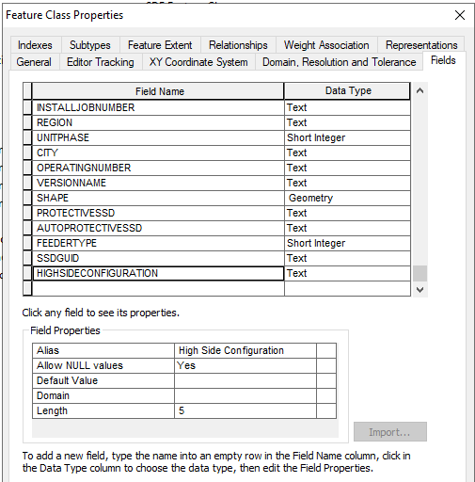 | 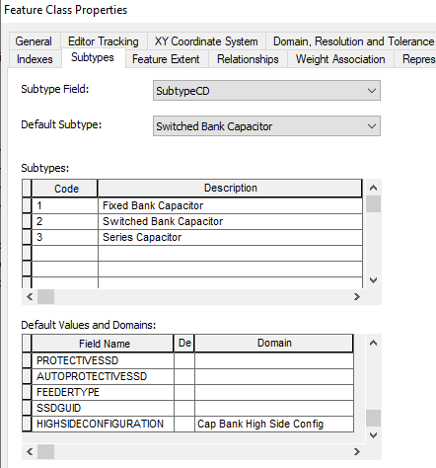 | 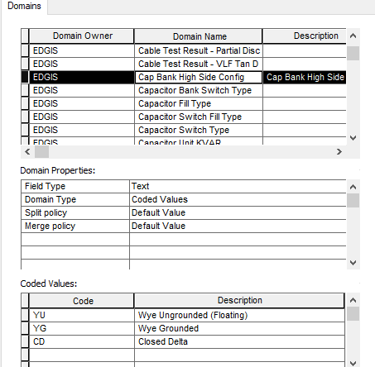
 | Visual ArcFM Properties | Pass | 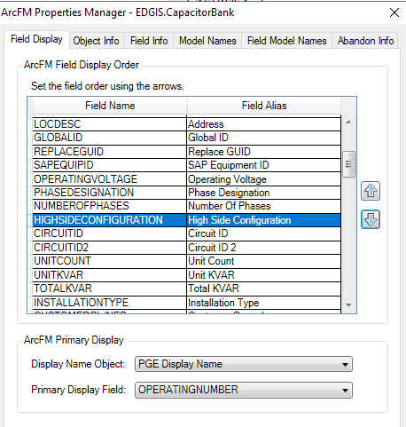 | 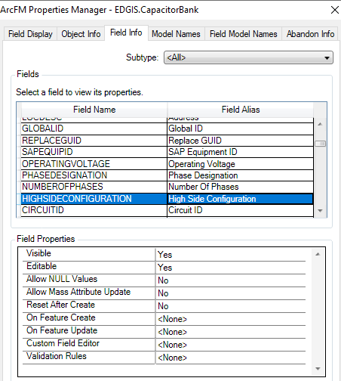 | 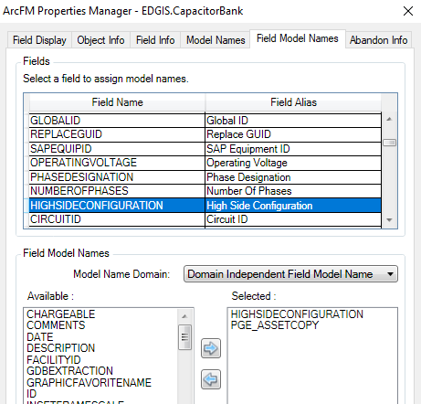
 | Create new Feature with Attribute Populated | Pass | 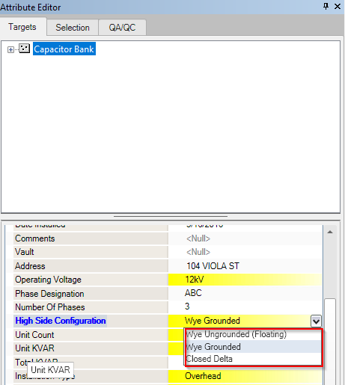 | 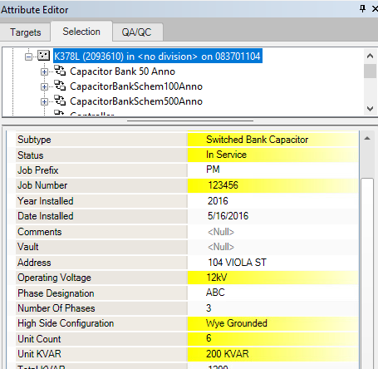
 | Update Exisitng Attribute | Pass | 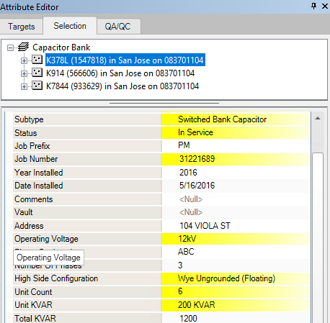
 | Delete Existing Feature | 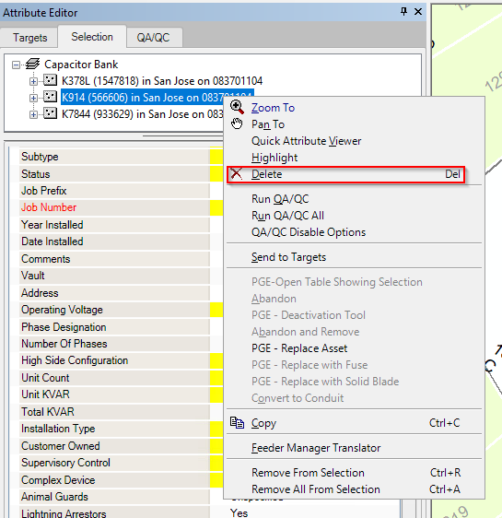 Pass |  | 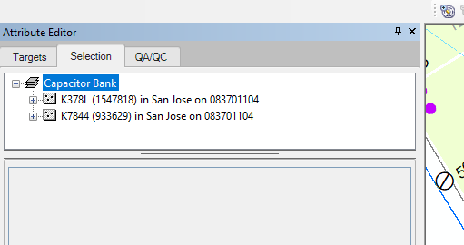
 | Update a feature that existed in a session before the Attribute was added | Pass | In Session GIS_I.SN570803
DM_HSC_2 | VoltageRegulator HighSideConfiguration Data Type/Domain Changes
 | Visual ArcCatalog Datamodel Check | Pass | 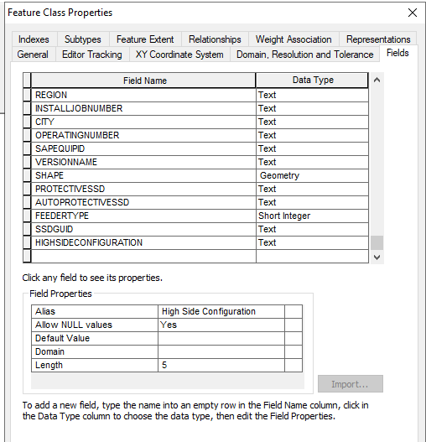 | 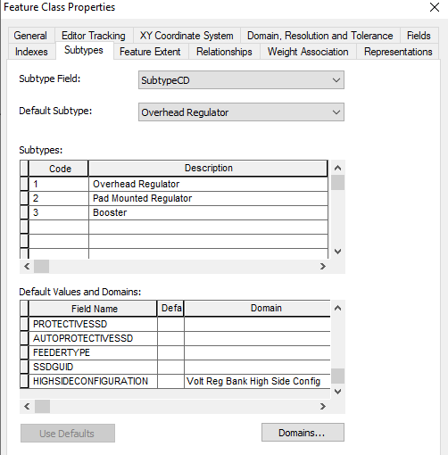 | 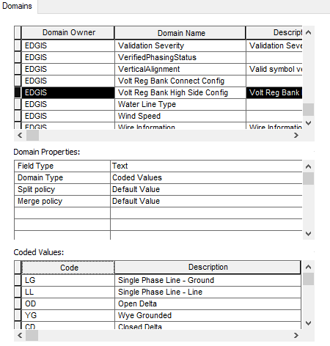
 | Visual ArcFM Properties | Pass | 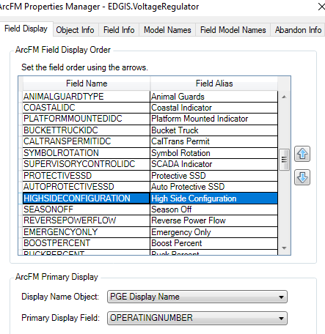 | 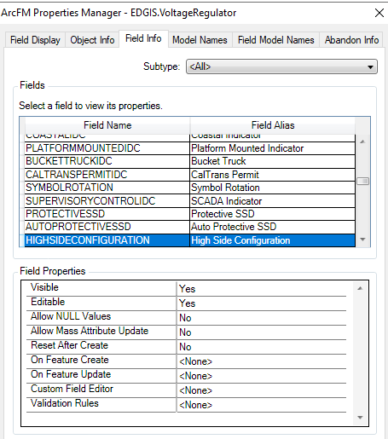 | 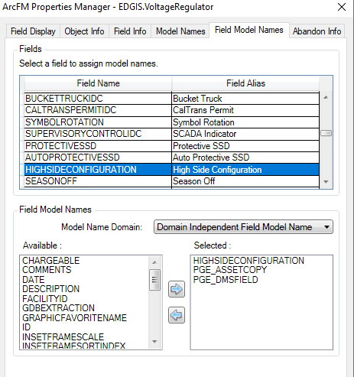
 | Create new Feature with Attribute Populated | Pass | 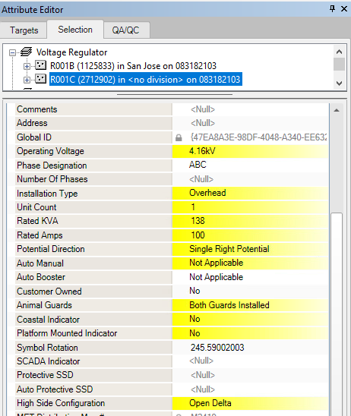 | Need to update System Favorite
 | Update Exisitng Attribute | Pass | 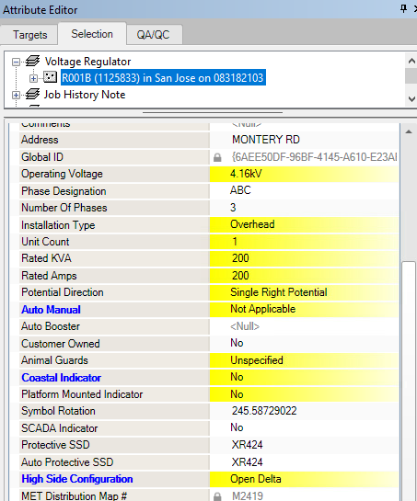
 | Delete Existing Feature | Pass | 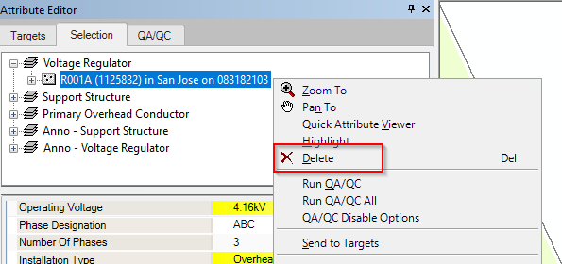
 | Update a new feature that existed in a session before the Attribute was added | Pass | In Session GIS_I.SN570803
DM_HSC_3 | Transformer HighSideConfiguration Domain Changes
 | Visual ArcCatalog Datamodel Check | Pass | 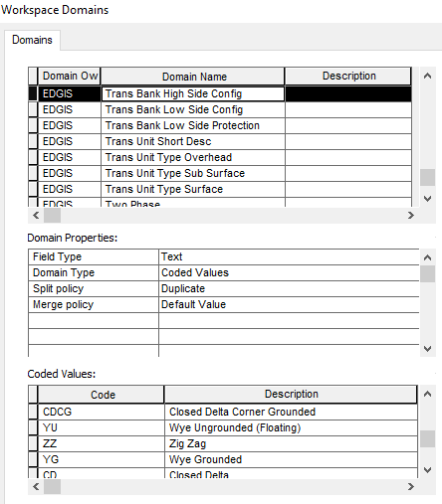
 | Visual ArcFM Properties | Pass | 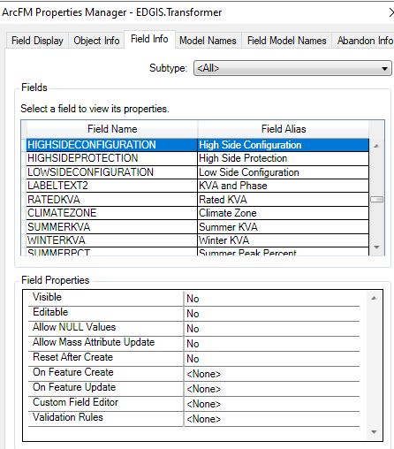
 | Create new Feature with Attribute Populated | Pass | 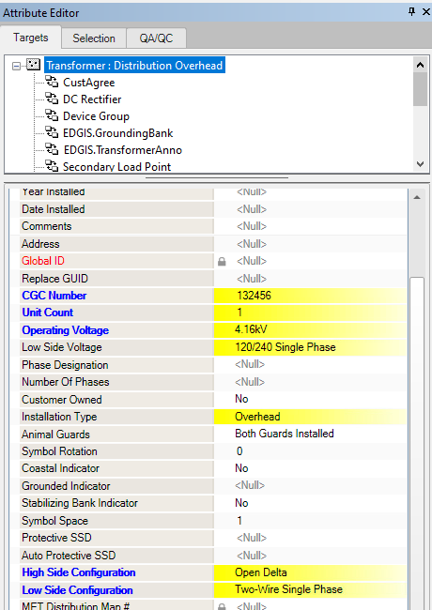
 | Update Exisitng Attribute | Pass
 | Delete Existing Feature | Pass | 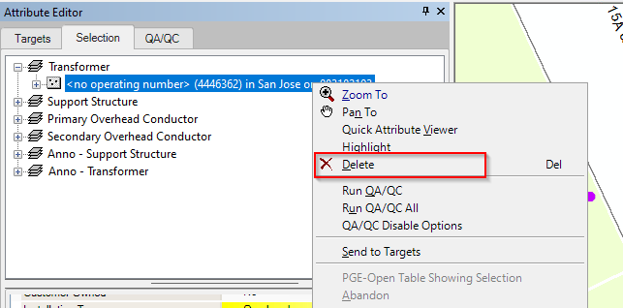 | Unrelate ServicePoint first
 | Update a new feature that existed in a session before the Attribute was added | Pass | In Session GIS_I.SN570803
DM_LSC_1 | Transformer LowSideConfiguration Attribute
 | Visual ArcCatalog Datamodel Check | Pass | 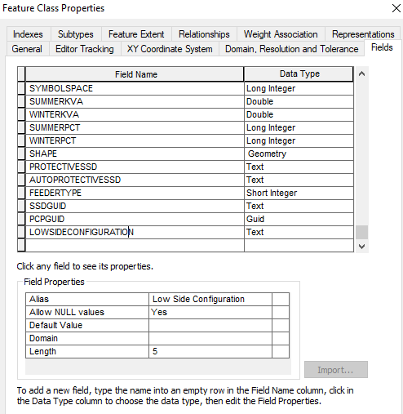 | 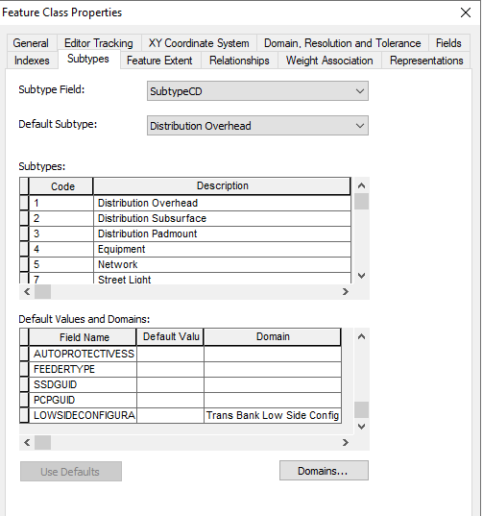 | 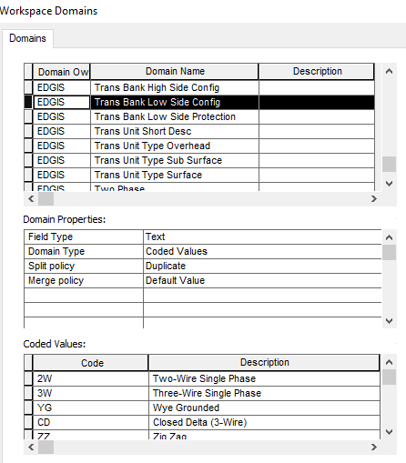
 | Visual ArcFM Properties | Pass | 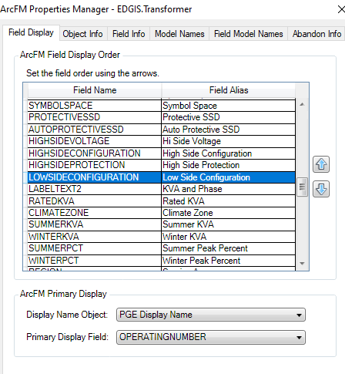 | 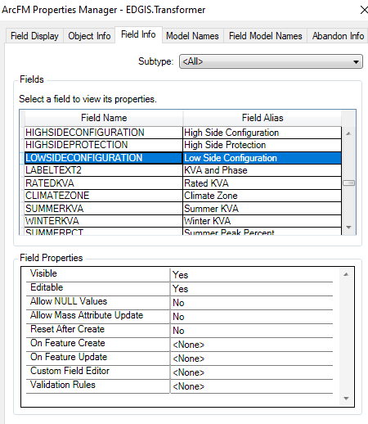 | 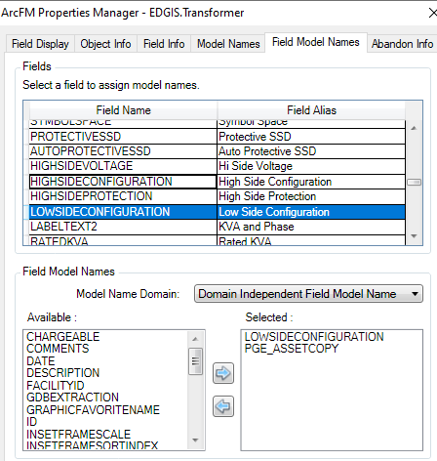
 | Create new Feature with Attribute Populated | Pass
 | Update Exisitng Attribute | 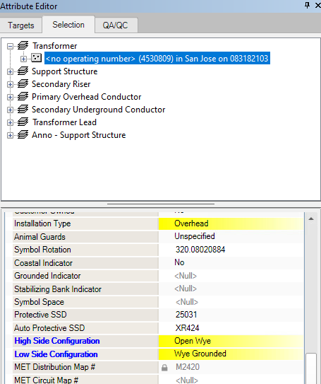 Pass
 | Delete Existing Feature | Pass |  | Unrelate ServicePoint first
 | Update a new feature that existed in a session before the Attribute was added | Pass | In Session GIS_I.SN570803
DM_MLI_1 | MAINLINEIDC Attribute Non-Editable on Conductors
 | Visual ArcFM Properties | Pass | 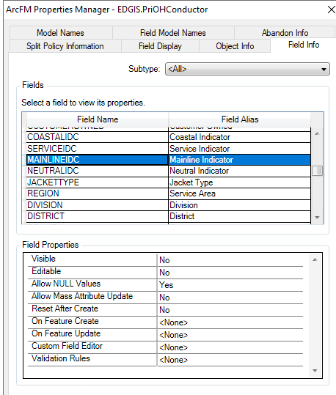 | 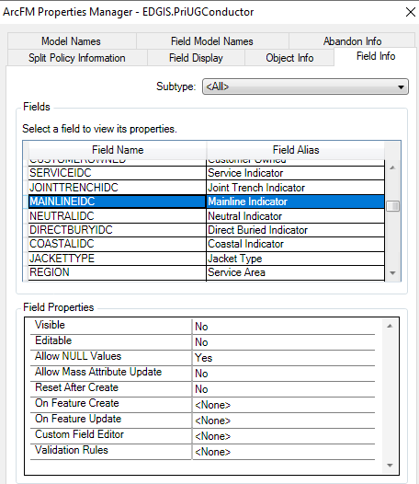
 | Create new Feature | Pass | 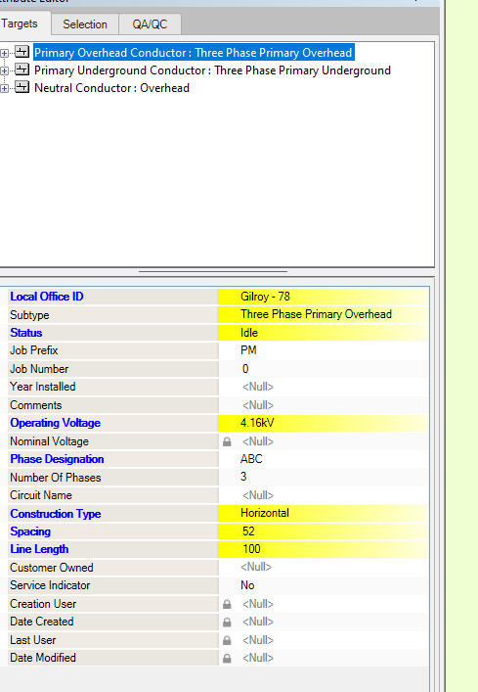 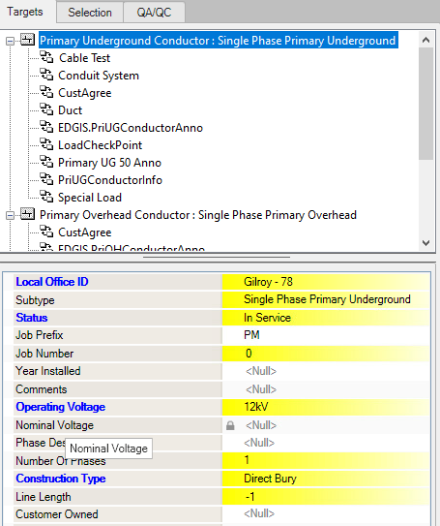 |  | 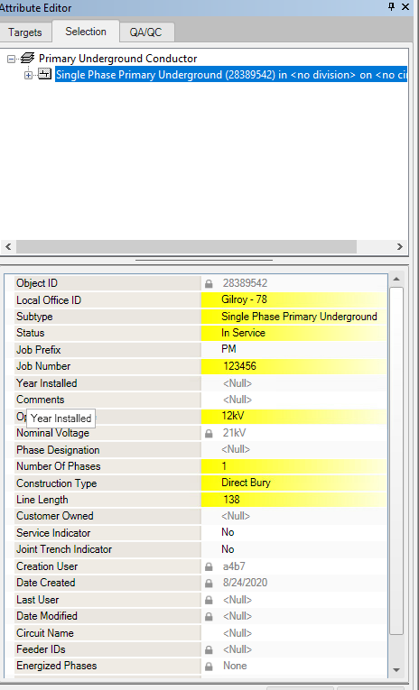 | 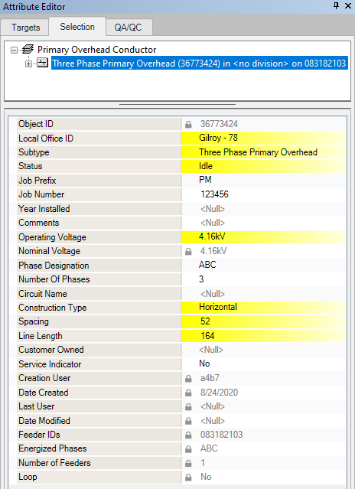
 | Update Exisitng Feature | Pass | 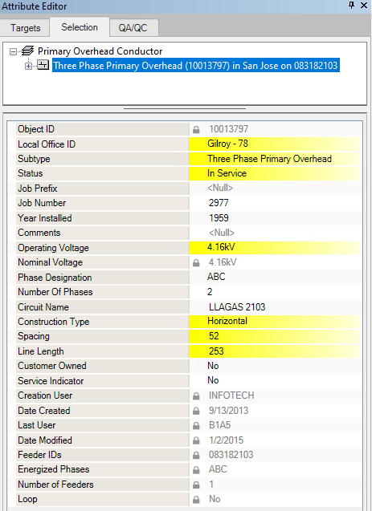 | 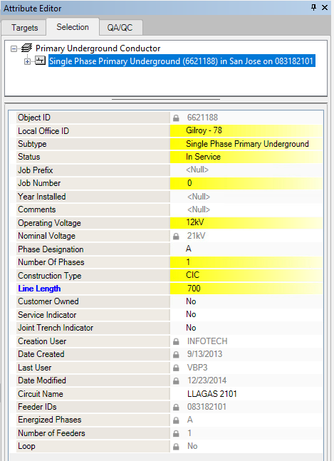
 | Delete Existing Feature | Pass | 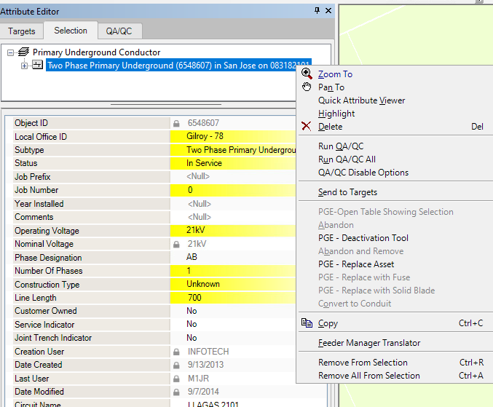

Bulk Update
Design Component | Description
BU_HSC_1,BU_HSC_2 & BU_HSC_3 | VoltageRegulator, CapacitorBank, Transformer HighSideConfiguration One-Time Bulk Update
 | Validate that the tracing logic produced the new values appropriately | 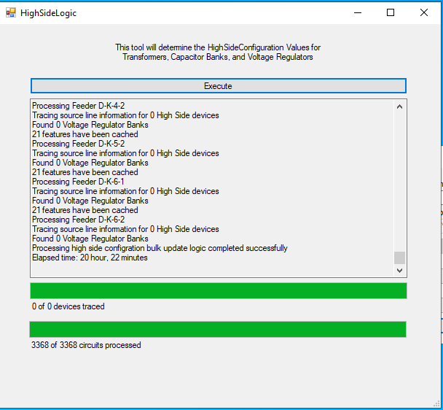 | 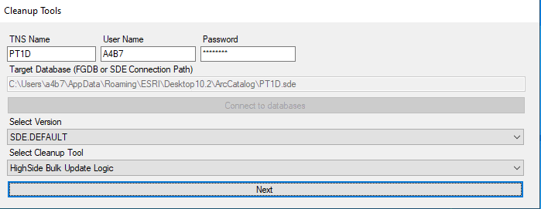
 | Validate the SQL Script was created appropriately | Pass | 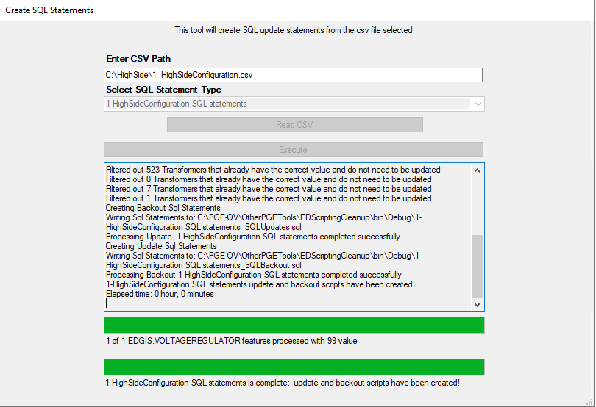 | 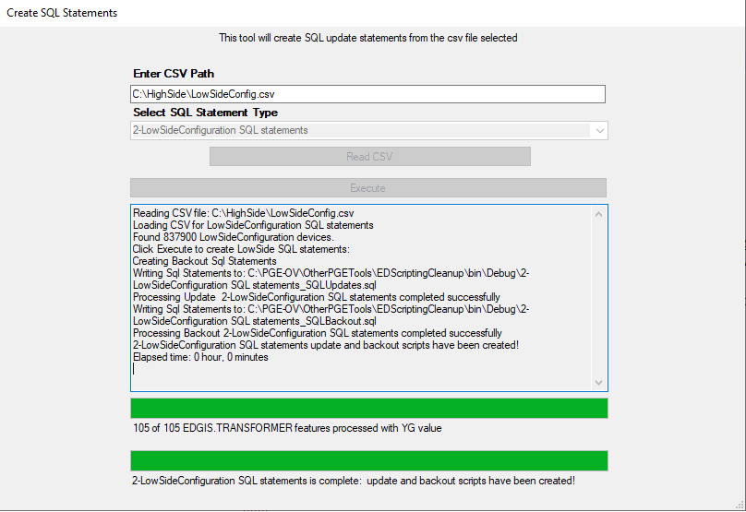
 | Validate Bulk Update Completed successfully | Pass | Logs Printed here: \\sfshare04-nas2\sfgispoc_data\ApplicationDevelopment\EDScripting-Q3 Enhancements\TestResults
 | Validate with Backend Queries | Pass | Query Results here: \\sfshare04-nas2\sfgispoc_data\ApplicationDevelopment\EDScripting-Q3 Enhancements\TestResults
BU_LSC_1 | Transformer LowSideConfiguration One-Time Bulk Update | Pass
 | Validate the SQL Script was created appropriately | Pass |  | There are 71,000 null values
 | Validate Bulk Update Completed successfully | Pass | Logs Printed here: \\sfshare04-nas2\sfgispoc_data\ApplicationDevelopment\EDScripting-Q3 Enhancements\TestResults
 | Validate with Backend Query | Pass | Query Results here: \\sfshare04-nas2\sfgispoc_data\ApplicationDevelopment\EDScripting-Q3 Enhancements\TestResults

Interfaces
 | Run ED0050 - Check XML for new values and there aren't any errors
 | Run ED0006 - Check XML for new values and there aren't any errors

FLISR
DataModel
Design Component | Description | Pass/Fail | ScreenShot Verification
DM_FLISR_1 | FLISR_DONOTBACKFFED Table
 | Visual ArcCatalog Datamodel Check
 | Visual ArcCatalog Datamodel Check |  | 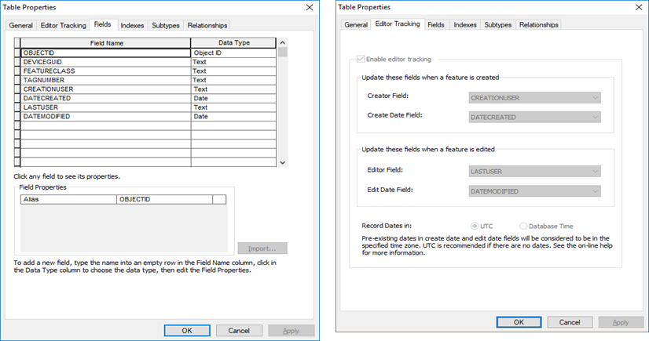 | 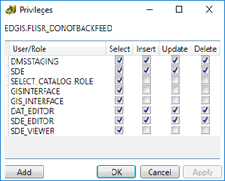
 | Visual ArcFM Properties |  | 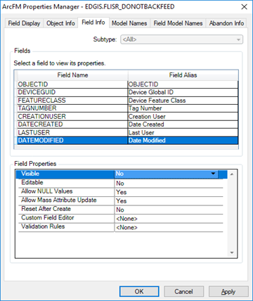
 | Create new record
 | Update Exisitng record
 | Delete Existing record

Bulk Update
Design Component | Description |  | ScreenShot Verification
DM_FLISR_1 | FLISR_DONOTBACKFFED Table
 | Validate Bulk Update Completed successfully |  | 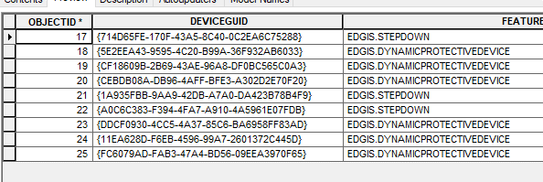
 | Validate with Backend Query |  | 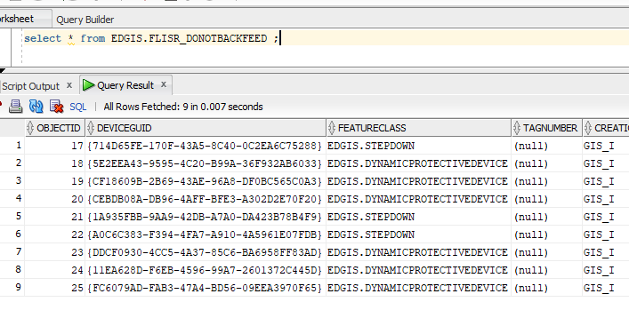

DeviceGroup
DataModel
Design Component | Description | Pass/Fail | ScreenShot Verification
BU_DG_1 | Removal of duplicative or SCADA-specific DEVICEGROUPTYPE domain values
 | Visual ArcCatalog Datamodel Check | 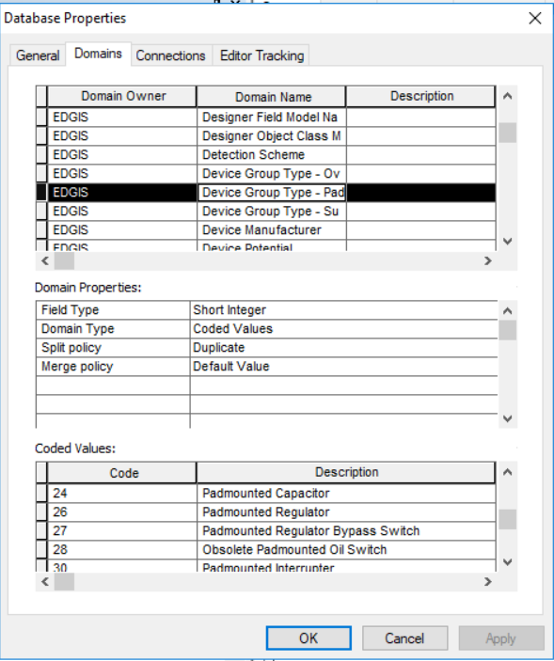 | notice 25 and 29 missing and 'Obsolete' in 28.
 | Visual ArcFM Properties
 | Create new Feature with Attribute Populated |  | 
 | Update Exisitng Attribute |  | 
 | Delete Existing Feature
 | Update a new feature that existed in a session before the Attribute was added |  | 
BU_DG_2 | DEVICEGROUPTYPE Label Changes One-Time Bulk Update
 | Visual ArcCatalog Datamodel Check |  | 
 | Create new Feature with Attribute Populated
 | Update Exisitng Attribute
 | Delete Existing Feature
 | Update a new feature that existed in a session before the Attribute was added
DM_DG_1 | DEVICEGROUP Scripting Attribute
 | Visual ArcCatalog Datamodel Check |  | 
 | Visual ArcFM Properties |  |  | 
 | Create new Feature with Attribute Populated
 | Update Exisitng Attribute
 | Delete Existing Feature
 | Update a new feature that existed in a session before the Attribute was added

Bulk Update
Design Component | Description | Pass/Fail | ScreenShot Verification
BU_DG_1 | Removal of duplicative or SCADA-specific DEVICEGROUPTYPE domain values
 | Validate Bulk Update Completed successfully |  | and backout sql script is created based on input path.
 | Validate with Backend Query |  | 
DM_DG_1 | DEVICEGROUP Scripting Attribute
 | Validate Bulk Update Completed successfully |  | All rows should be either 0 or a positive number.
 | Validate with Backend Query |  |  Note 940 are null, but there are 940 J-Boxes that are null, so this is correct.

AutoUpdater | Description | Pass/Fail | ScreenShot Verification
AU_DG_1 | EDGIS.DEVICEGROUP.ADMSLabel AUTOUPDATER |  | (only showing J-Box in this section, above shows others).
 | Create new Feature - 1 of each type |  | 
 | Update Exisitng Feature - 1 of each type |  | 
 | Delete Existing Feature - 1 of each type

