EDA
Loan amount by loan status |  |  |  |  | Loan term By Loan Status |  |  |  | Loan term By Loan Amount
Row Labels | Average of loan_amnt | Average of funded_amnt | Average of funded_amnt_inv |  | Count of term | Column Labels |  |  | Row Labels | Average of loan_amnt
Charged Off | 18,665 | 18,665 | 18,665 |  | Row Labels | 36 months | 60 months | Grand Total | 36 months | 13,421
Fully Paid | 15,534 | 15,534 | 15,534 |  | Charged Off | 2 | 11 | 13 | 60 months | 20,418
Grand Total | 16,151 | 16,151 | 16,151 |  | Fully Paid | 38 | 15 | 53 | Grand Total | 16,963
 |  |  |  |  | Grand Total | 40 | 26 | 66

 | 3Y | 5Y
Interest rate distribution |  |  |  |  | Int Rate By Loan Status |  |  |  | Installment By Loan Status
 | Column Labels |  |  |  | Count of loan_amnt | Column Labels |  |  | Average of installment | Column Labels
 | 36 months |  | 60 months |  | Row Labels | Charged Off | Fully Paid | Grand Total | Row Labels | 36 months | 60 months | Grand Total
Row Labels | Average of loan_amnt | Count of loan_amnt | Average of loan_amnt | Count of loan_amnt | 5.32 |  | 5 | 5 | Charged Off | 342 | 495 | 472
5.32 | 17,250 | 5 |  |  | 6.49 |  | 3 | 3 | Fully Paid | 441 | 486 | 454
6.49 | 13,167 | 3 |  |  | 7.49 |  | 4 | 4 | Grand Total | 436 | 490 | 457
7.49 | 11,900 | 4 |  |  | 7.91 |  | 1 | 1
7.91 | 10,000 | 1 |  |  | 8.49 | 1 | 1 | 2
8.49 | 20,000 | 1 | 19,500 | 2 | 9.17 |  | 3 | 3
9.17 | 12,733 | 3 |  |  | 9.8 |  | 2 | 2
9.8 | 14,400 | 2 | 24,000 | 1 | 10.78 |  | 3 | 3
10.78 | 12,000 | 1 | 17,500 | 2 | 11.48 |  | 2 | 2
11.48 | 7,600 | 2 |  |  | 11.99 |  | 4 | 4
11.99 | 23,288 | 2 | 22,950 | 4 | 12.88 | 2 | 4 | 6
12.88 | 11,850 | 4 | 24,020 | 5 | 13.44 | 1 | 5 | 6
13.44 | 12,288 | 4 | 17,750 | 3 | 13.99 | 2 | 2 | 4
13.99 | 3,600 | 1 | 20,500 | 4 | 14.85 | 2 | 4 | 6
14.85 | 12,113 | 2 | 23,250 | 6 | 15.77 |  | 3 | 3
15.77 | 19,067 | 3 |  |  | 17.27 |  | 1 | 1
16.59 |  |  | 15,700 | 1 | 17.97 | 1 | 1 | 2
17.27 | 2,500 | 1 | 23,850 | 1 | 18.49 | 1 | 2 | 3
17.97 |  |  | 13,000 | 2 | 19.48 | 1 |  | 1
18.49 |  |  | 20,742 | 3 | 19.89 | 1 | 1 | 2
19.48 |  |  | 18,000 | 1 | 22.45 |  | 1 | 1
19.89 | 8,650 | 1 | 20,788 | 2 | 23.13 |  | 1 | 1
20.5 |  |  | 14,650 | 1 | 24.24 | 1 |  | 1
22.45 |  |  | 10,400 | 1 | Grand Total | 13 | 53 | 66
23.13 |  |  | 15,850 | 1
24.24 |  |  | 24,250 | 1
Grand Total | 13,421 | 40 | 20,418 | 41

Histogram
Histogram
annual income distribution |  |  |  |  |  |  |  |  |  |  |  | DTI income distribution
Bin | Frequency | Bin | Frequency |  |  |  |  |  |  |  |  | Bin | Frequency | Bin | Frequency
34,000 | 1 | 69,778 | 22 |  |  |  |  |  |  |  |  | 5.2 | 1 | 18.7 | 15
51,889 | 17 | 51,889 | 17 |  |  |  |  |  |  |  |  | 8.6 | 6 | 15.4 | 12
69,778 | 22 | 87,667 | 15 |  |  |  |  |  |  |  |  | 12.0 | 9 | 25.5 | 10
87,667 | 15 | 105,556 | 10 |  |  |  |  |  |  |  |  | 15.4 | 12 | More | 10
105,556 | 10 | 123,444 | 7 |  |  |  |  |  |  |  |  | 18.7 | 15 | 12.0 | 9
123,444 | 7 | 159,222 | 4 |  |  |  |  |  |  |  |  | 22.1 | 8 | 22.1 | 8
141,333 | 2 | 141,333 | 2 |  |  |  |  |  |  |  |  | 25.5 | 10 | 8.6 | 6
159,222 | 4 | More | 2 |  |  |  |  |  |  |  |  | 28.9 | 5 | 28.9 | 5
177,111 | 1 | 34,000 | 1 |  |  |  |  |  |  |  |  | 32.3 | 5 | 32.3 | 5
More | 2 | 177,111 | 1 |  |  |  |  |  |  |  |  | More | 10 | 5.2 | 1

 | Charged Off | Fully Paid
5.1-10.1 | 96,000 | 112,089
10.1-15.1 |  | 82,827
15.1-20.1 | 69,000 | 65,508
20.1-25.1 | 67,500 | 79,750
25.1-30.1 | 62,000 | 87,322
30.1-35.1 | 69,667 | 54,800
35.1-40.1 | 55,000
 | Charged Off | Fully Paid
5.32 |  | 89,400
6.49 |  | 74,000
7.49 |  | 82,000
7.91 |  | 40,100
8.49 | 62,000 | 85,000
9.17 |  | 99,667
9.8 |  | 83,500
10.78 |  | 75,333
11.48 |  | 57,250
11.99 |  | 88,148
12.88 | 85,500 | 91,348
13.44 | 42,000 | 79,030
13.99 | 74,500 | 53,500
14.85 | 47,500 | 107,000
15.77 |  | 100,000
17.27 |  | 50,000
17.97 | 55,000 | 109,000
18.49 | 60,000 | 57,000
19.48 | 150,000
19.89 | 70,000 | 55,000
22.45 |  | 104,433
23.13 |  | 45,000
24.24 | 75,000
Annual income distribution |  |  |  |  | High interest rate loans are more likely to default, specially when the avg annual income is <70k |  |  |  |  |  |  | DTI vs income
Average of annual_inc | Column Labels |  |  |  |  |  |  |  |  |  |  | Average of annual_inc | Column Labels
Row Labels | Charged Off | Fully Paid | Grand Total |  |  |  |  |  |  |  |  | Row Labels | Charged Off | Fully Paid | Grand Total
5.32 |  | 89,400 | 89,400 |  |  |  |  |  |  |  |  | 5.1-10.1 | 96,000 | 112,089 | 109,408
6.49 |  | 74,000 | 74,000 |  |  |  |  |  |  |  |  | 10.1-15.1 |  | 82,827 | 82,827
7.49 |  | 82,000 | 82,000 |  |  |  |  |  |  |  |  | 15.1-20.1 | 69,000 | 65,508 | 66,439
7.91 |  | 40,100 | 40,100 |  |  |  |  |  |  |  |  | 20.1-25.1 | 67,500 | 79,750 | 77,300
8.49 | 62,000 | 85,000 | 73,500 |  |  |  |  |  |  |  |  | 25.1-30.1 | 62,000 | 87,322 | 83,705
9.17 |  | 99,667 | 99,667 |  |  |  |  |  |  |  |  | 30.1-35.1 | 69,667 | 54,800 | 60,375
9.8 |  | 83,500 | 83,500 |  |  |  |  |  |  |  |  | 35.1-40.1 | 55,000 |  | 55,000
10.78 |  | 75,333 | 75,333 |  |  |  |  |  |  |  |  | Grand Total | 71,462 | 82,154 | 80,048
11.48 |  | 57,250 | 57,250
11.99 |  | 88,148 | 88,148
12.88 | 85,500 | 91,348 | 89,399
13.44 | 42,000 | 79,030 | 72,858
13.99 | 74,500 | 53,500 | 64,000
14.85 | 47,500 | 107,000 | 87,167
15.77 |  | 100,000 | 100,000
17.27 |  | 50,000 | 50,000
17.97 | 55,000 | 109,000 | 82,000
18.49 | 60,000 | 57,000 | 58,000
19.48 | 150,000 |  | 150,000
 | Charged Off | Fully Paid
5.1-10.1 | 2 | 10
10.1-15.1 |  | 13
15.1-20.1 | 4 | 11
20.1-25.1 | 2 | 8
25.1-30.1 | 1 | 6
30.1-35.1 | 3 | 5
35.1-40.1 | 1
19.89 | 70,000 | 55,000 | 62,500
22.45 |  | 104,433 | 104,433 |  |  |  |  |  |  |  |  | DTI vs loan count
23.13 |  | 45,000 | 45,000 |  |  |  |  |  |  |  |  | Count of loan_amnt | Column Labels
24.24 | 75,000 |  | 75,000 |  |  |  |  |  |  |  |  | Row Labels | Charged Off | Fully Paid | Grand Total
Grand Total | 71,462 | 82,154 | 80,048 |  |  |  |  |  |  |  |  | 5.1-10.1 | 2 | 10 | 12
 |  |  |  |  |  |  |  |  |  |  |  | 10.1-15.1 |  | 13 | 13
 |  |  |  |  |  |  |  |  |  |  |  | 15.1-20.1 | 4 | 11 | 15
 |  |  |  |  |  |  |  |  |  |  |  | 20.1-25.1 | 2 | 8 | 10
 |  |  |  |  |  |  |  |  |  |  |  | 25.1-30.1 | 1 | 6 | 7
'application_type': Individual accounts for the majority of 'revol_bal'.
 |  |  |  |  |  |  |  |  |  |  |  | 30.1-35.1 | 3 | 5 | 8
 |  |  |  |  |  |  |  |  |  |  |  | 35.1-40.1 | 1 |  | 1
Row Labels | Sum of revol_bal |  |  |  |  |  |  |  |  |  |  | Grand Total | 13 | 53 | 66
Individual | 1402660
Joint App | 7869
Grand Total | 1410529

EDA_loan_grade
 | Charged Off | Fully Paid
A |  | 13
B | 1 | 11
C | 7 | 19
D | 2 | 7
E | 2 | 1
F | 1 | 2
'grade': D has noticeably higher 'revol_bal'.
C grade has high default rate
Grade By Loan Status |  |  |  |  |  |  |  |  | Row Labels | Average of revol_bal
Count of loan_amnt | Column Labels |  |  |  |  |  |  |  | D | 21,790
Row Labels | Charged Off | Fully Paid | Grand Total |  |  |  |  |  | E | 18,541
A |  | 13 | 13 |  |  |  |  |  | F | 18,509
B | 1 | 11 | 12 |  |  |  |  |  | C | 17,511
C | 7 | 19 | 26 |  |  |  |  |  | B | 16,556
D | 2 | 7 | 9 |  |  |  |  |  | A | 13,688
E | 2 | 1 | 3 |  |  |  |  |  | Grand Total | 17,414
F | 1 | 2 | 3
Grand Total | 13 | 53 | 66

 | Charged Off | Fully Paid
A1 |  | 5
A2 |  | 3
A4 |  | 4
A5 |  | 1
B1 | 1 | 1
B2 |  | 3
B3 |  | 2
B4 |  | 3
B5 |  | 2
C1 |  | 4
C2 | 2 | 4
C3 | 1 | 5
C4 | 2 | 2
C5 | 2 | 4
D1 |  | 3
D3 |  | 1
D4 | 1 | 1
D5 | 1 | 2
E2 | 1
E3 | 1 | 1
F1 |  | 1
F2 |  | 1
F3 | 1
Grade By Loan Status
Count of loan_amnt | Column Labels
Row Labels | Charged Off | Fully Paid | Grand Total
A |  | 13 | 13
A1 |  | 5 | 5
A2 |  | 3 | 3
A4 |  | 4 | 4
A5 |  | 1 | 1
B | 1 | 11 | 12
B1 | 1 | 1 | 2
B2 |  | 3 | 3
B3 |  | 2 | 2
B4 |  | 3 | 3
B5 |  | 2 | 2
C | 7 | 19 | 26
C1 |  | 4 | 4
C2 | 2 | 4 | 6
C3 | 1 | 5 | 6
C4 | 2 | 2 | 4
C5 | 2 | 4 | 6
D | 2 | 7 | 9
D1 |  | 3 | 3
D3 |  | 1 | 1
D4 | 1 | 1 | 2
D5 | 1 | 2 | 3
E | 2 | 1 | 3
E2 | 1 |  | 1
E3 | 1 | 1 | 2
F | 1 | 2 | 3
F1 |  | 1 | 1
F2 |  | 1 | 1
F3 | 1 |  | 1
Grand Total | 13 | 53 | 66

 | Charged Off | Fully Paid
A1 |  | 5.3
A2 |  | 6.5
A4 |  | 7.5
A5 |  | 7.9
B1 | 8.5 | 8.5
B2 |  | 9.2
B3 |  | 9.8
B4 |  | 10.8
B5 |  | 11.5
C1 |  | 12.0
C2 | 12.9 | 12.9
C3 | 13.4 | 13.4
C4 | 14.0 | 14.0
C5 | 14.9 | 14.9
D1 |  | 15.8
D3 |  | 17.3
D4 | 18.0 | 18.0
D5 | 18.5 | 18.5
E2 | 19.5
E3 | 19.9 | 19.9
F1 |  | 22.5
F2 |  | 23.1
F3 | 24.2
 | Column Labels |  |  |  | Grade, Loan Status and Int Rate
 | Charged Off |  | Fully Paid |  | Average of int_rate | Column Labels
Row Labels | Average of loan_amnt | Count of loan_amnt | Average of loan_amnt | Count of loan_amnt | Row Labels | Charged Off | Fully Paid | Grand Total
A |  |  | 14,104 | 13 | A |  | 6.5 | 6.5
A1 |  |  | 17,250 | 5 | A1 |  | 5.3 | 5.3
A2 |  |  | 13,167 | 3 | A2 |  | 6.5 | 6.5
A4 |  |  | 11,900 | 4 | A4 |  | 7.5 | 7.5
A5 |  |  | 10,000 | 1 | A5 |  | 7.9 | 7.9
B | 16,000 | 1 | 13,564 | 11 | B | 8.5 | 10.1 | 9.9
B1 | 16,000 | 1 | 20,000 | 1 | B1 | 8.5 | 8.5 | 8.5
B2 |  |  | 12,733 | 3 | B2 |  | 9.2 | 9.2
B3 |  |  | 14,400 | 2 | B3 |  | 9.8 | 9.8
B4 |  |  | 15,667 | 3 | B4 |  | 10.8 | 10.8
B5 |  |  | 7,600 | 2 | B5 |  | 11.5 | 11.5
C | 18,604 | 7 | 17,796 | 19 | C | 13.8 | 13.4 | 13.5
C1 |  |  | 24,894 | 4 | C1 |  | 12.0 | 12.0
C2 | 25,500 | 2 | 15,325 | 4 | C2 | 12.9 | 12.9 | 12.9
C3 | 16,000 | 1 | 14,030 | 5 | C3 | 13.4 | 13.4 | 13.4
C4 | 22,500 | 2 | 12,300 | 2 | C4 | 14.0 | 14.0 | 14.0
C5 | 9,113 | 2 | 20,625 | 4 | C5 | 14.9 | 14.9 | 14.9
D | 15,100 | 2 | 16,818 | 7 | D | 18.2 | 17.1 | 17.3
D1 |  |  | 19,067 | 3 | D1 |  | 15.8 | 15.8
D3 |  |  | 2,500 | 1 | D3 |  | 17.3 | 17.3
D4 | 10,000 | 1 | 16,000 | 1 | D4 | 18.0 | 18.0 | 18.0
D5 | 20,200 | 1 | 21,013 | 2 | D5 | 18.5 | 18.5 | 18.5
E | 20,988 | 2 | 8,650 | 1 | E | 19.7 | 19.9 | 19.8
E2 | 18,000 | 1 |  |  | E2 | 19.5 |  | 19.5
E3 | 23,975 | 1 | 8,650 | 1 | E3 | 19.9 | 19.9 | 19.9
F | 24,250 | 1 | 13,125 | 2 | F | 24.2 | 22.8 | 23.3
F1 |  |  | 10,400 | 1 | F1 |  | 22.5 | 22.5
F2 |  |  | 15,850 | 1 | F2 |  | 23.1 | 23.1
F3 | 24,250 | 1 |  |  | F3 | 24.2 |  | 24.2
Grand Total | 18,665 | 13 | 15,534 | 53 | Grand Total | 15.8 | 12.0 | 12.7

EDA categorical variables
'emp_length': 3+ years has higher 'int_rate'.
emp title- not relevant for analysis |  |  |  | emp length
Count of loan_amnt | Column Labels |  |  | Count of loan_amnt | Column Labels |  |  | Row Labels | Average of int_rate
Row Labels | Charged Off | Fully Paid | Grand Total | Row Labels | Charged Off | Fully Paid | Grand Total | 3 years | 17.665
Accountant | 1 |  | 1 | < 1 year |  | 6 | 6 | 4 years | 17.2625
accts payable |  | 1 | 1 | 1 year | 1 | 2 | 3 | 7 years | 16.18
Analyst |  | 1 | 1 | 10+ years | 3 | 27 | 30 | 2 years | 14.561
Application Analyst |  | 1 | 1 | 2 years | 2 | 5 | 7 | 8 years | 13.69
Associate Consultant |  | 1 | 1 | 3 years |  | 2 | 2 | < 1 year | 12.892857143
Bank Officer Senior Customer Care Spec. |  | 1 | 1 | 4 years | 2 | 2 | 4 | 6 years | 12.7025
Bookkeeper/Accounting |  | 1 | 1 | 5 years | 2 | 2 | 4 | 10+ years | 12.473714286
Carrier |  | 1 | 1 | 6 years |  | 2 | 2 | 9 years | 12.0375
Clinical Intake |  | 1 | 1 | 7 years | 2 |  | 2 | 5 years | 11.48
Contract Specialist |  | 2 | 2 | 8 years |  | 2 | 2 | 1 year | 10.605
Corporate Insurance |  | 1 | 1 | 9 years | 1 | 2 | 3 | (blank) | 8.145
DEPUTY SHERIFF |  | 1 | 1 | (blank) |  | 1 | 1 | Grand Total | 12.98308642
Director |  | 1 | 1 | Grand Total | 13 | 53 | 66
Director of Product Development |  | 1 | 1
driver |  | 1 | 1 | Mortgage holders are more likely to default
Educator | 1 |  | 1 | Home ownership
Engineer |  | 2 | 2 | Count of loan_amnt | Column Labels
Executive Assistant | 1 |  | 1 | Row Labels | Charged Off | Fully Paid | Grand Total
Facilities Coordinator | 1 |  | 1 | MORTGAGE | 7 | 36 | 43
Foreign Service Officer |  | 1 | 1 | OWN | 1 | 4 | 5
General Manager |  | 1 | 1 | RENT | 5 | 13 | 18
GM |  | 1 | 1 | Grand Total | 13 | 53 | 66
GS-11 |  | 1 | 1
hvac technician | 1 |  | 1
Lead manufacturing |  | 1 | 1
leadman |  | 1 | 1
Legal Administrative Assistant |  | 1 | 1
 | Charged Off | Fully Paid
Not Verified | 8 | 35
Source Verified | 5 | 11
Verified |  | 7
Lieutenant | 1 |  | 1
Logistics Manager |  | 1 | 1 | Not verified are more likely to default
Manager | 1 | 3 | 4 | Verification status
mechanic | 1 |  | 1 | Count of loan_amnt | Column Labels
Merchandise Manager | 1 |  | 1 | Row Labels | Charged Off | Fully Paid | Grand Total
Network Security Specialist III |  | 1 | 1 | Not Verified | 8 | 35 | 43
Owner, Fee Appraiser | 1 |  | 1 | Source Verified | 5 | 11 | 16
President |  | 1 | 1 | Verified |  | 7 | 7
Principal | 1 |  | 1 | Grand Total | 13 | 53 | 66
PRINTER |  | 1 | 1
Professional Sales Associate |  | 1 | 1
Program Coordinator |  | 1 | 1
Public Affairs Specialist |  | 1 | 1
Resident physician |  | 1 | 1
road driver |  | 1 | 1 | Credit card and debt_consol are more likely to default
Sales Manager |  | 1 | 1 | Purpose
Sales Representative/ Agent |  | 1 | 1 | Count of loan_amnt | Column Labels
Senior Buyer |  | 1 | 1 | Row Labels | Charged Off | Fully Paid | Grand Total
 | Charged Off | Fully Paid
credit_card | 4 | 16
debt_consolidation | 8 | 23
home_improvement |  | 5
house |  | 2
major_purchase |  | 2
other |  | 3
small_business | 1 | 1
vacation |  | 1
Senior Manager |  | 1 | 1 | credit_card | 4 | 16 | 20
SERVICE MANAGER |  | 1 | 1 | debt_consolidation | 8 | 23 | 31
Site lead |  | 1 | 1 | home_improvement |  | 5 | 5
Software Manager | 1 |  | 1 | house |  | 2 | 2
Supervisor | 1 |  | 1 | major_purchase |  | 2 | 2
Teacher |  | 3 | 3 | other |  | 3 | 3
tech |  | 1 | 1 | small_business | 1 | 1 | 2
truck driver |  | 1 | 1 | vacation |  | 1 | 1
Vendor liaison |  | 1 | 1 | Grand Total | 13 | 53 | 66
Veterinary Tecnician |  | 1 | 1
Vice President of Recruiting Operations |  | 1 | 1
Vice-President |  | 1 | 1
Wire Technician |  | 1 | 1 | Credit card and debt_consol are more likely to default
(blank) |  | 1 | 1 | Title
Grand Total | 13 | 53 | 66 | Count of loan_amnt | Column Labels
 |  |  |  | Row Labels | Charged Off | Fully Paid | Grand Total
 |  |  |  | Business | 1 | 1 | 2
 |  |  |  | Credit card refinancing | 4 | 16 | 20
 |  |  |  | Debt consolidation | 6 | 22 | 28
 |  |  |  | Home buying |  | 2 | 2
 |  |  |  | Home improvement |  | 4 | 4
 |  |  |  | Major purchase |  | 2 | 2
 |  |  |  | Other |  | 2 | 2
 |  |  |  | Vacation |  | 1 | 1
 |  |  |  | (blank) | 2 | 3 | 5
 |  |  |  | Grand Total | 13 | 53 | 66

EDA fico
'fico_range_high' by 'term' and 'verification_status'
 | Charged Off | Fully Paid
Not Verified | 687 | 716
Source Verified | 719 | 697
Verified |  | 691
Average of fico_range_high | Column Labels
Row Labels | Charged Off | Fully Paid | Grand Total
Not Verified | 687 | 716 | 711
Source Verified | 719 | 697 | 704
Verified |  | 691 | 691
Grand Total | 699 | 709 | 707

 | Charged Off | Fully Paid
Not Verified | 683 | 712
Source Verified | 715 | 693
Verified |  | 687

Average of fico_range_low | Column Labels
Row Labels | Charged Off | Fully Paid | Grand Total
Not Verified | 683 | 712 | 707
Source Verified | 715 | 693 | 700
Verified |  | 687 | 687
Grand Total | 695 | 705 | 703

EDA geography
 | Charged Off | Fully Paid
NY | 1 | 5
OH |  | 5
MD | 2 | 3
FL |  | 3
SC |  | 3
PA |  | 3
VA | 1 | 2
IN |  | 3
CA | 3
AL | 2 | 1
TX |  | 2
RI |  | 2
GA |  | 2
MA | 1 | 1
IL |  | 2
NC |  | 2
WA |  | 2
KS | 1 | 1
AZ | 1 | 1
CO | 1
SD |  | 1
NM |  | 1
WI |  | 1
LA |  | 1
HI |  | 1
VT |  | 1
MN |  | 1
DC |  | 1
MO |  | 1
MI |  | 1
WI, CO, NM have higher interest rate loans
Row Labels | Average of int_rate |  |  | State wise loan counts
WI | 18.5 |  |  | Count of loan_amnt | Column Labels
CO | 18.0 |  |  | Row Labels | Charged Off | Fully Paid | Grand Total
NM | 18.0 |  |  | NY | 1 | 5 | 6
LA | 15.7 |  |  | OH |  | 5 | 5
FL | 15.4 |  |  | MD | 2 | 3 | 5
CA | 15.1 |  |  | FL |  | 3 | 3
OH | 15.1 |  |  | SC |  | 3 | 3
NJ | 14.9 |  |  | PA |  | 3 | 3
PA | 14.3 |  |  | VA | 1 | 2 | 3
IN | 13.9 |  |  | IN |  | 3 | 3
NY | 13.6 |  |  | CA | 3 |  | 3
AZ | 13.4 |  |  | AL | 2 | 1 | 3
GA | 13.3 |  |  | TX |  | 2 | 2
MO | 12.9 |  |  | RI |  | 2 | 2
IL | 12.8 |  |  | GA |  | 2 | 2
VA | 12.5 |  |  | MA | 1 | 1 | 2
MD | 12.4 |  |  | IL |  | 2 | 2
AL | 12.2 |  |  | NC |  | 2 | 2
RI | 12.2 |  |  | WA |  | 2 | 2
SD | 12.0 |  |  | KS | 1 | 1 | 2
DC | 12.0 |  |  | AZ | 1 | 1 | 2
MA | 11.3 |  |  | CO | 1 |  | 1
TX | 11.3 |  |  | SD |  | 1 | 1
SC | 10.9 |  |  | NM |  | 1 | 1
WA | 10.3 |  |  | WI |  | 1 | 1
KS | 10.1 |  |  | LA |  | 1 | 1
TN | 9.8 |  |  | HI |  | 1 | 1
MI | 9.8 |  |  | VT |  | 1 | 1
NC | 9.7 |  |  | MN |  | 1 | 1
MN | 9.2 |  |  | DC |  | 1 | 1
HI | 6.5 |  |  | MO |  | 1 | 1
VT | 5.3 |  |  | MI |  | 1 | 1
Grand Total | 13.0 |  |  | Grand Total | 13 | 53 | 66

 | Charged Off | Fully Paid
CO | 36
NC |  | 28
VA | 33 | 21
SC |  | 24
CA | 24
WA |  | 24
RI |  | 24
NM |  | 23
AL | 18 | 29
IN |  | 22
KS | 15 | 27
OH |  | 20
MD | 26 | 16
FL |  | 19
WI |  | 18
NY | 21 | 17
AZ | 24 | 9
HI |  | 16
SD |  | 16
PA |  | 15
MN |  | 15
MA | 10 | 19
TX |  | 13
IL |  | 12
VT |  | 10
MO |  | 9
GA |  | 9
LA |  | 7
DC |  | 6
MI |  | 5

 | Charged Off | Fully Paid
NY | 24 | 13
VA | 20 | 6
CO | 18
CA | 15
AZ | 15 | 12
KS | 15 | 5
MD | 14 | 11
MA | 13 | 9
AL | 13 | 11
SD |  | 12
OH |  | 14
WA |  | 10
DC |  | 12
RI |  | 12
LA |  | 15
IL |  | 13
FL |  | 15
HI |  | 6
GA |  | 12
PA |  | 14
WI |  | 18
SC |  | 10
MN |  | 9
TX |  | 10
MO |  | 13
VT |  | 5
NC |  | 10
IN |  | 15
NM |  | 18
MI |  | 10
 |  |  |  | NY, VA , CO and CA were the top defaulters with high int rate loans
NY, VA , CO and CA were the top defaulters with high int rate loans |  |  |  | DTI by State
Int rate by state |  |  |  | Average of dti | Column Labels
Average of int_rate | Column Labels |  |  | Row Labels | Charged Off | Fully Paid | Grand Total
Row Labels | Charged Off | Fully Paid | Grand Total | CO | 36 |  | 36
NY | 24 | 13 | 15 | NC |  | 28 | 28
VA | 20 | 6 | 11 | VA | 33 | 21 | 25
CO | 18 |  | 18 | SC |  | 24 | 24
CA | 15 |  | 15 | CA | 24 |  | 24
AZ | 15 | 12 | 13 | WA |  | 24 | 24
KS | 15 | 5 | 10 | RI |  | 24 | 24
MD | 14 | 11 | 12 | NM |  | 23 | 23
MA | 13 | 9 | 11 | AL | 18 | 29 | 22
AL | 13 | 11 | 12 | IN |  | 22 | 22
SD |  | 12 | 12 | KS | 15 | 27 | 21
OH |  | 14 | 14 | OH |  | 20 | 20
WA |  | 10 | 10 | MD | 26 | 16 | 20
DC |  | 12 | 12 | FL |  | 19 | 19
RI |  | 12 | 12 | WI |  | 18 | 18
LA |  | 15 | 15 | NY | 21 | 17 | 17
IL |  | 13 | 13 | AZ | 24 | 9 | 16
FL |  | 15 | 15 | HI |  | 16 | 16
HI |  | 6 | 6 | SD |  | 16 | 16
GA |  | 12 | 12 | PA |  | 15 | 15
PA |  | 14 | 14 | MN |  | 15 | 15
WI |  | 18 | 18 | MA | 10 | 19 | 14
SC |  | 10 | 10 | TX |  | 13 | 13
MN |  | 9 | 9 | IL |  | 12 | 12
TX |  | 10 | 10 | VT |  | 10 | 10
MO |  | 13 | 13 | MO |  | 9 | 9
VT |  | 5 | 5 | GA |  | 9 | 9
NC |  | 10 | 10 | LA |  | 7 | 7
IN |  | 15 | 15 | DC |  | 6 | 6
NM |  | 18 | 18 | MI |  | 5 | 5
MI |  | 10 | 10 | Grand Total | 23 | 18 | 19
Grand Total | 16 | 12 | 13

other numerical variables
 | Charged Off | Fully Paid
5.32 |  | 12
6.49 |  | 14
7.49 |  | 9
7.91 |  | 4
8.49 | 10 | 8
9.17 |  | 11
9.8 |  | 12
10.78 |  | 13
11.48 |  | 7
11.99 |  | 16
12.88 | 8 | 14
13.44 | 29 | 7
13.99 | 27 | 6
14.85 | 9 | 12
15.77 |  | 19
17.27 |  | 7
17.97 | 14 | 11
18.49 | 10 | 20
19.48 | 18
19.89 | 10 | 18
22.45 |  | 12
23.13 |  | 18
24.24 | 18
Histogram
Open credit line distribution |  |  |  | Avg no of open credit line
Bin | Frequency | Bin | Frequency | Average of open_acc | Column Labels
3 | 1 | 13 | 21 | Row Labels | Charged Off | Fully Paid | Grand Total
6 | 7 | 10 | 19 | 5.32 |  | 12 | 12
10 | 19 | 16 | 13 | 6.49 |  | 14 | 14
13 | 21 | 20 | 10 | 7.49 |  | 9 | 9
16 | 13 | 6 | 7 | 7.91 |  | 4 | 4
20 | 10 | 23 | 5 | 8.49 | 10 | 8 | 9
23 | 5 | 26 | 2 | 9.17 |  | 11 | 11
26 | 2 | 30 | 2 | 9.8 |  | 12 | 12
30 | 2 | 3 | 1 | 10.78 |  | 13 | 13
More | 1 | More | 1 | 11.48 |  | 7 | 7
 |  |  |  | 11.99 |  | 16 | 16
 |  |  |  | 12.88 | 8 | 14 | 12
 | Charged Off | Fully Paid
Not Verified | 18 | 13
Source Verified | 11 | 10
Verified |  | 12
Avg no of open credit line |  |  |  | 13.44 | 29 | 7 | 11
Average of open_acc | Column Labels |  |  | 13.99 | 27 | 6 | 16
Row Labels | Charged Off | Fully Paid | Grand Total | 14.85 | 9 | 12 | 11 | More credit lines are on a higher risk of default
Not Verified | 18 | 13 | 14 | 15.77 |  | 19 | 19
Source Verified | 11 | 10 | 10 | 17.27 |  | 7 | 7
Verified |  | 12 | 12 | 17.97 | 14 | 11 | 13
Grand Total | 15 | 12 | 13 | 18.49 | 10 | 20 | 16
 |  |  |  | 19.48 | 18 |  | 18
 |  |  |  | 19.89 | 10 | 18 | 14
 |  |  |  | 22.45 |  | 12 | 12
 |  |  |  | 23.13 |  | 18 | 18
 |  |  |  | 24.24 | 18 |  | 18
 |  |  |  | Grand Total | 15 | 12 | 13

 | Charged Off | Fully Paid
1984 |  | 16
1985 | 7
1987 |  | 10
1990 |  | 15
1991 |  | 12
1992 |  | 14
1993 |  | 17
1994 |  | 9
1995 | 10
1996 |  | 10
1997 |  | 9
1998 |  | 8
1999 |  | 13
2000 |  | 9
2001 | 22 | 13
2002 | 16 | 15
2003 |  | 7
2004 | 10 | 13
2005 | 18 | 16
2006 |  | 13
2007 | 18 | 13
2009 | 11
2011 | 6 | 3
Avg no of open credit line
Average of open_acc | Column Labels
Row Labels | Charged Off | Fully Paid | Grand Total
1984 |  | 16 | 16
1985 | 7 |  | 7
1987 |  | 10 | 10
1990 |  | 15 | 15
1991 |  | 12 | 12
1992 |  | 14 | 14
1993 |  | 17 | 17
1994 |  | 9 | 9
1995 | 10 |  | 10
1996 |  | 10 | 10
1997 |  | 9 | 9
1998 |  | 8 | 8
1999 |  | 13 | 13
2000 |  | 9 | 9
2001 | 22 | 13 | 15
2002 | 16 | 15 | 15
2003 |  | 7 | 7
2004 | 10 | 13 | 13
2005 | 18 | 16 | 16
2006 |  | 13 | 13
2007 | 18 | 13 | 15
2009 | 11 |  | 11
2011 | 6 | 3 | 5
Grand Total | 15 | 12 | 13

sample data
'total_acc'
'installment', 'total_acc' by 'id'
id | loan_amnt | funded_amnt | funded_amnt_inv | term | int_rate | installment | grade | sub_grade | emp_title | emp_length | home_ownership | annual_inc | verification_status | issue_d | loan_status | purpose | title | zip_code | addr_state | dti | earliest_cr_line | fico_range_low | fico_range_high | open_acc | pub_rec | revol_bal | revol_util | total_acc | initial_list_status | application_type | mort_acc | pub_rec_bankruptcies
68407277 | 3,600 | 3,600 | 3,600 | 36 months | 13.99 | 123.03 | C | C4 | leadman | 10+ years | MORTGAGE | 55000 | Not Verified | Dec-15 | Fully Paid | debt_consolidation | Debt consolidation | 190xx | PA | 5.91 | Aug-03 | 675 | 679 | 7 | 0 | 2765 | 29.7 | 13 | w | Individual | 1 | 0
68355089 | 24,700 | 24,700 | 24,700 | 36 months | 11.99 | 820.28 | C | C1 | Engineer | 10+ years | MORTGAGE | 65000 | Not Verified | Dec-15 | Fully Paid | small_business | Business | 577xx | SD | 16.06 | Dec-99 | 715 | 719 | 22 | 0 | 21470 | 19.2 | 38 | w | Individual | 4 | 0
68341763 | 20,000 | 20,000 | 20,000 | 60 months | 10.78 | 432.66 | B | B4 | truck driver | 10+ years | MORTGAGE | 63000 | Not Verified | Dec-15 | Fully Paid | home_improvement |  | 605xx | IL | 10.78 | Aug-00 | 695 | 699 | 6 | 0 | 7869 | 56.2 | 18 | w | Joint App | 5 | 0
66310712 | 35,000 | 35,000 | 35,000 | 60 months | 14.85 | 829.9 | C | C5 | Information Systems Officer | 10+ years | MORTGAGE | 110000 | Source Verified | Dec-15 | Current | debt_consolidation | Debt consolidation | 076xx | NJ | 17.06 | Sep-08 | 785 | 789 | 13 | 0 | 7802 | 11.6 | 17 | w | Individual | 1 | 0
68476807 | 10,400 | 10,400 | 10,400 | 60 months | 22.45 | 289.91 | F | F1 | Contract Specialist | 3 years | MORTGAGE | 104433 | Source Verified | Dec-15 | Fully Paid | major_purchase | Major purchase | 174xx | PA | 25.37 | Jun-98 | 695 | 699 | 12 | 0 | 21929 | 64.5 | 35 | w | Individual | 6 | 0
68426831 | 11,950 | 11,950 | 11,950 | 36 months | 13.44 | 405.18 | C | C3 | Veterinary Tecnician | 4 years | RENT | 34000 | Source Verified | Dec-15 | Fully Paid | debt_consolidation | Debt consolidation | 300xx | GA | 10.2 | Oct-87 | 690 | 694 | 5 | 0 | 8822 | 68.4 | 6 | w | Individual | 0 | 0
68476668 | 20,000 | 20,000 | 20,000 | 36 months | 9.17 | 637.58 | B | B2 | Vice President of Recruiting Operations | 10+ years | MORTGAGE | 180000 | Not Verified | Dec-15 | Fully Paid | debt_consolidation | Debt consolidation | 550xx | MN | 14.67 | Jun-90 | 680 | 684 | 12 | 0 | 87329 | 84.5 | 27 | f | Individual | 4 | 0
67275481 | 20,000 | 20,000 | 20,000 | 36 months | 8.49 | 631.26 | B | B1 | road driver | 10+ years | MORTGAGE | 85000 | Not Verified | Dec-15 | Fully Paid | major_purchase | Major purchase | 293xx | SC | 17.61 | Feb-99 | 705 | 709 | 8 | 0 | 826 | 5.7 | 15 | w | Individual | 3 | 0
68466926 | 10,000 | 10,000 | 10,000 | 36 months | 6.49 | 306.45 | A | A2 | SERVICE MANAGER | 6 years | RENT | 85000 | Not Verified | Dec-15 | Fully Paid | credit_card | Credit card refinancing | 160xx | PA | 13.07 | Apr-02 | 685 | 689 | 14 | 1 | 10464 | 34.5 | 23 | w | Individual | 1 | 1
68616873 | 8,000 | 8,000 | 8,000 | 36 months | 11.48 | 263.74 | B | B5 | Vendor liaison | 10+ years | MORTGAGE | 42000 | Not Verified | Dec-15 | Fully Paid | credit_card | Credit card refinancing | 029xx | RI | 34.8 | Nov-94 | 700 | 704 | 8 | 0 | 7034 | 39.1 | 18 | w | Individual | 1 | 0
68356421 | 22,400 | 22,400 | 22,400 | 60 months | 12.88 | 508.3 | C | C2 | Executive Director | 6 years | MORTGAGE | 95000 | Not Verified | Dec-15 | Current | debt_consolidation | Debt consolidation | 290xx | SC | 22.98 | Apr-95 | 710 | 714 | 16 | 0 | 13028 | 32.7 | 35 | w | Individual | 5 | 0
68426545 | 16,000 | 16,000 | 16,000 | 60 months | 12.88 | 363.07 | C | C2 | Senior Structural Designer | 1 year | MORTGAGE | 70000 | Not Verified | Dec-15 | Current | debt_consolidation | Debt consolidation | 786xx | TX | 26.4 | Feb-88 | 720 | 724 | 13 | 0 | 28705 | 56.3 | 29 | w | Individual | 2 | 0
68338832 | 1,400 | 1,400 | 1,400 | 36 months | 12.88 | 47.1 | C | C2 | Logistics Manager | 3 years | MORTGAGE | 64000 | Not Verified | Dec-15 | Fully Paid | other |  | 275xx | NC | 34.95 | Jun-96 | 700 | 704 | 17 | 0 | 37828 | 67.2 | 24 | w | Individual | 4 | 0
66624733 | 18,000 | 18,000 | 18,000 | 60 months | 19.48 | 471.7 | E | E2 | Software Manager | 7 years | RENT | 150000 | Not Verified | Dec-15 | Charged Off | debt_consolidation | Debt consolidation | 916xx | CA | 9.39 | Jun-05 | 665 | 669 | 18 | 1 | 14052 | 40.7 | 27 | w | Individual | 2 | 1
68466961 | 28,000 | 28,000 | 28,000 | 36 months | 6.49 | 858.05 | A | A2 | Senior Manager | 10+ years | MORTGAGE | 92000 | Not Verified | Dec-15 | Fully Paid | debt_consolidation | Debt consolidation | 275xx | NC | 21.6 | May-84 | 720 | 724 | 16 | 0 | 51507 | 64.5 | 24 | w | Individual | 2 | 0
68354783 | 9,600 | 9,600 | 9,600 | 36 months | 7.49 | 298.58 | A | A4 | tech | 8 years | MORTGAGE | 60000 | Not Verified | Dec-15 | Fully Paid | credit_card | Credit card refinancing | 299xx | SC | 22.44 | Jun-96 | 695 | 699 | 7 | 0 | 7722 | 59.4 | 9 | w | Individual | 0 | 0
'annual_inc' and 'revol_bal' appear to form a cluster with 1 outlier.
68466916 | 25,000 | 25,000 | 25,000 | 36 months | 7.49 | 777.55 | A | A4 | Sales Manager | 10+ years | MORTGAGE | 109000 | Not Verified | Dec-15 | Fully Paid | debt_consolidation | Debt consolidation | 226xx | VA | 26.02 | Dec-01 | 745 | 749 | 9 | 0 | 20862 | 54.3 | 19 | w | Individual | 3 | 0
68577849 | 18,000 | 18,000 | 18,000 | 60 months | 11.99 | 400.31 | C | C1 | GS-11 | 10+ years | MORTGAGE | 112000 | Not Verified | Dec-15 | Fully Paid | debt_consolidation | Debt consolidation | 856xx | AZ | 8.68 | Nov-93 | 800 | 804 | 17 | 0 | 10711 | 15.5 | 27 | w | Individual | 4 | 0
'dti' and 'total_acc' appear to form a cluster with 2 outliers.
68506798 | 23,000 | 23,000 | 23,000 | 60 months | 8.49 | 471.77 | B | B1 | Teacher | 5 years | RENT | 64000 | Not Verified | Dec-15 | Current | credit_card | Credit card refinancing | 117xx | NY | 18.28 | Sep-01 | 700 | 704 | 21 | 0 | 24940 | 52.7 | 33 | w | Individual | 0 | 0
68495092 | 8,650 | 8,650 | 8,650 | 36 months | 19.89 | 320.99 | E | E3 | Program Coordinator | 8 years | RENT | 55000 | Verified | Dec-15 | Fully Paid | debt_consolidation | Debt consolidation | 462xx | IN | 25.49 | Mar-05 | 675 | 679 | 18 | 1 | 9568 | 46 | 19 | w | Individual | 0 | 1
68566886 | 29,900 | 29,900 | 29,900 | 60 months | 12.88 | 678.49 | C | C2 | Corporate Insurance | 10+ years | MORTGAGE | 65000 | Verified | Dec-15 | Fully Paid | debt_consolidation | Debt consolidation | 219xx | MD | 21.77 | May-04 | 715 | 719 | 15 | 0 | 31682 | 46.7 | 31 | w | Individual | 2 | 0
68009401 | 16,000 | 16,000 | 16,000 | 60 months | 14.85 | 379.39 | C | C5 | Bookkeeper/Accounting | 10+ years | MORTGAGE | 48000 | Not Verified | Dec-15 | Fully Paid | credit_card | Credit card refinancing | 297xx | SC | 33.18 | Jun-91 | 685 | 689 | 11 | 2 | 19108 | 29.6 | 19 | w | Individual | 2 | 0
68476702 | 28,000 | 28,000 | 28,000 | 36 months | 13.44 | 949.38 | C | C3 | Director of Product Development | 2 years | OWN | 125000 | Source Verified | Dec-15 | Fully Paid | debt_consolidation | Debt consolidation | 100xx | NY | 7.49 | May-00 | 695 | 699 | 6 | 0 | 22780 | 63.1 | 22 | w | Individual | 0 | 0
68436666 | 5,000 | 5,000 | 5,000 | 36 months | 13.44 | 169.54 | C | C3 | General Manager | 2 years | RENT | 79000 | Verified | Dec-15 | Fully Paid | credit_card | Credit card refinancing | 214xx | MD | 12.7 | Oct-11 | 665 | 669 | 3 | 0 | 9441 | 101.5 | 5 | w | Individual | 0 | 0
68476715 | 6,000 | 6,000 | 6,000 | 36 months | 7.49 | 186.61 | A | A4 | Analyst | 10+ years | MORTGAGE | 100000 | Not Verified | Dec-15 | Fully Paid | debt_consolidation | Debt consolidation | 750xx | TX | 13.28 | May-94 | 695 | 699 | 9 | 0 | 8563 | 72 | 16 | w | Individual | 2 | 0
67849662 | 4,225 | 4,225 | 4,225 | 36 months | 14.85 | 146.16 | C | C5 | mechanic | 5 years | RENT | 35000 | Source Verified | Dec-15 | Charged Off | debt_consolidation | Debt consolidation | 672xx | KS | 15.22 | Jul-11 | 725 | 729 | 6 | 0 | 1058 | 24.6 | 6 | w | Individual | 0 | 0
68596180 | 20,000 | 20,000 | 20,000 | 36 months | 5.32 | 602.3 | A | A1 | driver | 9 years | OWN | 65000 | Not Verified | Dec-15 | Fully Paid | debt_consolidation | Debt consolidation | 125xx | NY | 18.83 | May-91 | 835 | 839 | 12 | 0 | 2269 | 3 | 17 | w | Individual | 0 | 0
68526907 | 16,000 | 16,000 | 16,000 | 60 months | 17.97 | 406.04 | D | D4 | Professional Sales Associate | < 1 year | MORTGAGE | 109000 | Source Verified | Dec-15 | Fully Paid | debt_consolidation | Debt consolidation | 880xx | NM | 23.35 | Apr-02 | 680 | 684 | 11 | 0 | 42469 | 87.6 | 33 | w | Individual | 1 | 0
68607141 | 17,600 | 17,600 | 17,600 | 36 months | 5.32 | 530.03 | A | A1 | Network Security Specialist III | < 1 year | MORTGAGE | 88000 | Source Verified | Dec-15 | Fully Paid | credit_card | Credit card refinancing | 672xx | KS | 26.59 | May-01 | 780 | 784 | 20 | 0 | 12203 | 34.4 | 42 | w | Individual | 5 | 0
68526883 | 15,000 | 15,000 | 15,000 | 36 months | 5.32 | 451.73 | A | A1 | DEPUTY SHERIFF | 10+ years | MORTGAGE | 44000 | Source Verified | Dec-15 | Fully Paid | home_improvement | Home improvement | 238xx | VA | 15.34 | Jun-02 | 685 | 689 | 7 | 0 | 17003 | 50.3 | 21 | w | Individual | 2 | 0
67715283 | 16,000 | 16,000 | 16,000 | 36 months | 12.88 | 538.18 | C | C2 | Owner, Fee Appraiser | 10+ years | MORTGAGE | 65000 | Not Verified | Dec-15 | Charged Off | small_business | Business | 354xx | AL | 18.96 | Dec-85 | 675 | 679 | 7 | 1 | 5157 | 54.3 | 20 | w | Individual | 0 | 0
68341789 | 24,250 | 24,250 | 24,250 | 60 months | 24.24 | 701.01 | F | F3 | hvac technician | 4 years | MORTGAGE | 75000 | Not Verified | Dec-15 | Charged Off | debt_consolidation |  | 114xx | NY | 20.84 | Apr-07 | 660 | 664 | 18 | 0 | 24799 | 65.3 | 21 | w | Individual | 2 | 0
68533595 | 12,000 | 12,000 | 12,000 | 36 months | 10.78 | 391.62 | B | B4 | Public Affairs Specialist | 1 year | RENT | 98000 | Not Verified | Dec-15 | Fully Paid | debt_consolidation | Debt consolidation | 993xx | WA | 24.04 | Feb-02 | 690 | 694 | 15 | 1 | 20462 | 62.8 | 39 | w | Individual | 8 | 0
68415473 | 25,000 | 25,000 | 25,000 | 60 months | 13.99 | 581.58 | C | C4 | Executive Assistant | 9 years | MORTGAGE | 79000 | Not Verified | Dec-15 | Charged Off | debt_consolidation | Debt consolidation | 212xx | MD | 34.53 | Jun-01 | 730 | 734 | 33 | 0 | 22519 | 18.6 | 72 | w | Individual | 6 | 0
68537655 | 16,800 | 16,800 | 16,800 | 60 months | 12.88 | 381.23 | C | C2 | CEO | 10+ years | MORTGAGE | 118000 | Not Verified | Dec-15 | Current | debt_consolidation | Debt consolidation | 636xx | MO | 34.29 | Jun-97 | 680 | 684 | 11 | 1 | 7849 | 24.1 | 46 | w | Individual | 4 | 0
68446769 | 7,000 | 7,000 | 7,000 | 36 months | 7.49 | 217.72 | A | A4 | Carrier | 10+ years | MORTGAGE | 59000 | Not Verified | Dec-15 | Fully Paid | credit_card | Credit card refinancing | 215xx | MD | 13.06 | Oct-96 | 730 | 734 | 10 | 0 | 10467 | 24.2 | 34 | w | Individual | 3 | 0
68367011 | 21,000 | 21,000 | 21,000 | 60 months | 13.99 | 488.53 | C | C4 | Resident physician | < 1 year | RENT | 52000 | Source Verified | Dec-15 | Fully Paid | credit_card | Credit card refinancing | 441xx | OH | 14.47 | Jan-05 | 680 | 684 | 5 | 0 | 20374 | 87.4 | 15 | w | Individual | 0 | 0
68407301 | 27,500 | 27,500 | 27,500 | 60 months | 14.85 | 652.06 | C | C5 | Manager | 10+ years | MORTGAGE | 195000 | Not Verified | Dec-15 | Fully Paid | other | Other | 710xx | LA | 6.79 | Jul-01 | 700 | 704 | 14 | 0 | 34974 | 50.9 | 19 | w | Individual | 1 | 0
68356614 | 7,200 | 7,200 | 7,200 | 36 months | 11.48 | 237.36 | B | B5 | Legal Administrative Assistant | 10+ years | MORTGAGE | 72500 | Verified | Dec-15 | Fully Paid | home_improvement | Home improvement | 300xx | GA | 8.47 | Aug-04 | 725 | 729 | 5 | 0 | 5449 | 35.2 | 7 | w | Individual | 2 | 0
68426865 | 20,000 | 20,000 | 20,000 | 36 months | 14.85 | 691.84 | C | C5 | GM | 6 years | RENT | 110000 | Not Verified | Dec-15 | Fully Paid | credit_card | Credit card refinancing | 606xx | IL | 12.45 | Jun-07 | 690 | 694 | 8 | 0 | 21374 | 84.5 | 12 | w | Individual | 0 | 0
68476676 | 20,000 | 20,000 | 20,000 | 36 months | 15.77 | 700.88 | D | D1 | Clinical Intake | 5 years | RENT | 70000 | Not Verified | Dec-15 | Fully Paid | house | Home buying | 331xx | FL | 22.21 | Jul-04 | 680 | 684 | 24 | 0 | 19077 | 36.6 | 63 | w | Individual | 1 | 0
68566951 | 10,000 | 10,000 | 10,000 | 60 months | 17.97 | 253.78 | D | D4 | Educator | 2 years | MORTGAGE | 55000 | Not Verified | Dec-15 | Charged Off | credit_card | Credit card refinancing | 802xx | CO | 35.7 | Apr-01 | 685 | 689 | 14 | 0 | 38623 | 78 | 28 | w | Individual | 6 | 0
68615044 | 16,000 | 16,000 | 16,000 | 60 months | 13.99 | 372.21 | C | C4 | Registered Nurse | 9 years | MORTGAGE | 142000 | Verified | Dec-15 | Current | debt_consolidation | Debt consolidation | 945xx | CA | 17.74 | Oct-04 | 680 | 684 | 15 | 2 | 2273 | 39.9 | 19 | w | Individual | 1 | 0
68527009 | 20,000 | 20,000 | 20,000 | 36 months | 9.8 | 643.47 | B | B3 | Manager | 5 years | RENT | 75000 | Not Verified | Dec-15 | Fully Paid | debt_consolidation | Debt consolidation | 984xx | WA | 23.45 | May-92 | 725 | 729 | 14 | 0 | 7558 | 9.6 | 26 | w | Individual | 1 | 0
68547583 | 8,650 | 8,650 | 8,650 | 36 months | 5.32 | 260.5 | A | A1 | Associate Consultant | < 1 year | MORTGAGE | 100000 | Not Verified | Dec-15 | Fully Paid | credit_card | Credit card refinancing | 462xx | IN | 7.28 | Jul-01 | 750 | 754 | 15 | 0 | 7158 | 26.7 | 24 | w | Individual | 1 | 0
68587709 | 21,000 | 21,000 | 21,000 | 60 months | 13.44 | 482.56 | C | C3 | Teacher | 2 years | RENT | 54649 | Source Verified | Dec-15 | Fully Paid | debt_consolidation | Debt consolidation | 761xx | TX | 12.14 | Oct-99 | 670 | 674 | 9 | 1 | 1581 | 26.8 | 44 | w | Individual | 2 | 1
68446771 | 7,200 | 7,200 | 7,200 | 36 months | 15.77 | 252.32 | D | D1 | Bank Officer Senior Customer Care Spec. | < 1 year | RENT | 55000 | Not Verified | Dec-15 | Fully Paid | debt_consolidation |  | 142xx | NY | 17.35 | Jun-05 | 680 | 684 | 24 | 1 | 5938 | 69 | 43 | w | Individual | 0 | 0
66796130 | 8,800 | 8,800 | 8,800 | 36 months | 9.8 | 283.13 | B | B3 | Sales Representative/ Agent | 10+ years | MORTGAGE | 92000 | Source Verified | Dec-15 | Fully Paid | credit_card | Credit card refinancing | 493xx | MI | 5.18 | Nov-01 | 665 | 669 | 9 | 0 | 9195 | 76.6 | 24 | w | Individual | 2 | 0
68617034 | 14,650 | 14,650 | 14,650 | 60 months | 20.5 | 392.23 | E | E4 | Senior Service Specialist | 2 years | RENT | 43160 | Verified | Dec-15 | Current | debt_consolidation | Debt consolidation | 430xx | OH | 21.44 | Oct-05 | 690 | 694 | 12 | 0 | 11378 | 101.6 | 24 | w | Individual | 0 | 0
68387134 | 2,500 | 2,500 | 2,500 | 36 months | 17.27 | 89.47 | D | D3 | Teacher | 10+ years | MORTGAGE | 50000 | Verified | Dec-15 | Fully Paid | other | Other | 330xx | FL | 17.6 | Jan-01 | 670 | 674 | 7 | 0 | 732 | 31.1 | 22 | w | Individual | 0 | 0
68566925 | 11,000 | 11,000 | 11,000 | 36 months | 9.17 | 350.67 | B | B2 | PRINTER | 10+ years | MORTGAGE | 69000 | Not Verified | Dec-15 | Fully Paid | credit_card | Credit card refinancing | 441xx | OH | 21.34 | Sep-04 | 680 | 684 | 9 | 0 | 8137 | 84.8 | 18 | w | Individual | 2 | 0
68516838 | 23,850 | 23,850 | 23,850 | 60 months | 17.27 | 596.21 | D | D3 | Teacher | 10+ years | OWN | 68046 | Not Verified | Dec-15 | Current | debt_consolidation | Debt consolidation | 231xx | VA | 24.71 | Sep-93 | 665 | 669 | 12 | 0 | 28220 | 91.3 | 33 | f | Individual | 4 | 0
68476697 | 15,700 | 15,700 | 15,700 | 60 months | 16.59 | 386.74 | D | D2 | Teacher | 6 years | MORTGAGE | 48000 | Not Verified | Dec-15 | Current | credit_card | Credit card refinancing | 707xx | LA | 29.13 | Nov-05 | 685 | 689 | 19 | 0 | 15458 | 64.9 | 28 | w | Individual | 1 | 0
68566856 | 28,800 | 28,800 | 28,800 | 60 months | 11.99 | 640.5 | C | C1 | Office Manager | 10+ years | OWN | 60000 | Not Verified | Dec-15 | Current | debt_consolidation | Debt consolidation | 331xx | FL | 18.01 | Feb-89 | 800 | 804 | 21 | 0 | 18421 | 10.5 | 37 | w | Individual | 2 | 0
68543413 | 10,000 | 10,000 | 10,000 | 36 months | 12.88 | 336.37 | C | C2 | Contract Specialist | 4 years | MORTGAGE | 91392 | Not Verified | Dec-15 | Fully Paid | house | Home buying | 644xx | MO | 9.44 | Sep-06 | 710 | 714 | 13 | 0 | 6959 | 41.7 | 33 | f | Individual | 3 | 0
68366663 | 24,000 | 24,000 | 24,000 | 60 months | 9.8 | 507.58 | B | B3 |  |  | OWN | 77900 | Not Verified | Dec-15 | Current | home_improvement | Home improvement | 376xx | TN | 10.24 | Oct-82 | 740 | 744 | 9 | 0 | 3454 | 10.3 | 21 | w | Individual | 2 | 0
68416916 | 28,000 | 28,000 | 28,000 | 60 months | 18.49 | 718.51 | D | D5 | Engineer | 10+ years | MORTGAGE | 75000 | Verified | Dec-15 | Fully Paid | debt_consolidation | Debt consolidation | 471xx | IN | 31.88 | Oct-02 | 685 | 689 | 27 | 0 | 43413 | 51.9 | 46 | w | Individual | 2 | 0
68444620 | 35,000 | 35,000 | 35,000 | 60 months | 11.99 | 778.38 | C | C1 | Foreign Service Officer | 10+ years | MORTGAGE | 128000 | Source Verified | Dec-15 | Fully Paid | home_improvement | Home improvement | 200xx | DC | 6.46 | Feb-90 | 685 | 689 | 17 | 0 | 14277 | 27.4 | 46 | w | Individual | 5 | 0
68082535 | 7,200 | 7,200 | 7,200 | 36 months | 9.17 | 229.53 | B | B2 | Site lead | 10+ years | MORTGAGE | 50000 | Not Verified | Dec-15 | Fully Paid | debt_consolidation | Debt consolidation | 015xx | MA | 19.25 | Aug-87 | 675 | 679 | 13 | 0 | 9051 | 47.6 | 25 | w | Individual | 3 | 0
68466995 | 10,000 | 10,000 | 10,000 | 36 months | 7.91 | 312.95 | A | A5 | Teacher | 2 years | RENT | 40100 | Not Verified | Dec-15 | Fully Paid | credit_card | Credit card refinancing | 453xx | OH | 10.81 | Oct-98 | 680 | 684 | 4 | 0 | 6664 | 45 | 7 | w | Individual | 0 | 0
68584507 | 16,000 | 16,000 | 16,000 | 60 months | 13.44 | 367.67 | C | C3 | Merchandise Manager | 1 year | RENT | 42000 | Not Verified | Dec-15 | Charged Off | credit_card | Credit card refinancing | 019xx | MA | 9.6 | Apr-02 | 670 | 674 | 29 | 0 | 11834 | 44.8 | 48 | w | Individual | 0 | 0
68466924 | 21,875 | 21,875 | 21,875 | 36 months | 11.99 | 726.46 | C | C1 | Wire Technician | < 1 year | RENT | 47590 | Source Verified | Dec-15 | Fully Paid | credit_card | Credit card refinancing | 347xx | FL | 17.76 | Apr-01 | 700 | 704 | 9 | 0 | 24882 | 57.1 | 14 | w | Individual | 0 | 0
68367009 | 14,025 | 14,025 | 14,025 | 60 months | 18.49 | 359.9 | D | D5 | accts payable | 10+ years | MORTGAGE | 39000 | Verified | Dec-15 | Fully Paid | debt_consolidation | Debt consolidation | 546xx | WI | 18 | Aug-01 | 675 | 679 | 12 | 0 | 15646 | 74.9 | 21 | w | Individual | 3 | 0
68475450 | 35,000 | 35,000 | 35,000 | 60 months | 12.88 | 794.21 | C | C2 | Lieutenant | 7 years | MORTGAGE | 106000 | Source Verified | Dec-15 | Charged Off | debt_consolidation | Debt consolidation | 351xx | AL | 17.36 | Apr-02 | 730 | 734 | 8 | 0 | 39055 | 72.1 | 27 | w | Individual | 4 | 0
68525943 | 20,000 | 20,000 | 20,000 | 36 months | 12.88 | 672.73 | C | C2 | President | 10+ years | MORTGAGE | 145000 | Not Verified | Dec-15 | Fully Paid | debt_consolidation | Debt consolidation | 029xx | RI | 12.28 | Feb-04 | 695 | 699 | 12 | 0 | 22551 | 80.2 | 21 | w | Individual | 5 | 0
68340446 | 14,000 | 14,000 | 14,000 | 60 months | 14.85 | 331.96 | C | C5 | Accountant | 2 years | MORTGAGE | 60000 | Not Verified | Dec-15 | Charged Off | debt_consolidation |  | 852xx | AZ | 24.29 | Aug-09 | 690 | 694 | 11 | 0 | 12718 | 73.9 | 24 | w | Individual | 0 | 0
68615169 | 16,000 | 16,000 | 16,000 | 60 months | 8.49 | 328.19 | B | B1 | Supervisor | 5 years | MORTGAGE | 62000 | Source Verified | Dec-15 | Charged Off | credit_card | Credit card refinancing | 936xx | CA | 28.92 | Mar-02 | 720 | 724 | 10 | 0 | 15763 | 51.2 | 24 | w | Individual | 3 | 0
68397043 | 28,000 | 28,000 | 28,000 | 60 months | 14.85 | 663.92 | C | C5 | Division General Manager | 2 years | MORTGAGE | 85000 | Not Verified | Dec-15 | Current | debt_consolidation | Debt consolidation | 300xx | GA | 28.52 | Nov-99 | 670 | 674 | 19 | 0 | 36814 | 71.8 | 29 | w | Individual | 2 | 0
68506862 | 20,000 | 20,000 | 20,000 | 60 months | 13.99 | 465.27 | C | C4 | Facilities Coordinator | 10+ years | OWN | 70000 | Source Verified | Dec-15 | Charged Off | debt_consolidation | Debt consolidation | 210xx | MD | 16.9 | Jun-01 | 680 | 684 | 20 | 0 | 31200 | 42 | 35 | w | Individual | 0 | 0
68341799 | 17,600 | 17,600 | 17,600 | 60 months | 19.89 | 465.22 | E | E3 | RN | < 1 year | RENT | 44000 | Verified | Dec-15 | Current | credit_card |  | 322xx | FL | 17.56 | Jun-06 | 680 | 684 | 7 | 0 | 12900 | 102.4 | 25 | w | Individual | 0 | 0
68487261 | 4,200 | 4,200 | 4,200 | 36 months | 13.44 | 142.41 | C | C3 | Manager | 10+ years | MORTGAGE | 102500 | Not Verified | Dec-15 | Fully Paid | debt_consolidation | Debt consolidation | 134xx | NY | 26.21 | Jan-99 | 700 | 704 | 14 | 0 | 11947 | 88.5 | 37 | w | Individual | 7 | 0
68597047 | 19,000 | 19,000 | 19,000 | 60 months | 14.85 | 450.52 | C | C5 | Application Analyst | 9 years | OWN | 75000 | Not Verified | Dec-15 | Fully Paid | credit_card | Credit card refinancing | 112xx | NY | 13.09 | Jun-00 | 665 | 669 | 15 | 0 | 17771 | 63.7 | 34 | w | Individual | 3 | 0
68366999 | 15,850 | 15,850 | 15,850 | 60 months | 23.13 | 448.01 | F | F2 | Lead manufacturing | 10+ years | OWN | 45000 | Not Verified | Dec-15 | Fully Paid | debt_consolidation | Debt consolidation | 440xx | OH | 34.85 | Jan-07 | 755 | 759 | 18 | 0 | 8799 | 21.3 | 24 | f | Individual | 0 | 0
68506885 | 10,000 | 10,000 | 10,000 | 60 months | 11.99 | 222.4 | C | C1 | CARDIOVASCULAR TECH | 10+ years | RENT | 42500 | Not Verified | Dec-15 | Current | debt_consolidation | Debt consolidation | 460xx | IN | 31.04 | Dec-98 | 705 | 709 | 10 | 0 | 5812 | 40.9 | 23 | w | Individual | 0 | 0
68394562 | 30,000 | 30,000 | 30,000 | 36 months | 15.77 | 1051.31 | D | D1 | Vice-President | 2 years | MORTGAGE | 175000 | Not Verified | Dec-15 | Fully Paid | home_improvement | Home improvement | 430xx | OH | 18.5 | Aug-97 | 725 | 729 | 9 | 0 | 21831 | 50.3 | 23 | w | Individual | 3 | 0
68416953 | 1,500 | 1,500 | 1,500 | 36 months | 6.49 | 45.97 | A | A2 |  |  | MORTGAGE | 45000 | Not Verified | Dec-15 | Fully Paid | vacation | Vacation | 967xx | HI | 16.11 | Dec-87 | 745 | 749 | 12 | 0 | 3717 | 21.2 | 37 | w | Individual | 4 | 0
68587652 | 25,000 | 25,000 | 25,000 | 36 months | 5.32 | 752.87 | A | A1 | Director | 1 year | MORTGAGE | 150000 | Not Verified | Dec-15 | Fully Paid | credit_card | Credit card refinancing | 054xx | VT | 9.54 | Feb-96 | 795 | 799 | 7 | 0 | 19339 | 42.5 | 18 | w | Individual | 7 | 0
68407333 | 16,250 | 16,250 | 16,250 | 60 months | 13.44 | 373.41 | C | C3 | Radiology Tech. | 2 years | MORTGAGE | 50000 | Not Verified | Dec-15 | Current | debt_consolidation | Debt consolidation | 128xx | NY | 34.95 | Apr-90 | 690 | 694 | 15 | 0 | 27336 | 94.9 | 21 | w | Individual | 2 | 0
68466066 | 20,200 | 20,200 | 20,200 | 60 months | 18.49 | 518.35 | D | D5 | Manager | 4 years | RENT | 60000 | Source Verified | Dec-15 | Charged Off | debt_consolidation | Debt consolidation | 958xx | CA | 34.84 | Jun-04 | 720 | 724 | 10 | 1 | 8284 | 40.6 | 16 | w | Individual | 0 | 1
68436934 | 23,975 | 23,975 | 23,975 | 60 months | 19.89 | 633.73 | E | E3 | Principal | 10+ years | RENT | 70000 | Not Verified | Dec-15 | Charged Off | credit_card | Credit card refinancing | 220xx | VA | 33.2 | Jun-95 | 685 | 689 | 10 | 0 | 44807 | 94.9 | 19 | w | Individual | 3 | 0
68617057 | 15,000 | 15,000 | 15,000 | 60 months | 10.78 | 324.5 | B | B4 | Senior Buyer | 10+ years | MORTGAGE | 65000 | Not Verified | Dec-15 | Fully Paid | debt_consolidation | Debt consolidation | 350xx | AL | 29.28 | Aug-01 | 720 | 724 | 18 | 0 | 24723 | 69.8 | 32 | w | Individual | 1 | 0

dashboard
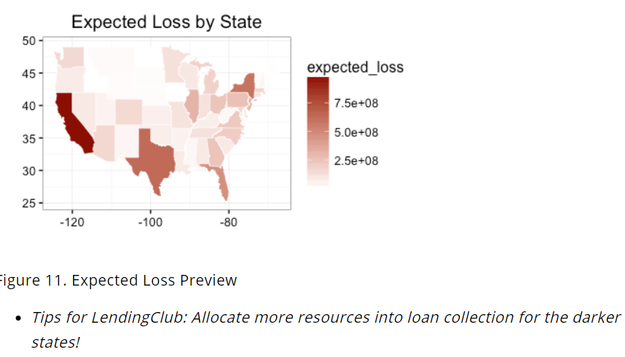
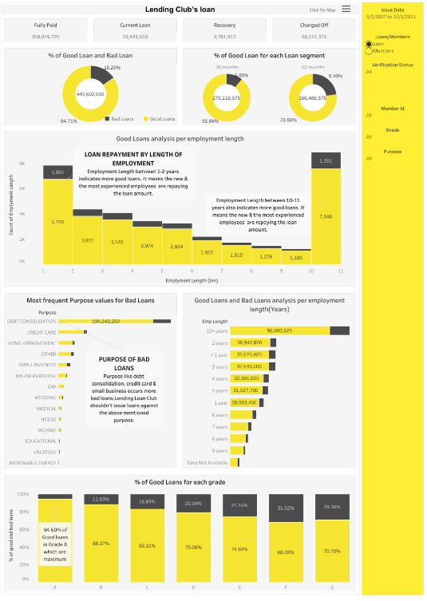
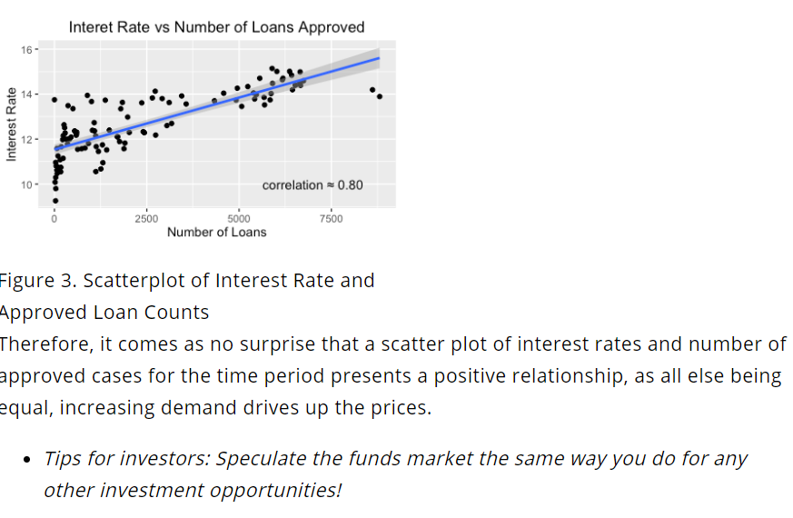
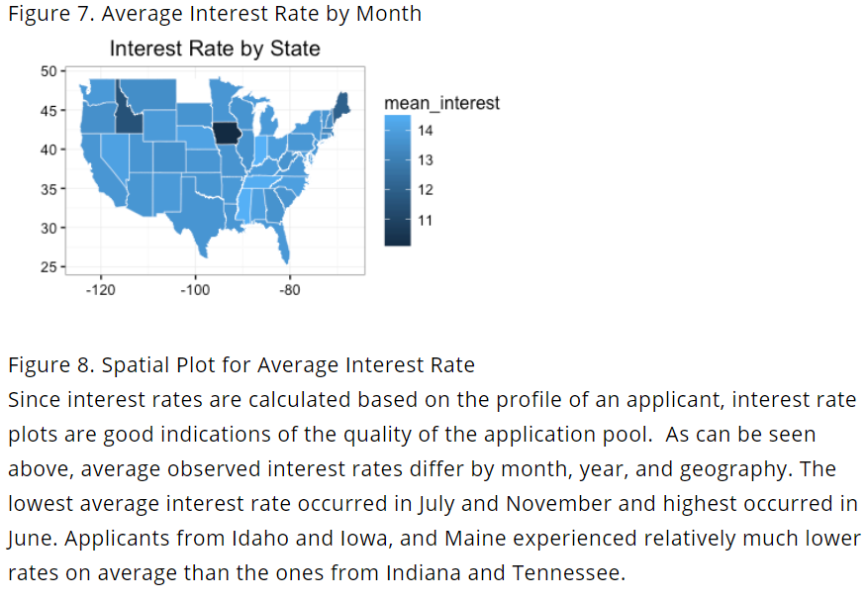

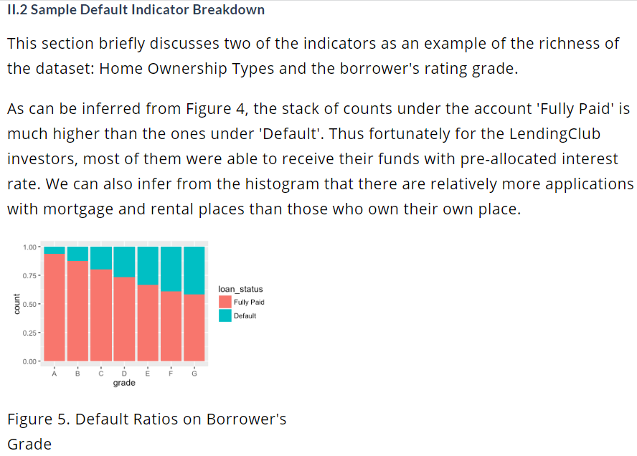
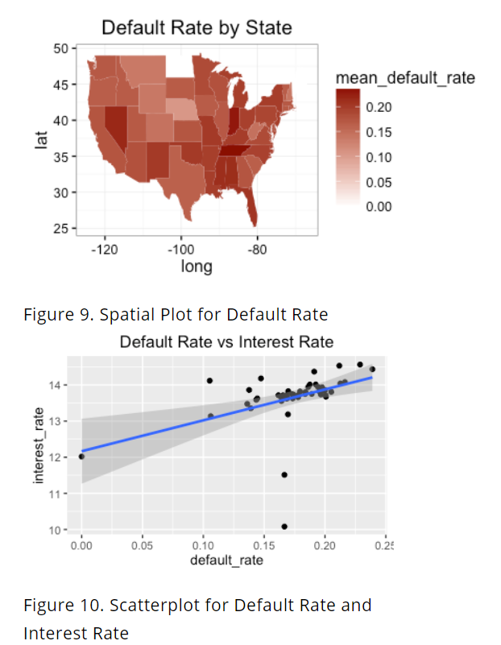

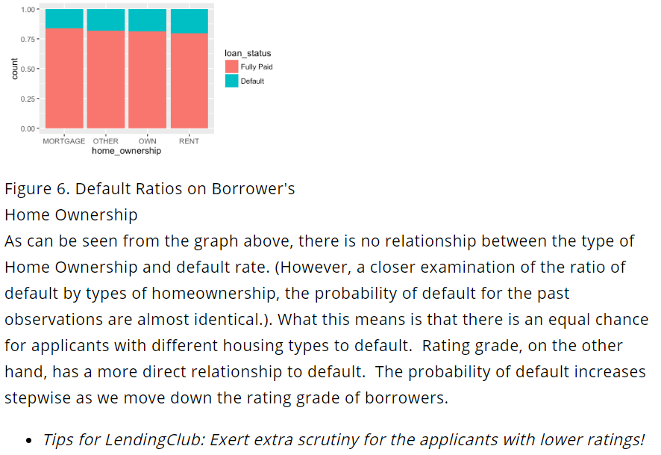

II.4 An Example of Expected Loss Prediction

Last but not the least, to demonstrate the predictive power of the dataset, this section presents an application of logistic regression to estimate the expected loss using the segmented data on loans whose status are listed as 'Current'.

The expected loss is defined by the following equation:

CodeCogsEqn (1)

where the expected loss for state is the summation of each probability of default times the payment gap,
defined as the difference between total amount of the loan and the amount already paid at a specific point in time.
The probability of default is obtained by matrix transformation based on the parameters estimated from a training set, with variables as annual income,
funded amount, home ownership, borrower's grade and the amount of the installment. The logit probability cut off is set at 0.7 for visualization effects. The results, based on the model assumptions, show that the states of
California, Texas, New York and Florida are the ones with heaviest risk of large losses, whereas the mid-west states present a much more optimistic loan payment expectation.

