工作表1
1
Name | itriTopology
Image & initialization | 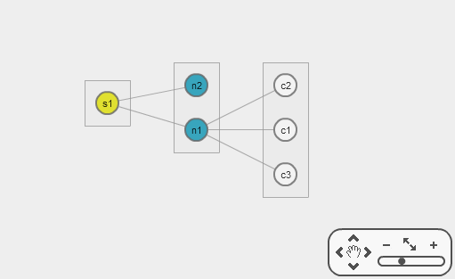 | var options = { swfPath : "../swf/CytoscapeWeb", flashInstallerPath : "../swf/playerProductInstall", flashAlternateContent : "Le Flash Player est nécessaire.", drawOptions:{ network:{ dataSchema:{ nodes: [ {id: "type", name: "type", type: "string" } ] } } } }; var $vis =$.itriTopology("cytoscapeweb", options);
Dependency | jQuery, CytoscapeWeb
Component file | itriTopology.js
Base component | Cytoscape Web

Extended init Options (...)
name | type | default | desc.
drawOptions | Object | (…) | default draw options. Ref: CytoscapeWeb draw api
onDrawStart | Function | function(){} //do nothing | Register a function to be called after a draw method.
onReady | Function | function(){} //do nothing | Register a function to be called after a draw executed.

Extended Method
name | example | parameter and return | desc.
drawData(data) | (…) | data: {nodes:[...], edges:[...]} | Draw topology by two arrays within nodes and edges
drawStart(fn) | $vis.drawStart(function(){...}) | fn: callback function for draw start state | Register a function to be called after a draw method is called
updateDrawOptions(opt) | (…) | opt: options | Used to update the draw options. Ref: CytoscapeWeb draw api
getDrawOptions() | $vis.getDrawOptions() | returna object within all draw options | Get the draw options
getDefaultOptions() | $vis.getDefaultOptions() | returna object within all default options | Get all the default options
getCurrentOptions | $vis.getCurrentOptions() | returna object within all current options | Get all the options included the options added by updateDrawOptions method
addSchema(data) | (...) | data: {nodes:[...], edges:[...]} | add the schema
newSchema(data) | (...) | data: {nodes:[...], edges:[...]} | update to the new schema
getSchema() | (...) | return schema obj : {nodes:[...], edges:[...]} | get the current schema

Extended Layout: "Group" & options (…)
name | type | default | desc.
groupNodes | Array of Group parent nodes (...) | undefined | groupNodes is a node array within the group parent nodes
groupBy | String | undefined | Setting which the attribute of node will be used for grouping. Ex: "deviceType"
drawGroupNodes | Boolean | undefined | Draw the group parent group nodes or not. (If not, children nodes also will be drawn.)

Group parent node options (...)
name | type | default | desc.
x | Int | undefined | x coordinate
y | Int | undefined | y coordinate
data | Object : Group parent node data | undefined | Group parent node's data

Group parent node's data (...)
name | type | default | desc.
containGroup | String | undefined | Determine which nodes will be collected in this group.
type | String | undefined | always be "group"
posAlgorithm | String | undefined | How to put the nodes in the goupe, allow following value: "linear", "circle", "spiral", "vlinear"

