Utility_Costs
Formula to calculate the Utiity Costs
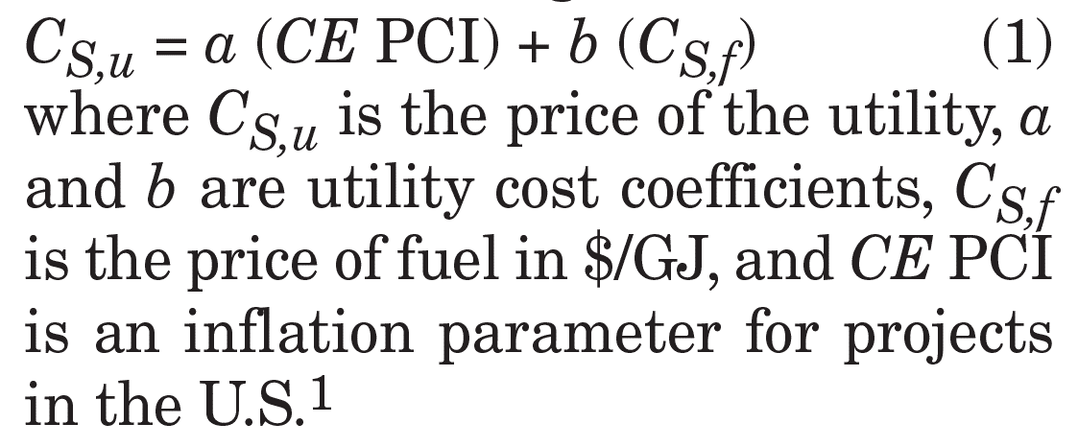

Utility | Remarks | Price
Electricity ($/kWh) | Purchased from Outside | 0.132
 | Onside power charged to process module | 0.144
 | Onsite power charged to grass-roots plants | 0.126
Compressed Air ($/Nm3) | Process Module | #DIV/0!
 | Grass-roots plants | #DIV/0!
Instrument Air ( $/std Nm3) | Process Module | 0.083
 | Grass-roots plants | 0.077
Process Steam ($/kg) | Process Module | 0.025
 | Grass-roots plants | 0.025
Cooling water ($/m3) | Process Module | 0.081
 | Grass-roots plants | 0.062
Demineralized Water ($/m3) | Process Module | #DIV/0!
 | Grass-roots plants | #DIV/0!
Drinking water ($/m3) | Process Module | #DIV/0!
 | Grass-roots plants | #DIV/0!
Natural Water ($/m3) | Process Module | 0.087
 | Grass-roots plants | 0.065
Refrigerant ($/kJ) | Process Module | #DIV/0!
 | Grass-roots plants | #DIV/0!
Hot Water, hot oil ($/kJ) | Process Module | 0.000053
 | Grass-roots plants | 0.000046
Wastewater Treatment - Primary ($/m3) | Process Module | #DIV/0!
 | Grass-roots plants | #DIV/0!
Wastewater Treatment - Secondary ($/m3) | Process Module | #DIV/0!
 | Grass-roots plants | #DIV/0!
Wastewater Treatment - Tertiary ($/m3) | Process Module | #DIV/0!
 | Grass-roots plants | #DIV/0!
Liquid/solid Waste Disposal - Conventional solid or liquid wastes ($/kg) | Process Module | 0.243
 | Grass-roots plants | 0.182
Liquid/solid Waste Disposal - Toxic or hazardous solid or liquid wastes ($/kg) | Process Module | 1.519
 | Grass-roots plants | 1.215
Liquid/solid Waste Disposal - Combustion as supplementary fuel ($/kg) | Process Module | #DIV/0!
 | Grass-roots plants | #DIV/0!
Liquid/solid Waste Disposal - Combustion as supplementary fuel with gas cleaning ($/kg) | Process Module | #DIV/0!
 | Grass-roots plants | #DIV/0!

