monthlyUSsalesPOS
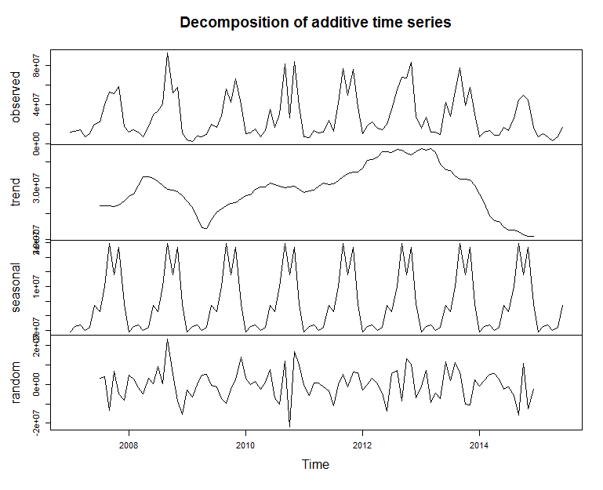
MONTH | SHIP | POS
2007-01-01 | $12,168,877 | 15498325
2007-02-01 | $12,641,962 | 16481249
2007-03-01 | $14,614,966 | 14567097
2007-04-01 | $6,817,320 | 16368855
2007-05-01 | $9,997,262 | 10477479
2007-06-01 | $19,553,841 | 11979440
2007-07-01 | $22,666,202 | 16823906
2007-08-01 | $40,229,470 | 14435155
2007-09-01 | $52,438,022 | 22198163
2007-10-01 | $50,667,224 | 23957774
2007-11-01 | $58,278,951 | 94788287
2007-12-01 | $17,305,027 | 131951355
2008-01-01 | $12,136,347 | 13326425
2008-02-01 | $14,305,418 | 14061479
2008-03-01 | $12,281,791 | 18231408
2008-04-01 | $7,200,002 | 10245856
2008-05-01 | $17,536,259 | 10217870
2008-06-01 | $29,212,079 | 14973295
2008-07-01 | $33,270,619 | 13694242
2008-08-01 | $40,776,470 | 18697224
2008-09-01 | $92,307,921 | 16452249
2008-10-01 | $52,209,644 | 23126461
2008-11-01 | $57,143,556 | 102078501
2008-12-01 | $11,077,987 | 106607964
2009-01-01 | $3,669,877 | 14051992
2009-02-01 | $2,528,749 | 15071264
2009-03-01 | $7,771,570 | 16887950
2009-04-01 | $6,820,490 | 13293073
2009-05-01 | $9,208,141 | 12821012
2009-06-01 | $20,127,933 | 11208083
2009-07-01 | $16,860,899 | 13297870
2009-08-01 | $28,670,229 | 16414835
2009-09-01 | $55,989,614 | 15610914
2009-10-01 | $41,971,529 | 20291240
2009-11-01 | $65,961,451 | 107515963
2009-12-01 | $40,158,062 | 111370975
2010-01-01 | $10,592,116 | 18098166
2010-02-01 | $11,446,432 | 16886160
2010-03-01 | $14,906,205 | 16090204
2010-04-01 | $7,379,863 | 10433198
2010-05-01 | $13,515,043 | 13156291
2010-06-01 | $35,365,381 | 11650818
2010-07-01 | $16,584,812 | 13051030
2010-08-01 | $30,353,151 | 17912133
2010-09-01 | $81,316,144 | 17330952
2010-10-01 | $26,134,447 | 32964245
2010-11-01 | $83,692,406 | 106846502
2010-12-01 | $37,886,686 | 118347902
2011-01-01 | $7,477,484 | 19845766
2011-02-01 | $6,619,421 | 18658062
2011-03-01 | $13,821,040 | 15061267
2011-04-01 | $10,885,292 | 14773559
2011-05-01 | $11,662,627 | 13641203
2011-06-01 | $24,208,746 | 11982282
2011-07-01 | $12,653,037 | 15992491
2011-08-01 | $41,165,818 | 14985668
2011-09-01 | $76,360,642 | 19627523
2011-10-01 | $49,142,396 | 50089709
2011-11-01 | $76,119,761 | 111560784
2011-12-01 | $37,139,527 | 124415241
2012-01-01 | $10,079,852 | 25711793
2012-02-01 | $17,990,703 | 20604268
2012-03-01 | $22,262,887 | 19705561
2012-04-01 | $16,133,541 | 21416458
2012-05-01 | $14,689,748 | 14092802
2012-06-01 | $20,243,047 | 14364409
2012-07-01 | $35,335,923 | 19407629
2012-08-01 | $54,657,213 | 18062657
2012-09-01 | $68,188,671 | 33908475
2012-10-01 | $67,353,302 | 41768778
2012-11-01 | $83,315,619 | 124043730
2012-12-01 | $28,088,297 | 148144423
2013-01-01 | $15,635,241 | 15802542
2013-02-01 | $27,148,492 | 21974126
2013-03-01 | $11,667,632 | 24995424
2013-04-01 | $12,147,310 | 12175962
2013-05-01 | $9,269,832 | 11152943
2013-06-01 | $42,074,316 | 15914238
2013-07-01 | $27,980,719 | 14193010
2013-08-01 | $53,213,910 | 15883380
2013-09-01 | $77,190,391 | 26249119
2013-10-01 | $39,099,328 | 27841025
2013-11-01 | $57,410,006 | 86334309
2013-12-01 | $30,678,986 | 127919178
2014-01-01 | $7,033,321 | 10761413
2014-02-01 | $12,039,976 | 17257665
2014-03-01 | $13,487,795 | 16228970
2014-04-01 | $9,051,380 | 11194342 | -25%
2014-05-01 | $8,500,464 | 8247757 | -8%
2014-06-01 | $16,947,970 | 11675779 | -60%
2014-07-01 | $13,500,110 | 11355551 | -52%
2014-08-01 | $26,100,515 | 13271881 | -51%
2014-09-01 | $45,045,062 | 15100421 | -42%
2014-10-01 | $49,294,261 | 18855336 | 26%
2014-11-01 | $44,853,647 | 68810619 | -22%
2014-12-01 | $16,329,381 | 71445096 | -47%
2015-01-01 | $6,956,441 | 7343557 | -1%
2015-02-01 | $10,639,299 | 11234053 | -12%
2015-03-01 | $7,476,163 | 13261484 | -45%
2015-04-01 | $3,414,581 | 7717998 | -62%
2015-05-01 | $6,826,987 | 10309880 | -20%
2015-06-01 | $16,453,769 | 6124249 | -3% | Point.Forecast | Lo.80 | Hi.80 | Lo.95 | Hi.95 |  | Point.Forecast | Lo.80 | Hi.80 | Lo.95 | Hi.95
Jul-15 | $13,638,211 | 8,837,002 | 1% |  | 8,678,493 | 18,597,929 | 6,052,977 | 21,223,445 | Jul-15 | 8,837,002 | 6,898,168 | 10,775,836 | 5,871,811 | 11,802,193
Aug-15 | $22,955,881 | 9,762,528 | -12% |  | 14,163,666 | 31,748,095 | 9,509,349 | 36,402,413 | Aug-15 | 9,762,528 | 7,609,956 | 11,915,099 | 6,470,454 | 13,054,601
Sep-15 | $40,456,499 | 11,804,878 | -10% |  | 24,210,710 | 56,702,288 | 15,610,708 | 65,302,290 | Sep-15 | 11,804,878 | 9,173,571 | 14,436,185 | 7,780,641 | 15,829,115
Oct-15 | $27,993,961 | 16,866,339 | -43% |  | 16,252,182 | 39,735,740 | 10,036,459 | 45,951,463 | Oct-15 | 16,866,339 | 13,037,133 | 20,695,545 | 11,010,074 | 22,722,604
Nov-15 | $36,889,490 | 53,972,312 | -18% |  | 20,779,007 | 52,999,973 | 12,250,633 | 61,528,348 | Nov-15 | 53,972,312 | 41,385,858 | 66,558,765 | 34,722,993 | 73,221,631
Dec-15 | $16,362,472 | 70,794,430 | 0% |  | 8,942,413 | 23,782,532 | 5,014,471 | 27,710,474 | Dec-15 | 70,794,430 | 53,690,166 | 87,898,694 | 44,635,715 | 96,953,145
Jan-16 | $5,778,582 | 8,878,680 | -17% |  | 3,063,981 | 8,493,184 | 1,626,957 | 9,930,207 | Jan-16 | 8,878,680 | 6,638,418 | 11,118,941 | 5,452,496 | 12,304,864
Feb-16 | $8,046,377 | 9,487,045 | -24% |  | 4,138,747 | 11,954,007 | 2,070,172 | 14,022,581 | Feb-16 | 9,487,045 | 6,969,937 | 12,004,153 | 5,637,460 | 13,336,630
Mar-16 | $8,100,081 | 9,685,117 | 8% |  | 4,040,902 | 12,159,260 | 1,892,102 | 14,308,060 | Mar-16 | 9,685,117 | 6,968,415 | 12,401,819 | 5,530,279 | 13,839,954
Apr-16 | $5,421,471 | 7,078,154 | 59% |  | 2,622,508 | 8,220,435 | 1,140,826 | 9,702,116 | Apr-16 | 7,078,154 | 4,970,949 | 9,185,359 | 3,855,462 | 10,300,846
May-16 | $7,066,101 | 6,635,224 | 4% |  | 3,313,255 | 10,818,946 | 1,326,619 | 12,805,582 | May-16 | 6,635,224 | 4,533,589 | 8,736,860 | 3,421,051 | 9,849,398
Jun-16 | $15,646,159 | 6,716,486 | -5% |  | 7,108,831 | 24,183,488 | 2,589,442 | 28,702,877 | Jun-16 | 6,716,486 | 4,450,316 | 8,982,655 | 3,250,678 | 10,182,293
 |  |  |  |  |  |  |  |  |  | 224,240,456
FY15 | $254,694,693 | $261,795,876 |  |  | $130,965,437 | $282,868,346 | $90,759,166 | $323,074,618
FY16 | $206,916,892 | $224,240,456 |  |  | -49% | 11% | -64% | 27%
 | -19% | -14%

 |  |  |  |  |  |  |  |  | Point Forecast Lo 80 Hi 80 Lo 95 Hi 95 | Point.Forecast | Lo.80 | Hi.80 | Lo.95 | Hi.95
 |  |  |  |  |  |  |  |  | Jul | 22613333 | -14796514 | 60023180 | -34600091 | 79826757
 |  |  |  |  |  |  |  |  | Aug | 34221579 | -9776475 | 78219633 | -33067637 | 101510795
 |  |  |  |  |  |  |  |  | Sep | 35890329 | -8145306 | 79925965 | -31456364 | 103237023
 |  |  |  |  |  |  |  |  | Oct | 33039141 | -11491788 | 77570069 | -35065038 | 101143319
 |  |  |  |  |  |  |  |  | Nov | 30715710 | -14063482 | 75494901 | -37768155 | 99199574
 |  |  |  |  |  |  |  |  | Dec | 30231410 | -14553234 | 75016054 | -38260793 | 98723613
 |  |  |  |  |  |  |  |  | Jan | 30709045 | -14090182 | 75508273 | -37805461 | 99223551
 |  |  |  |  |  |  |  |  | Feb | 31166781 | -13642337 | 75975898 | -37362851 | 99696413
 |  |  |  |  |  |  |  |  | Mar | 31290323 | -13519242 | 76099889 | -37239994 | 99820640
 |  |  |  |  |  |  |  |  | Apr | 31213640 | -13596332 | 76023613 | -37317299 | 99744580
 |  |  |  |  |  |  |  |  | May | 31124830 | -13685525 | 75935186 | -37406695 | 99656355
 |  |  |  |  |  |  |  |  | Jun | 31095511 | -13714874 | 75905895 | -37436058 | 99627080
 |  |  |  |  |  |  |  |  |  | 304,029,778 | (89,926,433) | 697,985,989 | (298,474,257) | 906,533,812

