Sheet1
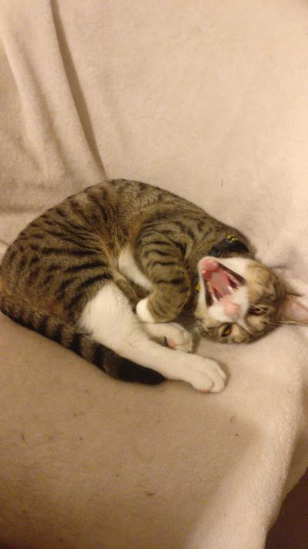
subreddit | created | created_utc | title | url | image
kittens | 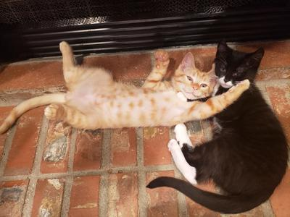 Thu Jan 2 04:59:19 2020 | 1577941159 | He looks at us like we're the weird ones. 😂 | https://i.redd.it/iq39s0lora841.jpg
kittens | Thu Jan 2 02:08:01 2020 | 1577930881 | Mid Yawn | https://i.redd.it/cemb9bt3x9841.jpg
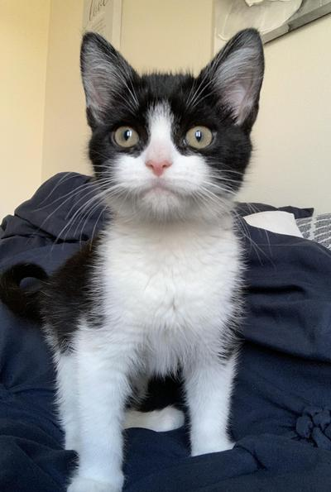
kittens | Thu Jan 2 01:42:17 2020 | 1577929337 | Adopted a new baby 23 hours ago. This is Sylvie! | https://i.redd.it/ms7n015js9841.jpg
kittens | 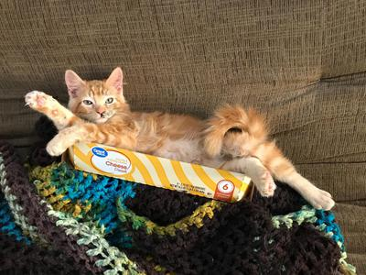 Thu Jan 2 01:21:00 2020 | 1577928060 | When you party too hard on New Years and wake up in a box... | https://i.redd.it/po19ruhqo9841.jpg
kittens | Wed Jan 1 21:46:29 2020 | 1577915189 | This is my friend’s cat named Dusty. He gets frightened very easily. | https://i.redd.it/sq4pfasgm8841.jpg
kittens | 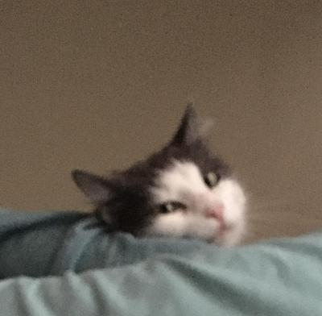 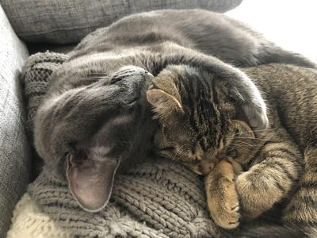 Wed Jan 1 21:03:19 2020 | 1577912599 | How Freyja and Miya sleep after “helping” me bake this morning. (They were very interested in the whole process and kept trying to get into the doughs.) | https://i.redd.it/y2bygpkre8841.jpg
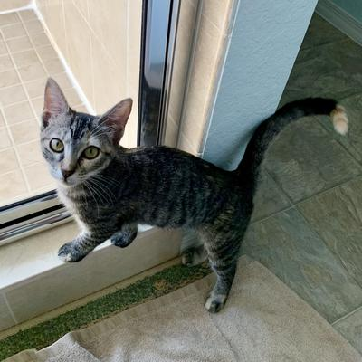
kittens | Wed Jan 1 20:15:01 2020 | 1577909701 | my sweet child❣️ | https://i.redd.it/z78bi48568841.jpg
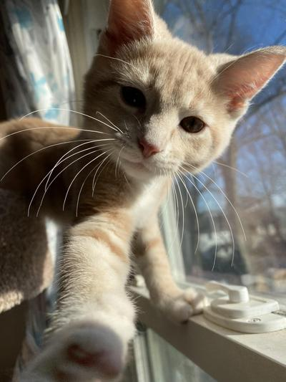
kittens | Wed Jan 1 20:08:07 2020 | 1577909287 | Hey!! Happy New Year!!! 😻 | https://i.redd.it/ef93a9kw48841.jpg
kittens | 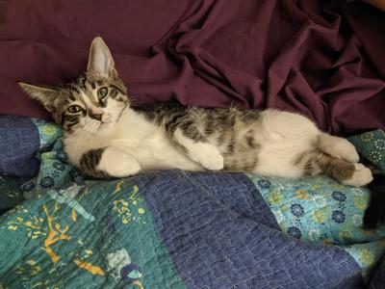 Wed Jan 1 19:20:37 2020 | 1577906437 | "Draw me like one of your French girls" | https://i.redd.it/s29az6ifw7841.jpg
kittens | Wed Jan 1 19:20:28 2020 | 1577906428 | "Draw me like one of your French girls" | https://i.redd.it/bcknz0new7841.jpg
kittens | Wed Jan 1 19:20:16 2020 | 1577906416 | "Draw me like one of your French girls" | https://i.redd.it/wmmtp5cdw7841.jpg
kittens | Wed Jan 1 19:20:07 2020 | 1577906407 | "Draw me like one of your French girls" | https://i.redd.it/mzwsmq8cw7841.jpg
kittens | Wed Jan 1 19:19:51 2020 | 1577906391 | "Draw me like one of your French girls" | https://i.redd.it/t5dybnpaw7841.jpg
kittens | Wed Jan 1 19:19:38 2020 | 1577906378 | "Draw me like one of your French girls" | https://i.redd.it/bpaiju59w7841.jpg
kittens | Wed Jan 1 19:19:13 2020 | 1577906353 | "Draw me like one of your French girls" | https://i.redd.it/cfthgwl6w7841.jpg
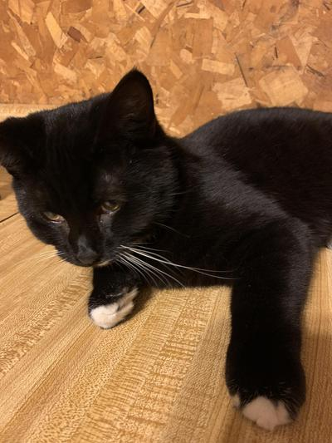
kittens | Wed Jan 1 18:47:42 2020 | 1577904462 | My Bobtail Kitten | https://i.redd.it/95u29rckq7841.jpg
kittens | Wed Jan 1 18:31:30 2020 | 1577903490 | My bobtail Kitten 🐱 | https://i.redd.it/97k2x49on7841.jpg
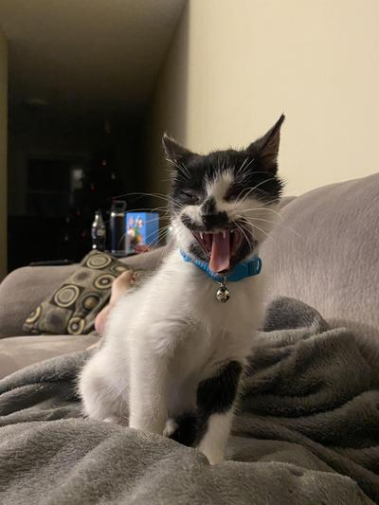
kittens | Wed Jan 1 18:30:54 2020 | 1577903454 | Miss Moo! She looks scary but, she’s such a cuddle bug! 12 weeks old. | https://i.redd.it/cv0vvenkn7841.jpg
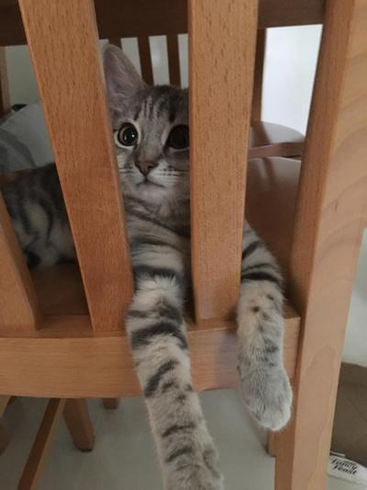
kittens | Wed Jan 1 15:50:40 2020 | 1577893840 | Are you in jail? | https://i.redd.it/jwm3iwxyu6841.jpg
kittens | 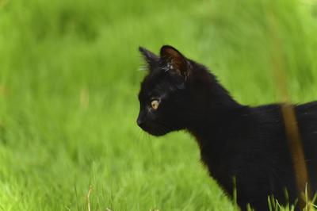 Wed Jan 1 06:39:22 2020 | 1577860762 | Kitty in the wild | https://i.redd.it/arjyetem44841.jpg

