Sheet1
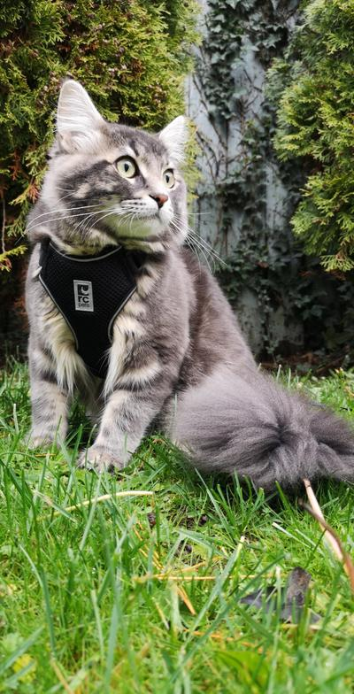
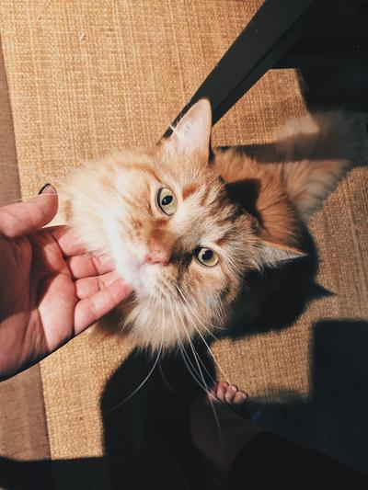
subreddit | created | created_utc | title | url | image
mainecoons | Thu Jan 2 04:42:46 2020 | 1577940166 | My boy enjoying outside | https://i.redd.it/j87nkgfqoa841.jpg
mainecoons | Thu Jan 2 04:36:21 2020 | 1577939781 | My Maine Coon, Leo, wanting something attention after watching me scroll through my phone :) | https://i.redd.it/vuq002clna841.jpg
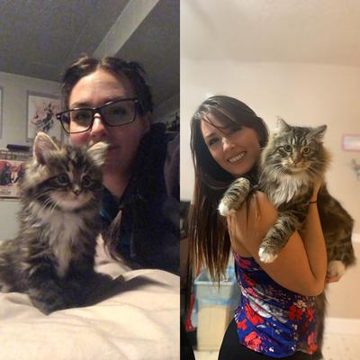
mainecoons | Thu Jan 2 02:17:28 2020 | 1577931448 | Charlie was only 8 weeks old when we got him January 1st 2019. He’s grown to be a big fluffy kitty! | https://i.redd.it/oawvte8ty9841.jpg
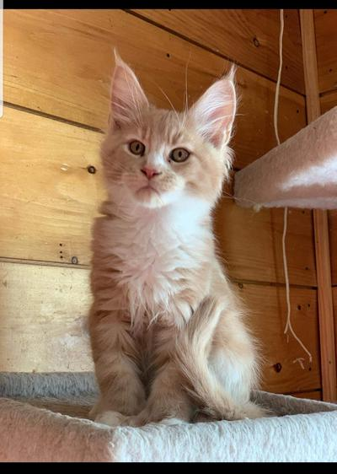
mainecoons | Wed Jan 1 21:29:50 2020 | 1577914190 | Four days till pick up! He's joining his brother from another litter. They're 13 months apart. ❤ | https://i.redd.it/2ad0fpuhj8841.jpg
mainecoons | Wed Jan 1 21:15:03 2020 | 1577913303 | Miyu used bite, it was super effective! | https://i.redd.it/ibo66nnlg8841.jpg
mainecoons | 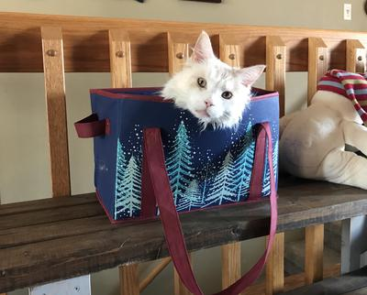 Wed Jan 1 20:24:10 2020 | 1577910250 | Look, I found a new place to Sitz. | https://i.redd.it/b0p38v4s78841.jpg
mainecoons | Wed Jan 1 20:22:20 2020 | 1577910140 | He found a place to Sitz. | https://i.redd.it/muyl60cg78841.jpg
mainecoons | 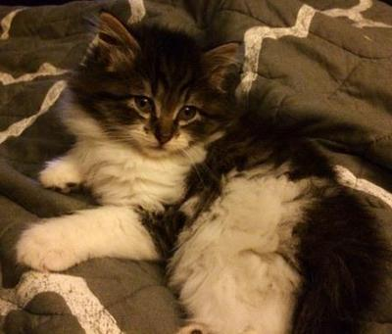 Wed Jan 1 20:15:08 2020 | 1577909708 | Finley was the cutest kitten in the world. | https://i.redd.it/iss7pu8668841.jpg
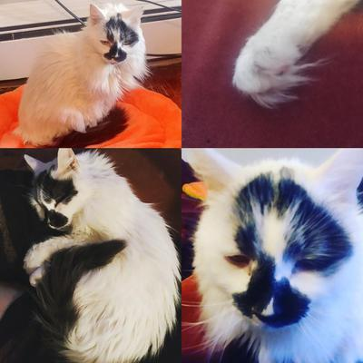
mainecoons | Wed Jan 1 19:16:47 2020 | 1577906207 | Possible Maine Coon cross? | https://i.redd.it/cuoc238rv7841.jpg
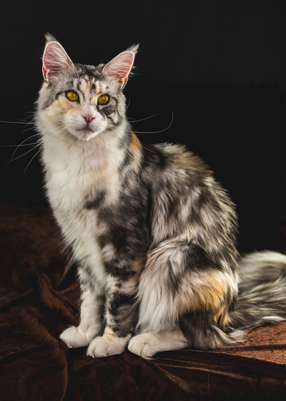
mainecoons | Wed Jan 1 17:56:22 2020 | 1577901382 | Titiyo, first picture of 2020 ❤️ | https://i.redd.it/dprfy6ceh7841.png
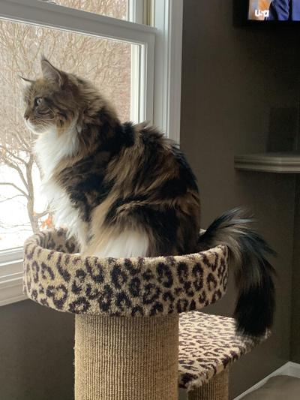
mainecoons | Wed Jan 1 16:00:19 2020 | 1577894419 | New Years birdies | https://i.redd.it/fi34t8hpw6841.jpg
mainecoons | 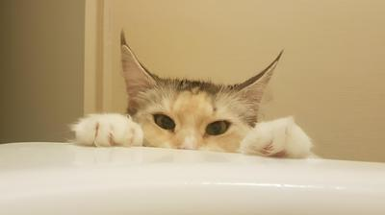 Wed Jan 1 15:02:14 2020 | 1577890934 | Opale, a year and a half, asking for me to get out of the bath to play | https://i.redd.it/wzgve6dcm6841.jpg
mainecoons | Wed Jan 1 08:11:50 2020 | 1577866310 | First sunrise 2020. | https://i.redd.it/sw3d3ac4l4841.jpg

