ACB125
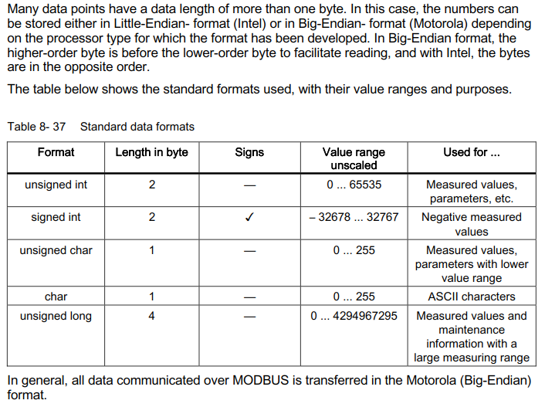
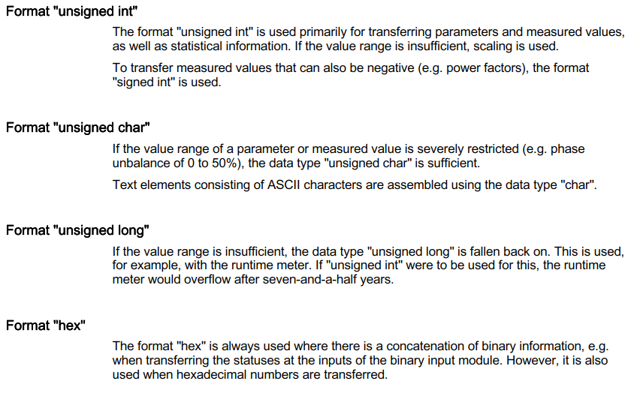
3WL 采集数据点（一期）
测量数据
序号 | 界面显示 （用户可以自定义）此处为default值 | 中文描述 | 英文描述 | Unit | Modbus地址 （DEC） | Bit位 | Bit长度 | 参数值 | 数据类型（集成标准格式， 用户可选择） | 采样频率 | 保留时间 | 是否记录 （用用户可以自定义），此处为default值 | 设置越限告警 （上限或下限），用户可以自由定义，此处为default值 | 备注
1 | A相电流 | A相电流 | Current in phase L1 | A | 24070 |  |  |  | unsigned int | 十五分钟同步 | 一天 | N | Y
2 | B相电流 | B相电流 | Current in phase L2 | A | 24071 |  |  |  | unsigned int | 十五分钟同步 | 一天 | N | Y
3 | C相电流 | C相电流 | Current in phase L3 | A | 24072 |  |  |  | unsigned int | 十五分钟同步 | 一天 | N | Y
4 | 线电压UAB | 线电压UAB | Phase-to-phase voltage between phase L1 and L2 | V | 24077 |  |  |  | unsigned int | 十五分钟同步 | 一天 | N | Y
5 | 线电压UBC | 线电压UBC | Phase-to-phase voltage between phase L2 and L3 | V | 24078 |  |  |  | unsigned int | 十五分钟同步 | 一天 | N | Y
6 | 线电压UCA | 线电压UCA | Phase-to-phase voltage between phase L3 and L1 | V | 24079 |  |  |  | unsigned int | 十五分钟同步 | 一天 | N | Y
7 | A相电压 | A相电压 | Neutrual point voltage phase L1 | V | 24080 |  |  |  | unsigned int | 十五分钟同步 | 一天 | N | N
8 | B相电压 | B相电压 | Neutrual point voltage phase L2 | V | 24081 |  |  |  | unsigned int | 十五分钟同步 | 一天 | N | N
9 | C相电压 | C相电压 | Neutrual point voltage phase L3 | V | 24082 |  |  |  | unsigned int | 十五分钟同步 | 一天 | N | N
10 | 三相有功功率 | 三相有功功率 | Total active power | W | 24086 |  |  |  | signed int | 十五分钟同步 | 一天 | Y | Y
11 | A相有功功率 | A相有功功率 | Active power in phase L1 |  | 24087 |  |  |  | signed int | 十五分钟同步 | 一天 | N | N
12 | B相有功功率 | B相有功功率 | Active power in phase L2 |  | 24088 |  |  |  | signed int | 十五分钟同步 | 一天 | N | N
13 | C相有功功率 | C相有功功率 | Active power in phase L3 |  | 24089 |  |  |  | signed int | 十五分钟同步 | 一天 | N | N
14 | 三相无功功率 | 三相无功功率 | Total reactive power | var | 24090 |  |  |  | signed int | 十五分钟同步 | 一天 | Y | Y
15 | A相无功功率 | A相无功功率 | Reactive power in phase L1 |  | 24103 |  |  |  | signed int | 十五分钟同步 | 一天 | N | N
16 | B相无功功率 | B相无功功率 | Reactive power in phase L1 |  | 24104 |  |  |  | signed int | 十五分钟同步 | 一天 | N | N
17 | C相无功功率 | C相无功功率 | Reactive power in phase L1 |  | 24105 |  |  |  | signed int | 十五分钟同步 | 一天 | N | N
18 | 三相视在功率 | 三相视在功率 | Total apparent power | VA | 24085 |  |  |  | signed int | 十五分钟同步 | 一天 | Y | Y
19 | A相视在功率 | A相视在功率 | Apparent power in phase L1 |  | 24096 |  |  |  | signed int | 十五分钟同步 | 一天 | N | N
20 | B相视在功率 | B相视在功率 | Apparent power in phase L12 |  | 24097 |  |  |  | signed int | 十五分钟同步 | 一天 | N | N
21 | C相视在功率 | C相视在功率 | Apparent power in phase L13 |  | 24098 |  |  |  | signed int | 十五分钟同步 | 一天 | N | N
22 | 三相功率因数 | 三相功率因数 | Mean value of power factor | #.# | 24114 |  |  |  | signed int | 十五分钟同步 | 一天 | Y | Y
23 | A相功率因数 | A相功率因数 | Power factor in phase L1 |  | 24115 |  |  |  | signed int | 十五分钟同步 | 一天 | N | N
24 | B相功率因数 | B相功率因数 | Power factor in phase L2 |  | 24116 |  |  |  | signed int | 十五分钟同步 | 一天 | N | N
25 | C相功率因数 | C相功率因数 | Power factor in phase L3 |  | 24117 |  |  |  | signed int | 十五分钟同步 | 一天 | N | N
26 | 频率 | 频率 | Frequency | Hz | 24118 |  |  |  | unsigned int | 十五分钟同步 | 一天 | Y | Y
27 | 正向有功电度（kwh） | 正向有功电度（kwh） | Active energy in normal direction（kWh） |  | 24123 |  |  |  | unsigned long | 一小时 | 永久 | Y | N
28 | 反向有功电度（kwh） | 反向有功电度（kwh） | Active energy in reverse direction（kWh） |  | 24125 |  |  |  | unsigned long | 一小时 | 永久 | Y | N
29 | 正向无功电度（kwh） | 正向无功电度（kwh） | Reactive energy in normal direction（kWh） |  | 24127 |  |  |  | unsigned long | 一小时 | 永久 | Y | N
30 | 反向无功电度（kwh） | 反向无功电度（kwh） | Reactive energy in reverse direction（kWh） |  | 24129 |  |  |  | unsigned long | 一小时 | 永久 | Y | N

运行数据（1）
序号 | 界面显示 （用户可以自定义）此处为default值 | 中文描述 | 英文描述 |  | Modbus地址 （DEC） | Bit位 |  | 参数值 | 数据类型（集成标准格式， 用户可选择） | 采样频率 | 保留时间 | 是否记录 （用用户可以自定义），此处为default值 | 设置越限告警 （上限或下限），用户可以自由定义，此处为default值 | 备注
1 | 脱扣次数 | 脱扣次数 | Number of switching operations caused by trips |  | 23298 |  |  |  | unsigned int | 十五分钟同步 | 永久 | Y | N
2 | 短路速断动作次数 | 短路速断动作次数 | Number of short-circuit trips (SI) |  | 23306 |  |  |  | unsigned int | 十五分钟同步 | 永久 | Y | N
3 | 过载保护动作次数 | 过载保护动作次数 | Number of overload trips (L) |  | 23307 |  |  |  | unsigned int | 十五分钟同步 | 永久 | Y | N
4 | 接地故障动作次数 | 接地故障动作次数 | Number of ground-fault tripping operations (G) |  | 23308 |  |  |  | unsigned int | 十五分钟同步 | 永久 | Y | N
5 | 断路器控制隔室温度 | 断路器控制隔室温度 | Temperature in the control cabinet (measured in the COM16) |  | 24122 | 0~7 |  |  | unsigned char | 十五分钟同步 | 永久 | N | Y
6 | 断路器室温度 | 断路器室温度 | Temperature in circuit breaker (measured in the BSS) |  | 24123 | 8~15 |  |  | unsigned char | 十五分钟同步 | 永久 | N | Y
7 | 主触头健康 | 主触头健康 | No maintenance necessary |  | 23317 | 0~7 |  | 0 |  | 十五分钟同步 | 永久 | N | Y
8 | 主触头需要检测 | 主触头需要检查 | Perform immediate visual inspection |  | 23317 | 0~7 |  | 1 |  | 十五分钟同步 | 永久 | N | Y
9 | 主触头需要维护 | 主触头需要维护 | Prepare maintenance of the |  | 23317 | 0~7 |  | 2 |  | 十五分钟同步 | 永久 | N | Y
10 |  | 触头磨损率 |  |  |  |  |  | 0% ~100% |  | 实时 |  |  |  | 数据从MindSphere 的API调取，APP中用仪表盘和数值显示
11 |  | 剩余寿命 |  |  |  |  |  | 0% ~100% |  | 实时
12 |  | 健康状态 |  |  |  |  |  | 3个离散值（正常状态、提示维修、警示抢修） |  | 实时

运行数据（2）
序号 | 界面显示 （用户可以自定义）此处为default值 | 描述 | 英文描述 |  | Modbus地址 | Bit 位 |  | 参数值 | 数据类型 | 告警等级和日志（告警等级用户自由定义），此处显示为default值 | 告警点是否在地图中显示 （用户可以自定义），此处显示default值 | 是否记录 （用用户可以自定义），此处为default值 | 告警规则 | 备注
1 | 断路器位置 | 分离位置 | Disconnected position |  | 1 | 0 | 2 | 00 | binary | Log | N | Y | 数字变化产生日志 | 信号是否告警，由用户选择
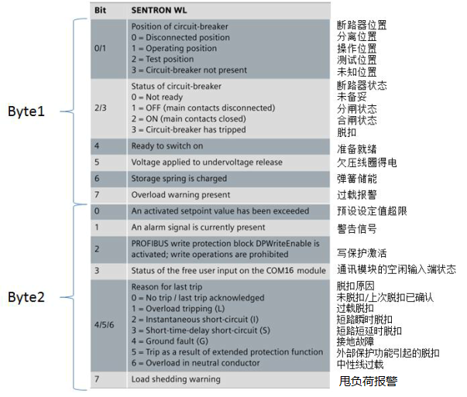
2 |  | 操作位置 | Connected position |  | 1 |  |  | 01 | binary | Log | N | Y | 数字变化产生日志
3 |  | 测试位置 | Test position |  | 1 |  |  | 10 | binary | Log | N | Y | 数字变化产生日志
4 |  | 未知位置 | Switch is not available |  | 1 |  |  | 11 | binary | Log | N | Y | 数字变化产生日志
5 | 断路器状态 | 未知状态 | Not ready |  | 1 | 2 | 2 | 00 | binary | Log | N | Y | 数字变化产生日志
6 |  | 分闸状态 | OFF |  | 1 |  |  | 01 | binary | Log | N | Y | 数字变化产生日志
7 |  | 合闸状态 | ON |  | 1 |  |  | 10 | binary | Log | N | Y | 数字变化产生日志
8 |  | 脱扣状态 | Switch has tripped |  | 1 |  |  | 11 | binary | Log | N | Y | 数字变化产生日志
9 | 合闸准备就绪 | 合闸准备就绪 | Ready-to-close signal available |  | 1 | 4 | 1 | 1 | binary | Log | N | Y | 数字变化产生日志
10 |  | 合闸未准备就绪 | Ready-to-close signal available |  | 1 |  |  | 0 | binary | Log | N | Y | 数字变化产生日志
11 | 欠压线圈得电 | 欠压线圈得电 | Undervoltage release |  | 1 | 5 | 1 | 1 | binary | L | Y，蓝色 | Y | 数字变化产生日志
12 |  | 欠压线圈失电 | Undervoltage release |  | 1 |  |  | 0 | binary | L | Y，蓝色 | Y | 数字变化产生日志
13 | 弹簧储能 | 弹簧已储能 | Spring energy store is compressed |  | 1 | 6 | 1 | 1 | binary | L | Y，蓝色 | Y | 数字变化产生日志
13 |  | 弹簧未储能 | Spring energy store is compressed |  | 1 |  |  | 0 | binary | L | Y，蓝色 | Y | 数字变化产生日志
14 | 过载告警 | 过载告警 | Overload warning present |  | 1 | 7 | 1 | 1 | binary | M | Y，黄色 | Y | 数字变化产生日志
14 |  | 过载告警返回 | Overload warning present |  | 1 |  |  | 0 | binary | M | Y，黄色 | Y | 数字变化产生日志
15 | 预设定值超限 | 预设定值超限 | An activated threshold has been exceeded |  | 1 | 8 | 1 | 1 | binary | M | Y，黄色 | Y | 数字变化产生日志
15 |  | 预设定值超限返回 | An activated threshold has been exceeded |  | 1 |  |  | 0 | binary | M | Y，黄色 | Y | 数字变化产生日志
16 | 报警产生 | 报警产生 | An alarm signal is currently present |  | 1 | 9 | 1 | 1 | binary | M | Y，黄色 | Y | 数字变化产生日志
16 |  | 报警返回 | An alarm signal is currently present |  | 1 |  |  | 0 | binary | M | Y，黄色 | Y | 数字变化产生日志
17 | 写保护功能投退 | 写功能激活 | Write protection disable deactivated, changes allowed |  | 1 | 10 | 1 | 1 | binary | L | Y，蓝色 | Y | 数字变化产生日志
17 |  | 写功能退出 | Write protection disable deactivated, changes allowed |  | 1 |  |  | 0 | binary | L | Y，蓝色 | Y | 数字变化产生日志
18 | 自定义开出状态 | 自定义开出动作 | Status of the free user output |  | 1 | 11 | 1 | 1 | binary | L | Y，蓝色 | Y | 数字变化产生日志
18 |  | 自定义开出返回 | Status of the free user output |  | 1 |  |  | 0 | binary | L | Y，蓝色 | Y | 数字变化产生日志
19 | 脱扣原因 | 未脱扣/脱扣已确认 | No tripping operation or last tripping operation acknowledged |  | 1 | 12 | 3 | 000 | binary | Log | N | Y | 数字变化产生日志
19 |  | 过载脱扣 | Overload tripping (L) |  | 1 |  |  | 001 | binary | H | Y, 红色 | Y | 数字变化产生日志
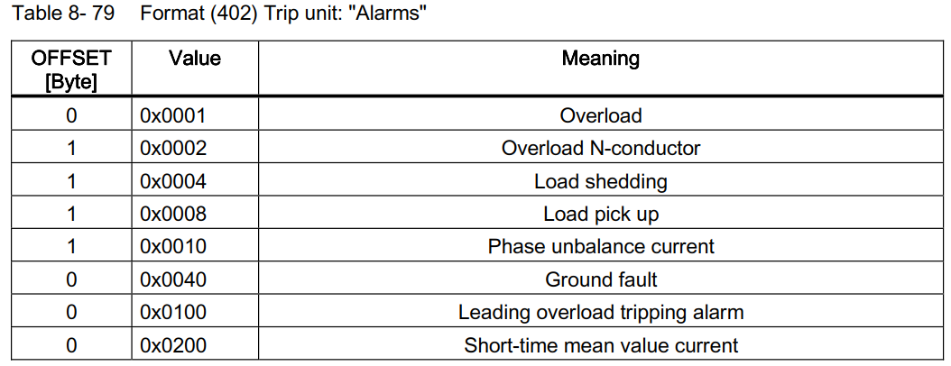
19 |  | 短路瞬时脱扣 | Instantaneous short circuit |  | 1 |  |  | 010 | binary | H | Y, 红色 | Y | 数字变化产生日志
19 |  | 短路短延时脱扣 | Short time-delayed short circuit (I) |  | 1 |  |  | 011 | binary | H | Y, 红色 | Y | 数字变化产生日志
19 |  | 接地故障脱扣 | Ground fault (G) |  | 1 |  |  | 100 | binary | H | Y, 红色 | Y | 数字变化产生日志
19 |  | 扩展保护脱扣 | Tripping operation as a result of extended protection function |  | 1 |  |  | 101 | binary | H | Y, 红色 | Y | 数字变化产生日志
19 |  | 中性线过载 | Overload in neutral conductor |  | 1 |  |  | 110 | binary | M | Y，黄色 | Y | 数字变化产生日志
20 | 甩负荷告警 | 甩负荷报警 | Load shedding alarm |  | 1 | 15 | 1 | 1 | binary | M | Y，黄色 | Y | 数字变化产生日志
20 |  | 甩负荷报警返回 | Load shedding alarm |  | 1 |  |  | 0 | binary | M | Y，黄色 | Y | 数字变化产生日志
21 | 升负荷告警 | 升负荷报警 | Load pick up |  | 23565 | 0 | 8 | 1 | binary | M | Y，黄色 | Y | 数字变化产生日志
21 |  | 升负荷报警返回 | Load pick up |  | 23565 | 8 | 8 | 0 | binary | M | Y，黄色 | Y | 数字变化产生日志
22 | 相电流不平衡告警 | 相电流不平衡报警 | Phase unbalance current |  | 23565 | 0x0010 |  | 1 | binary | M | Y，黄色 | Y | 数字变化产生日志
22 |  | 相电流不平衡报警返回 | Phase unbalance current |  | 23565 | 0x0010 |  | 0 | binary | M | Y，黄色 | Y | 数字变化产生日志
23 | 接地故障告警 | 接地故障报警 | Ground fault |  | 23565 | 0x0040 |  | 1 | binary | M | Y，黄色 | Y | 数字变化产生日志
23 |  | 接地故障报警返回 | Ground fault |  | 23565 | 0x0040 |  | 0 | binary | M | Y，黄色 | Y | 数字变化产生日志
24 | 超前过载脱扣告警 | 超前过载脱扣报警 | Leading overload tripping alarm |  | 23565 | 0x0100 |  | 1 | binary | M | Y，黄色 | Y | 数字变化产生日志
24 |  | 超前过载脱扣报警返回 | Leading overload tripping alarm |  | 23565 | 0x0100 |  | 0 | binary | M | Y，黄色 | Y | 数字变化产生日志
25 | 电流短时间平均值告警 | 电流短时间平均值报警 | Short-time mean value current |  | 23565 | 0x0200 |  | 1 | binary | M | Y，黄色 | Y | 数字变化产生日志
25 |  | 电流短时间平均值报警返回 | Short-time mean value current |  | 23565 | 0x0200 |  | 0 | binary | M | Y，黄色 | Y | 数字变化产生日志

说明：运行参数-以下数据永久记录（状态发生变化后记录，保留完整记录，中间相同状态过滤掉）

