External Wall
Building Component Category | No. | Demonstration | ID | Component Name | Layers (outside to inside) |  | Layer Category | Layer Description | Thickness (mm) | Conductivity (W/(m*K) | Density (kg/m3) | Specific Heat Capacity (J/kg*K) | Resistance (m2K/W) | Vapour Resistivity GN*s/(kg*m) | Total U-value (W/m2*K) | Total R-value (m2K/W) |  | LIST Choice | Material Manufacturer/Supplier
External Walls | 1 | 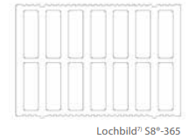 | LXXT0002 | Lux_ext_wall_365 | [PLL11] Project Exterior mortar coating |  | Plaster | Project Exterior mortar coating | 20 | 0,87 | 1800 | 1000 | 0,0230 | -1.00f | 0.2086 | 4.62 | ALTERNATIVE SCENARIOS!!!
 |  |  | LXXT0002 |  | [BRCK0016] Custom Terracota insulating masonry |  | Brick and Blockwork | Custom Terracota insulating masonry | 365 | 0,079 | 514 | 800 | 4,5789 | -1.00f |  |  |  |  | https://www.juwoe.de/thermoplan-t14/
 |  |  | LXXT0002 |  | [PLL111] Project Interior mortar coating |  | Plaster | Project Interior mortar coating | 15 | 0,7 | 1400 | 1000 | 0,0214 | -1.00f
 | 2 |  | LXXT0001 | Lux_ext_wall_425 | [PLL11] Project Exterior mortar coating |  | Plaster | Project Exterior mortar coating | 20 | 0,87 | 1800 | 1000 | 0,0230 | -1.00f | 0.1803 | 5.37
 |  |  | LXXT0001 |  | [CSTM0000] Custom Terracota insulating masonry |  | Brick and Blockwork | Custom Terracota insulating masonry | 425 | 0,079 | 514 | 800 | 5,3316 | -1.00f |  |  |  |  | https://www.schlagmann.de/media/upload/service/download/Schnelluebersicht.pdf
 |  |  | LXXT0001 |  | [PLL111] Project Interior mortar coating |  | Plaster | Project Interior mortar coating | 15 | 0,7 | 1400 | 1000 | 0,0214 | -1.00f
 | 3 | 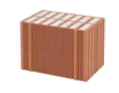 | LXXT0000 | Lux_ext_wall_490 | [PLL11] Project Exterior mortar coating |  | Plaster | Project Exterior mortar coating | 20 | 0,87 | 1800 | 1000 | 0,0230 | -1.00f | 0.1572 | 6.19
 |  |  | LXXT0000 |  | [BRCK0016] Custom Terracota insulating masonry |  | Brick and Blockwork | Custom Terracota insulating masonry | 490 | 0,079 | 514 | 800 | 6,1471 | -1.00f |  |  |  |  | https://www.schlagmann.de/media/upload/service/download/Schnelluebersicht.pdf
 |  |  | LXXT0000 |  | [PLL111] Project Interior mortar coating |  | Plaster | Project Interior mortar coating | 15 | 0,7 | 1400 | 1000 | 0,0214 | -1.00f
 | 4 | 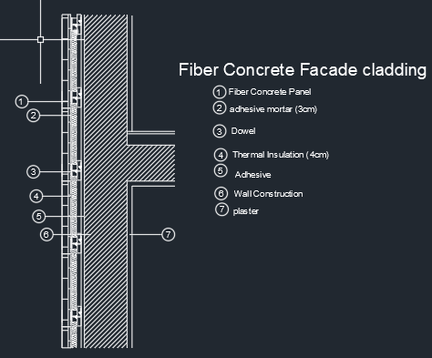 | WALL3 | Alt_ext_wall_fibreboard | [FBA] Fibreboard |  | Boards, Sheets & Decking | Fibreboard | 15 | 0,060 | 300 | 1000 | 0,2500 | 263 | 0.2562 | 3.7336
 |  |  | WALL3 |  | Cavity |  | - | Cavity | 30 | - | - | - | 0,1800 | -
 |  |  | WALL3 |  | [GW] Glasswool |  | Insulating Materials | Glasswool | 120 | 0,040 | 200 | 670 | 3 | 6
 |  |  | WALL3 |  | [BRO] Brickwork (outer leaf) |  | Brick and Blockwork | Brickwork (outer leaf) | 150 | 0,840 | 1700 | 800 | 0,1786 | 58
 |  |  | WALL3 |  | [PLL] Plaster (lightweight) |  | Plaster | Plaster (lightweight) | 20 | 0,160 | 600 | 1000 | 0,1250 | 45
 | 5 |  | WALL31 | Alt_ext_wall_fibrecement | [FBA1] Fibrecement |  | Boards, Sheets & Decking | Fibrecement | 15 | 0,39 | 1650 | 1000 | 0,0385 | 214 | 0.2427 | 3.9506
 |  |  | WALL31 |  | Cavity |  | - | Cavity | 30 | - | - | - | 0,18 | -
 |  |  | WALL31 |  | [GW1] Rockwool 035 |  | Insulating Materials | Rockwool 035 | 120 | 0,035 | 50 | 1030 | 3,4286 | 6
 |  |  | WALL31 |  | [BRO] Brickwork (outer leaf) |  | Brick and Blockwork | Brickwork (outer leaf) | 150 | 0,84 | 1700 | 800 | 0,1786 | 58
 |  |  | WALL31 |  | [PLL] Plaster (lightweight) |  | Plaster | Plaster (lightweight) | 20 | 0,16 | 600 | 1000 | 0,1250 | 45
 | 6 | 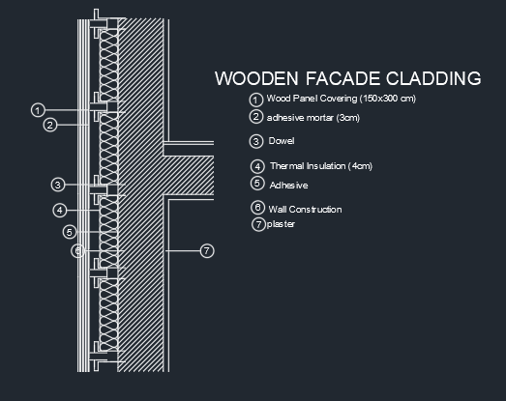 | WALL2 | Alt_ext_wall_timber | [TMB] Timber board |  | Timber | Timber Board | 30 | 0.165 | 650 | 1600 | 0.1818 | 200 | 0.2345 | 4.094 |  |  | https://www.osmo.de/en/wood/wood-for-the-exterior/cladding/rhombus-boards
 |  |  | WALL2 |  | Cavity |  | - | Cavity | 30 | - | - | - | 0.18 | -
 |  |  | WALL2 |  | [GW1] Rockwool 035 |  | Insulating Materials | Rockwool 035 | 120 | 0,035 | 50 | 1030 | 3,4286 | 6 |  |  |  |  | https://www.rockwool.com/be-fr/documentations-tools-et-services/documentations/fiches-techniques/
 |  |  | WALL2 |  | [BRO] Brickwork (outer leaf) |  | Brick and Blockwork | Brickwork (outer leaf) | 150 | 0.84 | 1700 | 800 | 0.1786 | 58 |  |  |  |  | https://www.gima-ziegel.de/de/download-bestellportal/#brosueren
 |  |  | WALL2 |  | [PLL] Plaster (lightweight) |  | Plaster | Plaster (lightweight) | 20 | 0.16 | 600 | 1000 | 0.125 | 45 |  |  |  |  | https://www.vdpm.info/putz/innenputz/
 | 7 |  | WALL4 | Alt_ext_wall_concrete | [CBM] Concrete Block (medium) |  | Concretes | Concrete Block (medium) | 150 | 0.51 | 1400 | 1000 | 0.2941 | -1.00f | 0.2382 | 4.0277
 |  |  | WALL4 |  | Cavity |  | - | Cavity | 30 | - | - | - | 0.18 | -
 |  |  | WALL4 |  | [GW1] Rockwool 035 |  | Insulating Materials | Rockwool 035 | 120 | 0,035 | 50 | 1030 | 3,4286 | 6
 |  |  | WALL4 |  | [PLL] Plaster (lightweight) |  | Plaster | Plaster (lightweight) | 20 | 0.16 | 600 | 1000 | 0.125 | 45
 | 8 | 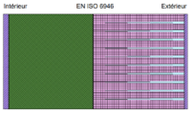 | WALL5 | Alt_ext_wall_concrete_PIR | Exterior Plaster (thermal conductivity: 0,8 W/mK) | [USPM001] Perlite Plaster-Sand Aggregate (ASHRAE) | Plaster | Perlite Plaster-Sand Aggregate (ashrae) | 15 | 0.81 | 1680 | 800 | 0.0185 | 25 | 0.0903 | 10.9091 |  | Could you adjust the insulation thickness (e.g., to 22 cm) to achieve a total U-value of 0.10? | https://thermolock-germany.de/en/tl_product/thermolock-a1-sealing-and-base-plaster/
 |  |  | WALL5 |  | Sto PIR BLF-S (ther. cond.: 0,023 W/mK) | [PLYR0000] Polyurethane board | Insulating Materials | Polyurethane Board | 260 | 0.025 | 30 | 1400 | 10.4 | 550 |  |  |  |  | https://www.bauderfoam.com/en/technical-data/bauderfoam-e.html
 |  |  | WALL5 |  | Concrete Block (ther. cond.: 0.6 W/mK) | [CBM] Concrete Block (medium) | Concretes | Concrete Block (medium) | 240 | 0.51 | 1400 | 1000 | 0.4706 | -1.00f |  |  |  |  | https://technik.xella.de/download-center/?brands=ytong&backlink=xde
 |  |  | WALL5 |  | Gypsum Plaster (ther.cond.:0,53W/mK) | [PLD] Plaster (Dense) | Plaster | Plaster (Dense) | 10 | 0.5 | 1300 | 1000 | 0.02 | 50 |  |  |  |  | https://knauf.com/api/download-center/
 | 9 | 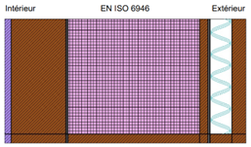 | WALL6 | Alt_ext_wall_timber2 | CEN-typical construction timber (0,13 W/mK) | [TMB] Timber board | Timber | Timber Board | 260 | 0.165 | 650 | 1600 | 0.1576 | 200 | 0.1197 | 8.1832 |  |  | https://www.osmo.de/en/
 |  |  | WALL6 |  | Air gap (0,219 W/mK) | Cavity | - | Cavity | 40 | - | - | - | 0.18 | -
 |  |  | WALL6 |  | PP-Facade strip (2,3 W/mK) | - | - | - | - | - | - | - | - | - |  |  |  |  | https://www.dupont.com/solution-finder/results.html?BU=pbs&tagId=DuPont:pcg/weatherization
 |  |  | WALL6 |  | Porous wood fibreboard (0,1 W/mK) | [USHB0000] Hardboard - medium density (ashrae) | Boards, Sheets & Decking | Hardboard - medium density (ashrae) | 15 | 0.105 | 800 | 1300 | 0.1429 | 200 |  |  |  |  | https://www.steico.com/fileadmin/user_upload/importer/downloads/produktinformationen_holzfaser-dmmstoffe/STEICO_technical-data-sheet_isorel_GBR-IRL_en_i.pdf
 |  |  | WALL6 |  | Rockwool 035 (0,035 W/mK) | [GW1]Rockwool 035 | Insulating Materials | Rockwool 035 | 240 | 0.035 | 50 | 1030 | 6.8571 | 6 |  |  |  |  | https://www.rockwool.com/be-fr/documentations-tools-et-services/documentations/fiches-techniques/
 |  |  | WALL6 |  | Vapor barrier (0,17 W/mK) | Cavity | - | Cavity | 4 | - | - | - | 0.18 | - |  |  |  |  | https://proclima.com/products/internal-sealing/intello-x/technical-specs#sub_navigation
 |  |  | WALL6 |  | Cross-laminated timber (0,13 W/mK) | [TMB] Timber board | Timber | Timber Board | 100 | 0.165 | 650 | 1600 | 0.6061 | 200 |  |  |  |  | https://www.storaenso.com/en/products/mass-timber-construction/building-products/clt
 |  |  | WALL6 |  | Plasterboard (0,21 W/mK) | [STD_US1] Plasterboard | Plaster | Plasterboard | 12.5 | 0.21 | 700 | 1000 | 0.0595 | 0 |  |  |  |  | https://knauf.com/en-GB/p/products/boards-30337/gypsum-boards-26684
 | 10 |  | WALL7 | Alt_ext_wall_concrete_PUR | Exterior Plaster (0,87 W/mK) | [USPM0001] Perlite Plaster-Sand Aggregate (ASHRAE) | Plaster | Perlite Plaster-Sand Aggregate (ashrae) | 10 | 0.81 | 1680 | 800 | 0.0123 | 25 | 0.0924 | 10.6547
 |  |  | WALL7 |  | PUR 023 (0,023 W/mK) | [PLYR0000] Polyurethane board | Insulating Materials | Polyurethane board | 260 | 0.025 | 30 | 1400 | 10.4 | 550
 |  |  | WALL7 |  | Concrete (2,2 W/mK) | [CBH] Concrete Block (heavyweight) | Concretes | Concrete Block (heavyweight) | 240 | 1.13 | 2300 | 1000 | 0.2124 | 150
 |  |  | WALL7 |  | Interior plaster (0,7 W/mK) | [PLD] Plaster (Dense) | Plaster | Plaster (Dense) | 15 | 0.5 | 1300 | 1000 | 0.03 | 50
 |  |  |  |  |  |  |  |  |  |  |  |  |  |  | tHE UPPER VALUE WAS 0.20,I THINK IT WAS CHANGED BY DERYA, IN IESVE IT WAS FOUND AS 0.20

 | 2 | 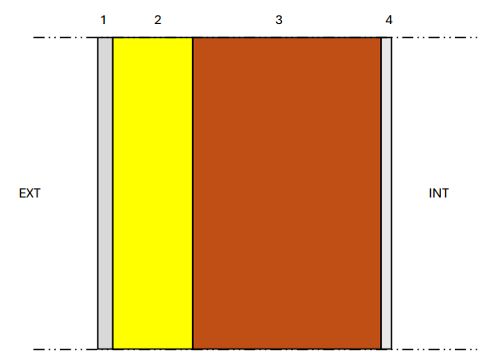 | WALL | Lux_external wall | [PLL11] Project Exterior mortar coating |  | Plaster | Project Exterior mortar coating | 20 | 0.87 | 1800 | 1000 | 0.023 | -1.00f | 0.2036 | 4.7422 | USED IN EXISTED LUX IESVE MODEL!!!!
 |  |  | WALL |  | [PUB] POLYURETHANE BOARD |  | Insulating Materials | POLYURETHANE BOARD | 100 | 0.036 | 30 | 1400 | 2.7778 | 550
 |  |  | WALL |  | [BRCK0011] Custom Terracotta insulating masonry |  | Brick and Blockwork | Custom Terracotta insulating masonry | 240 | 0.125 | 700 | 800 | 1.92 | -1.00f
 |  |  | WALL |  | [PLL111] Project Interior mortar coating |  | Plaster | Project Interior mortar coating | 15 | 0.7 | 1000 | 1000 | 0.0214 | -1.00f
 | 1 |  | STD_WAL3 | Legofit Insulating Masonry | [PLL11] Project Exterior mortar coating |  | Plaster | Project Exterior mortar coating | 20 | 0,87 | 1800 | 1000 | 0,0230 | -1.00f | 0.1572 | 6.19 | USED IN EXISTED LUX IESVE MODEL! it seems that it is assigned but it is not.
 |  |  | STD_WAL3 |  | [BRCK0016] Custom Terracotta insulating masonry |  | Brick and Blockwork | Custom Terracota insulating masonry | 490 | 0,079 | 514 | 800 | 6,1471 | -1.00f
 |  |  | STD_WAL3 |  | [PLL111] Project Interior mortar coating |  | Plaster | Project Interior mortar coating | 15 | 0,7 | 1400 | 1000 | 0,0214 | -1.00f

DOOR | 1 |  | STD_DOO1 | Lux_external door glazed | [PLYW0001] Lux_project door glazed |  | Timber | Lux_project door glazed | 37 | 0.062000 | 500.000000 | 1500.000000 | 0.5968 | 50.000 | 1.3042 | 0.5968 | USED IN EXISTED LUX IESVE MODEL!!!!
 | 2 |  | STD_DOO2 | Lux_external door | [PLYW0008] Lux_project door |  | Timber | Lux_project door | 37 | 0.075000 | 500.00000 | 1500.00000 | 0.4933 | 50.000 | 1.5075 | 0.4933

