Sheet1
IFRs of basic RBC (model with inelastic labor)
t | eps | a | c | k
0 | 1 | 1 | 0.17214601209 | 0 | phi | 0.9 | Model Eqs:
1 | 0 | 0.9 | 0.18467840921 | 0.064506858912 | n_kk | 0.9684969739
2 | 0 | 0.81 | 0.19502044615 | 0.12053087067 | n_ka | 0.064506858912
3 | 0 | 0.729 | 0.20342068106 | 0.16898433923 | n_ck | 0.46114473449
4 | 0 | 0.6561 | 0.21010188624 | 0.21068632132 | n_ca | 0.17214601209
5 | 0 | 0.59049 | 0.21526365602 | 0.24637201477 | lambda1 | 1.01
6 | 0 | 0.531441 | 0.21908475293 | 0.27670120588 | lambda2 | 0.08
7 | 0 | 0.4782969 | 0.22172521838 | 0.30226587017 | 1-lambda1-lambda2 | -0.09
8 | 0 | 0.43046721 | 0.22332827136 | 0.32359701122 | lambda3 | 0.03
9 | 0 | 0.387420489 | 0.22402201649 | 0.34117081371 | Q2 | -0.09
10 | 0 | 0.3486784401 | 0.2239209804 | 0.35541417949 | Q1 | 0.00865
11 | 0 | 0.31381059609 | 0.22312749372 | 0.36670970825 | Q0 | 0.01515
12 | 0 | 0.28242953648 | 0.22173293408 | 0.37540017859 | sigma | 0.5 | Model Solution:
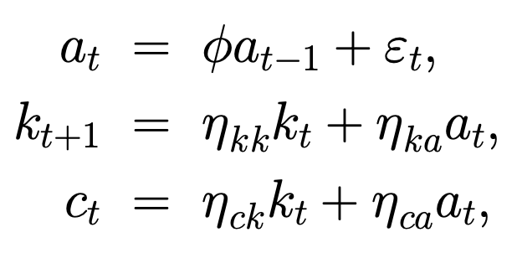
13 | 0 | 0.25418658283 | 0.21981884414 | 0.38179257922
14 | 0 | 0.22876792455 | 0.21745793697 | 0.38616173567
15 | 0 | 0.20589113209 | 0.21471500036 | 0.38875357266
16 | 0 | 0.18530201889 | 0.21164770991 | 0.38978804893
17 | 0 | 0.166771817 | 0.20830736021 | 0.38946179703
18 | 0 | 0.1500946353 | 0.20473952227 | 0.38795049794
19 | 0 | 0.13508517177 | 0.2009846346 | 0.38541101674
20 | 0 | 0.12157665459 | 0.19707853456 | 0.38198332354
21 | 0 | 0.10941898913 | 0.19305293609 | 0.37779222103
22 | 0 | 0.098477090218 | 0.18893585897 | 0.37294889812
23 | 0 | 0.088629381197 | 0.18475201478 | 0.36755232701
24 | 0 | 0.079766443077 | 0.18052315363 | 0.36169051945
25 | 0 | 0.071789798769 | 0.17626837577 | 0.35544165626 |  |  | Parameters/coefficients (solved):
26 | 0 | 0.064610818892 | 0.17200441151 | 0.34887510291
27 | 0 | 0.058149737003 | 0.16774587273 | 0.34205232241
28 | 0 | 0.052334763303 | 0.16350547874 | 0.33502769605
29 | 0 | 0.047101286972 | 0.15929425913 | 0.32784926099
30 | 0 | 0.042391158275 | 0.1551217359 | 0.32055937324
31 | 0 | 0.038152042448 | 0.15099608699 | 0.3131953034
32 | 0 | 0.034336838203 | 0.14692429298 | 0.305789772
33 | 0 | 0.030903154383 | 0.14291226884 | 0.29837143041
34 | 0 | 0.027812838944 | 0.13896498203 | 0.29096529287
35 | 0 | 0.02503155505 | 0.13508655849 | 0.28359312453
36 | 0 | 0.022528399545 | 0.13128037764 | 0.27627378991
37 | 0 | 0.02027555959 | 0.12754915754 | 0.26902356579
38 | 0 | 0.018248003631 | 0.12389503127 | 0.26185642203
39 | 0 | 0.016423203268 | 0.12031961521 | 0.25478427373
40 | 0 | 0.014780882941 | 0.11682407034 | 0.24781720736
41 | 0 | 0.013302794647 | 0.11340915701 | 0.24096368374
42 | 0 | 0.011972515183 | 0.11007528394 | 0.23423072002
43 | 0 | 0.010775263664 | 0.1068225521 | 0.22762405288
44 | 0 | 0.0096977372979 | 0.10365079388 | 0.22114828481
45 | 0 | 0.0087279635681 | 0.10055960811 | 0.21480701519
46 | 0 | 0.0078551672113 | 0.097548391252 | 0.2086029577
47 | 0 | 0.0070696504902 | 0.094616365328 | 0.20253804544

