etiquetas
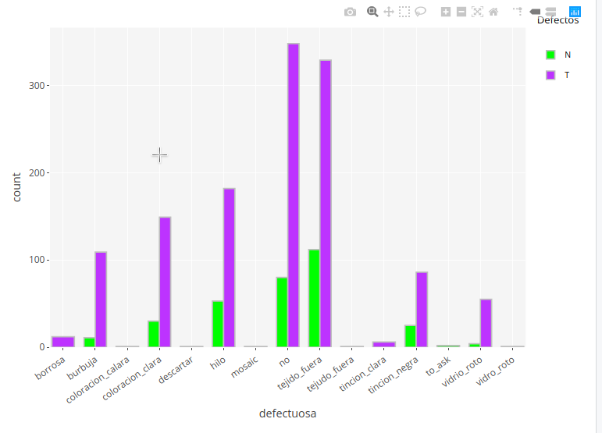
defectuosa_NAC | side_NAC
borrosa | all
vidrio_roto | up_right
burbuja | up_left
tejido_fuera | bottom_right
 | bottom_left

