Sheet1
序号 | 产品图片 | 材质 | 中文标题 | 英文标题
1 | 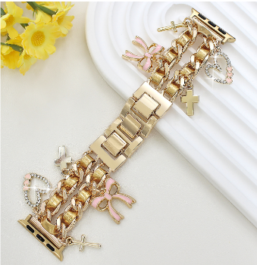 | 锌合金 | 1条女士时尚蝴蝶结水钻爱心十字架可爱挂饰穿皮链锌合金表带适用于38/ 40/ 41 /42mm /44/45/46/ 49mm，奢华闪耀金属手镯表带兼容 Apple Watch Ultra 2/SE/10/9/8/7/6/5/4/3/2/1，女士智能手表表带，适合日常/生日/约会/母亲节礼物 | 1PCS Women’s Cute Bow Heart Cross Charm Rhinestone Metal Bracelet Band with Leather Thread, Fits 38/40/41/42/44/45/46/49mm Apple Watch Ultra 2/SE/10/9/8/7/6/5/4/3/2/1 – Stylish Gift for Daily Wear, Birthday, Date, Mother’s Day
2 | 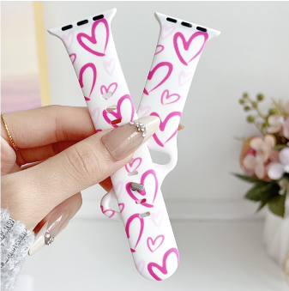 | 硅胶 | 1条时尚迷人的爱心印花软硅胶表带，适用于 Apple Watch 38/40/41/42/44/45/46/49mm，可爱舒适、柔软亲肤的可替换运动表带，兼容 iWatch Series 10/9/8/7/SE/6/5/4/3/2/1，女士智能手表表带，适合日常佩戴/生日/公开场合/母亲节礼物 | 1PCS Stylish Heart Print Soft Silicone Band for Apple Watch 38/40/41/42/44/45/46/49mm, Cute Skin-Friendly Replacement Strap Compatible with iWatch Series 10/9/8/7/SE/6/5/4/3/2/1 – Perfect for Daily Wear, Birthday, Events, Mother’s Day Gift
3 | 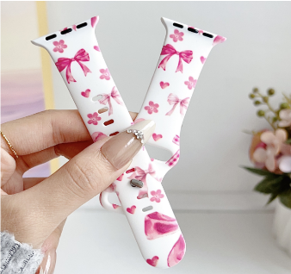 | 硅胶 | 1粉色的蝴蝶结爱心花朵柔软舒适印花硅胶表带适用于 Apple Watch 38/ 40/ 41 /42mm /44/45/46/ 49mm造型甜美、佩戴轻盈贴合可替换女士运动表带适用于 iWatch Series 10/9/8/7/SE/6/5/4/3/2/1，智能手表表带，智能手表带/腕带，日常/生日/节日/母亲节礼物 | 1PCS Pink Bow Heart Flower Print Soft Silicone Band for Apple Watch 38/40/41/42/44/45/46/49mm, Sweet Lightweight Replacement Strap for iWatch Series 10/9/8/7/SE/6/5/4/3/2/1 – Cute Wristband for Women, Ideal for Daily Wear, Birthday, Holidays, Mother’s Day Gift
4 | 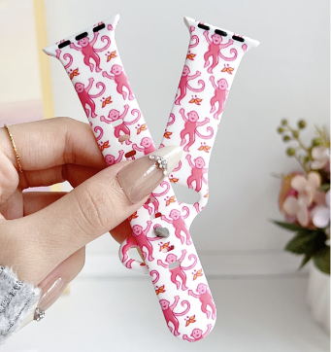 | 硅胶 | 1条 跳舞猴子精美花卉印花软硅胶表带适用于 Apple Watch 38/ 40/ 41 /42mm /44/45/46/ 49mm，可爱卡通可替换运动表带适用于 iWatch Series 10/9/8/7/SE/6/5/4/3/2/1，智能手表表带，适合女性/活力日常/节日送礼/母亲节礼物 | 1PCS Dancing Monkey Floral Print Soft Silicone Band for Apple Watch 38/40/41/42/44/45/46/49mm, Cute Cartoon Replacement Sport Strap for Women, Compatible with iWatch Series 10/9/8/7/SE/6/5/4/3/2/1, Smartwatch Band for Energetic Daily Wear, Holiday Gifts or Mother’s Day Surprise
5 | 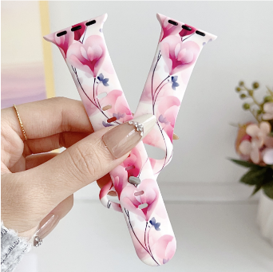 | 硅胶 | 1条时尚甜美的粉色爱心印花软硅胶表带，适用于 Apple Watch 38/40/41/42/44/45/46/49mm，亲肤柔韧，佩戴轻盈，专为女性设计的可替换运动腕带，兼容 iWatch Series 10/9/8/7/SE/6/5/4/3/2/1，智能手表表带适合女性/日常佩戴/节日/母亲节礼物 | 1PCS Stylish & Sweet Pink Heart Print Soft Silicone Band for Apple Watch 38/40/41/42/44/45/46/49mm, Skin-Friendly & Flexible, Lightweight and Comfortable Replacement Sport Strap for Women, Compatible with iWatch Series 10/9/8/7/SE/6/5/4/3/2/1, Smartwatch Band for Daily Wear, Holidays or Mother’s Day Gift
6

