Rev. 1
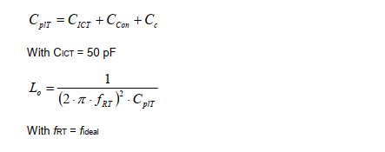
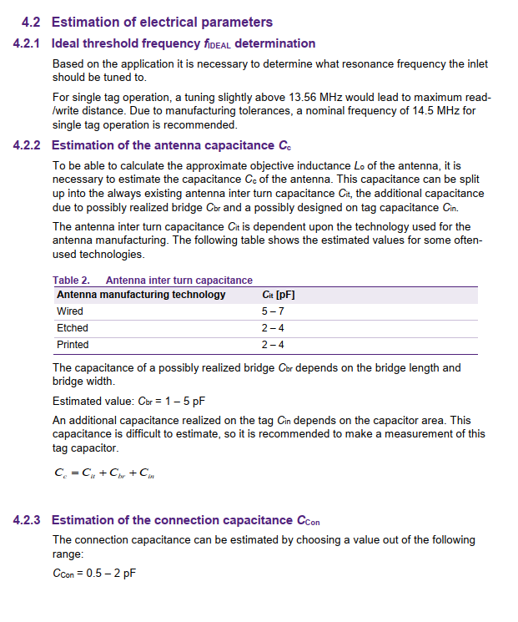
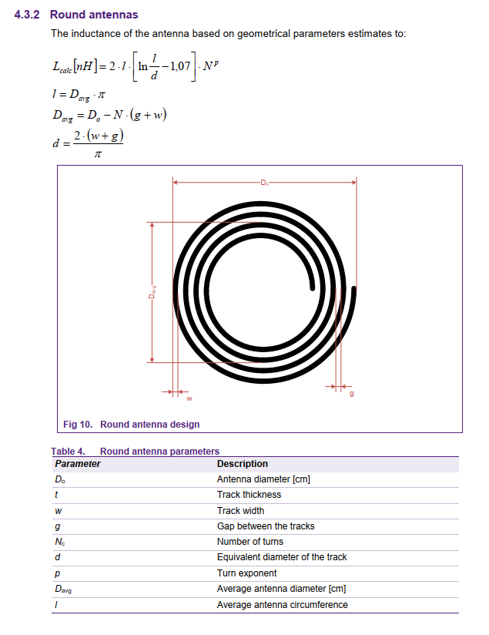
 | f_ideal | 14.5000 | MHz

Inter-turn Capacitance | C_it | 3.0000 | pF
Bridge-Capacitance | C_br | 0.0000 | pF
Realized Capacitance | C_in | 0.0000 | pF
Antenna Capacitance | C_c | 3.0000

Connection Capacitance | C_con | 1.0000

IC Capacitance | C_ICT | 50.0000

Tag Capacitance | C_pIT | 54.0000

Antenna Inductance | L_o | 0.0000 | H
 | L_o | 2.2311 | uH

Antenna Diameter | D_0 | 3.8000 | cm
Track Width | w | 0.0500 | cm
Gap between Tracks | g | 0.0300 | cm
Number of Turns | N | 6.0000
Turn Exponent | p | 1.8000
Average Antenna Diameter | D_avg | 3.3200 | cm
Average Antenna Circumference | l | 10.4301 | cm
Equivalent Diameter of Track | d | 0.0509 | cm

 | L_calc | 2231.4341 | nH
 | L_calc | 2.2314 | uH

Rev. 2
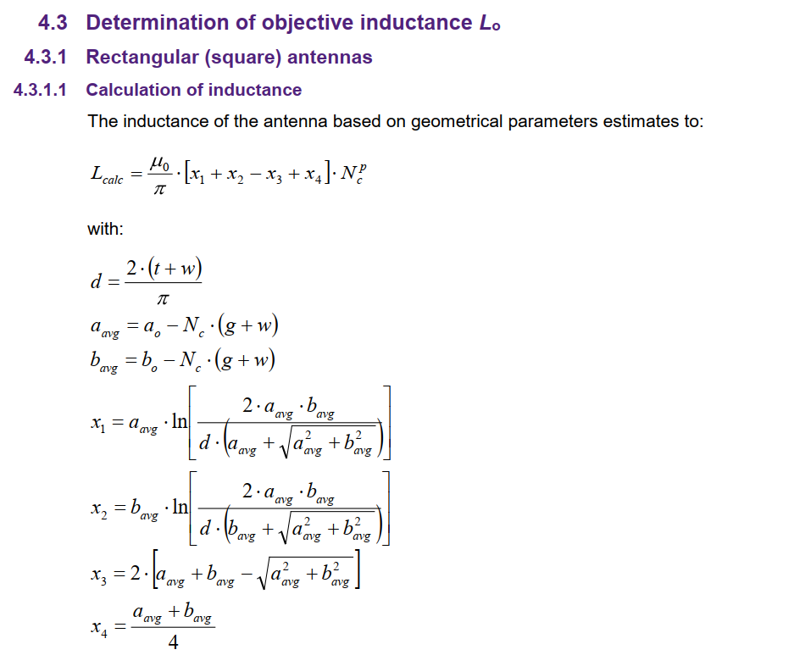
 | f_ideal | 14.5000 | MHz

Inter-turn Capacitance | C_it | 3.0000 | pF
Bridge-Capacitance | C_br | 0.0000 | pF
Realized Capacitance | C_in | 0.0000 | pF
Antenna Capacitance | C_c | 3.0000

Connection Capacitance | C_con | 1.0000

IC Capacitance | C_ICT | 50.0000

Tag Capacitance | C_pIT | 54.0000

Antenna Inductance | L_o | 0.00000223106 | H
 | L_o | 2.2311 | uH

Antenna Width (Outer) | a0 | 1.0000 | cm | 10.00 | mm
Antenna Length (Outer) | b0 | 1.5000 | cm | 15.00 | mm
Track Thickness | t | 0.0035 | cm
Track Width | w | 0.0150 | cm | 0.15 | mm
Gap Between Tracks | g | 0.0170 | cm | 0.17 | mm
Number of Turns | Nc | 12
Turn Exponent | p | 1.8000
Equivalent Diameter of Track | d | 0.0118 | cm
Average Width | aavg | 0.6160 | cm
Average Length | bavg | 1.1160 | cm
Permeability of Free Space | m0 | 0.00000001257 | H/cm
PI | pi | 3.1416
Anntenna Width (Inner) | a1 | 0.2660 | cm
Antenna Width (Inner) | b1 | 0.7660 | cm
 | x1 | 2.5398
 | x2 | 4.3394
 | x3 | 0.9146
 | x4 | 0.4330

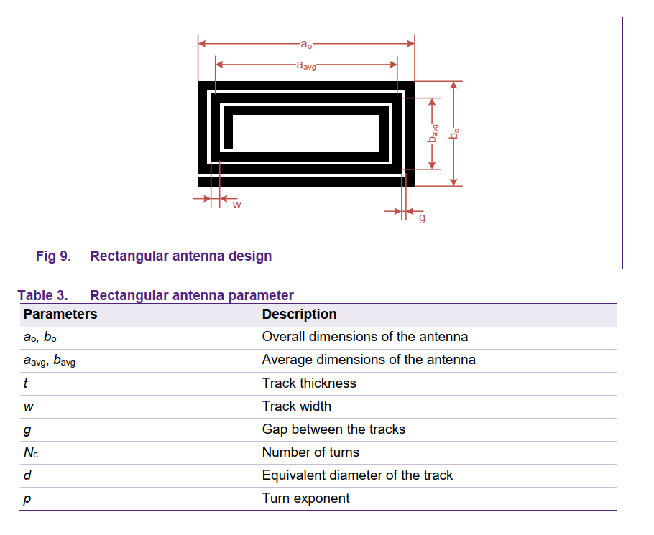
 | L_calc | 0.00000224184 | H
 |  | 2241.8405 | nH
 | L_calc | 2.2418 | uH

