Booking Form
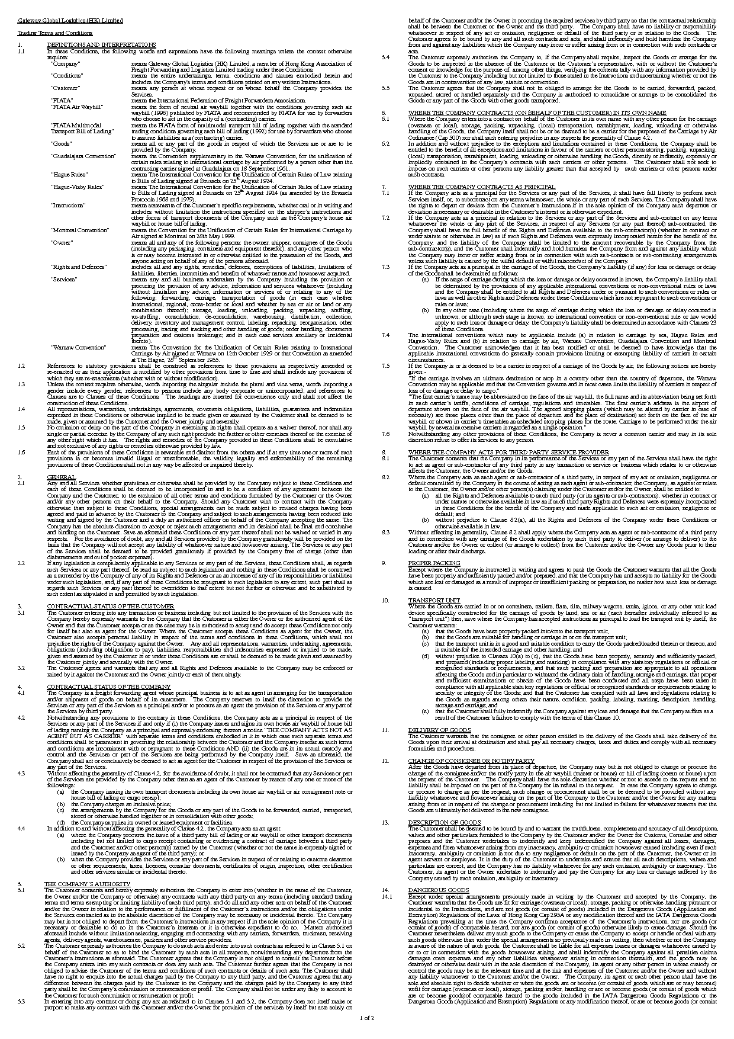
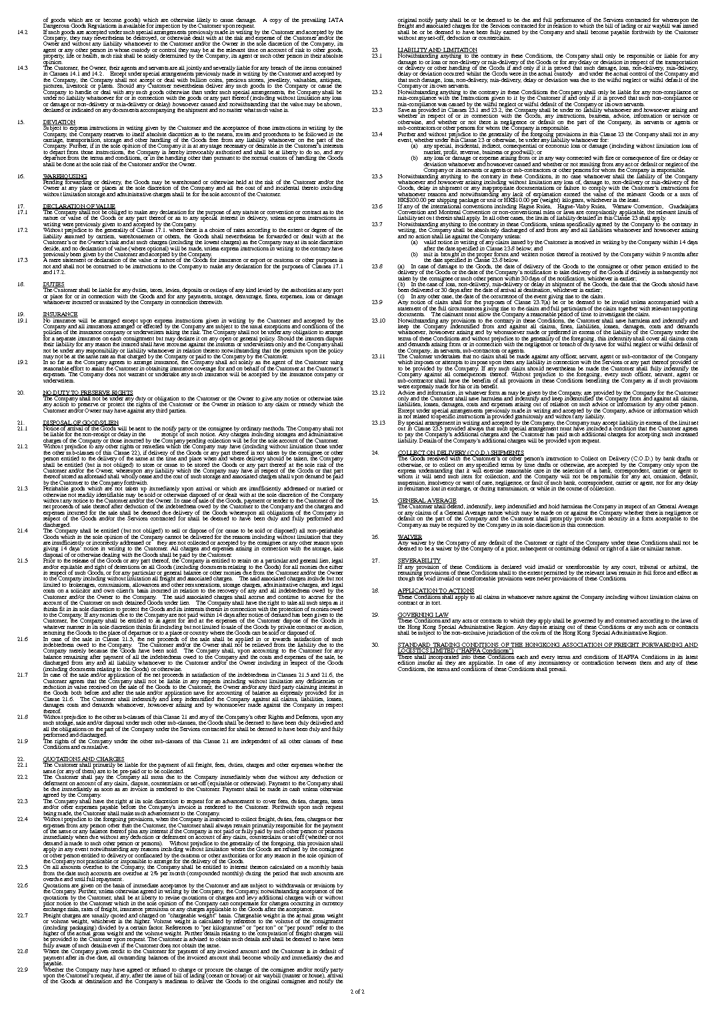
Shipper 托運人 |  |  |  |  |  |  |  | MAWB No. |  |  |  |  |  |  |  |  | HAWB No.

 |  |  |  |  |  |  |  |  | FALSE | FALSE | FALSE | TRUE | FALSE | FALSE | FALSE | FALSE | FALSE | FALSE | FALSE | FALSE | FALSE | FALSE | FALSE | FALSE | FALSE | FALSE
 |  |  |  |  |  |  |  |  | FALSE | FALSE | FALSE | FALSE | FALSE | FALSE | FALSE | FALSE | FALSE | FALSE | FALSE | FALSE | FALSE | FALSE

Tel. No. |  |  |  | Fax. No.
Consignee 收貨人

 |  |  |  |  |  |  |  | Please fax all bookings to (852) 2408 8766

Tel. No. |  |  |  | Fax. No. |  |  |  | SHIPPER'S LETTER OF INSTRUCTIONS
Notify 通知人
 |  |  |  |  |  |  |  |  | Type of Service Required 托運服務

 |  |  |  |  |  |  |  |  | Additional Service Required 特別服務

Tel. No. |  |  |  | Fax. No.
Name of Carrier |  |  |  | Departure Airport |  |  |  |  | Payment Terms 運費安排
航空公司 |  |  |  | 出發機埸 |  |  |  | Prepaid預付
Destination Airport |  |  |  | Airline Countersign 航空公司加簽 |  |  |  | Collect到付
目的地機場
Special Instruction
特別指示
Details of Cargo Declared by Shipper (said to contain) |  |  |  |  |  |  |  |  |  |  |  |  |  |  |  | Gross Weight Kilos |  |  |  |  |  | Country of Origin
Marks and Numbers |  | Quantity and Type of Package |  |  | Description of Goods
 | 嘜頭及號數 |  | 件數及包裝 |  |  |  | 貨物名稱 |  |  |  |  |  |  |  |  |  |  | 毛 重 |  |  |  |  |  | 原產地

 |  |  |  |  |  |  |  |  |  |  |  |  |  |  |  | Shipment Contains Battery? 貨物含有電池?

 |  |  |  |  |  |  |  |  |  |  |  |  |  |  |  |  | 鋰電,請在以下詳細聲明:

Total Number of Packages 總 件 數
Shipper's Declaration 托運人申報金額

Insurance to be arranged by 貨物保險安排 |  |  |  |  |  |  |  |  |  |  |  | Sum Insured |  |  |  |  |  |  | Currency (please specify)
 |  |  |  |  |  |  |  |  |  |  |  | 投保金額 |  |  |  |  |  |  | 貨幣
Documents to be accompanied 附寄文件

 |  |  |  |  |  |  |  |  |  |  |  | Name of Shipper 托運人:
 |  |  |  |  |  |  |  |  |  |  |  | (Known Consignor Code 已知托運人編號:)

 |  |  |  |  |  |  |  |  |  |  |  | Tel. No. |  |  |  |  |  |  |  | Contact Person:
 |  |  |  |  |  |  |  |  |  |  |  | 電話 |  |  |  |  |  |  |  | 聯絡人
 |  |  |  |  |  |  |  |  |  |  |  | Address 地址:

FOR OFFICE USE ONLY
Application Checked By |  |  | Documents Checked By |  |  | Export Licence Applied |  |  |  |  |  | Company Chop and Signature 簽名及公司蓋印
 |  |  |  |  |  |  |  |  |  |  |  | DATE :

