EXPLORATORY TEST
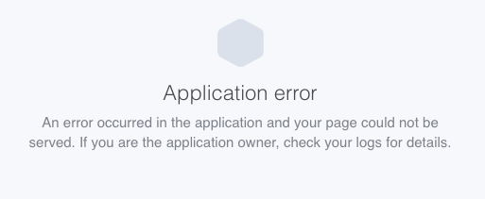
To further enhance bug finding and improving the quality of the application. The following exploratory tests can be executed:
 | Test | Bug
1 | Create computer with name: 223861 alphabetical characters, making the application crash. | Initially application shows white screen with no resemblance of doing anything. After performing the same action multiple times an error screen is shown.
2 | Search for 223861 characters, create these by pasting the whole alphabet in Sublime text editor. | Same error as above initially, shows white screen with no indication of anything actually happening. The url has changed to a search string: https://computer-database.herokuapp.com/computers?f=ABCDEFG (The string is so long, it doesn’t fit in Excel. Therefor a screenshot has been attached. |  | 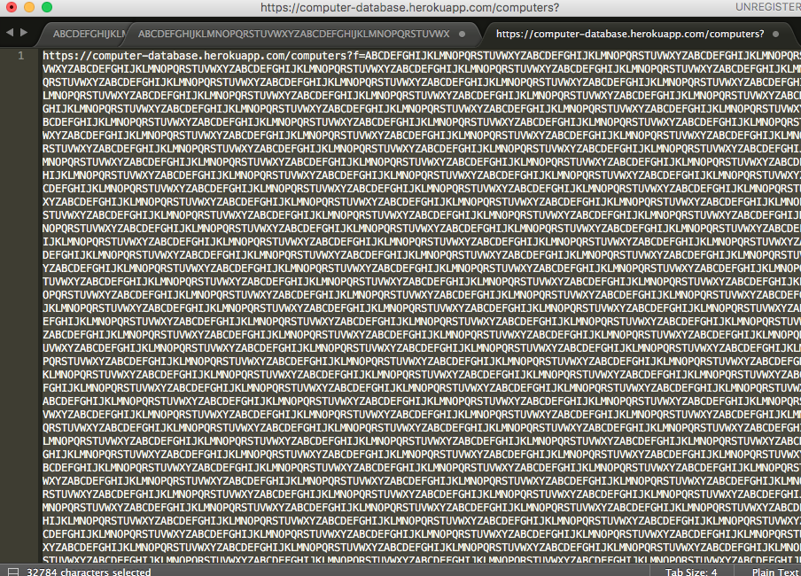
3 | When creating or updating a computer and entering an introduced date like: 01-01-01 and saving this | Shows wrong date in table overview. 03 january 0001. Plus there where no computers in the time of Christ. | 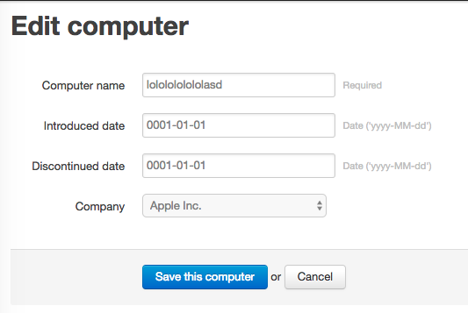
4 | Creating a computer with the name: "Werkt dit wel goed? Ik vraag het me af. <>:"{)!*@^#$^%@*#" (Everything between "".) This will be created correctly. And now try searching on it, enter the whole name in the search field: "Werkt dit wel goed? Ik vraag het me af. <>:"{)!*@^#$^%@*#" | The search fails, it shows the message: 'Nothing to display' While the search url is: https://computer-database.herokuapp.com/computers?f=Werkt+dit+wel+goed%3F+Ik+vraag+het+me+af.+%3C%3E%3A%22%7B%29%21*%40%5E%23%24%5E%25%40*%23
5 | Create a computer "ZZZZZZ" to verify if it will be last on the list. | Found out that the list is first ordered alphabatically with capitals. And then on alphabetically with lower case

