error
code | desc
B0218 | you should read this command first | 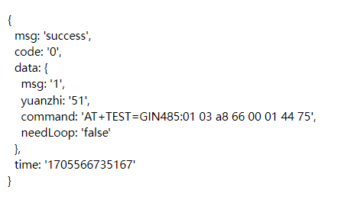 | When sending the setup request again， you need to send the current setup parameter, "yuanzhi", in the request as well.

