Images
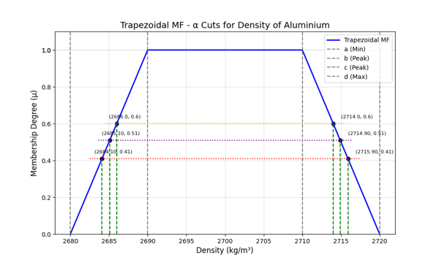
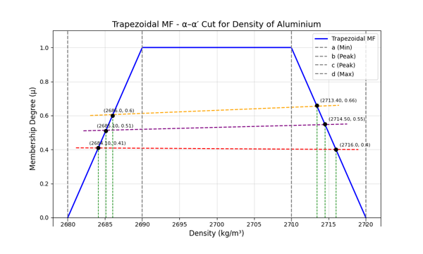
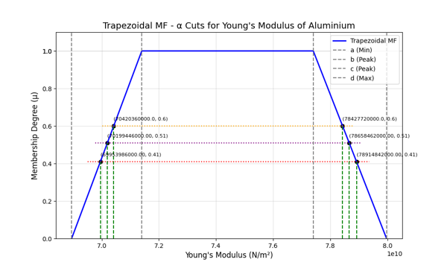
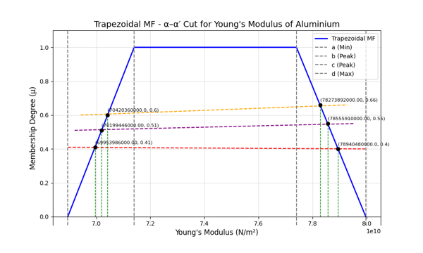
Table : α-Cut |  |  |  |  | Table : α-α'-Cut
α | (Y̲) | (Y̅) | (ρ̲) | (ρ̅ ) | α-α | (Y̲) | (Y̅) | (ρ̲) | (ρ̅ )
0.41 | 69953986000 | 78914842000 | 2684.1 | 2715.9 | 0.41-0.4 | 69953986000 | 78940480000 | 2684.1 | 2716
0.51 | 70199446000 | 78658462000 | 2685.1 | 2714.9 | 0.51-0.55 | 70199446000 | 78555910000 | 2685.1 | 2714.5
0.6 | 70420360000 | 78427720000 | 2686 | 2714 | 0.6-0.66 | 70420360000 | 78273892000 | 2686 | 2713.4

Line Chart : α-Cut

