Images
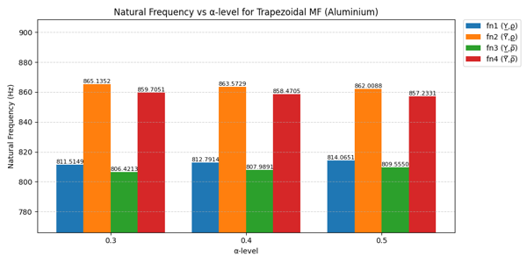
Table : α-Cut
α | fn₁ (Y̲,ρ̲) | fn₂ (Y̅,ρ̲) | fn₃ (Y̲,ρ̅ ) | fn₄ (Y̅,ρ̅ )
0.3 | 811.5149 | 865.1352 | 806.4213 | 859.7051
0.4 | 812.7914 | 863.5729 | 807.9891 | 858.4705
0.5 | 814.0651 | 862.0088 | 809.555 | 857.2331

Bar Chart : α-Cut

