Line Chart
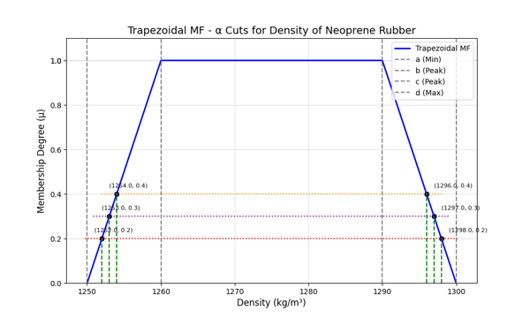
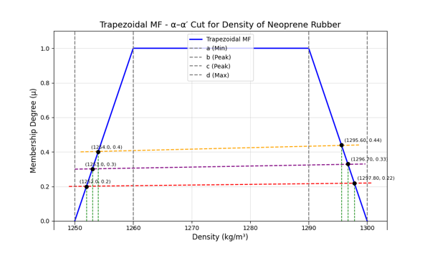
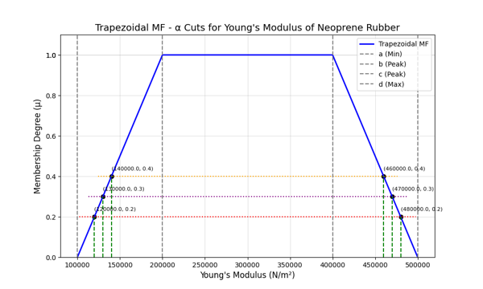
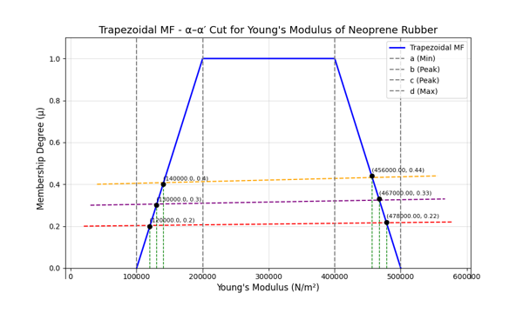
Trapezoidal Fuzzy Function for Neoprene Rubber
Table : α-Cut |  |  |  |  | Table : α-α'-Cut
α | (Y̲) | (Y̅) | (ρ̲) | (ρ̅ ) | α-α | (Y̲) | (Y̅) | (ρ̲) | (ρ̅ )
0.2 | 120000 | 480000 | 1252 | 1298 | 0.2-0.22 | 120000 | 478000 | 1252 | 1297.8
0.3 | 130000 | 470000 | 1253 | 1297 | 0.3-0.33 | 130000 | 467000 | 1253 | 1296.7
0.4 | 140000 | 460000 | 1254 | 1296 | 0.4-0.44 | 140000 | 456000 | 1254 | 1295.6

Line Chart : α-Cut

