Images
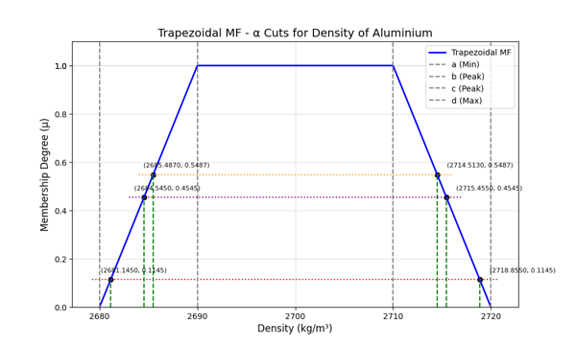
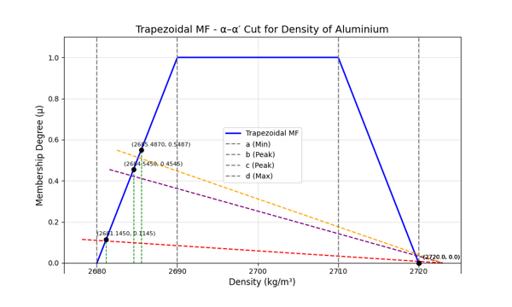
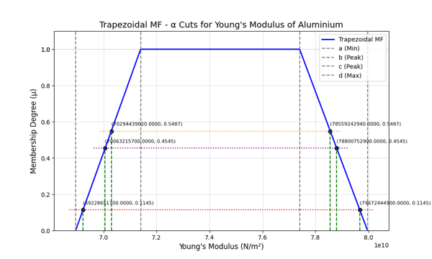
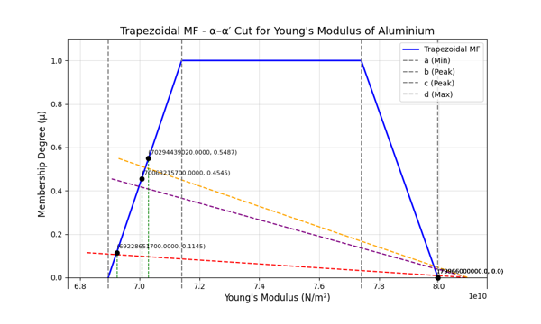
Table : α-Cut |  |  |  |  | Table : α-α'-Cut
α | (Y̲) | (Y̅) | (ρ̲) | (ρ̅ ) | α-α | (Y̲) | (Y̅) | (ρ̲) | (ρ̅ )
0.1145 | 69228651700 | 79672444900 | 2681.145 | 2718.855 | 0.1145-0.0 | 69228651700 | 79966000000 | 2681.145 | 2720
0.4545 | 70063215700 | 78800752900 | 2684.545 | 2715.455 | 0.4545-0.0 | 70063215700 | 79966000000 | 2684.545 | 2720
0.5487 | 70294439020 | 78559242940 | 2685.487 | 2714.513 | 0.5487-0.0 | 70294439020 | 79966000000 | 2685.487 | 2720

Line Chart : α-Cut

