MATRIX_V5
ICAO INPUT |  |  | PPS ADD-ON LINE (auto)

NOT: S/L değerlerini B ve C sütunlarına gir. İstersen bu değerleri MATRIX_STORE içinde ilgili ICAO satırına kopyalayarak kalıcı hale getirebilirsin.
RISK MATRIX (S x L)

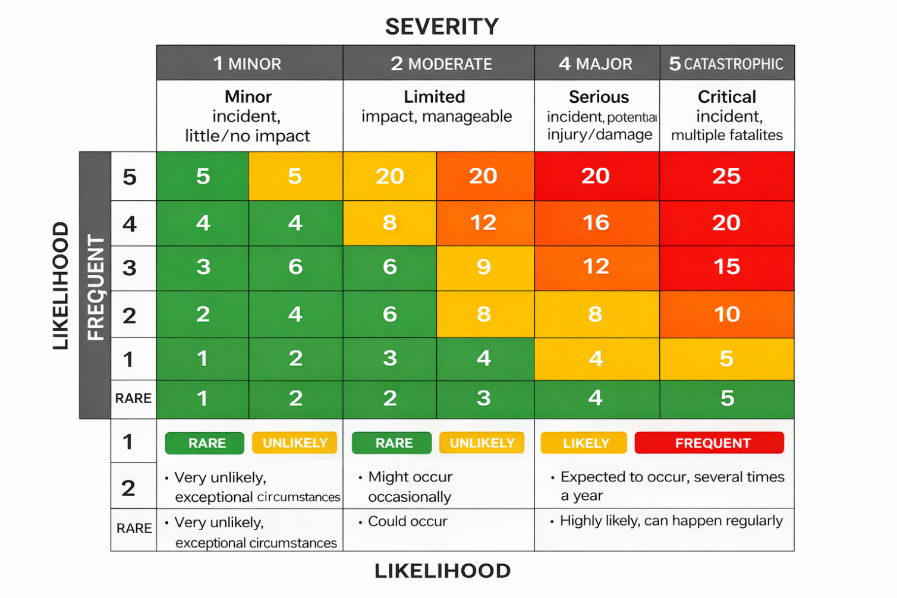
Risk Topic | Severity (1-5) | Likelihood (1-5) | Score | LEGEND
1. Approach & Traffic Density |  |  |  | LOW (1-8)
2. Obstacles / Terrain (Mania) |  |  |  | MEDIUM (9-15)
3. Seasonal / Meteorology |  |  |  | HIGH (16-25)
4. ATC Phraseology / Language
5. Complex Taxi Routings
6. RWY Ops / Late Clearance / Dep-Arr Separation
7. Security / Terror Threat
8. Handling / Fuel / Pax Support
9. Radio Nav / GNSS Reliability
10. Other Local Constraints (Slot/Curfew/Noise/etc.)

OVERALL SCORE (MAX of row scores)
RISK LEVEL
OPS APPROVAL FLAG

MITIGATION (free text)

