Sheet1
User Fn | DistributionID | stakeTokens_hash | GasCosts | comment | StakingPro | StakingPro | Address 0x14f2a22c97ae2890e73cb15b1c0e42a8a0821223 | BaseScan
stakeTokens | 0 |  |  | calculation ignored since no RP was staked |  |  |  | rewardsMinted = 9000
 | 1 | 0xe545d7caec13edcc86c79bf55978ddfa6717e026bfb7cd01894f9ab492aa62be | 389,670 | gas costs for updating 1 distribution, id:0 is returned early within _calculateDistributionIndex |  |  |  | mocaMinted = 9000
 | 2 | 0x4ae48f4374b7fa7237bd245cfb7ceaa73901380f45208dc72494eec1a40fd452 | 702,381 | however, the loops of userAccounts and vaultAccounts are still accounted
 | 3 | 0xa6b4ca3b1efabb9fc2d5c80c7ab5c21e602782d6a74429a03e38a634cc844823 | 674,437 |  |  |  |  | 1 distribution = 90 ether total
 | 4 | 0xf2b59131ef3e323ab7a5267fd8ec1141621f598df0343ff8b2a633caf859cc39 | 783,324
 | 5 | 0xd5eb83729e5450c1d59ce38b28f0815dac9c48b909114234182ef29db5150db5 | 796,177 |  |  |  |  | 100 distributions = 90 rewards each
 | 6 | 0x5d31271e3075d90f001393a069f644a4edf31cee514c91737b4eb9cf11af2cb8 | 1,052,491 |  |  |  |  | 100 stakeTokens = 90 each stake
 | 7 | 0x68d8ad368d9356b51469ba6d8c7fa1b6de99c2ec9a24c9add9b655309f4e8857 | 996,200
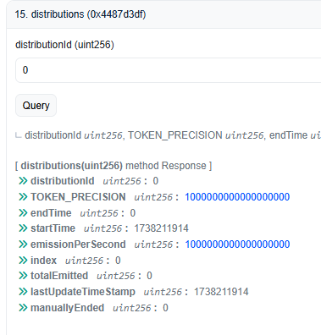
 | 8 | 0x04a1e3956fc7cd8e269b936d6bdca9ba0ef0f51fd156d9450077af8c34d765eb | 1,096,257
 | 9 | 0xce37028d56900c43a8a28629e230999621f376921f344c082eea2cfcc9269098 | 1,196,346 |  |  |  | where the fuck is zero
 | 10 | 0x773f5a7375b1e00c9dcbc60f3c5122ada176c7f63c566aab562bd2c99c49516d | 1,296,466
 | 11 | 0xed58045803e69231b066edfa13d42c4c8aa94b3e2a15d862a108f1f429c8cb76 | 1,396,616
 | 12 | 0xc97b7a5947ef33b5cc58860359eda7c56ebccd50d078ba56ca7b4ba04d05c88a | 1,496,798
 | 13 | 0xb7f5dcdbe13d96964a25df65cfddc7285b419fea3870a7c25cee8ec89f775d83 | 1,597,011
 | 14 | 0x087ad48bdd51e74d18ede4b539137a9953f7f5f9081ba03e153a61f70dd3bbe0 | 1,511,511
 | 15 | 0x2497d8e8522add92e674aebf45e3dde040a8d3a3bf6736e2c18c61ca24b730d7 | 1,697,254
 | 16 | 0x1862e87ddcbdd8e473796872b9510b95f5e31c7dff0422d8388d7ccfc10d12be | 2,393,523

https://base.blockscout.com/blocks
Gas limit | 264,000,000 | (fixed for all blocks)
Gas used | 40,000,000 | (rough average)

if we cap to 10 | 1,296,466 | is 3.241% of | 40,000,000

** assuming gwei: 0.20 |  |  | eth: $3000
Cap | GasCosts | ether | $
10 | 1,296,466 | 0.00025929 | 0.7778796 |  |  |  | RP HAS NOT BEEN STAKED, so distribution 0 does not get updated
11 | 1,396,616 | 0.00027932 | 0.8379696 |  |  |  | _calculateDistributionIndex(distribution, totalBoostedRealmPoints)
12 | 1,496,798 | 0.00029936 | 0.8980788 |  |  |  | totalBoostedRealmPoints is 0, so _calculateDistributionIndex returns early on totalBalance == 0
13 | 1,597,011 | 0.00031940 | 0.9582066
14 | 1,511,511 | 0.00030230 | 0.9069066
15 | 1,697,254 | 0.00033945 | 1.0183524

** assuming gwei: 0.40 |  |  | eth: $3000
Cap | GasCosts | ether | $
10 | 1,296,466 | 0.00051859 | 1.5557592
11 | 1,396,616 | 0.00055865 | 1.6759392
12 | 1,496,798 | 0.00059872 | 1.7961576
13 | 1,597,011 | 0.00063880 | 1.9164132
14 | 1,511,511 | 0.00060460 | 1.8138132
15 | 1,697,254 | 0.00067890 | 2.0367048

