Sheet1
User Fn | DistributionID | GasCosts | hash | comment
stakeTokens | 0 |  |  | calculation ignored since no RP was staked |  | rewardsMinted = 9000
 | 1 | 389,670 | 0xe545d7caec13edcc86c79bf55978ddfa6717e026bfb7cd01894f9ab492aa62be | gas cost after 2 distributions have been set up |  | mocaMinted = 9000
 | 2 | 702,381 | 0x4ae48f4374b7fa7237bd245cfb7ceaa73901380f45208dc72494eec1a40fd452
 | 3 | 674,437 | 0xa6b4ca3b1efabb9fc2d5c80c7ab5c21e602782d6a74429a03e38a634cc844823 |  |  | 1 distribution = 90 ether total
 | 4 | 783,324 | 0xf2b59131ef3e323ab7a5267fd8ec1141621f598df0343ff8b2a633caf859cc39
 | 5 | 796,177 | 0xd5eb83729e5450c1d59ce38b28f0815dac9c48b909114234182ef29db5150db5 |  |  | 100 distributions = 90 rewards each
 | 6 | 1,052,491 | 0x5d31271e3075d90f001393a069f644a4edf31cee514c91737b4eb9cf11af2cb8 |  |  | 100 stakeTokens = 90 each stake
 | 7 | 996,200 | 0x68d8ad368d9356b51469ba6d8c7fa1b6de99c2ec9a24c9add9b655309f4e8857
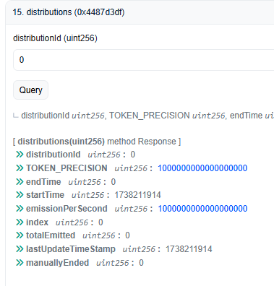
 | 8 | 1,096,257 | 0x04a1e3956fc7cd8e269b936d6bdca9ba0ef0f51fd156d9450077af8c34d765eb
 | 9 | 1,196,346 | 0xce37028d56900c43a8a28629e230999621f376921f344c082eea2cfcc9269098 |  | where the fuck is zero
 | 10
 | 11
 | 12
 | 13
 | 14

 |  |  |  |  | RP HAS NOT BEEN STAKED, so distribution 0 does not get updated
 |  |  |  |  | _calculateDistributionIndex(distribution, totalBoostedRealmPoints)
 |  |  |  |  | totalBoostedRealmPoints is 0, so _calculateDistributionIndex returns early on totalBalance == 0

