5) Vent Hole Sizing
AV Bay Diameter (in) | AV Bay Diameter (cm) | AV Bay Length (in) | AV Bay Length (cm) | Number of Vent Holes | Vent Hole Diameter (cm)
5.83 | 14.8082 | 9 | 22.86 | 2 | 0.2200812633
5.83 | 14.8082 | 9 | 22.86 | 3 | 0.179695599
5.83 | 14.8082 | 9 | 22.86 | 4 | 0.1556209537

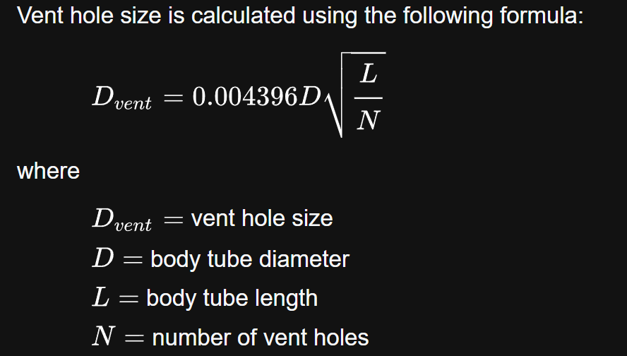

Rocketry Calculator
AV Bay Diameter (in) | 6
AV Bay Length (in) | 9
Number of ports | 4
Recommended | 12.76/64 | 13/64
 | 6.38/32 | 2024-03-16 | One of the vent holes will be used as a screw switch access port, and there will be an additional hole for the second screw switch. Total of 5 holes with 2 sized for screw switches and 3 sized and distributed for vent holes
 | 3.19/16 | 2024-03-16
 | 1.6/8 | 2024-01-04
 | 0.8/4 | 2024-01-04
https://rocketrycalculator.com/rocketry-calculator/test-vent-port/

7) Thread Strength
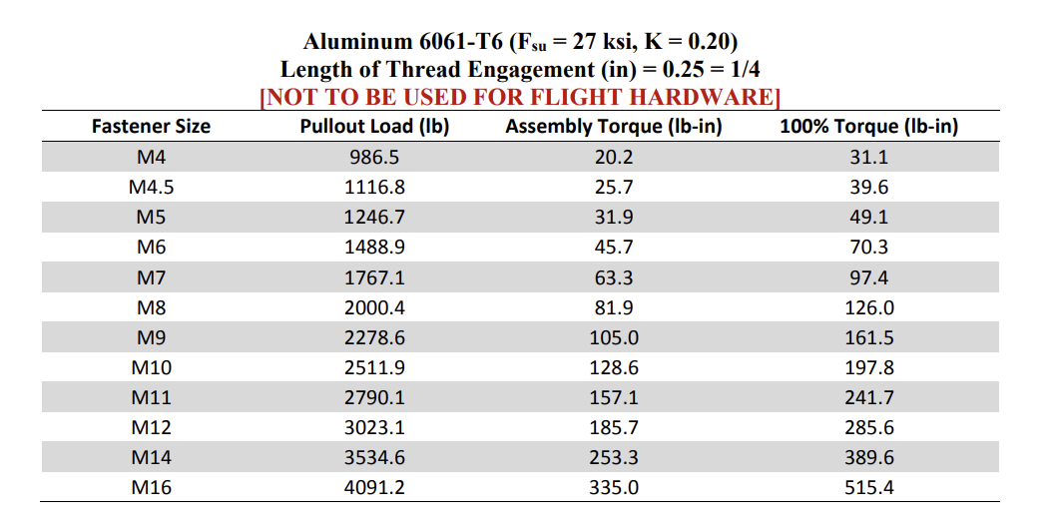

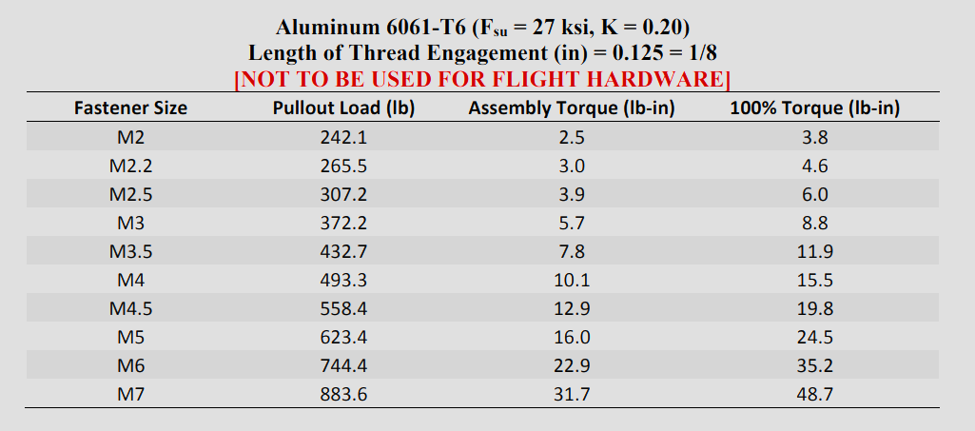

https://ntrs.nasa.gov/citations/20170003491
 |  |  | lb-f
 | Expected shockloading from LE3 |  | 1607
 |  | M5 Pullout Load | 1246.7

 |  | FOS (4 Screws) | 3.103173615
 |  | FOS (8 Screws) | 6.206347231

8) Annulus Design
Option | Name | Critical Displacement ( x10^-3 in)
1 | 3-1 (at 1) | 2.163
2 | 3-1 (at 3) | 1.744
3 | Even | 2.006
4 | ALULA (parallel to bolts) | 9.164
5 | ALULA (at bolts) | 4.616
6 | Box | 2.463

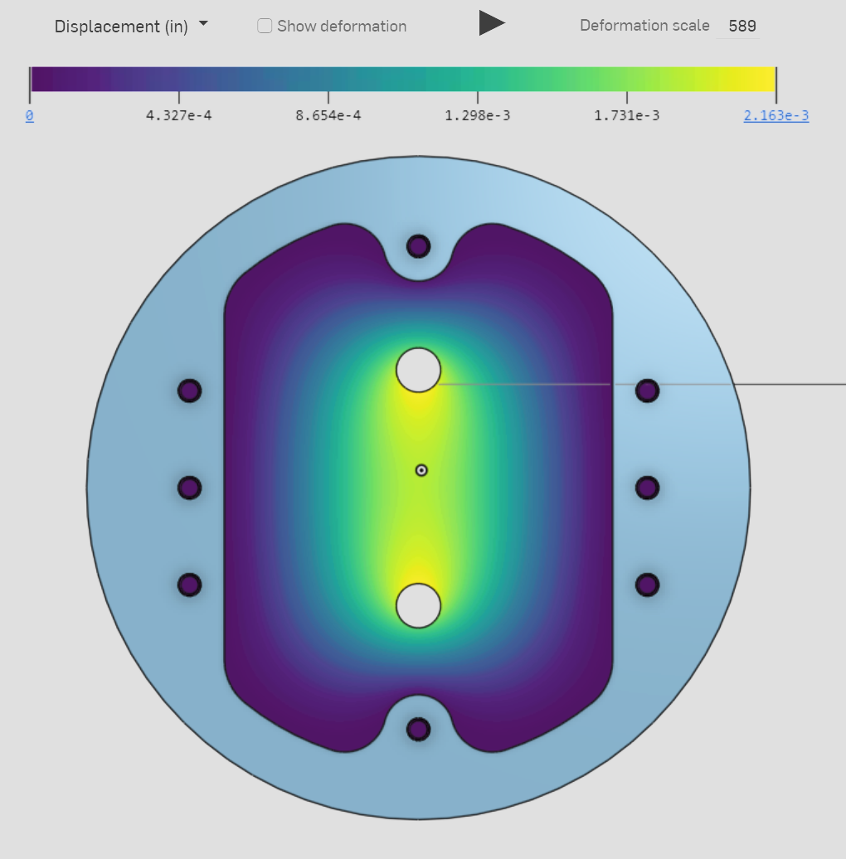
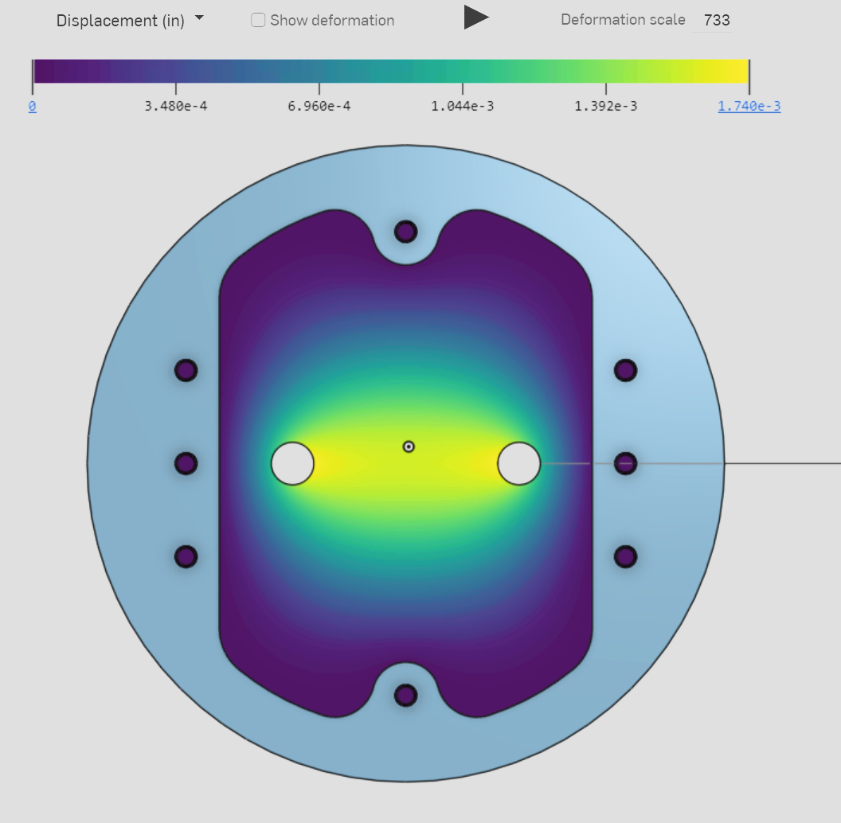
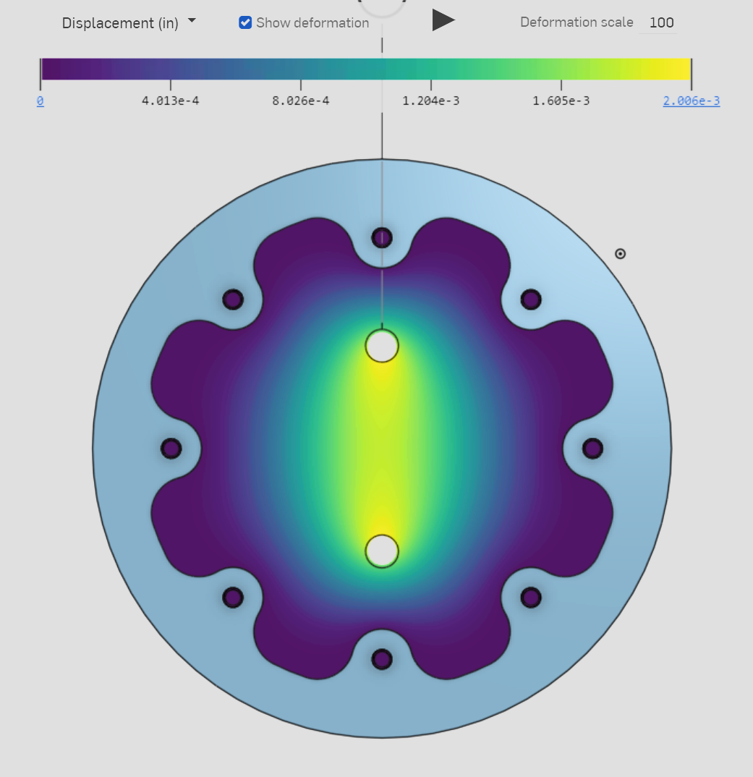
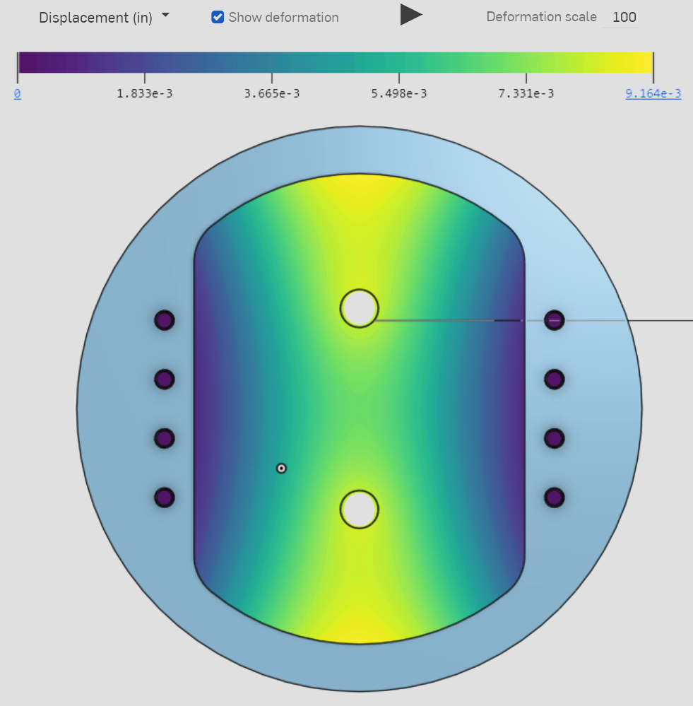
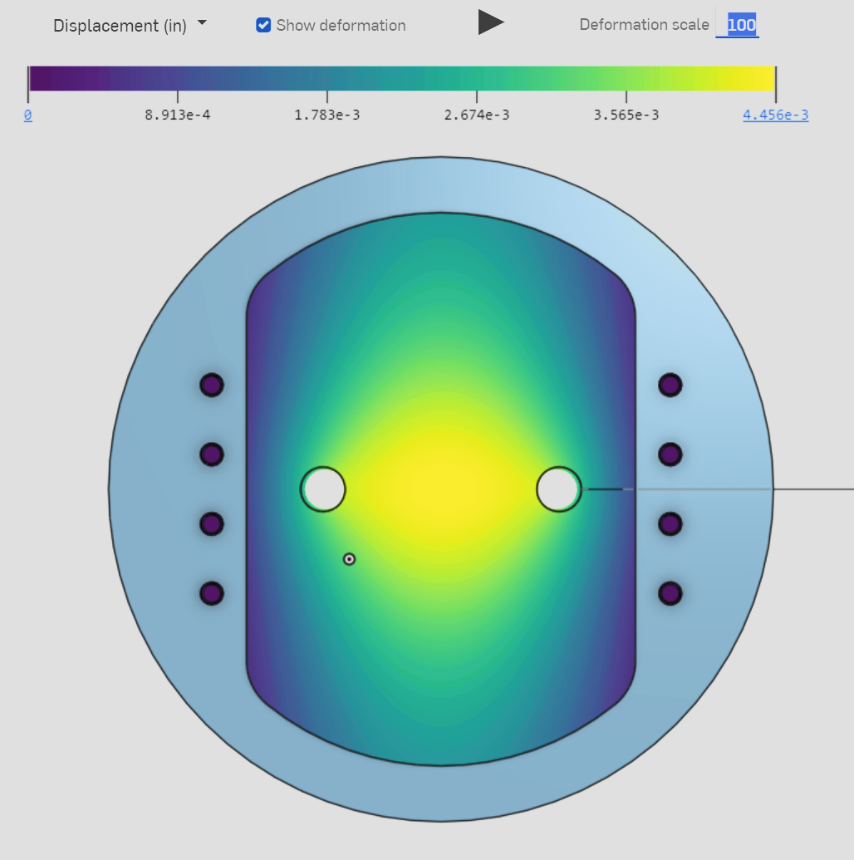
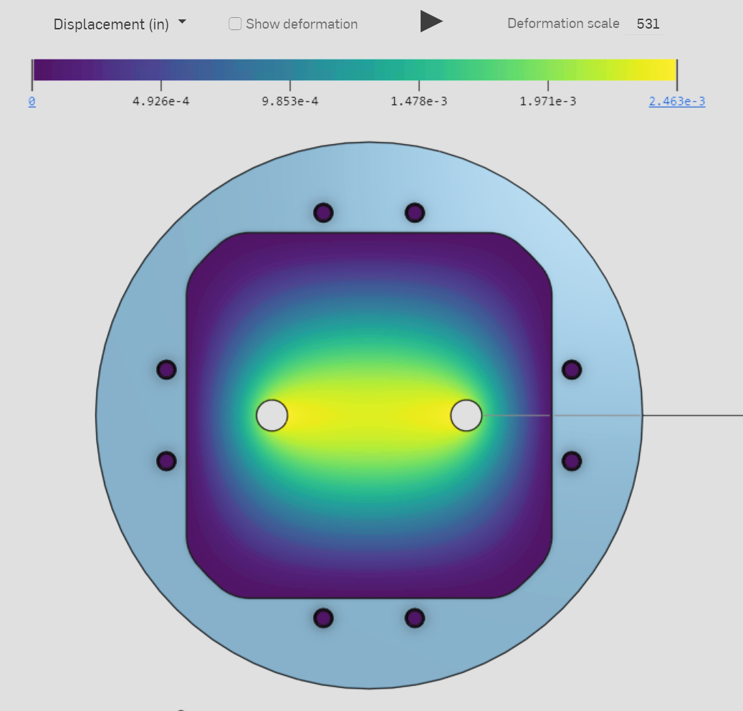

 |  |  |  |  | 5 | 6
1 |  | 2 | 3 | 4

 | <

C) Switch Selection
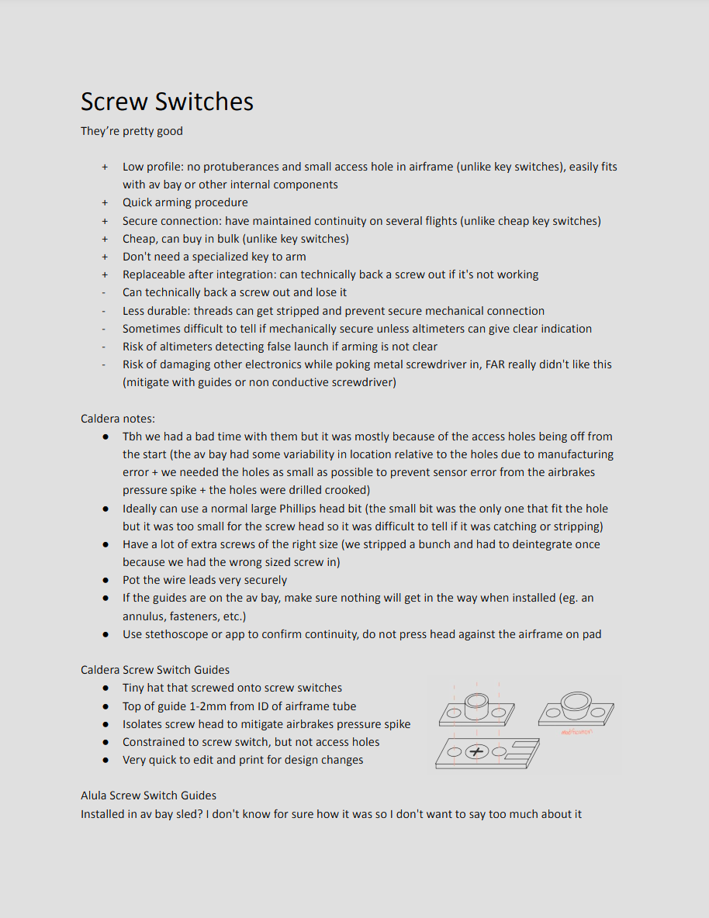
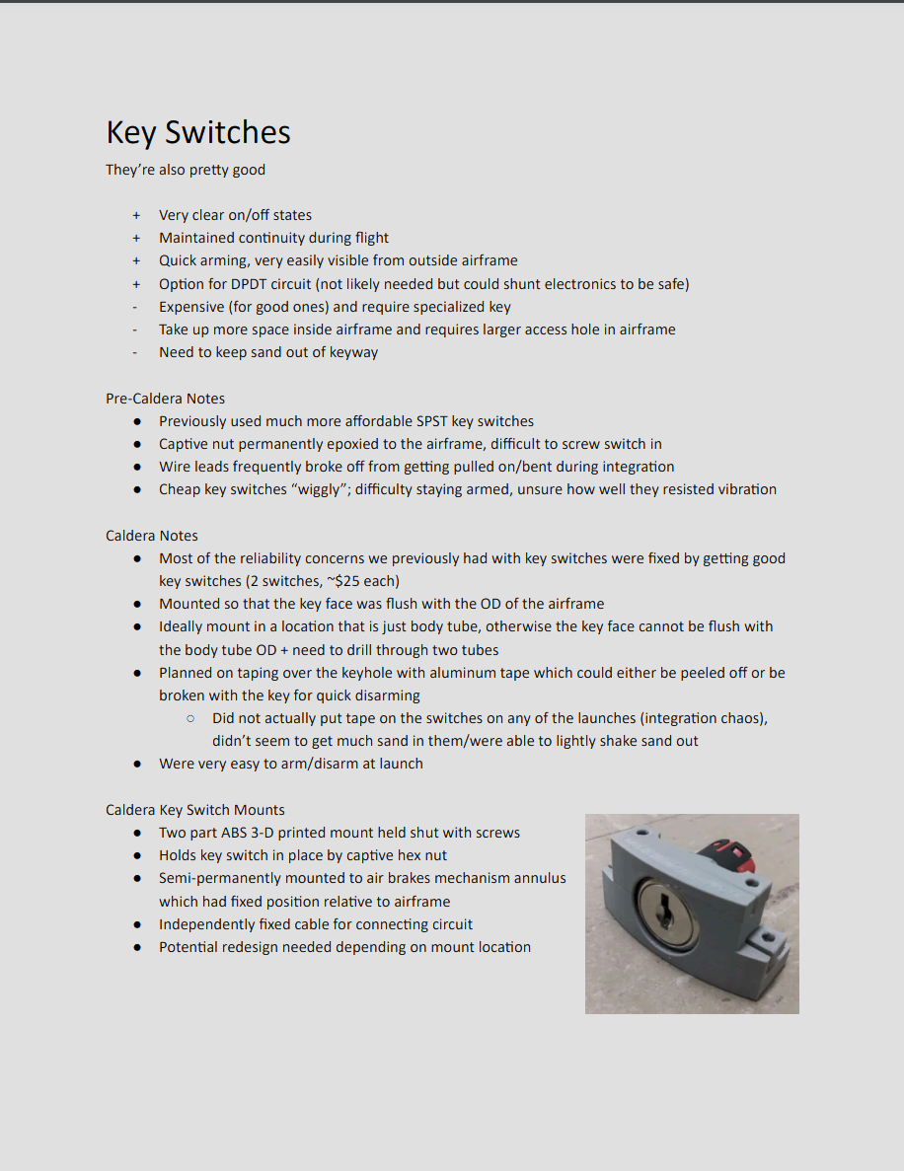
Justification for screw switches: Some of the issues Caldera faced were due to poor alignment of screw switch holes, so taking ALULA's screw switch guides and making sure it's implemented properly, along with Caldera's screw switch covers, should mitigate some concerns
 | Also ensuring we have good access to switches far before launch and bringing backup screws mitigates some other concerns
screwswitches.pdf |  | keyswitches.pdf | Y2011U2C203NQ C&K | Switches | DigiKey

