工作表1
 | Conventional |  |  | Proposed scheme(std3) |  |  | Proposed scheme(std6) |  |  | Proposed scheme(std9)
#UE | Avg Succ | Pf | Avg delay | Avg Succ | Pf | Avg delay | Avg Succ | Pf | Avg delay | Avg Succ | Pf | Avg delay
100 | 8.6808 | 0.362326 | 0.064148 | 11.2136 | 0.271618 | 0.035168 | 11.0628 | 0.292953 | 0.036918 | 10.9158 | 0.313624 | 0.038614
200 | 10.8518 | 0.552223 | 0.122569 | 16.3125 | 0.397575 | 0.06077 | 16.024401 | 0.432519 | 0.063265 | 15.9499 | 0.461355 | 0.066782
300 | 10.956 | 0.678404 | 0.173759 | 19.4074 | 0.476663 | 0.085777 | 19.178101 | 0.515212 | 0.089904 | 18.757 | 0.547677 | 0.0934
400 | 10.1626 | 0.767672 | 0.215491 | 21.384399 | 0.524734 | 0.105403 | 20.8137 | 0.569622 | 0.111521 | 20.4739 | 0.606966 | 0.118397
500 | 8.9633 | 0.832294 | 0.245129 | 22.1185 | 0.556001 | 0.122048 | 21.5737 | 0.596305 | 0.130921 | 21.244499 | 0.62413 | 0.137371
600 | 7.687 | 0.87837 | 0.26587 | 23.1392 | 0.564836 | 0.139539 | 22.1458 | 0.613086 | 0.147531 | 21.6581 | 0.64216 | 0.158409
700 | 6.4189 | 0.912086 | 0.281753 | 23.1544 | 0.586912 | 0.153538 | 22.494801 | 0.620471 | 0.163999 | 21.760599 | 0.654135 | 0.173567
800 | 5.1896 | 0.937316 | 0.294317 | 23.363899 | 0.579338 | 0.164202 | 22.2633 | 0.630376 | 0.178262 | 21.515301 | 0.652601 | 0.190288
900 | 4.1916 | 0.954768 | 0.299182 | 23.116301 | 0.587582 | 0.17832 | 22.219801 | 0.617659 | 0.194221 | 21.298901 | 0.642291 | 0.209849
1000 | 3.3502 | 0.967341 | 0.30544 | 22.8346 | 0.584499 | 0.192433 | 21.894699 | 0.614837 | 0.208215 | 20.812099 | 0.650036 | 0.22433

Simulation Result versus Fig.2
Simulation Result versus Fig.3
Average Access Delay

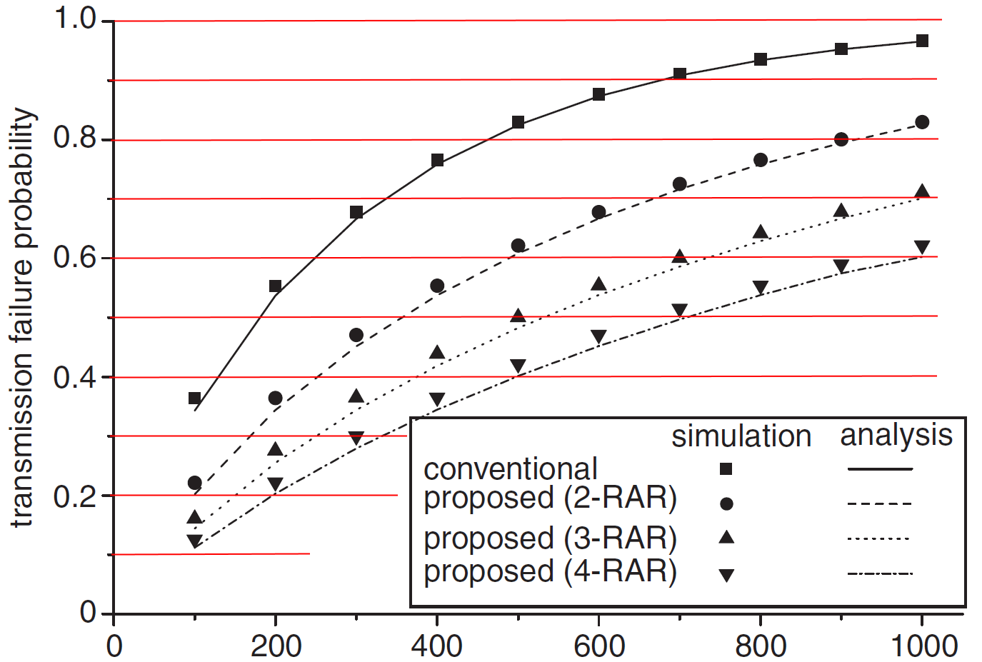
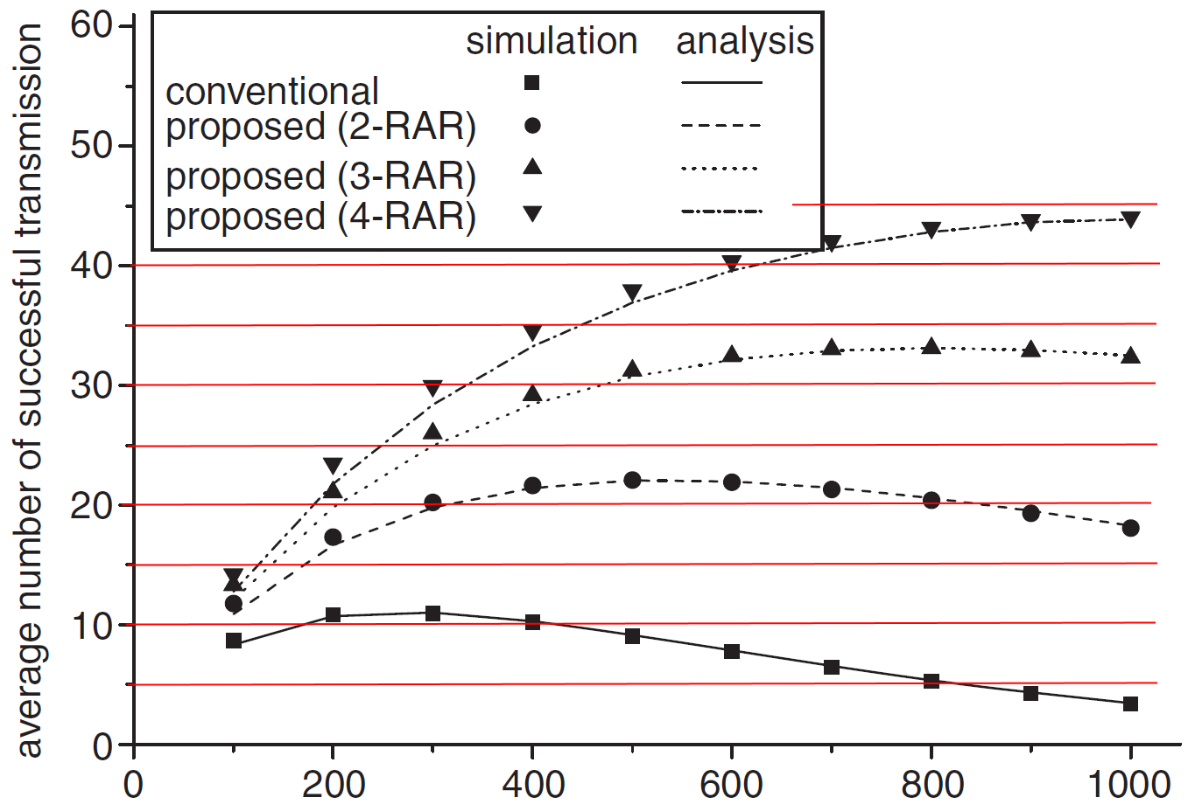

RAR Failed Ratio
 | Conventional | 2-RAR | 3-RAR | 4-RAR
100
200
300
400
500
600
700
800
900
1000
RAR Success Ratio
 | Conventional | 2-RAR | 3-RAR | 4-RAR
100
200
300
400
500
600
700
800
900
1000

